TH_0106-2608-23
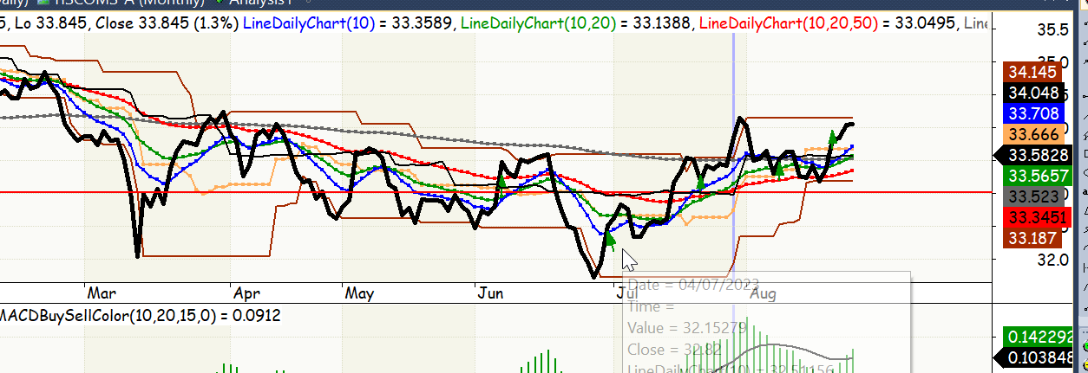
trade_date | portion_pct | action
2023-06-07 | 20 | b
2023-06-30 | 20 | b
2023-07-20 | 20 | b
2023-08-10 | 20 | b
2023-08-22 | 20 | b

TH_2606-2608-23
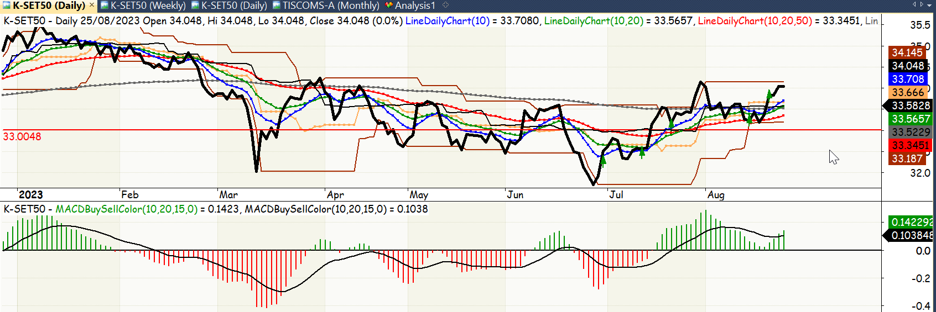
trade_date | portion_pct | action
2023-06-30 | 20 | b
2023-07-12 | 20 | b
2023-07-20 | 20 | b
2023-08-10 | 20 | b
2023-08-22 | 20 | b

