BuySell_Buy_Hold
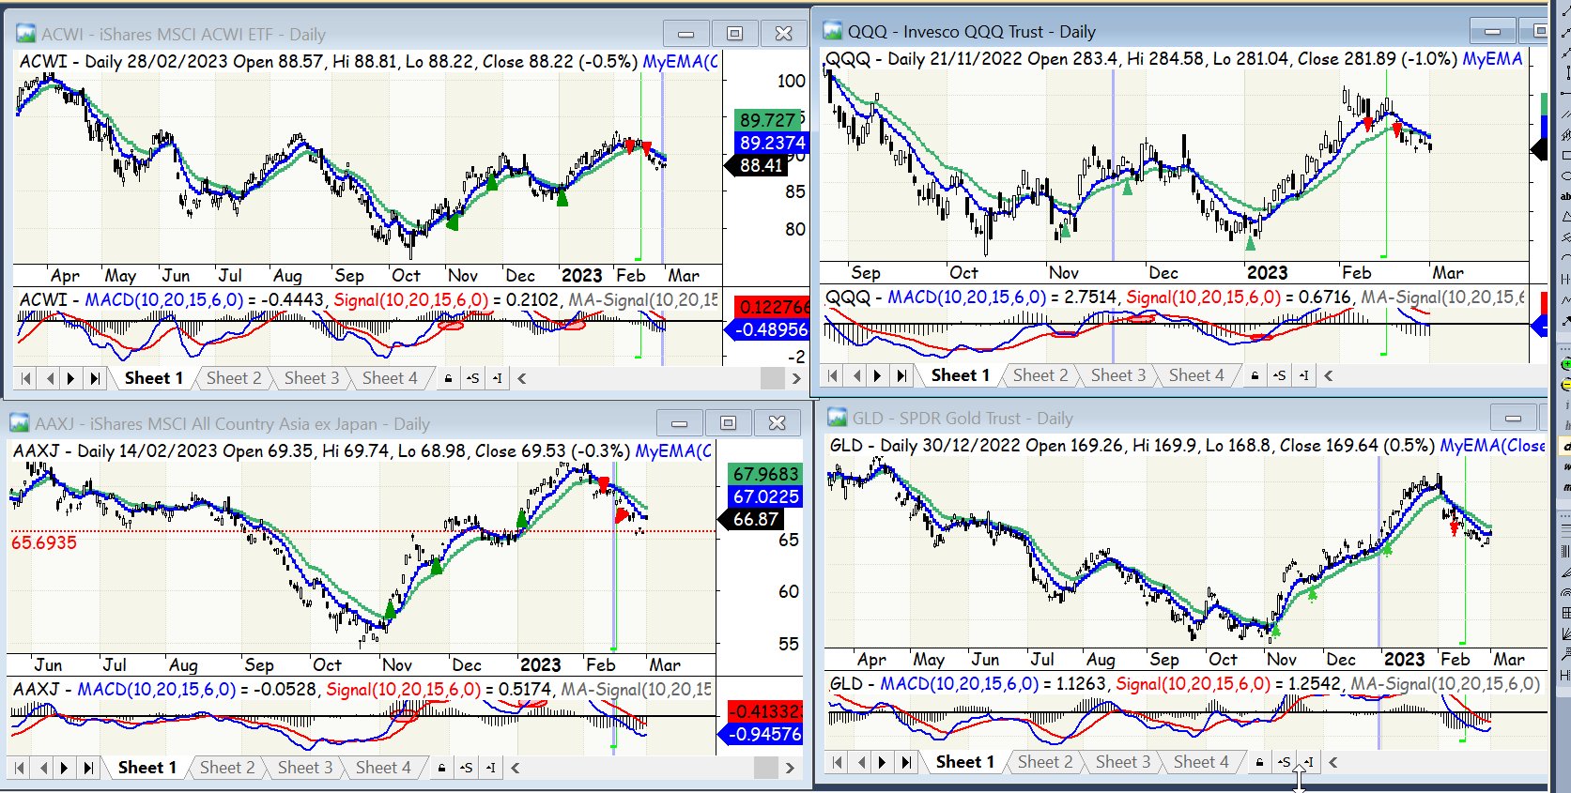
trade_date | portion_pct | action
2022-11-04 | 25 | b
2022-11-25 | 50 | b
2023-01-04 | 25 | b
2023-02-09 | 50 | s

BuySell_Swing
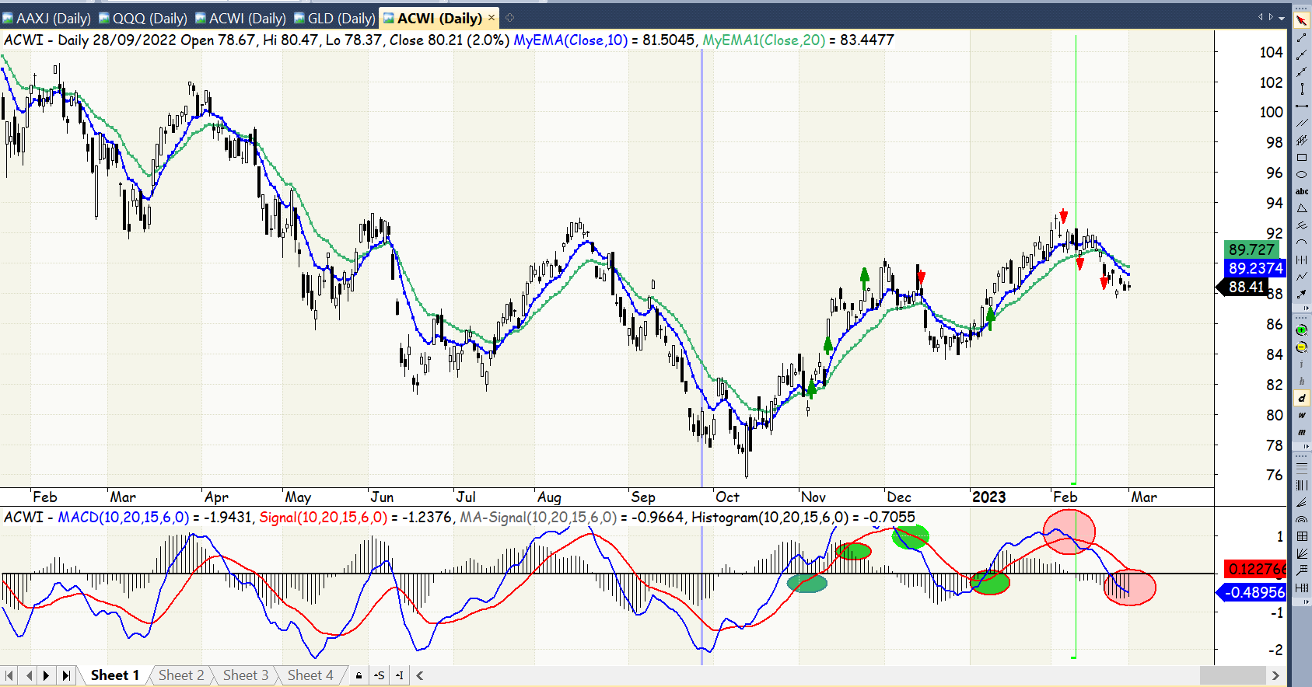
trade_date | portion_pct | action
2022-11-04 | 50 | b
2022-11-09 | 25 | b
2022-11-10 | 25 | b
2022-12-14 | 50 | s
2023-01-10 | 50 | b
2023-02-03 | 25 | s
2023-02-10 | 25 | s
2023-02-21 | 50 | s

