BuySell
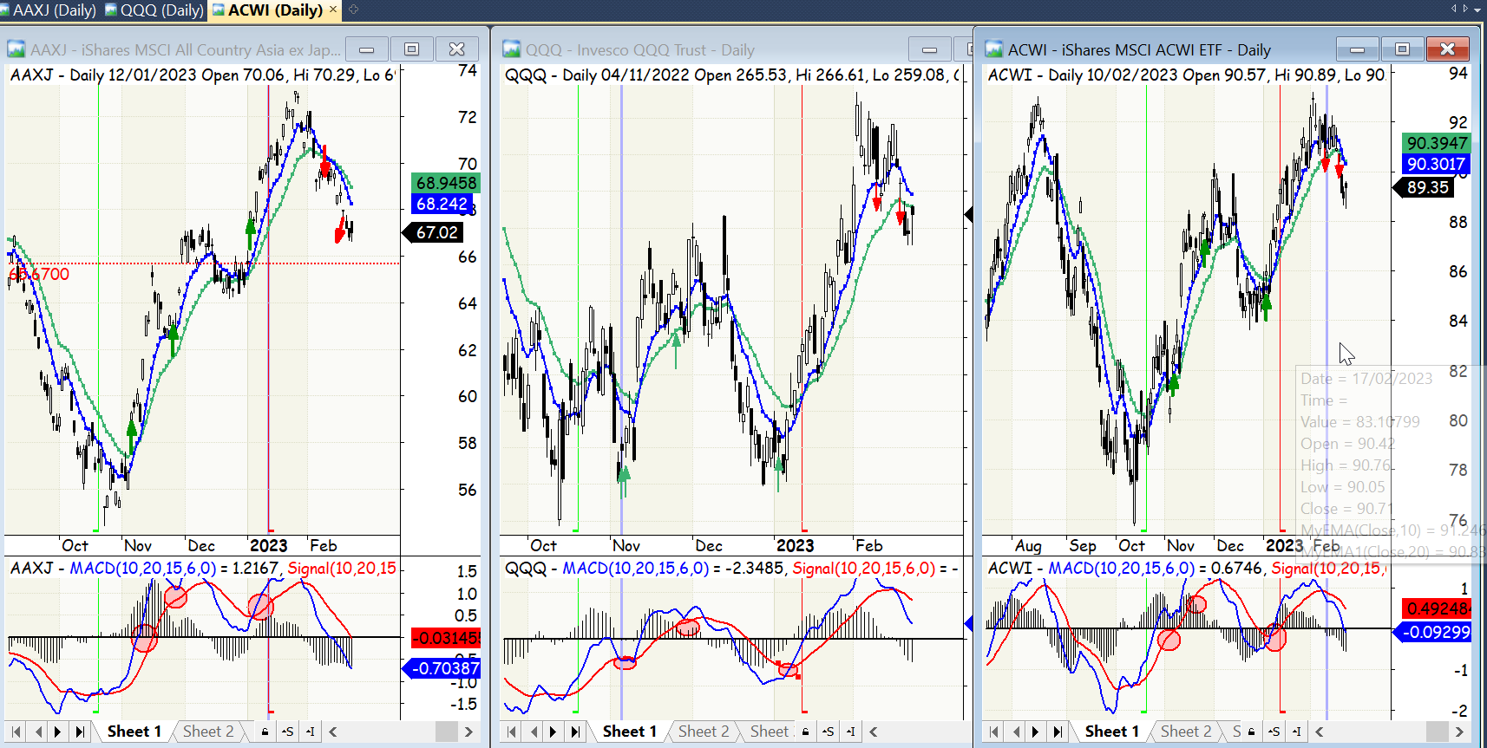
trade_date | portion_pct | action
2022-11-04 | 25 | b
2022-11-25 | 50 | b
2023-01-04 | 25 | b
2023-02-09 | 50 | s

