TH_260623-Now
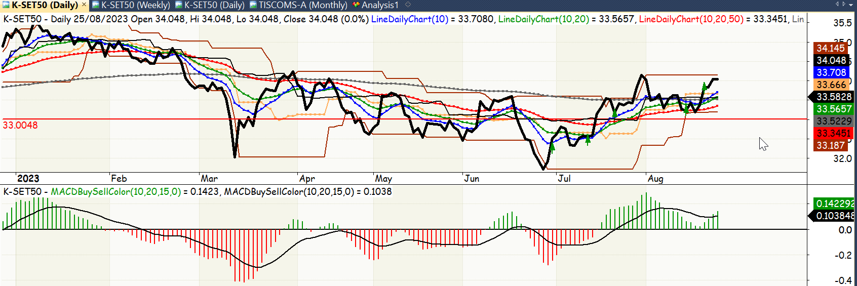
trade_date | portion_pct | action
2023-06-30 | 20 | b
2023-07-14 | 20 | b
2023-07-20 | 20 | b
2023-08-10 | 20 | b
2023-08-22 | 20 | b

TH-MyLike-07To09Y23
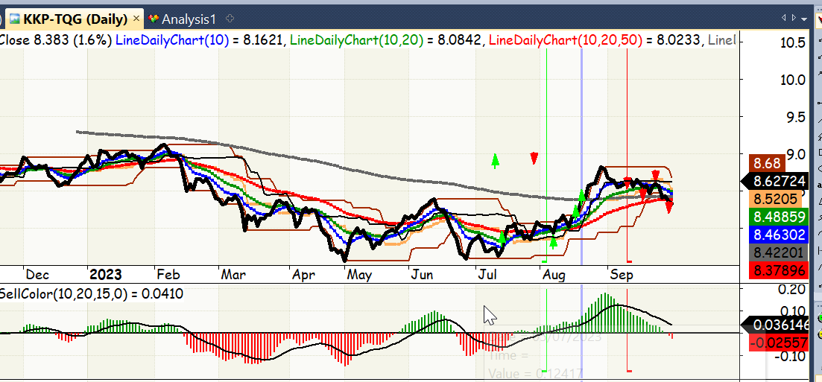
trade_date | portion_pct | action
2023-07-14 | 25 | b
2023-08-07 | 25 | b
2023-08-18 | 25 | b
2023-08-22 | 25 | b
2023-09-14 | 25 | s
2023-09-18 | 25 | s
2023-09-21 | 25 | s
2023-09-28 | 25 | s

