1. RO FEED TANK
Water Technologies & Solutions |  |  | RO FEED/ SUF BACKPULSE TANK (ETP) |  |  |  | Doc. No. | 00508782-WTS-ME-T03-0354-RE-M14 |  | Sheet 1
 |  |  |  |  |  |  | Project | Wastewater Treatment Plant – ETP/STP/RO/ZLD System
 |  |  |  |  |  |  | Customer | M/s. Sandoz. Pvt. Ltd.
TITLE: |  | RO FEED/ SUF BACKPULSE TANK (ETP)
TAG No. |  | 28-TK-101
TANK DIMENSION |  | DIA,M | LD,M | FB,M | DEAD HT,M | TOTAL HT, M | VOLU,M3
Quantity | 1 | 2.2 | 2.65 | 0.2 | 0.14 | 3.0 | 10

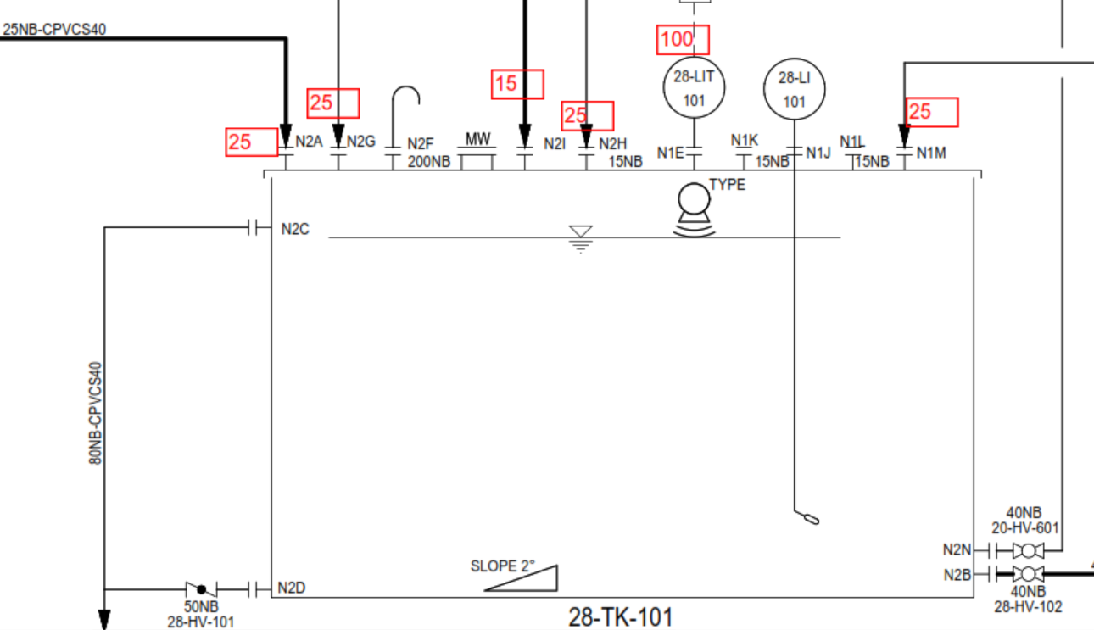
 |  |  |  |  |  | LADDER REQUIRED

 |  |  |  |  |  |  |  | CAGE LADDER REQUIRED

0.2 | FB,m

2.65 | LD,m

0.14 | DH,m

 |  |  | DIA,m | 2.2

NOZZLE SCHEDULE

NOZZLE SCHEDULE | REF. | NOZZLE SIZE | UNITS | Projection (mm) | Remarks
INLET -SUF PERMEATE | N2A | 25 | NB | 150 | on Top of Tank
OUTLET | N2B | 40 | NB | 150 | on SHELL of tank
OVERFLOW | N2C | 80 | NB | 150 | on SHELL of tank
DRAIN | N2D | 50 | NB | 150 | on SHELL of tank
LIT | N2E | 100 | NB | 150 | on SHELL of tank (Consider DP tye)
LEVEL INDICATOR | N2J/K/L | 15 (3 No) | NB | 150 | on Top of Tank
VENT | N2F | 200 | NB | 150 | on Top of Tank (180deg goose neck bend)
INLET -RO ORP DUMP | N2G | 25 | NB | 150 | on Top of Tank
INLET -RO OFF SPEC | N2H | 200 | NB | 150 | on Top of Tank
INLET -MBR PERMEATE )STP) | N2I | 15 | NB | 150 | on Top of Tank
RECIRCULATION | N2M | 15 | NB | 150 | on Top of Tank
OUTLET-BACKPULSE | N2N | 15 | NB | 150 | on Top of Tank
SPARE | N2O | 50 | NB | 150 | on Top of Tank
MANHOLE | - | 500 | NB | 150 | on SHELL of tank

TANK DESIGN DATA

TYPE |  |  | Vertical Cylindrical Tank with Flat Bottom & Conical top with 15 Deg. Angle
TANK QUANTITY |  |  | 1 No.
FLUID HANDLED |  |  | MBR/SUF RO PERMEATE
SPECIFIC GRAVITY |  |  | 1
VISCOSITY |  |  | 1 cP @ 20 deg C
CAPACITY,M3 |  |  | 10
DESIGN TEMP. (DEG.C) |  |  | 60
DESIGN PRESSURE |  |  | ATMOSPHERIC
DESIGN STD. |  |  | BS:4994 -1987
MATERIAL OF CONSTRUCTION |  |  | 3 mm THK Corrosion Liner considering FRV (Normal Vinylester) & balance structure layer with FRP (ISO -PHTHALIC)
METHOD OF MANUFACTURING |  |  | HAND - LAY UP
FRV/FRP COUPONS TO BE TESTED |  |  | TENSILE STRENGTH: 85 n/Sq.mm(min),BARCOL HARDNESS : 34 min, GLASS CONTENT: 37 1/2 ± 7 1/2 )% BY WEIGHT
TESTING |  |  | BY WATER FILLING
BOTTOM, SHELL, TOP FRP/FRV PLATE THICKNESS |  |  | As per attached Technical Data sheet in Quotation
EMPTY /WORKING WEIGHT |  |  | 800 Kg/ 10800 Kg.
TOLERENCE |  |  | BY SUPPLIER
AGITATOR MOUNITNG |  |  | NA

NOTES;

1. ALL DIMENSIONS ARE IN mm UNLESS OTHERWISE SPECIFIED
2. ALL NOZZLE FLANGE DRILLING CONFIRMS TO ANSI B16.5 # 150 RATING.
3. ALL BOLT IN NOZZLES FLANGES TO BE STRADDLE CENTRE LINE OF TANK
4. CUT EDGE AND BOLT TO BE COVERED WITH RESIN
5. ALL NOZZLES TO BE COVERED WITH PLYWOOD BLIND DURING TRANSIT
6. CHEMICAL FEED OPENING TO BE CONSIDERED WITH HINGES AND HANDLE.
7. 3mm THK. CORROSION LINER CONSIDERING FRV (VINYLESTER RESIN) AND BALANCE STRUCTURAL LAYER WITH FRP I(SO PTHALIC RESIN)
8. METHOD OF MANUFACTURING: FILAMENT WINDING
9. INSIDE SURFACE TO BE CONSIDERED WITH SMOOTH GLOSSY FINISH WITH GEL COAT AND EXTERNAL SURFACE WITH FINE MAT.
10. ALL NOZLES TO BE SUITABLY REINFORCED.
11. ALL CORNER IN THE TANK TO BE ROUNDED TO THE EXTENT POSSIBLE.
12. FULL FACE GASKET (5 thk) MUST BE USED IN ALL FIBREGLASS FLANGE JOINTS
13. ALL NOZZLE LOCATIONS PLAN AND ELEVATIONS ARE INDICATIVE AND SAME TO BE FINALIZED DURING DETAIL ENGINEERING
14. ANCHOR BOLTS AS PER A193 Gr B8M/A194Gr B8M TO BE SUPPLIED BY TANK VENDOR
15. NAME PLATE TO BE SUPPLIED WITH SS MATERAIL AS PER M/s. SUEZ DRAWING.
16. EXTERNAL SURFACE COLOR: CAPRI BLUE RAL 5019
18. A193 Gr B8M/A194Gr B8M FASTENERS TO BE CONSIDERED FOR TANK TOP COVER AND SAME TO BE PROVIDED BY TANK VENDOR
19. GLASS RESIN RATIO SHALL BE 40% (+/- 10%) / LAP SHEAR 7 N / mm2 / TENSILE STRENGTH 85N / mm2 (MIN)
21. NECESSARY LIFTING LUGS TO BE PROVIDED BY TANK MANUFACTURER
22. LAY UP SEQUENCE SHALL BE A SPER BELOW:
23. ALL 15 NB NOZZLES TO BE PROVIDED WITH PROPER GUSSET PLATE/STIFF SUPPORT.
24. Agitator mounting channel shall be FRP moulded channel (Not steel channel lined with FRP)
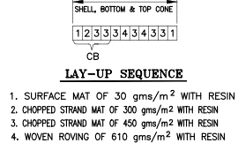

TOLERRANCE:-
1. DIAMETER : (DETERMOINED BY MEASURING CIRCUMFERENCE) +/- 0.5 %.
2. OUT OF ROUNDNESS : DIFFERENCE BETWEEN LARGEST AND SMALLEST DIA SHOULD BE MAX. 1% SPECIFIED DIA. ON SHELL.
3. ORIENTATION: =/- 0.5 DEG,
4. ALL BOLT HOLES, PITCH AND NOZZLE LOCATION +/-1mm.
5. ALL DIMENSIONS ARE +/- 5 mm UNLESS OTHERWISE SPECIFIED.

Rev. | Date |  |  | Description |  |  |  | PRPD | CHKD | APPD
A | 11.11.2021 |  |  | ISSUED FOR RFQ |  |  |  | AMIT | UDAY | UDAY

2. RO CIP TANK
Water Technologies & Solutions |  |  | RO CIP TANK |  |  |  | Doc. No. | 00508782-WTS-ME-T03-0354-RE-M14 |  |  | Sheet 2
 |  |  |  |  |  |  | Project | Wastewater Treatment Plant – ETP/STP/RO/ZLD System
 |  |  |  |  |  |  | Customer | M/s. Sandoz. Pvt. Ltd.
TITLE: |  | RO CIP TANK
TAG No. |  | 28-TK-701
TANK DIMENSION |  | DIA,M | LD,M | FB,M | DEAD HT,M | TOTAL HT, M | VOLU,M3
Quantity | 1 | 1.2 | 0.9 | 0.2 | 0.15 | 1.25 | 1.0
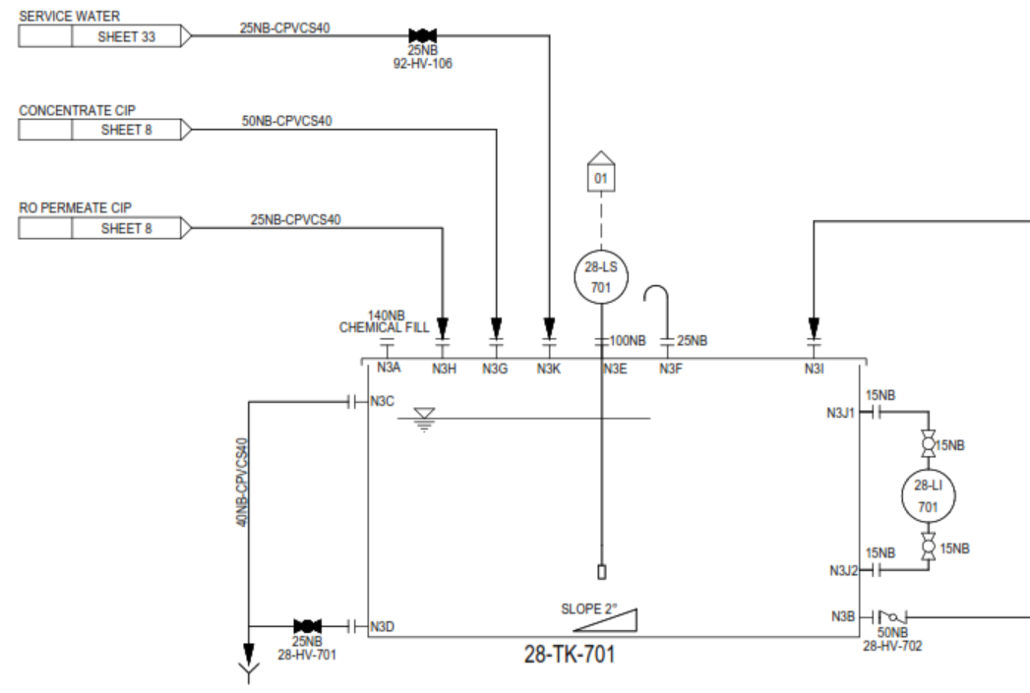

 |  |  |  |  |  |  |  | CAGE LADDER NOT REQUIRED

0.2 | FB,m

0.9 | LD,m

0.15 | DH,m

 |  |  | DIA,m | 1.2

NOZZLE SCHEDULE

NOZZLE SCHEDULE | REF. | NOZZLE SIZE | UNITS | Projection (mm) | Remarks
CHEMICAL FILL | N3A | 140 | NB | 150 | on Top of Tank
OUTLET | N3B | 50 | NB | 150 | on SHELL of tank
OVERFLOW | N3C | 40 | NB | 150 | on SHELL of tank
DRAIN | N3D | 25 | NB | 150 | on SHELL of tank
LEVEL SWITCH | N3E | 100 | NB | 150 | on Top of Tank
VENT | N3F | 25 | NB | 150 | on Top of Tank (180deg goose neck bend)
INLET -CONCENTRATE CIP | N3G | 50 | NB | 150 | on Top of Tank
RO PERMEATE CIP | N3H | 25 | NB | 150 | on Top of Tank
LEVEL INDICATOR | N3J1/J2 | 15 | NB | 150 | on Top of Tank
SERVICE WATER INLET | N3K | 25 | NB | 150 | on Top of Tank
RECIRCULATION | N3I | 40 | NB | 150 | on Top of Tank
SPARE | N3H | 100 | NB | 150 | on Top of Tank
MANHOLE | - | - | - | - | - | - | - | - | - | - | -
TANK DESIGN DATA

TYPE |  |  | Vertical Cylindrical Tank with Flat Bottom & top (Bolted)
TANK QUANTITY |  |  | 1 No.
FLUID HANDLED |  |  | RO PERMEATE WITH CHEMICALS
SPECIFIC GRAVITY |  |  | 1
VISCOSITY |  |  | 1 cP @ 20 deg C
CAPACITY,M3 |  |  | 1.02
DESIGN TEMP. (DEG.C) |  |  | 60
DESIGN PRESSURE |  |  | ATMOSPHERIC
DESIGN STD. |  |  | BS:4994 -1987
MATERIAL OF CONSTRUCTION |  |  | 3 mm THK Corrosion Liner considering FRV (Normal Vinylester) & balance structure layer with FRP (ISO -PHTHALIC)
METHOD OF MANUFACTURING |  |  | HAND - LAY UP
FRV/FRP COUPONS TO BE TESTED |  |  | TENSILE STRENGTH: 85 n/Sq.mm(min),BARCOL HARDNESS : 34 min, GLASS CONTENT: 37 1/2 ± 7 1/2 )% BY WEIGHT
TESTING |  |  | BY WATER FILLING
BOTTOM, SHELL, TOP FRP/FRV PLATE THICKNESS |  |  | As per attached Technical Data sheet in Quotation
EMPTY /WORKING WEIGHT |  |  | 150 Kg / 1170 Kg
TOLERENCE |  |  | BY SUPPLIER
AGITATOR MOUNITNG |  |  | NA

NOTES;

1. ALL DIMENSIONS ARE IN mm UNLESS OTHERWISE SPECIFIED
2. ALL NOZZLE FLANGE DRILLING CONFIRMS TO ANSI B16.5 # 150 RATING.
3. ALL BOLT IN NOZZLES FLANGES TO BE STRADDLE CENTRE LINE OF TANK
4. CUT EDGE AND BOLT TO BE COVERED WITH RESIN
5. ALL NOZZLES TO BE COVERED WITH PLYWOOD BLIND DURING TRANSIT
6. CHEMICAL FEED OPENING TO BE CONSIDERED WITH HINGES AND HANDLE.
7. 3mm THK. CORROSION LINER CONSIDERING FRV (VINYLESTER RESIN) AND BALANCE STRUCTURAL LAYER WITH FRP I(SO PTHALIC RESIN)
8. METHOD OF MANUFACTURING: FILAMENT WINDING
9. INSIDE SURFACE TO BE CONSIDERED WITH SMOOTH GLOSSY FINISH WITH GEL COAT AND EXTERNAL SURFACE WITH FINE MAT.
10. ALL NOZLES TO BE SUITABLY REINFORCED.
11. ALL CORNER IN THE TANK TO BE ROUNDED TO THE EXTENT POSSIBLE.
12. FULL FACE GASKET (5 thk) MUST BE USED IN ALL FIBREGLASS FLANGE JOINTS
13. ALL NOZZLE LOCATIONS PLAN AND ELEVATIONS ARE INDICATIVE AND SAME TO BE FINALIZED DURING DETAIL ENGINEERING
14. ANCHOR BOLTS AS PER A193 Gr B8M/A194Gr B8M TO BE SUPPLIED BY TANK VENDOR
15. NAME PLATE TO BE SUPPLIED WITH SS MATERAIL AS PER M/s. SUEZ DRAWING.
16. EXTERNAL SURFACE COLOR: CAPRI BLUE RAL 5019
18. A193 Gr B8M/A194Gr B8M FASTENERS TO BE CONSIDERED FOR TANK TOP COVER AND SAME TO BE PROVIDED BY TANK VENDOR
19. GLASS RESIN RATIO SHALL BE 40% (+/- 10%) / LAP SHEAR 7 N / mm2 / TENSILE STRENGTH 85N / mm2 (MIN)
21. NECESSARY LIFTING LUGS TO BE PROVIDED BY TANK MANUFACTURER
22. LAY UP SEQUENCE SHALL BE A SPER BELOW:
23. ALL 15 NB NOZZLES TO BE PROVIDED WITH PROPER GUSSET PLATE/STIFF SUPPORT.
24. Agitator mounting channel shall be FRP moulded channel (Not steel channel lined with FRP)

TOLERRANCE:-
1. DIAMETER : (DETERMOINED BY MEASURING CIRCUMFERENCE) +/- 0.5 %.
2. OUT OF ROUNDNESS : DIFFERENCE BETWEEN LARGEST AND SMALLEST DIA SHOULD BE MAX. 1% SPECIFIED DIA. ON SHELL.
3. ORIENTATION: =/- 0.5 DEG,
4. ALL BOLT HOLES, PITCH AND NOZZLE LOCATION +/-1mm.
5. ALL DIMENSIONS ARE +/- 5 mm UNLESS OTHERWISE SPECIFIED.

Rev. | Date |  |  | Description |  |  |  | PRPD |  | CHKD | APPD
A | 11.11.2021 |  |  | ISSUED FOR RFQ |  |  |  | AMIT |  | UDAY | UDAY

3. SEAL WATER TANK
Water Technologies & Solutions |  |  | SEAL WATER TANK |  |  |  | Doc. No. | 00508782-WTS-ME-T03-0354-RE-M14 |  | Sheet 3
 |  |  |  |  |  |  | Project | Wastewater Treatment Plant – ETP/STP/RO/ZLD System
 |  |  |  |  |  |  | Customer | M/s. Sandoz. Pvt. Ltd.
TITLE: |  | SEAL WATER TANK
TAG No. |  | 41-TK-701
TANK DIMENSION |  | DIA,M | LD,M | FB,M | DEAD HT,M | TOTAL HT, M | VOLU,M3
Quantity | 1 | 1.6 | 1 | 0.2 | 0.1 | 1.30 | 2.0

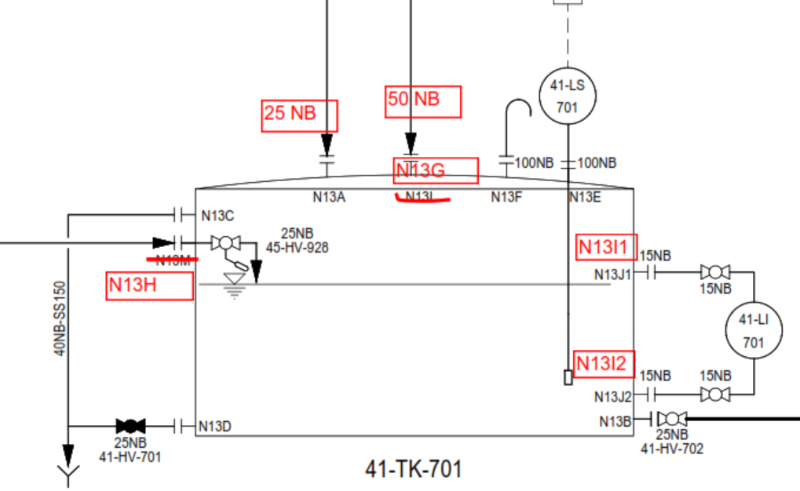
 |  |  |  |  |  |  |  | CAGE LADDER NOT REQUIRED

0.2 | FB,m

1 | LD,m

0.1 | DH,m

 |  |  | DIA,m | 1.6

NOZZLE SCHEDULE

NOZZLE SCHEDULE | REF. | NOZZLE SIZE | UNITS | Projection (mm) | Remarks
SERVICE WATER INLET | N13A | 25 | NB | 150 | on Top of Tank
OUTLET | N13B | 25 | NB | 150 | on SHELL of tank
OVERFLOW | N13C | 40 | NB | 150 | on SHELL of tank
DRAIN | N13D | 25 | NB | 150 | on SHELL of tank
LEVEL SWITCH | N13E | 100 | NB | 150 | on Top of Tank
VENT | N13F | 100 | NB | 150 | on Top of Tank (180deg goose neck bend)
SEAL WATER RETURN | N13G | 50 | NB | 150 | on Top of Tank
DISTILLATE WATER INLET | N13H | 25 | NB | 150 | on Top of Tank
LEVEL INDICATOR | N13I1/I2 | 15 | NB | 150 | on Top of Tank
SPARE | N13H | 25 | NB | 150 | on Top of Tank
MANHOLE | - | 500 | NB | 150 | on Top of Tank/shell
TANK DESIGN DATA

TYPE |  |  | Vertical Cylindrical Tank with Flat Bottom & Conical top with 15 Deg. Angle
TANK QUANTITY |  |  | 1 No.
FLUID HANDLED |  |  | RO PERMEATE
SPECIFIC GRAVITY |  |  | 1
VISCOSITY |  |  | 1 cP @ 20 deg C
CAPACITY,M3 |  |  | 2.01
DESIGN TEMP. (DEG.C) |  |  | 60
DESIGN PRESSURE |  |  | ATMOSPHERIC
DESIGN STD. |  |  | BS:4994 -1987
MATERIAL OF CONSTRUCTION |  |  | 3 mm THK Corrosion Liner considering FRV (Normal Vinylester) & balance structure layer with FRP (ISO -PHTHALIC)
METHOD OF MANUFACTURING |  |  | HAND - LAY UP
FRV/FRP COUPONS TO BE TESTED |  |  | TENSILE STRENGTH: 85 n/Sq.mm(min),BARCOL HARDNESS : 34 min, GLASS CONTENT: 37 1/2 ± 7 1/2 )% BY WEIGHT
TESTING |  |  | BY WATER FILLING
BOTTOM, SHELL, TOP FRP/FRV PLATE THICKNESS |  |  | As per attached Technical Data sheet in Quotation
EMPTY /WORKING WEIGHT |  |  | 200 Kg / 2210 Kg
TOLERENCE |  |  | BY SUPPLIER
AGITATOR MOUNITNG |  |  | NA

NOTES;

1. ALL DIMENSIONS ARE IN mm UNLESS OTHERWISE SPECIFIED
2. ALL NOZZLE FLANGE DRILLING CONFIRMS TO ANSI B16.5 # 150 RATING.
3. ALL BOLT IN NOZZLES FLANGES TO BE STRADDLE CENTRE LINE OF TANK
4. CUT EDGE AND BOLT TO BE COVERED WITH RESIN
5. ALL NOZZLES TO BE COVERED WITH PLYWOOD BLIND DURING TRANSIT
6. CHEMICAL FEED OPENING TO BE CONSIDERED WITH HINGES AND HANDLE.
7. 3mm THK. CORROSION LINER CONSIDERING FRV (VINYLESTER RESIN) AND BALANCE STRUCTURAL LAYER WITH FRP I(SO PTHALIC RESIN)
8. METHOD OF MANUFACTURING: FILAMENT WINDING
9. INSIDE SURFACE TO BE CONSIDERED WITH SMOOTH GLOSSY FINISH WITH GEL COAT AND EXTERNAL SURFACE WITH FINE MAT.
10. ALL NOZLES TO BE SUITABLY REINFORCED.
11. ALL CORNER IN THE TANK TO BE ROUNDED TO THE EXTENT POSSIBLE.
12. FULL FACE GASKET (5 thk) MUST BE USED IN ALL FIBREGLASS FLANGE JOINTS
13. ALL NOZZLE LOCATIONS PLAN AND ELEVATIONS ARE INDICATIVE AND SAME TO BE FINALIZED DURING DETAIL ENGINEERING
14. ANCHOR BOLTS AS PER A193 Gr B8M/A194Gr B8M TO BE SUPPLIED BY TANK VENDOR
15. NAME PLATE TO BE SUPPLIED WITH SS MATERAIL AS PER M/s. SUEZ DRAWING.
16. EXTERNAL SURFACE COLOR: CAPRI BLUE RAL 5019
18. A193 Gr B8M/A194Gr B8M FASTENERS TO BE CONSIDERED FOR TANK TOP COVER AND SAME TO BE PROVIDED BY TANK VENDOR
19. GLASS RESIN RATIO SHALL BE 40% (+/- 10%) / LAP SHEAR 7 N / mm2 / TENSILE STRENGTH 85N / mm2 (MIN)
21. NECESSARY LIFTING LUGS TO BE PROVIDED BY TANK MANUFACTURER
22. LAY UP SEQUENCE SHALL BE A SPER BELOW:
23. ALL 15 NB NOZZLES TO BE PROVIDED WITH PROPER GUSSET PLATE/STIFF SUPPORT.
24. Agitator mounting channel shall be FRP moulded channel (Not steel channel lined with FRP)

TOLERRANCE:-
1. DIAMETER : (DETERMOINED BY MEASURING CIRCUMFERENCE) +/- 0.5 %.
2. OUT OF ROUNDNESS : DIFFERENCE BETWEEN LARGEST AND SMALLEST DIA SHOULD BE MAX. 1% SPECIFIED DIA. ON SHELL.
3. ORIENTATION: =/- 0.5 DEG,
4. ALL BOLT HOLES, PITCH AND NOZZLE LOCATION +/-1mm.
5. ALL DIMENSIONS ARE +/- 5 mm UNLESS OTHERWISE SPECIFIED.

Rev. | Date |  |  | Description |  |  |  | PRPD | CHKD | APPD
A | 11.11.2021 |  |  | ISSUED FOR RFQ |  |  |  | AMIT | UDAY | UDAY

4.CITRIC
Water Technologies & Solutions |  |  | CITRIC DOSING TANK |  |  |  | Doc. No. | 00508782-WTS-ME-T03-0354-RE-M14 |  | Sheet 4
 |  |  |  |  |  |  | Project | Wastewater Treatment Plant – ETP/STP/RO/ZLD System
 |  |  |  |  |  |  | Customer | M/s. Sandoz. Pvt. Ltd.
TITLE: |  | CITRIC DOSING TANK
TAG No. |  | 23-TK-301
TANK DIMENSION |  | DIA,M | LD,M | FB,M | DEAD HT,M | TOTAL HT, M | VOLU,M3
Quantity | 1 | 0.5 | 0.55 | 0.3 | 0.1 | 0.95 | 0.1

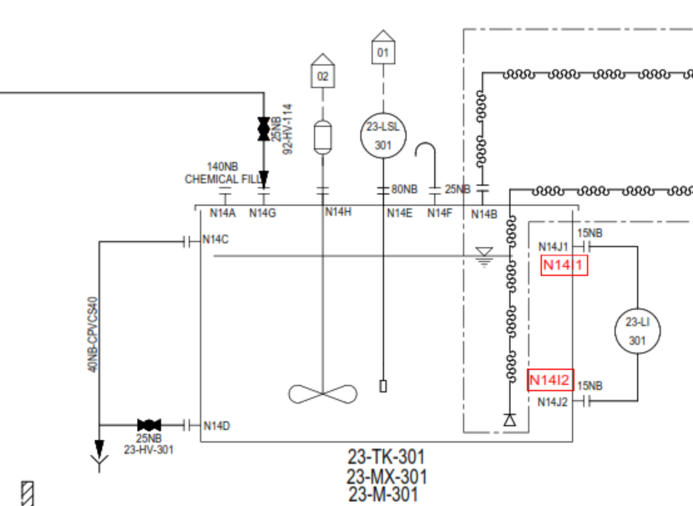
 |  |  |  |  |  |  |  | CAGE LADDER NOT REQUIRED

0.3 | FB,m

0.55 | LD,m

0.1 | DH,m

 |  |  | DIA,m | 0.5

NOZZLE SCHEDULE

NOZZLE SCHEDULE | REF. | NOZZLE SIZE | UNITS | Projection (mm) | Remarks
INLET -CHEMICAL | N14A | VENDOR TO CONFIRM |  |  | on Top of Tank
OUTLET | N14B1/2 | 15 | NB | 150 | on Top of Tank
OVERFLOW | N14C | 40 | NB | 150 | on SHELL of tank
DRAIN | N14D | 25 | NB | 150 | on SHELL of tank
LEVEL SWITCH | N14E | 80 | NB | 150 | on Top of Tank
VENT | N14F | 25 | NB | 150 | on Top of Tank (180deg goose neck bend)
LEVEL INDICATOR | N14I1-I2 | 15 | NB | 150 | on Top of Tank
SERVICE WATER INLET | N14G | 25 | NB | 150 | on Top of Tank
AGITATOR | N14H | 100 flgn Proj/ 250PCD/8 x 14 dia. |  |  | on Top of Tank
SPARE | N14J | 15 | NB | 150 | on Top of Tank

TANK DESIGN DATA

TYPE |  |  | Vertical Cylindrical Tank with Flat Bottom & top bolted
TANK QUANTITY |  |  | 1 No.
FLUID HANDLED |  |  | CITRIC
SPECIFIC GRAVITY |  |  | 1.24
VISCOSITY |  |  | 40 cP @ 20 deg C
CAPACITY,M3 |  |  | 0.1
DESIGN TEMP. (DEG.C) |  |  | 60
DESIGN PRESSURE |  |  | ATMOSPHERIC
DESIGN STD. |  |  | VENDOR TO CONFIRM
MATERIAL OF CONSTRUCTION |  |  | PP
METHOD OF MANUFACTURING |  |  | HAND - LAY UP
FRV/FRP COUPONS TO BE TESTED |  |  | VENDOR TO CONFIRM
TESTING |  |  | BY WATER FILLING
BOTTOM, SHELL, TOP FRP/FRV PLATE THICKNESS |  |  | As per attached Technical Data sheet in Quotation
EMPTY /WORKING WEIGHT |  |  | 75 Kg / 199 Kg
TOLERENCE |  |  | BY SUPPLIER
AGITATOR MOUNITNG |  |  | TOP AND WEIGHTS 150 kg max

NOTES;

1. ALL DIMENSIONS ARE IN mm UNLESS OTHERWISE SPECIFIED
2. ALL NOZZLE FLANGE DRILLING CONFIRMS TO ANSI B16.5 # 150 RATING.
3. ALL BOLT IN NOZZLES FLANGES TO BE STRADDLE CENTRE LINE OF TANK
4. CUT EDGE AND BOLT TO BE COVERED WITH RESIN
5. ALL NOZZLES TO BE COVERED WITH PLYWOOD BLIND DURING TRANSIT
6. CHEMICAL FEED OPENING TO BE CONSIDERED WITH HINGES AND HANDLE.
7. 3mm THK. CORROSION LINER CONSIDERING FRV (VINYLESTER RESIN) AND BALANCE STRUCTURAL LAYER WITH FRP I(SO PTHALIC RESIN)
8. METHOD OF MANUFACTURING: FILAMENT WINDING
9. INSIDE SURFACE TO BE CONSIDERED WITH SMOOTH GLOSSY FINISH WITH GEL COAT AND EXTERNAL SURFACE WITH FINE MAT.
10. ALL NOZLES TO BE SUITABLY REINFORCED.
11. ALL CORNER IN THE TANK TO BE ROUNDED TO THE EXTENT POSSIBLE.
12. FULL FACE GASKET (5 thk) MUST BE USED IN ALL FIBREGLASS FLANGE JOINTS
13. ALL NOZZLE LOCATIONS PLAN AND ELEVATIONS ARE INDICATIVE AND SAME TO BE FINALIZED DURING DETAIL ENGINEERING
14. ANCHOR BOLTS AS PER A193 Gr B8M/A194Gr B8M TO BE SUPPLIED BY TANK VENDOR
15. NAME PLATE TO BE SUPPLIED WITH SS MATERAIL AS PER M/s. SUEZ DRAWING.
16. EXTERNAL SURFACE COLOR: CAPRI BLUE RAL 5019
18. A193 Gr B8M/A194Gr B8M FASTENERS TO BE CONSIDERED FOR TANK TOP COVER AND SAME TO BE PROVIDED BY TANK VENDOR
19. GLASS RESIN RATIO SHALL BE 40% (+/- 10%) / LAP SHEAR 7 N / mm2 / TENSILE STRENGTH 85N / mm2 (MIN)
21. NECESSARY LIFTING LUGS TO BE PROVIDED BY TANK MANUFACTURER
22. LAY UP SEQUENCE SHALL BE A SPER BELOW:
23. ALL 15 NB NOZZLES TO BE PROVIDED WITH PROPER GUSSET PLATE/STIFF SUPPORT.
24. Agitator mounting channel shall be FRP moulded channel (Not steel channel lined with FRP)

TOLERRANCE:-
1. DIAMETER : (DETERMOINED BY MEASURING CIRCUMFERENCE) +/- 0.5 %.
2. OUT OF ROUNDNESS : DIFFERENCE BETWEEN LARGEST AND SMALLEST DIA SHOULD BE MAX. 1% SPECIFIED DIA. ON SHELL.
3. ORIENTATION: =/- 0.5 DEG,
4. ALL BOLT HOLES, PITCH AND NOZZLE LOCATION +/-1mm.
5. ALL DIMENSIONS ARE +/- 5 mm UNLESS OTHERWISE SPECIFIED.

Rev. | Date |  |  | Description |  |  |  | PRPD | CHKD | APPD
A | 11.11.2021 |  |  | ISSUED FOR RFQ |  |  |  | AMIT | UDAY | UDAY

5.FECL3
Water Technologies & Solutions |  |  | FeCL3 Dosing tank |  |  |  | Doc. No. | 00508782-WTS-ME-T03-0354-RE-M14 |  | Sheet 5
 |  |  |  |  |  |  | Project | Wastewater Treatment Plant – ETP/STP/RO/ZLD System
 |  |  |  |  |  |  | Customer | M/s. Sandoz. Pvt. Ltd.
TITLE: |  | FeCL3 Dosing tank
TAG No. |  | 05-TK-601
TANK DIMENSION |  | DIA,M | LD,M | FB,M | DEAD HT,M | TOTAL HT, M | VOLU,M3
Quantity | 1 | 0.5 | 0.55 | 0.3 | 0.1 | 0.95 | 0.1

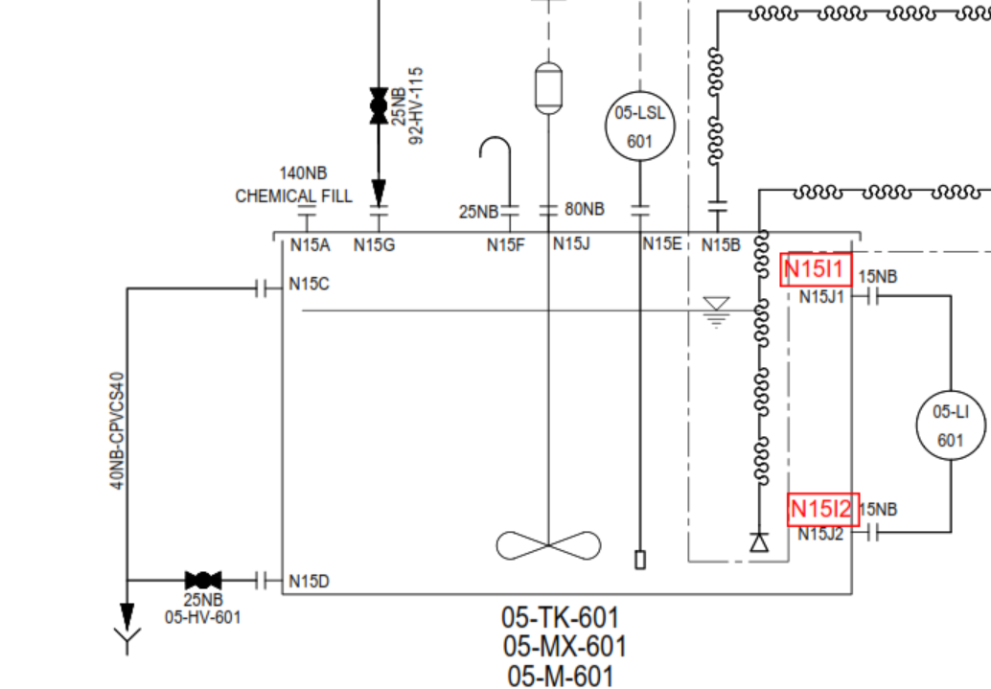

 |  |  |  |  |  |  |  | CAGE LADDER NOT REQUIRED

0.3 | FB,m

0.55 | LD,m

0.1 | DH,m

 |  |  | DIA,m | 0.5

NOZZLE SCHEDULE

NOZZLE SCHEDULE | REF. | NOZZLE SIZE | UNITS | Projection (mm) | Remarks
INLET -CHEMICAL | N15A | VENDOR TO CONFIRM |  |  | on Top of Tank
OUTLET | N15B1/2 | 15 | NB | 150 | on Top of Tank
OVERFLOW | N15C | 40 | NB | 150 | on SHELL of tank
DRAIN | N15D | 25 | NB | 150 | on SHELL of tank
LEVEL SWITCH | N15E | 80 | NB | 150 | on Top of Tank
VENT | N15F | 25 | NB | 150 | on Top of Tank (180deg goose neck bend)
LEVEL INDICATOR | N15I1-I2 | 15 | NB | 150 | on Top of Tank
SERVICE WATER INLET | N15G | 25 | NB | 150 | on Top of Tank
AGITATOR | N15H | 100 flgn Proj/ 250PCD/8 x 14 dia. |  |  | on Top of Tank
SPARE | N15J | 15 | NB | 150 | on Top of Tank

TANK DESIGN DATA

TYPE |  |  | Vertical Cylindrical Tank with Flat Bottom & top bolted
TANK QUANTITY |  |  | 1 No.
FLUID HANDLED |  |  | FECL3
SPECIFIC GRAVITY |  |  | 1.42
VISCOSITY |  |  | 12 cP @ 20 deg C
CAPACITY,M3 |  |  | 0.1
DESIGN TEMP. (DEG.C) |  |  | 60
DESIGN PRESSURE |  |  | ATMOSPHERIC
DESIGN STD. |  |  | BS:4994 -1987
MATERIAL OF CONSTRUCTION |  |  | PP
METHOD OF MANUFACTURING |  |  | HAND - LAY UP
FRV/FRP COUPONS TO BE TESTED |  |  | VENDOR TO CONFIRM
TESTING |  |  | BY WATER FILLING
BOTTOM, SHELL, TOP FRP/FRV PLATE THICKNESS |  |  | 75 Kg / 217 Kg
EMPTY /WORKING WEIGHT |  |  | BY SUPPLIER
TOLERENCE |  |  | BY SUPPLIER
AGITATOR MOUNITNG |  |  | TOP AND WEIGHTS 150 kg max

NOTES;

1. ALL DIMENSIONS ARE IN mm UNLESS OTHERWISE SPECIFIED
2. ALL NOZZLE FLANGE DRILLING CONFIRMS TO ANSI B16.5 # 150 RATING.
3. ALL BOLT IN NOZZLES FLANGES TO BE STRADDLE CENTRE LINE OF TANK
4. CUT EDGE AND BOLT TO BE COVERED WITH RESIN
5. ALL NOZZLES TO BE COVERED WITH PLYWOOD BLIND DURING TRANSIT
6. CHEMICAL FEED OPENING TO BE CONSIDERED WITH HINGES AND HANDLE.
7. 3mm THK. CORROSION LINER CONSIDERING FRV (VINYLESTER RESIN) AND BALANCE STRUCTURAL LAYER WITH FRP I(SO PTHALIC RESIN)
8. METHOD OF MANUFACTURING: FILAMENT WINDING
9. INSIDE SURFACE TO BE CONSIDERED WITH SMOOTH GLOSSY FINISH WITH GEL COAT AND EXTERNAL SURFACE WITH FINE MAT.
10. ALL NOZLES TO BE SUITABLY REINFORCED.
11. ALL CORNER IN THE TANK TO BE ROUNDED TO THE EXTENT POSSIBLE.
12. FULL FACE GASKET (5 thk) MUST BE USED IN ALL FIBREGLASS FLANGE JOINTS
13. ALL NOZZLE LOCATIONS PLAN AND ELEVATIONS ARE INDICATIVE AND SAME TO BE FINALIZED DURING DETAIL ENGINEERING
14. ANCHOR BOLTS AS PER A193 Gr B8M/A194Gr B8M TO BE SUPPLIED BY TANK VENDOR
15. NAME PLATE TO BE SUPPLIED WITH SS MATERAIL AS PER M/s. SUEZ DRAWING.
16. EXTERNAL SURFACE COLOR: CAPRI BLUE RAL 5019
18. A193 Gr B8M/A194Gr B8M FASTENERS TO BE CONSIDERED FOR TANK TOP COVER AND SAME TO BE PROVIDED BY TANK VENDOR
19. GLASS RESIN RATIO SHALL BE 40% (+/- 10%) / LAP SHEAR 7 N / mm2 / TENSILE STRENGTH 85N / mm2 (MIN)
21. NECESSARY LIFTING LUGS TO BE PROVIDED BY TANK MANUFACTURER
22. LAY UP SEQUENCE SHALL BE A SPER BELOW:
23. ALL 15 NB NOZZLES TO BE PROVIDED WITH PROPER GUSSET PLATE/STIFF SUPPORT.
24. Agitator mounting channel shall be FRP moulded channel (Not steel channel lined with FRP)

TOLERRANCE:-
1. DIAMETER : (DETERMOINED BY MEASURING CIRCUMFERENCE) +/- 0.5 %.
2. OUT OF ROUNDNESS : DIFFERENCE BETWEEN LARGEST AND SMALLEST DIA SHOULD BE MAX. 1% SPECIFIED DIA. ON SHELL.
3. ORIENTATION: =/- 0.5 DEG,
4. ALL BOLT HOLES, PITCH AND NOZZLE LOCATION +/-1mm.
5. ALL DIMENSIONS ARE +/- 5 mm UNLESS OTHERWISE SPECIFIED.

Rev. | Date |  |  | Description |  |  |  | PRPD | CHKD | APPD
A | 11.11.2021 |  |  | ISSUED FOR RFQ |  |  |  | AMIT | UDAY | UDAY

6.ANTISCALANT
Water Technologies & Solutions |  |  | Antiscalant Dosing tank-RO |  |  |  | Doc. No. | 00508782-WTS-ME-T03-0354-RE-M14 |  | Sheet 6
 |  |  |  |  |  |  | Project | Wastewater Treatment Plant – ETP/STP/RO/ZLD System
 |  |  |  |  |  |  | Customer | M/s. Sandoz. Pvt. Ltd.
TITLE: |  | Antiscalant Dosing tank-RO
TAG No. |  | 28-TK-601
TANK DIMENSION |  | DIA,M | LD,M | FB,M | DEAD HT,M | TOTAL HT, M | VOLU,M3
Quantity | 1 | 0.5 | 0.55 | 0.3 | 0.1 | 0.95 | 0.1

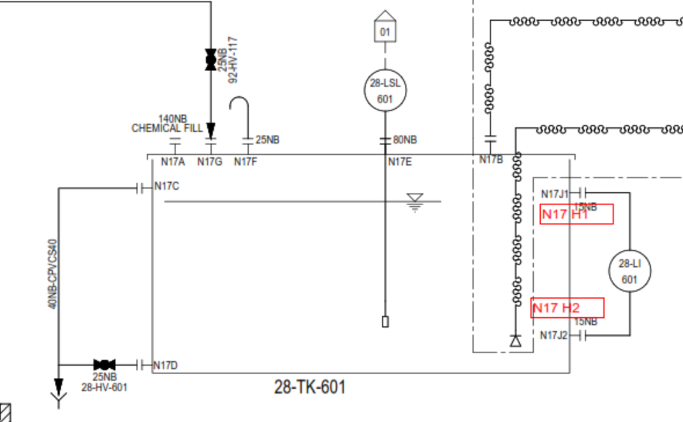
 |  |  |  |  |  |  |  | CAGE LADDER NOT REQUIRED

0.3 | FB,m

0.55 | LD,m

0.1 | DH,m

 |  |  | DIA,m | 0.5

NOZZLE SCHEDULE

NOZZLE SCHEDULE | REF. | NOZZLE SIZE | UNITS | Projection (mm) | Remarks
INLET -CHEMICAL | N17A | VENDOR TO CONFIRM |  |  | on Top of Tank
OUTLET | N17B1/2 | 15 | NB | 150 | on Top of Tank
OVERFLOW | N17C | 40 | NB | 150 | on SHELL of tank
DRAIN | N17D | 25 | NB | 150 | on SHELL of tank
LEVEL SWITCH | N17E | 80 | NB | 150 | on Top of Tank
VENT | N17F | 25 | NB | 150 | on Top of Tank (180deg goose neck bend)
LEVEL INDICATOR | N17H1-H2 | 15 | NB | 150 | on Top of Tank
SERVICE WATER INLET | N17G | 25 | NB | 150 | on Top of Tank
SPARE | N17I | 15 | NB | 150 | on Top of Tank

TANK DESIGN DATA

TYPE |  |  | Vertical Cylindrical Tank with Flat Bottom & top bolted
TANK QUANTITY |  |  | 1 No.
FLUID HANDLED |  |  | ANTISCALANT
SPECIFIC GRAVITY |  |  | 1.169
VISCOSITY |  |  | 14 cP @ 20 deg C
CAPACITY,M3 |  |  | 0.1
DESIGN TEMP. (DEG.C) |  |  | 60
DESIGN PRESSURE |  |  | ATMOSPHERIC
DESIGN STD. |  |  | BS:4994 -1987
MATERIAL OF CONSTRUCTION |  |  | PP
METHOD OF MANUFACTURING |  |  | HAND - LAY UP
FRV/FRP COUPONS TO BE TESTED |  |  | VENDOR TO CONFIRM
TESTING |  |  | BY WATER FILLING
BOTTOM, SHELL, TOP FRP/FRV PLATE THICKNESS |  |  | As per attached Technical Data sheet in Quotation
EMPTY /WORKING WEIGHT |  |  | 50 Kg / 219 Kg
TOLERENCE |  |  | BY SUPPLIER
AGITATOR MOUNITNG |  |  | NA

NOTES;

1. ALL DIMENSIONS ARE IN mm UNLESS OTHERWISE SPECIFIED
2. ALL NOZZLE FLANGE DRILLING CONFIRMS TO ANSI B16.5 # 150 RATING.
3. ALL BOLT IN NOZZLES FLANGES TO BE STRADDLE CENTRE LINE OF TANK
4. CUT EDGE AND BOLT TO BE COVERED WITH RESIN
5. ALL NOZZLES TO BE COVERED WITH PLYWOOD BLIND DURING TRANSIT
6. CHEMICAL FEED OPENING TO BE CONSIDERED WITH HINGES AND HANDLE.
7. 3mm THK. CORROSION LINER CONSIDERING FRV (VINYLESTER RESIN) AND BALANCE STRUCTURAL LAYER WITH FRP I(SO PTHALIC RESIN)
8. METHOD OF MANUFACTURING: FILAMENT WINDING
9. INSIDE SURFACE TO BE CONSIDERED WITH SMOOTH GLOSSY FINISH WITH GEL COAT AND EXTERNAL SURFACE WITH FINE MAT.
10. ALL NOZLES TO BE SUITABLY REINFORCED.
11. ALL CORNER IN THE TANK TO BE ROUNDED TO THE EXTENT POSSIBLE.
12. FULL FACE GASKET (5 thk) MUST BE USED IN ALL FIBREGLASS FLANGE JOINTS
13. ALL NOZZLE LOCATIONS PLAN AND ELEVATIONS ARE INDICATIVE AND SAME TO BE FINALIZED DURING DETAIL ENGINEERING
14. ANCHOR BOLTS AS PER A193 Gr B8M/A194Gr B8M TO BE SUPPLIED BY TANK VENDOR
15. NAME PLATE TO BE SUPPLIED WITH SS MATERAIL AS PER M/s. SUEZ DRAWING.
16. EXTERNAL SURFACE COLOR: CAPRI BLUE RAL 5019
18. A193 Gr B8M/A194Gr B8M FASTENERS TO BE CONSIDERED FOR TANK TOP COVER AND SAME TO BE PROVIDED BY TANK VENDOR
19. GLASS RESIN RATIO SHALL BE 40% (+/- 10%) / LAP SHEAR 7 N / mm2 / TENSILE STRENGTH 85N / mm2 (MIN)
21. NECESSARY LIFTING LUGS TO BE PROVIDED BY TANK MANUFACTURER
22. LAY UP SEQUENCE SHALL BE A SPER BELOW:
23. ALL 15 NB NOZZLES TO BE PROVIDED WITH PROPER GUSSET PLATE/STIFF SUPPORT.
24. Agitator mounting channel shall be FRP moulded channel (Not steel channel lined with FRP)

TOLERRANCE:-
1. DIAMETER : (DETERMOINED BY MEASURING CIRCUMFERENCE) +/- 0.5 %.
2. OUT OF ROUNDNESS : DIFFERENCE BETWEEN LARGEST AND SMALLEST DIA SHOULD BE MAX. 1% SPECIFIED DIA. ON SHELL.
3. ORIENTATION: =/- 0.5 DEG,
4. ALL BOLT HOLES, PITCH AND NOZZLE LOCATION +/-1mm.
5. ALL DIMENSIONS ARE +/- 5 mm UNLESS OTHERWISE SPECIFIED.

Rev. | Date |  |  | Description |  |  |  | PRPD | CHKD | APPD
A | 11.11.2021 |  |  | ISSUED FOR RFQ |  |  |  | AMIT | UDAY | UDAY

7.SBS
Water Technologies & Solutions |  |  | SBS Dosing tank-RO |  |  |  | Doc. No. | 00508782-WTS-ME-T03-0354-RE-M14 |  | Sheet 7
 |  |  |  |  |  |  | Project | Wastewater Treatment Plant – ETP/STP/RO/ZLD System
 |  |  |  |  |  |  | Customer | M/s. Sandoz. Pvt. Ltd.
TITLE: |  | SBS Dosing tank-RO
TAG No. |  | 28-TK-401
TANK DIMENSION |  | DIA,M | LD,M | FB,M | DEAD HT,M | TOTAL HT, M | VOLU,M3
Quantity | 1 | 0.5 | 0.55 | 0.3 | 0.1 | 0.95 | 0.1

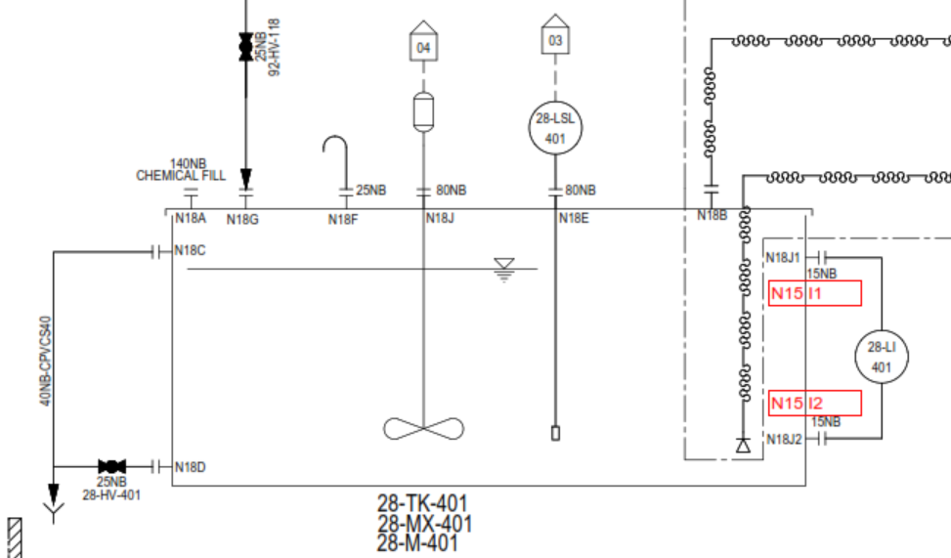

 |  |  |  |  |  |  |  | CAGE LADDER NOT REQUIRED

0.3 | FB,m

0.55 | LD,m

0.1 | DH,m

 |  |  | DIA,m | 0.5

NOZZLE SCHEDULE

NOZZLE SCHEDULE | REF. | NOZZLE SIZE | UNITS | Projection (mm) | Remarks
INLET -CHEMICAL | N18A | VENDOR TO CONFIRM |  |  | on Top of Tank
OUTLET | N18B1/2 | 15 | NB | 150 | on Top of Tank
OVERFLOW | N18C | 40 | NB | 150 | on SHELL of tank
DRAIN | N18D | 25 | NB | 150 | on SHELL of tank
LEVEL SWITCH | N18E | 80 | NB | 150 | on Top of Tank
VENT | N18F | 25 | NB | 150 | on Top of Tank (180deg goose neck bend)
LEVEL INDICATOR | N18I1-I2 | 15 | NB | 150 | on Top of Tank
SERVICE WATER INLET | N18G | 25 | NB | 150 | on Top of Tank
AGITATOR | N18H | 100 flgn Proj/ 250PCD/8 x 14 dia. |  |  | on Top of Tank
SPARE | N18J | 15 | NB | 150 | on Top of Tank

TANK DESIGN DATA

TYPE |  |  | Vertical Cylindrical Tank with Flat Bottom & top bolted
TANK QUANTITY |  |  | 1 No.
FLUID HANDLED |  |  | SMBS
SPECIFIC GRAVITY |  |  | 1.3
VISCOSITY |  |  | 1.33 cP @ 20 deg C
CAPACITY,M3 |  |  | 0.1
DESIGN TEMP. (DEG.C) |  |  | 60
DESIGN PRESSURE |  |  | ATMOSPHERIC
DESIGN STD. |  |  | VENDOR TO CONFIRM
MATERIAL OF CONSTRUCTION |  |  | PP
METHOD OF MANUFACTURING |  |  | HAND - LAY UP
FRV/FRP COUPONS TO BE TESTED |  |  | VENDOR TO CONFIRM
TESTING |  |  | BY WATER FILLING
BOTTOM, SHELL, TOP FRP/FRV PLATE THICKNESS |  |  | 75 Kg / 205 Kg
EMPTY /WORKING WEIGHT |  |  | BY SUPPLIER
TOLERENCE |  |  | BY SUPPLIER
AGITATOR MOUNITNG |  |  | TOP AND WEIGHTS 150 kg max

NOTES;

1. ALL DIMENSIONS ARE IN mm UNLESS OTHERWISE SPECIFIED
2. ALL NOZZLE FLANGE DRILLING CONFIRMS TO ANSI B16.5 # 150 RATING.
3. ALL BOLT IN NOZZLES FLANGES TO BE STRADDLE CENTRE LINE OF TANK
4. CUT EDGE AND BOLT TO BE COVERED WITH RESIN
5. ALL NOZZLES TO BE COVERED WITH PLYWOOD BLIND DURING TRANSIT
6. CHEMICAL FEED OPENING TO BE CONSIDERED WITH HINGES AND HANDLE.
7. 3mm THK. CORROSION LINER CONSIDERING FRV (VINYLESTER RESIN) AND BALANCE STRUCTURAL LAYER WITH FRP I(SO PTHALIC RESIN)
8. METHOD OF MANUFACTURING: FILAMENT WINDING
9. INSIDE SURFACE TO BE CONSIDERED WITH SMOOTH GLOSSY FINISH WITH GEL COAT AND EXTERNAL SURFACE WITH FINE MAT.
10. ALL NOZLES TO BE SUITABLY REINFORCED.
11. ALL CORNER IN THE TANK TO BE ROUNDED TO THE EXTENT POSSIBLE.
12. FULL FACE GASKET (5 thk) MUST BE USED IN ALL FIBREGLASS FLANGE JOINTS
13. ALL NOZZLE LOCATIONS PLAN AND ELEVATIONS ARE INDICATIVE AND SAME TO BE FINALIZED DURING DETAIL ENGINEERING
14. ANCHOR BOLTS AS PER A193 Gr B8M/A194Gr B8M TO BE SUPPLIED BY TANK VENDOR
15. NAME PLATE TO BE SUPPLIED WITH SS MATERAIL AS PER M/s. SUEZ DRAWING.
16. EXTERNAL SURFACE COLOR: CAPRI BLUE RAL 5019
18. A193 Gr B8M/A194Gr B8M FASTENERS TO BE CONSIDERED FOR TANK TOP COVER AND SAME TO BE PROVIDED BY TANK VENDOR
19. GLASS RESIN RATIO SHALL BE 40% (+/- 10%) / LAP SHEAR 7 N / mm2 / TENSILE STRENGTH 85N / mm2 (MIN)
21. NECESSARY LIFTING LUGS TO BE PROVIDED BY TANK MANUFACTURER
22. LAY UP SEQUENCE SHALL BE A SPER BELOW:
23. ALL 15 NB NOZZLES TO BE PROVIDED WITH PROPER GUSSET PLATE/STIFF SUPPORT.
24. Agitator mounting channel shall be FRP moulded channel (Not steel channel lined with FRP)

TOLERRANCE:-
1. DIAMETER : (DETERMOINED BY MEASURING CIRCUMFERENCE) +/- 0.5 %.
2. OUT OF ROUNDNESS : DIFFERENCE BETWEEN LARGEST AND SMALLEST DIA SHOULD BE MAX. 1% SPECIFIED DIA. ON SHELL.
3. ORIENTATION: =/- 0.5 DEG,
4. ALL BOLT HOLES, PITCH AND NOZZLE LOCATION +/-1mm.
5. ALL DIMENSIONS ARE +/- 5 mm UNLESS OTHERWISE SPECIFIED.

Rev. | Date |  |  | Description |  |  |  | PRPD | CHKD | APPD
A | 11.11.2021 |  |  | ISSUED FOR RFQ |  |  |  | AMIT | UDAY | UDAY

8.SWTS Ph
Water Technologies & Solutions |  |  | SWTS Ph Correction Dosing tank |  |  |  | Doc. No. | 00508782-WTS-ME-T03-0354-RE-M14 |  | Sheet 8
 |  |  |  |  |  |  | Project | Wastewater Treatment Plant – ETP/STP/RO/ZLD System
 |  |  |  |  |  |  | Customer | M/s. Sandoz. Pvt. Ltd.
TITLE: |  | SWTS Ph Correction Dosing tank
TAG No. |  | 28-TK-901
TANK DIMENSION |  | DIA,M | LD,M | FB,M | DEAD HT,M | TOTAL HT, M | VOLU,M3
Quantity | 1 | 0.5 | 0.55 | 0.3 | 0.1 | 0.95 | 0.1

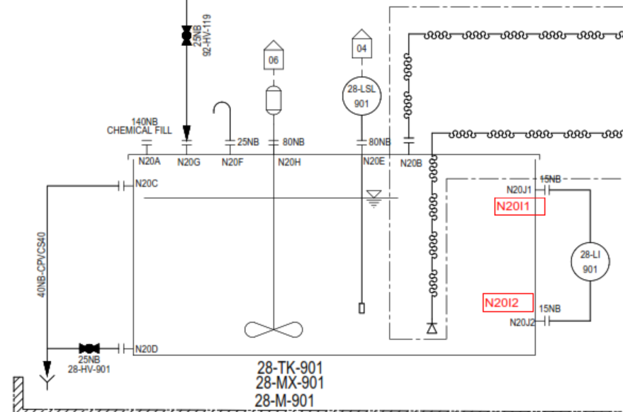

 |  |  |  |  |  |  |  | CAGE LADDER NOT REQUIRED

0.3 | FB,m

0.55 | LD,m

0.1 | DH,m

 |  |  | DIA,m | 0.5

NOZZLE SCHEDULE

NOZZLE SCHEDULE | REF. | NOZZLE SIZE | UNITS | Projection (mm) | Remarks
INLET -CHEMICAL | N20A | VENDOR TO CONFIRM |  |  | on Top of Tank
OUTLET | N20B1/2 | 15 | NB | 150 | on Top of Tank
OVERFLOW | N20C | 40 | NB | 150 | on SHELL of tank
DRAIN | N20D | 25 | NB | 150 | on SHELL of tank
LEVEL SWITCH | N20E | 80 | NB | 150 | on Top of Tank
VENT | N20F | 25 | NB | 150 | on Top of Tank (180deg goose neck bend)
LEVEL INDICATOR | N20I1-I2 | 15 | NB | 150 | on Top of Tank
SERVICE WATER INLET | N20G | 25 | NB | 150 | on Top of Tank
AGITATOR | N20H | 100 flgn Proj/ 250PCD/8 x 14 dia. |  |  | on Top of Tank
SPARE | N20J | 15 | NB | 150 | on Top of Tank

TANK DESIGN DATA

TYPE |  |  | Vertical Cylindrical Tank with Flat Bottom & top bolted
TANK QUANTITY |  |  | 1 No.
FLUID HANDLED |  |  | SWTS Ph Correction chemical
SPECIFIC GRAVITY |  |  | 1.53
VISCOSITY |  |  | 124 cps
CAPACITY,M3 |  |  | 0.1
DESIGN TEMP. (DEG.C) |  |  | 60
DESIGN PRESSURE |  |  | ATMOSPHERIC
DESIGN STD. |  |  | VENDOR TO CONFIRM
MATERIAL OF CONSTRUCTION |  |  | PP
METHOD OF MANUFACTURING |  |  | HAND - LAY UP
FRV/FRP COUPONS TO BE TESTED |  |  | VENDOR TO CONFIRM
TESTING |  |  | BY WATER FILLING
BOTTOM, SHELL, TOP FRP/FRV PLATE THICKNESS |  |  | As per attached Technical Data sheet in Quotation
EMPTY /WORKING WEIGHT |  |  | 75 Kg / 228 Kg
TOLERENCE |  |  | BY SUPPLIER
AGITATOR MOUNITNG |  |  | TOP AND WEIGHTS 150 kg max

NOTES;

1. ALL DIMENSIONS ARE IN mm UNLESS OTHERWISE SPECIFIED
2. ALL NOZZLE FLANGE DRILLING CONFIRMS TO ANSI B16.5 # 150 RATING.
3. ALL BOLT IN NOZZLES FLANGES TO BE STRADDLE CENTRE LINE OF TANK
4. CUT EDGE AND BOLT TO BE COVERED WITH RESIN
5. ALL NOZZLES TO BE COVERED WITH PLYWOOD BLIND DURING TRANSIT
6. CHEMICAL FEED OPENING TO BE CONSIDERED WITH HINGES AND HANDLE.
7. 3mm THK. CORROSION LINER CONSIDERING FRV (VINYLESTER RESIN) AND BALANCE STRUCTURAL LAYER WITH FRP I(SO PTHALIC RESIN)
8. METHOD OF MANUFACTURING: FILAMENT WINDING
9. INSIDE SURFACE TO BE CONSIDERED WITH SMOOTH GLOSSY FINISH WITH GEL COAT AND EXTERNAL SURFACE WITH FINE MAT.
10. ALL NOZLES TO BE SUITABLY REINFORCED.
11. ALL CORNER IN THE TANK TO BE ROUNDED TO THE EXTENT POSSIBLE.
12. FULL FACE GASKET (5 thk) MUST BE USED IN ALL FIBREGLASS FLANGE JOINTS
13. ALL NOZZLE LOCATIONS PLAN AND ELEVATIONS ARE INDICATIVE AND SAME TO BE FINALIZED DURING DETAIL ENGINEERING
14. ANCHOR BOLTS AS PER A193 Gr B8M/A194Gr B8M TO BE SUPPLIED BY TANK VENDOR
15. NAME PLATE TO BE SUPPLIED WITH SS MATERAIL AS PER M/s. SUEZ DRAWING.
16. EXTERNAL SURFACE COLOR: CAPRI BLUE RAL 5019
18. A193 Gr B8M/A194Gr B8M FASTENERS TO BE CONSIDERED FOR TANK TOP COVER AND SAME TO BE PROVIDED BY TANK VENDOR
19. GLASS RESIN RATIO SHALL BE 40% (+/- 10%) / LAP SHEAR 7 N / mm2 / TENSILE STRENGTH 85N / mm2 (MIN)
21. NECESSARY LIFTING LUGS TO BE PROVIDED BY TANK MANUFACTURER
22. LAY UP SEQUENCE SHALL BE A SPER BELOW:
23. ALL 15 NB NOZZLES TO BE PROVIDED WITH PROPER GUSSET PLATE/STIFF SUPPORT.
24. Agitator mounting channel shall be FRP moulded channel (Not steel channel lined with FRP)

TOLERRANCE:-
1. DIAMETER : (DETERMOINED BY MEASURING CIRCUMFERENCE) +/- 0.5 %.
2. OUT OF ROUNDNESS : DIFFERENCE BETWEEN LARGEST AND SMALLEST DIA SHOULD BE MAX. 1% SPECIFIED DIA. ON SHELL.
3. ORIENTATION: =/- 0.5 DEG,
4. ALL BOLT HOLES, PITCH AND NOZZLE LOCATION +/-1mm.
5. ALL DIMENSIONS ARE +/- 5 mm UNLESS OTHERWISE SPECIFIED.

Rev. | Date |  |  | Description |  |  |  | PRPD | CHKD | APPD
A | 11.11.2021 |  |  | ISSUED FOR RFQ |  |  |  | AMIT | UDAY | UDAY

9.ANTISCALANT-ZLD
Water Technologies & Solutions |  |  | Antiscalant Dosing tank-CRYSTALLIZER |  |  |  | Doc. No. | 00508782-WTS-ME-T03-0354-RE-M14 |  | Sheet 9
 |  |  |  |  |  |  | Project | Wastewater Treatment Plant – ETP/STP/RO/ZLD System
 |  |  |  |  |  |  | Customer | M/s. Sandoz. Pvt. Ltd.
TITLE: |  | Antiscalant Dosing tank-CRYSTALLIZER
TAG No. |  | 47-TK-301
TANK DIMENSION |  | DIA,M | LD,M | FB,M | DEAD HT,M | TOTAL HT, M | VOLU,M3
Quantity | 1 | 0.5 | 0.55 | 0.3 | 0.1 | 0.95 | 0.1
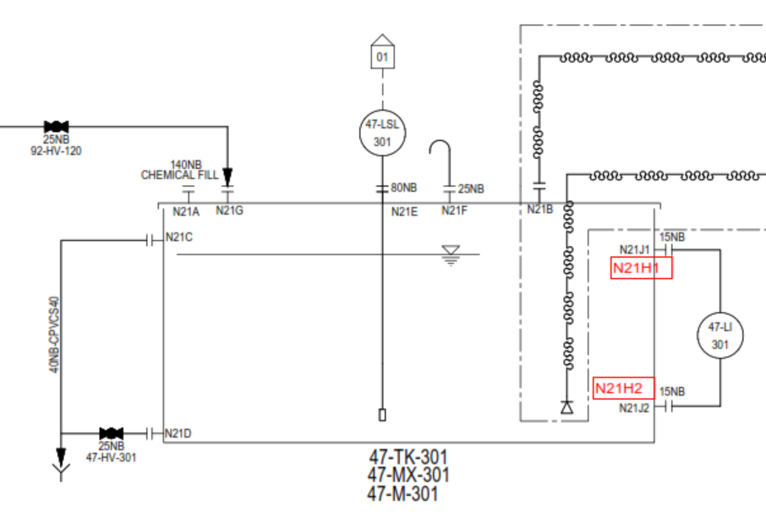

 |  |  |  |  |  |  |  | CAGE LADDER NOT REQUIRED

0.3 | FB,m

0.55 | LD,m

0.1 | DH,m

 |  |  | DIA,m | 0.5

NOZZLE SCHEDULE

NOZZLE SCHEDULE | REF. | NOZZLE SIZE | UNITS | Projection (mm) | Remarks
INLET -CHEMICAL | N21A | VENDOR TO CONFIRM |  |  | on Top of Tank
OUTLET | N21B1/2 | 15 | NB | 150 | on Top of Tank
OVERFLOW | N21C | 40 | NB | 150 | on SHELL of tank
DRAIN | N21D | 25 | NB | 150 | on SHELL of tank
LEVEL SWITCH | N21E | 80 | NB | 150 | on Top of Tank
VENT | N21F | 25 | NB | 150 | on Top of Tank (180deg goose neck bend)
LEVEL INDICATOR | N21H1-H2 | 15 | NB | 150 | on Top of Tank
SERVICE WATER INLET | N21G | 25 | NB | 150 | on Top of Tank
SPARE | N21I | 15 | NB | 150 | on Top of Tank

TANK DESIGN DATA

TYPE |  |  | Vertical Cylindrical Tank with Flat Bottom & top bolted
TANK QUANTITY |  |  | 1 No.
FLUID HANDLED |  |  | ANTISCALANT
SPECIFIC GRAVITY |  |  | 1.169
VISCOSITY |  |  | 14 cP @ 20 deg C
CAPACITY,M3 |  |  | 0.1
DESIGN TEMP. (DEG.C) |  |  | 60
DESIGN PRESSURE |  |  | ATMOSPHERIC
DESIGN STD. |  |  | BS:4994 -1987
MATERIAL OF CONSTRUCTION |  |  | PP
METHOD OF MANUFACTURING |  |  | HAND - LAY UP
FRV/FRP COUPONS TO BE TESTED |  |  | VENDOR TO CONFIRM
TESTING |  |  | BY WATER FILLING
BOTTOM, SHELL, TOP FRP/FRV PLATE THICKNESS |  |  | As per attached Technical Data sheet in Quotation
EMPTY /WORKING WEIGHT |  |  | 50 Kg / 219 Kg
TOLERENCE |  |  | BY SUPPLIER
AGITATOR MOUNITNG |  |  | NA

NOTES;

1. ALL DIMENSIONS ARE IN mm UNLESS OTHERWISE SPECIFIED
2. ALL NOZZLE FLANGE DRILLING CONFIRMS TO ANSI B16.5 # 150 RATING.
3. ALL BOLT IN NOZZLES FLANGES TO BE STRADDLE CENTRE LINE OF TANK
4. CUT EDGE AND BOLT TO BE COVERED WITH RESIN
5. ALL NOZZLES TO BE COVERED WITH PLYWOOD BLIND DURING TRANSIT
6. CHEMICAL FEED OPENING TO BE CONSIDERED WITH HINGES AND HANDLE.
7. 3mm THK. CORROSION LINER CONSIDERING FRV (VINYLESTER RESIN) AND BALANCE STRUCTURAL LAYER WITH FRP I(SO PTHALIC RESIN)
8. METHOD OF MANUFACTURING: FILAMENT WINDING
9. INSIDE SURFACE TO BE CONSIDERED WITH SMOOTH GLOSSY FINISH WITH GEL COAT AND EXTERNAL SURFACE WITH FINE MAT.
10. ALL NOZLES TO BE SUITABLY REINFORCED.
11. ALL CORNER IN THE TANK TO BE ROUNDED TO THE EXTENT POSSIBLE.
12. FULL FACE GASKET (5 thk) MUST BE USED IN ALL FIBREGLASS FLANGE JOINTS
13. ALL NOZZLE LOCATIONS PLAN AND ELEVATIONS ARE INDICATIVE AND SAME TO BE FINALIZED DURING DETAIL ENGINEERING
14. ANCHOR BOLTS AS PER A193 Gr B8M/A194Gr B8M TO BE SUPPLIED BY TANK VENDOR
15. NAME PLATE TO BE SUPPLIED WITH SS MATERAIL AS PER M/s. SUEZ DRAWING.
16. EXTERNAL SURFACE COLOR: CAPRI BLUE RAL 5019
18. A193 Gr B8M/A194Gr B8M FASTENERS TO BE CONSIDERED FOR TANK TOP COVER AND SAME TO BE PROVIDED BY TANK VENDOR
19. GLASS RESIN RATIO SHALL BE 40% (+/- 10%) / LAP SHEAR 7 N / mm2 / TENSILE STRENGTH 85N / mm2 (MIN)
21. NECESSARY LIFTING LUGS TO BE PROVIDED BY TANK MANUFACTURER
22. LAY UP SEQUENCE SHALL BE A SPER BELOW:
23. ALL 15 NB NOZZLES TO BE PROVIDED WITH PROPER GUSSET PLATE/STIFF SUPPORT.
24. Agitator mounting channel shall be FRP moulded channel (Not steel channel lined with FRP)

TOLERRANCE:-
1. DIAMETER : (DETERMOINED BY MEASURING CIRCUMFERENCE) +/- 0.5 %.
2. OUT OF ROUNDNESS : DIFFERENCE BETWEEN LARGEST AND SMALLEST DIA SHOULD BE MAX. 1% SPECIFIED DIA. ON SHELL.
3. ORIENTATION: =/- 0.5 DEG,
4. ALL BOLT HOLES, PITCH AND NOZZLE LOCATION +/-1mm.
5. ALL DIMENSIONS ARE +/- 5 mm UNLESS OTHERWISE SPECIFIED.

Rev. | Date |  |  | Description |  |  |  | PRPD | CHKD | APPD
A | 11.11.2021 |  |  | ISSUED FOR RFQ |  |  |  | AMIT | UDAY | UDAY

10.CAUSTIC
Water Technologies & Solutions |  |  | Caustic Dosing tank-Crsytallizer |  |  |  | Doc. No. | 00508782-WTS-ME-T03-0354-RE-M14 |  | Sheet 10
 |  |  |  |  |  |  | Project | Wastewater Treatment Plant – ETP/STP/RO/ZLD System
 |  |  |  |  |  |  | Customer | M/s. Sandoz. Pvt. Ltd.
TITLE: |  | Caustic Dosing tank-Crsytallizer
TAG No. |  | 45-TK-201
TANK DIMENSION |  | DIA,M | LD,M | FB,M | DEAD HT,M | TOTAL HT, M | VOLU,M3
Quantity | 1 | 0.5 | 0.55 | 0.3 | 0.1 | 0.95 | 0.1

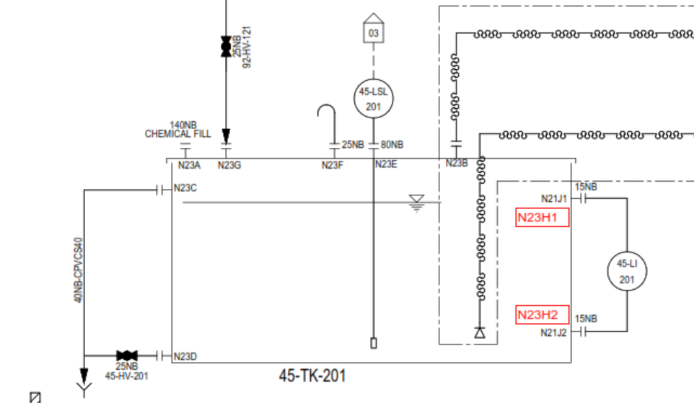

 |  |  |  |  |  |  |  | CAGE LADDER NOT REQUIRED

0.3 | FB,m

0.55 | LD,m

0.1 | DH,m

 |  |  | DIA,m | 0.5

NOZZLE SCHEDULE

NOZZLE SCHEDULE | REF. | NOZZLE SIZE | UNITS | Projection (mm) | Remarks
INLET -CHEMICAL | N23A | VENDOR TO CONFIRM |  |  | on Top of Tank
OUTLET | N23B1/2 | 15 | NB | 150 | on Top of Tank
OVERFLOW | N23C | 40 | NB | 150 | on SHELL of tank
DRAIN | N23D | 25 | NB | 150 | on SHELL of tank
LEVEL SWITCH | N23E | 80 | NB | 150 | on Top of Tank
VENT | N23F | 25 | NB | 150 | on Top of Tank (180deg goose neck bend)
LEVEL INDICATOR | N23H1-H2 | 15 | NB | 150 | on Top of Tank
SERVICE WATER INLET | N23G | 25 | NB | 150 | on Top of Tank
SPARE | N23I | 15 | NB | 150 | on Top of Tank

TANK DESIGN DATA

TYPE |  |  | Vertical Cylindrical Tank with Flat Bottom & top bolted
TANK QUANTITY |  |  | 1 No.
FLUID HANDLED |  |  | CAUSTIC
SPECIFIC GRAVITY |  |  | 1.52
VISCOSITY |  |  | 120 cP @ 20 deg C
CAPACITY,M3 |  |  | 0.1
DESIGN TEMP. (DEG.C) |  |  | 60
DESIGN PRESSURE |  |  | ATMOSPHERIC
DESIGN STD. |  |  | BS:4994 -1987
MATERIAL OF CONSTRUCTION |  |  | PP
METHOD OF MANUFACTURING |  |  | HAND - LAY UP
FRV/FRP COUPONS TO BE TESTED |  |  | VENDOR TO CONFIRM
TESTING |  |  | BY WATER FILLING
BOTTOM, SHELL, TOP FRP/FRV PLATE THICKNESS |  |  | As per attached Technical Data sheet in Quotation
EMPTY /WORKING WEIGHT |  |  | 50 Kg / 202 Kg
TOLERENCE |  |  | BY SUPPLIER
AGITATOR MOUNITNG |  |  | TOP AND WEIGHTS 150 kg max

NOTES;

1. ALL DIMENSIONS ARE IN mm UNLESS OTHERWISE SPECIFIED
2. ALL NOZZLE FLANGE DRILLING CONFIRMS TO ANSI B16.5 # 150 RATING.
3. ALL BOLT IN NOZZLES FLANGES TO BE STRADDLE CENTRE LINE OF TANK
4. CUT EDGE AND BOLT TO BE COVERED WITH RESIN
5. ALL NOZZLES TO BE COVERED WITH PLYWOOD BLIND DURING TRANSIT
6. CHEMICAL FEED OPENING TO BE CONSIDERED WITH HINGES AND HANDLE.
7. 3mm THK. CORROSION LINER CONSIDERING FRV (VINYLESTER RESIN) AND BALANCE STRUCTURAL LAYER WITH FRP I(SO PTHALIC RESIN)
8. METHOD OF MANUFACTURING: FILAMENT WINDING
9. INSIDE SURFACE TO BE CONSIDERED WITH SMOOTH GLOSSY FINISH WITH GEL COAT AND EXTERNAL SURFACE WITH FINE MAT.
10. ALL NOZLES TO BE SUITABLY REINFORCED.
11. ALL CORNER IN THE TANK TO BE ROUNDED TO THE EXTENT POSSIBLE.
12. FULL FACE GASKET (5 thk) MUST BE USED IN ALL FIBREGLASS FLANGE JOINTS
13. ALL NOZZLE LOCATIONS PLAN AND ELEVATIONS ARE INDICATIVE AND SAME TO BE FINALIZED DURING DETAIL ENGINEERING
14. ANCHOR BOLTS AS PER A193 Gr B8M/A194Gr B8M TO BE SUPPLIED BY TANK VENDOR
15. NAME PLATE TO BE SUPPLIED WITH SS MATERAIL AS PER M/s. SUEZ DRAWING.
16. EXTERNAL SURFACE COLOR: CAPRI BLUE RAL 5019
18. A193 Gr B8M/A194Gr B8M FASTENERS TO BE CONSIDERED FOR TANK TOP COVER AND SAME TO BE PROVIDED BY TANK VENDOR
19. GLASS RESIN RATIO SHALL BE 40% (+/- 10%) / LAP SHEAR 7 N / mm2 / TENSILE STRENGTH 85N / mm2 (MIN)
21. NECESSARY LIFTING LUGS TO BE PROVIDED BY TANK MANUFACTURER
22. LAY UP SEQUENCE SHALL BE A SPER BELOW:
23. ALL 15 NB NOZZLES TO BE PROVIDED WITH PROPER GUSSET PLATE/STIFF SUPPORT.
24. Agitator mounting channel shall be FRP moulded channel (Not steel channel lined with FRP)

TOLERRANCE:-
1. DIAMETER : (DETERMOINED BY MEASURING CIRCUMFERENCE) +/- 0.5 %.
2. OUT OF ROUNDNESS : DIFFERENCE BETWEEN LARGEST AND SMALLEST DIA SHOULD BE MAX. 1% SPECIFIED DIA. ON SHELL.
3. ORIENTATION: =/- 0.5 DEG,
4. ALL BOLT HOLES, PITCH AND NOZZLE LOCATION +/-1mm.
5. ALL DIMENSIONS ARE +/- 5 mm UNLESS OTHERWISE SPECIFIED.

Rev. | Date |  |  | Description |  |  |  | PRPD | CHKD | APPD
A | 11.11.2021 |  |  | ISSUED FOR RFQ |  |  |  | AMIT | UDAY | UDAY

11.POLY
Water Technologies & Solutions |  |  | Polymer Dosing tank |  |  |  | Doc. No. | 00508782-WTS-ME-T03-0354-RE-M14 |  | Sheet 11
 |  |  |  |  |  |  | Project | Wastewater Treatment Plant – ETP/STP/RO/ZLD System
 |  |  |  |  |  |  | Customer | M/s. Sandoz. Pvt. Ltd.
TITLE: |  | Polymer Dosing tank
TAG No. |  | 28-TK-801
TANK DIMENSION |  | DIA,M | LD,M | FB,M | DEAD HT,M | TOTAL HT, M | VOLU,M3
Quantity | 1 | 0.5 | 0.8 | 0.3 | 0.1 | 1.20 | 0.2

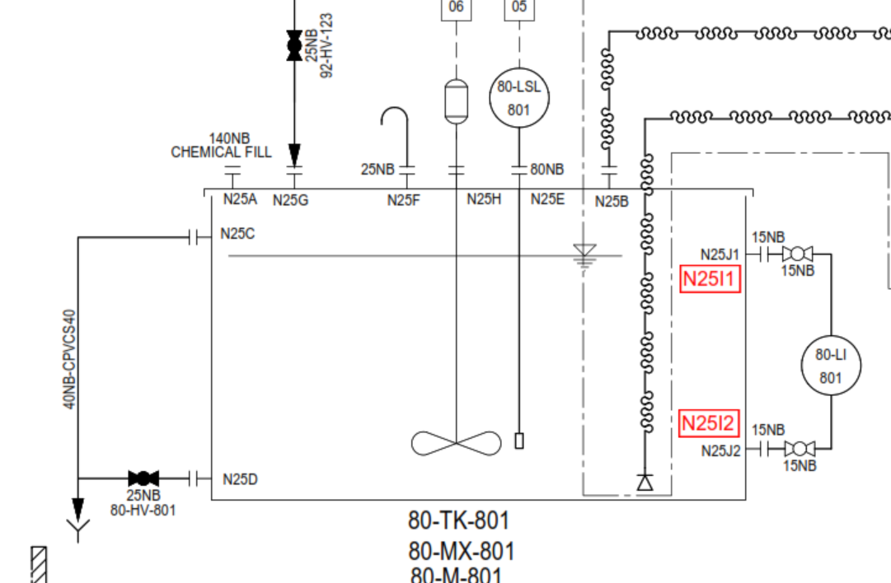

 |  |  |  |  |  |  |  | CAGE LADDER NOT REQUIRED

0.3 | FB,m

0.8 | LD,m

0.1 | DH,m

 |  |  | DIA,m | 0.5

NOZZLE SCHEDULE

NOZZLE SCHEDULE | REF. | NOZZLE SIZE | UNITS | Projection (mm) | Remarks
INLET -CHEMICAL | N25A | VENDOR TO CONFIRM |  |  | on Top of Tank
OUTLET | N25B1/2 | 15 | NB | 150 | on Top of Tank
OVERFLOW | N25C | 40 | NB | 150 | on SHELL of tank
DRAIN | N25D | 25 | NB | 150 | on SHELL of tank
LEVEL SWITCH | N25E | 80 | NB | 150 | on Top of Tank
VENT | N25F | 25 | NB | 150 | on Top of Tank (180deg goose neck bend)
LEVEL INDICATOR | N25I1-I2 | 15 | NB | 150 | on Top of Tank
SERVICE WATER INLET | N25G | 25 | NB | 150 | on Top of Tank
AGITATOR | N25H | 100 flgn Proj/ 250PCD/8 x 14 dia. |  |  | on Top of Tank
SPARE | N25I | 15 | NB | 150 | on Top of Tank

TANK DESIGN DATA

TYPE |  |  | Vertical Cylindrical Tank with Flat Bottom & top bolted
TANK QUANTITY |  |  | 1 No.
FLUID HANDLED |  |  | CAUSTIC
SPECIFIC GRAVITY |  |  | 1.1
VISCOSITY |  |  | 200-400 @ 0.1 %
CAPACITY,M3 |  |  | 0.2
DESIGN TEMP. (DEG.C) |  |  | 60
DESIGN PRESSURE |  |  | ATMOSPHERIC
DESIGN STD. |  |  | BS:4994 -1987
MATERIAL OF CONSTRUCTION |  |  | PP
METHOD OF MANUFACTURING |  |  | HAND - LAY UP
FRV/FRP COUPONS TO BE TESTED |  |  | VENDOR TO CONFIRM
TESTING |  |  | BY WATER FILLING
BOTTOM, SHELL, TOP FRP/FRV PLATE THICKNESS |  |  | As per attached Technical Data sheet in Quotation
EMPTY /WORKING WEIGHT |  |  | 75 Kg / 295 Kg
TOLERENCE |  |  | BY SUPPLIER
AGITATOR MOUNITNG |  |  | TOP AND WEIGHTS 150 kg max

NOTES;

1. ALL DIMENSIONS ARE IN mm UNLESS OTHERWISE SPECIFIED
2. ALL NOZZLE FLANGE DRILLING CONFIRMS TO ANSI B16.5 # 150 RATING.
3. ALL BOLT IN NOZZLES FLANGES TO BE STRADDLE CENTRE LINE OF TANK
4. CUT EDGE AND BOLT TO BE COVERED WITH RESIN
5. ALL NOZZLES TO BE COVERED WITH PLYWOOD BLIND DURING TRANSIT
6. CHEMICAL FEED OPENING TO BE CONSIDERED WITH HINGES AND HANDLE.
7. 3mm THK. CORROSION LINER CONSIDERING FRV (VINYLESTER RESIN) AND BALANCE STRUCTURAL LAYER WITH FRP I(SO PTHALIC RESIN)
8. METHOD OF MANUFACTURING: FILAMENT WINDING
9. INSIDE SURFACE TO BE CONSIDERED WITH SMOOTH GLOSSY FINISH WITH GEL COAT AND EXTERNAL SURFACE WITH FINE MAT.
10. ALL NOZLES TO BE SUITABLY REINFORCED.
11. ALL CORNER IN THE TANK TO BE ROUNDED TO THE EXTENT POSSIBLE.
12. FULL FACE GASKET (5 thk) MUST BE USED IN ALL FIBREGLASS FLANGE JOINTS
13. ALL NOZZLE LOCATIONS PLAN AND ELEVATIONS ARE INDICATIVE AND SAME TO BE FINALIZED DURING DETAIL ENGINEERING
14. ANCHOR BOLTS AS PER A193 Gr B8M/A194Gr B8M TO BE SUPPLIED BY TANK VENDOR
15. NAME PLATE TO BE SUPPLIED WITH SS MATERAIL AS PER M/s. SUEZ DRAWING.
16. EXTERNAL SURFACE COLOR: CAPRI BLUE RAL 5019
18. A193 Gr B8M/A194Gr B8M FASTENERS TO BE CONSIDERED FOR TANK TOP COVER AND SAME TO BE PROVIDED BY TANK VENDOR
19. GLASS RESIN RATIO SHALL BE 40% (+/- 10%) / LAP SHEAR 7 N / mm2 / TENSILE STRENGTH 85N / mm2 (MIN)
21. NECESSARY LIFTING LUGS TO BE PROVIDED BY TANK MANUFACTURER
22. LAY UP SEQUENCE SHALL BE A SPER BELOW:
23. ALL 15 NB NOZZLES TO BE PROVIDED WITH PROPER GUSSET PLATE/STIFF SUPPORT.
24. Agitator mounting channel shall be FRP moulded channel (Not steel channel lined with FRP)

TOLERRANCE:-
1. DIAMETER : (DETERMOINED BY MEASURING CIRCUMFERENCE) +/- 0.5 %.
2. OUT OF ROUNDNESS : DIFFERENCE BETWEEN LARGEST AND SMALLEST DIA SHOULD BE MAX. 1% SPECIFIED DIA. ON SHELL.
3. ORIENTATION: =/- 0.5 DEG,
4. ALL BOLT HOLES, PITCH AND NOZZLE LOCATION +/-1mm.
5. ALL DIMENSIONS ARE +/- 5 mm UNLESS OTHERWISE SPECIFIED.

Rev. | Date |  |  | Description |  |  |  | PRPD | CHKD | APPD
A | 11.11.2021 |  |  | ISSUED FOR RFQ |  |  |  | AMIT | UDAY | UDAY

12.NaCl
Water Technologies & Solutions |  |  | NaCL dosing tank |  |  |  | Doc. No. | 00508782-WTS-ME-T03-0354-RE-M14 |  | Sheet 12
 |  |  |  |  |  |  | Project | Wastewater Treatment Plant – ETP/STP/RO/ZLD System
 |  |  |  |  |  |  | Customer | M/s. Sandoz. Pvt. Ltd.
TITLE: |  | NaCL dosing tank
TAG No. |  | 47-TK-901
TANK DIMENSION |  | DIA,M | LD,M | FB,M | DEAD HT,M | TOTAL HT, M | VOLU,M3
Quantity | 1 | 2 | 2.6 | 0.3 | 0.1 | 3.00 | 8

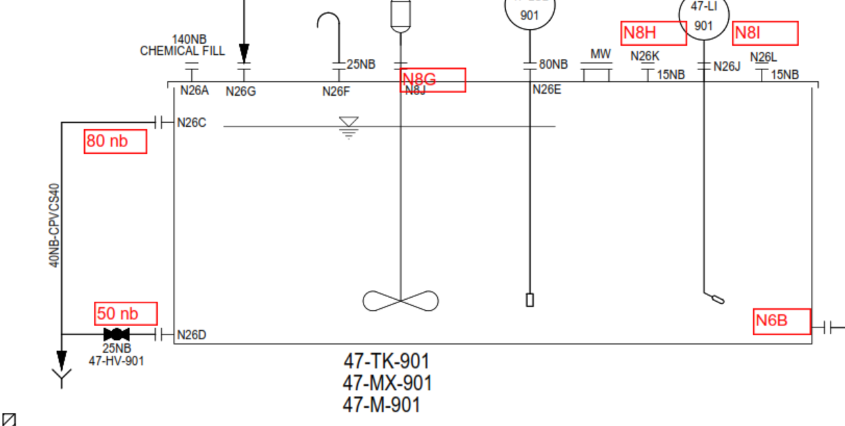

 |  |  |  |  |  |  |  | CAGE LADDER NOT REQUIRED

0.3 | FB,m

2.6 | LD,m

0.1 | DH,m

 |  |  | DIA,m | 2

NOZZLE SCHEDULE

NOZZLE SCHEDULE | REF. | NOZZLE SIZE | UNITS | Projection (mm) | Remarks
INLET -CHEMICAL | N26A | VENDOR TO CONFIRM |  |  | on Top of Tank
OUTLET | N26B | 15 | NB | 150 | on Top of Tank
OVERFLOW | N26C | 80 | NB | 150 | on SHELL of tank
DRAIN | N26D | 50 | NB | 150 | on SHELL of tank
LEVEL TRANSMITTER | N26E | 80 | NB | 150 | on Top of Tank
VENT | N26F | 25 | NB | 150 | on Top of Tank (180deg goose neck bend)
LEVEL INDICATOR | N26H/I/J | 15 | NB | 150 | on Top of Tank
SERVICE WATER INLET | N26G | 50 | NB | 150 | on Top of Tank
AGITATOR | N26H | 100 flgn Proj/ 250PCD/8 x 14 dia. |  |  | on Top of Tank
SPARE | N26I | 50 | NB | 150 | on Top of Tank

TANK DESIGN DATA

TYPE |  |  | Vertical Cylindrical Tank with Flat Bottom & top bolted
TANK QUANTITY |  |  | 1 No.
FLUID HANDLED |  |  | NaCl
SPECIFIC GRAVITY |  |  | 1.1
VISCOSITY |  |  | 1.39
CAPACITY,M3 |  |  | 8
DESIGN TEMP. (DEG.C) |  |  | 60
DESIGN PRESSURE |  |  | ATMOSPHERIC
DESIGN STD. |  |  | BS:4994 -1987
MATERIAL OF CONSTRUCTION |  |  | PP
METHOD OF MANUFACTURING |  |  | HAND - LAY UP
FRV/FRP COUPONS TO BE TESTED |  |  | VENDOR TO CONFIRM
TESTING |  |  | BY WATER FILLING
BOTTOM, SHELL, TOP FRP/FRV PLATE THICKNESS |  |  | As per attached Technical Data sheet in Quotation
EMPTY /WORKING WEIGHT |  |  | 650 Kg/ 9450 Kg
TOLERENCE |  |  | BY SUPPLIER
AGITATOR MOUNITNG |  |  | TOP AND WEIGHTS 150 kg max

NOTES;

1. ALL DIMENSIONS ARE IN mm UNLESS OTHERWISE SPECIFIED
2. ALL NOZZLE FLANGE DRILLING CONFIRMS TO ANSI B16.5 # 150 RATING.
3. ALL BOLT IN NOZZLES FLANGES TO BE STRADDLE CENTRE LINE OF TANK
4. CUT EDGE AND BOLT TO BE COVERED WITH RESIN
5. ALL NOZZLES TO BE COVERED WITH PLYWOOD BLIND DURING TRANSIT
6. CHEMICAL FEED OPENING TO BE CONSIDERED WITH HINGES AND HANDLE.
7. 3mm THK. CORROSION LINER CONSIDERING FRV (VINYLESTER RESIN) AND BALANCE STRUCTURAL LAYER WITH FRP I(SO PTHALIC RESIN)
8. METHOD OF MANUFACTURING: FILAMENT WINDING
9. INSIDE SURFACE TO BE CONSIDERED WITH SMOOTH GLOSSY FINISH WITH GEL COAT AND EXTERNAL SURFACE WITH FINE MAT.
10. ALL NOZLES TO BE SUITABLY REINFORCED.
11. ALL CORNER IN THE TANK TO BE ROUNDED TO THE EXTENT POSSIBLE.
12. FULL FACE GASKET (5 thk) MUST BE USED IN ALL FIBREGLASS FLANGE JOINTS
13. ALL NOZZLE LOCATIONS PLAN AND ELEVATIONS ARE INDICATIVE AND SAME TO BE FINALIZED DURING DETAIL ENGINEERING
14. ANCHOR BOLTS AS PER A193 Gr B8M/A194Gr B8M TO BE SUPPLIED BY TANK VENDOR
15. NAME PLATE TO BE SUPPLIED WITH SS MATERAIL AS PER M/s. SUEZ DRAWING.
16. EXTERNAL SURFACE COLOR: CAPRI BLUE RAL 5019
18. A193 Gr B8M/A194Gr B8M FASTENERS TO BE CONSIDERED FOR TANK TOP COVER AND SAME TO BE PROVIDED BY TANK VENDOR
19. GLASS RESIN RATIO SHALL BE 40% (+/- 10%) / LAP SHEAR 7 N / mm2 / TENSILE STRENGTH 85N / mm2 (MIN)
21. NECESSARY LIFTING LUGS TO BE PROVIDED BY TANK MANUFACTURER
22. LAY UP SEQUENCE SHALL BE A SPER BELOW:
23. ALL 15 NB NOZZLES TO BE PROVIDED WITH PROPER GUSSET PLATE/STIFF SUPPORT.
24. Agitator mounting channel shall be FRP moulded channel (Not steel channel lined with FRP)

TOLERRANCE:-
1. DIAMETER : (DETERMOINED BY MEASURING CIRCUMFERENCE) +/- 0.5 %.
2. OUT OF ROUNDNESS : DIFFERENCE BETWEEN LARGEST AND SMALLEST DIA SHOULD BE MAX. 1% SPECIFIED DIA. ON SHELL.
3. ORIENTATION: =/- 0.5 DEG,
4. ALL BOLT HOLES, PITCH AND NOZZLE LOCATION +/-1mm.
5. ALL DIMENSIONS ARE +/- 5 mm UNLESS OTHERWISE SPECIFIED.

Rev. | Date |  |  | Description |  |  |  | PRPD | CHKD | APPD
A | 11.11.2021 |  |  | ISSUED FOR RFQ |  |  |  | AMIT | UDAY | UDAY

