Sheet1
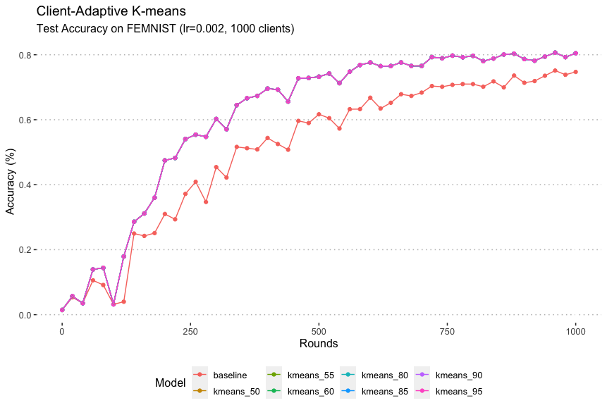
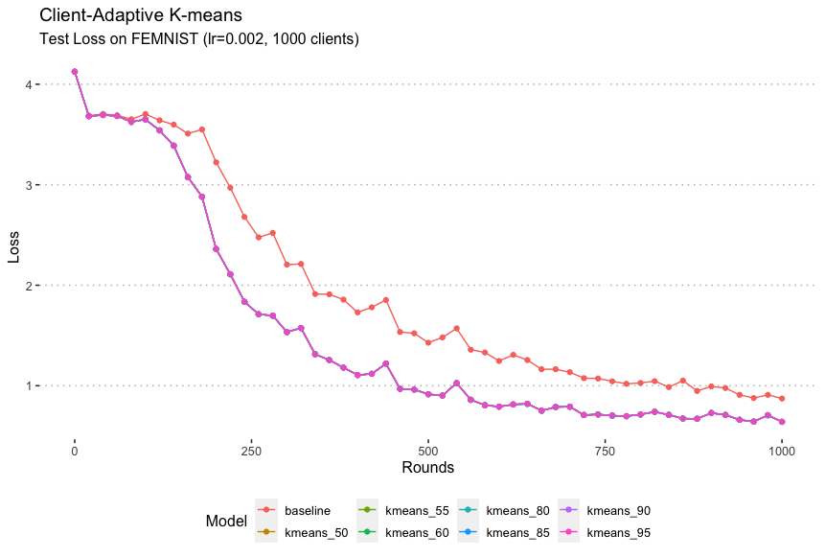
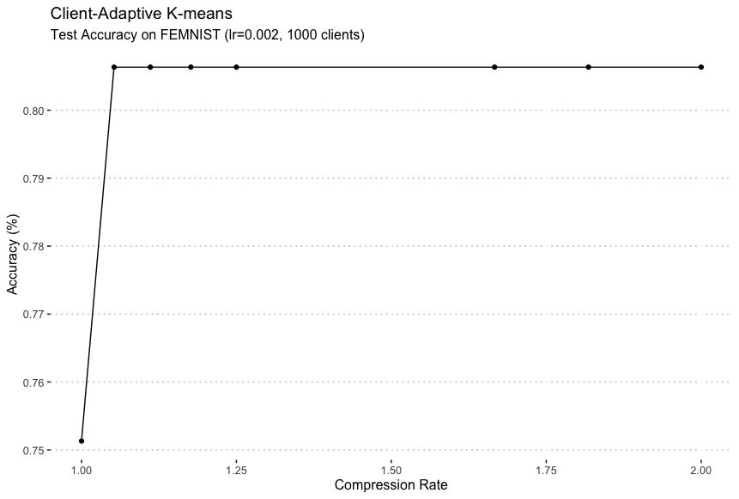
 |  |  |  | Baseline | kmeans_50 | kmeans_55 | kmeans_60 | kmeans_80 | kmeans_85 | kmeans_90 | kmeans_95
Dataset | Model | Algorithm | Test Accuracy | 0.751315 | 0.806338 | 0.806338 | 0.806338 | 0.806338 | 0.806338 | 0.806338 | 0.806338
FEMNIST | CNN | FedAvg | Compression Rate | 1 | 2 | 1.8181818182 | 1.6666666667 | 1.25 | 1.1764705882 | 1.1111111111 | 1.0526315789

