Red Tag BLANK MASTER
Attendees:
RED TAG DISPOSITION |  |  |  |  |  |  |  | Disposition Codes | Done | Ford
 |  | Red Tagged By? | Ian Ballantyne |  | Red Tagged from What Area/Machine: |  | Yard | Management Approval for Disposal of Machine/Tooling | Yes | GM
 |  |  |  |  |  |  |  | Management Review for Disposal of Machine/Tooling | No | Highlite
 |  | Date Item Tagged? | 2024-01-26 | Where is the Item Located Now |  | Northeast Corner |  | Machine/Asset #, Name Required for Disposal Review |  | Stackpole/JE
 |  |  |  |  |  |  |  | Tooling Serial#, Part # Required for Disposal Review |  | Stellantis
 |  | Item Name | Furnace |  |  | Item Advisor | David Meng | Issue WO to repair/install/remove |  | N/A
 |  |  |  |  |  |  |  | Issue WO to strip for spares
 |  | Item Description | Temper Furnace |  |  | Primary Asset # | M07050 | Move to C Can Shipping
 |  |  |  |  |  |  |  | Move to C Can Maintenance
 |  | Disposition | Submit To Finance For Disposal |  |  | Component ASSET # | N/A | Move to Cell 1
 |  |  |  |  |  |  |  | Move to Cell 2
 |  | Assign To | R Brown | Done | No | Tooling Serial # | N/A | Move to Cell 3
 |  |  |  |  |  |  |  | Move to Cell 4
 |  | Comment | Already approved by Management and sent to other North American facilities. |  |  | Tooling Owner? | N/A | Move to Cell 5
 |  |  |  |  |  |  |  | Move to Cell 6
Date | Red Tag Actions |  |  |  |  |  | Who | Move to Cell 7
2024-03-18 | Submit to finance for disposal |  |  |  |  |  | R Brown | Move to Cell 8
 |  |  |  |  |  |  |  | Move to Cell 9
 |  |  |  |  |  |  |  | Move to Cell 10
 |  |  |  |  |  |  |  | Move to Cell 11
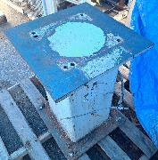 |  | Red Tagged By? | Ian Ballantyne |  | Red Tagged from What Area/Machine: |  | Yard | Move to Cell 12
 |  |  |  |  |  |  |  | Move to Cell 13A
 |  | Date Item Tagged? | 2024-01-26 | Where is the Item Located Now |  | Northeast Corner |  | Move to Cell 13B
 |  |  |  |  |  |  |  | Move to Cell 13C
 |  | Item Name | Robot Stands |  |  | Item Advisor | David Meng | Move to Cell 15
 |  |  |  |  |  |  |  | Move to Cell 16A
 |  | Item Description | Robot Stands |  |  | Primary Asset # | N/A | Move to Cell 16B
 |  |  |  |  |  |  |  | Move to Cell 16C
 |  | Disposition | Submit to Other Facilities To See If They Want The Item |  |  | Component ASSET # | N/A | Move to Cell 17A
 |  |  |  |  |  |  |  | Move to Cell 17B
 |  | Assign To | R Brown | Done | No | Tooling Serial # | N/A | Move to Cell 17C
 |  |  |  |  |  |  |  | Move to Cell 19A
 |  | Comment |  |  |  | Tooling Owner? | N/A | Move to Cell 19B
 |  |  |  |  |  |  |  | Move to Cell 19C
Date | Red Tag Actions |  |  |  |  |  | Who | Move to Cell 20
2024-03-18 | Apporved to disposed of by Mgmt. Check if CGA has a use for them. |  |  |  |  |  | R Brown | Move to Cell 21A
 |  |  |  |  |  |  |  | Move to Cell 21B
 |  |  |  |  |  |  |  | Move to Cell 21C
 |  |  |  |  |  |  |  | Move to Cell 21D
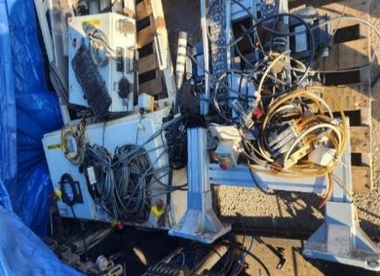 |  | Red Tagged By? | Ian Ballantyne |  | Red Tagged from What Area/Machine: |  | Yard | Move to Cell 22
 |  |  |  |  |  |  |  | Move to Zone A Toolroom
 |  | Date Item Tagged? | 2024-01-08 | Where is the Item Located Now |  | Outside Yard |  | Move to Zone B Dunnage Finished Goods Shipping
 |  |  |  |  |  |  |  | Move to Zone C Maint. Chemical, flowcon, stock room, electrical room
 |  | Item Name | Various Items |  |  | Item Advisor | Ken Lavigne | Move to Zone D Compressor, boiler rooms, waste water area
 |  |  |  |  |  |  |  | Move to Zone E Powder Room & Storage
 |  | Item Description | Electrical Panels, Wires, Conveyors |  |  | Primary Asset # | N/A | Move to Zone F Outside (Yard)
 |  |  |  |  |  |  |  | Move to Zone G Office, NCR, Eng. Storage
 |  | Disposition | Move to Zone C Maint. Chemical, flowcon, stock room, electrical room |  |  | Component ASSET # | N/A | Move to Zone H Cafeteria, Change Rooms
 |  |  |  |  |  |  |  | Move to Zone H Cafeteria, Change Rooms
 |  | Assign To | Leonardo B | Done | No | Tooling Serial # | N/A | Move to Zone I WIP & Packaging
 |  |  |  |  |  |  |  | Move to Physical Red Tag Area
 |  | Comment |  |  |  | Tooling Owner? | N/A | Other (add detail in comments)
 |  |  |  |  |  |  |  | Pending Disposition from Item Advisor
Date | Red Tag Actions |  |  |  |  |  | Who | Pending Completion from Assigned To
2024-03-18 | Keep. Have Maintenance strip out components etc |  |  |  |  |  | K Lavigne | Recycle
 |  |  |  |  |  |  |  | Scrap
 |  |  |  |  |  |  |  | Scrap/Recycle
 |  |  |  |  |  |  |  | Ship to JE-CGA
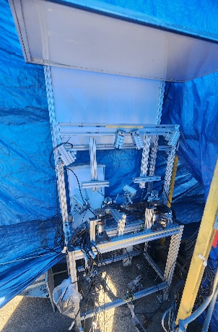 |  | Red Tagged By? | Ian Ballantyne |  | Red Tagged from What Area/Machine: |  | Yard | Ship to FPS Ancaster
 |  |  |  |  |  |  |  | Ship to PM Stratford
 |  | Date Item Tagged? | 2024-01-26 | Where is the Item Located Now |  | Northeast Corner |  | Ship to PM Mississauga
 |  |  |  |  |  |  |  | Ship to FPS Mississauga
 |  | Item Name | NDT |  |  | Item Advisor | David M | Ship to Stackpole Warehouse
 |  |  |  |  |  |  |  | Stays in Cell Needs Labelled/Foot printed location
 |  | Item Description | NDT Sprocket Station. All components have been stripped out, camera's, electrical, jigs etc |  |  | Primary Asset # | M06451 | Submit to Other Facilities To See If They Want The Item
 |  |  |  |  |  |  |  | Submit To Finance For Disposal
 |  | Disposition | Submit to Other Facilities To See If They Want The Item |  |  | Component ASSET # | N/A | Submit To Finance For Shipment To Other Plant
 |  |  |  |  |  |  |  | Virtual Red Tag Meeting
 |  | Assign To | R Brown | Done | No | Tooling Serial # | N/A

 |  | Comment |  |  |  | Tooling Owner? | N/A

Date | Red Tag Actions |  |  |  |  |  | Who
2024-03-18 | Approved to disposed of by Mgmt. Submit to other facilities |  |  |  |  |  | R Brown

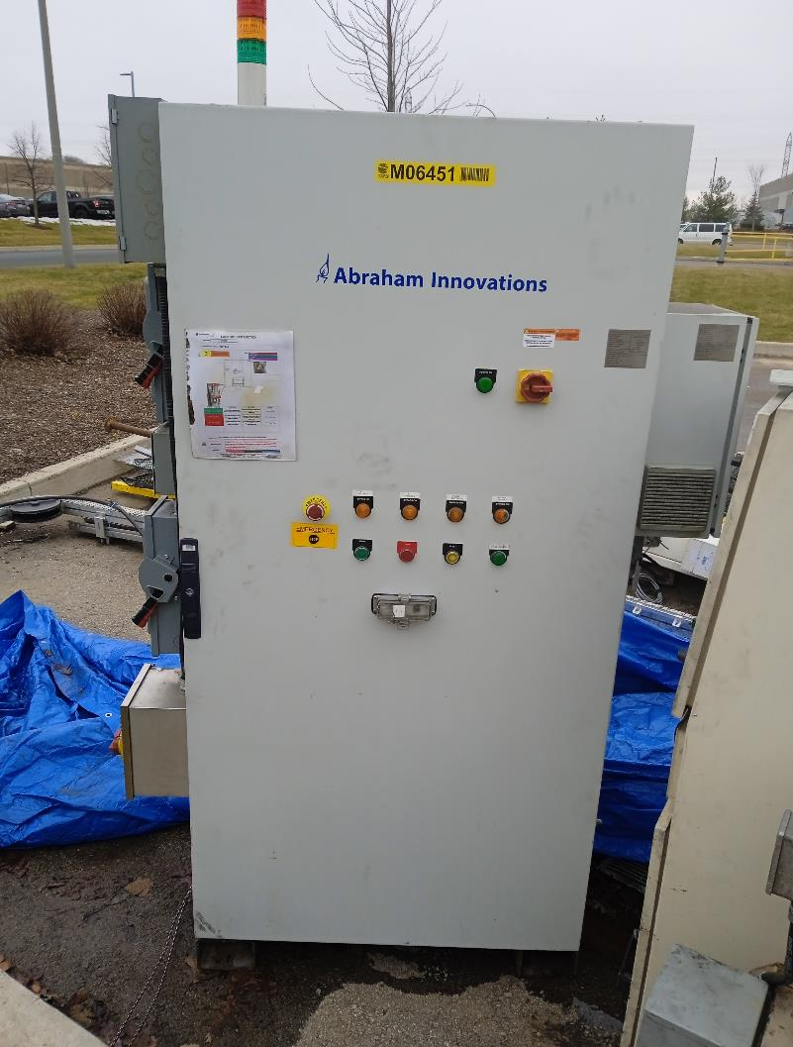 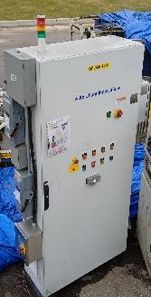 |  | Red Tagged By? | Ian Ballantyne |  | Red Tagged from What Area/Machine: |  | Yard

 |  | Date Item Tagged? | 2024-01-26 | Where is the Item Located Now |  | Northeast Corner

 |  | Item Name | Electrical cabinet ( abraham innovation ) |  |  | Item Advisor | David Meng

 |  | Item Description | M06451 Electrical Panel |  |  | Primary Asset # | M06451

 |  | Disposition | Submit to Other Facilities To See If They Want The Item |  |  | Component ASSET # | N/A

 |  | Assign To | R Brown | Done | No | Tooling Serial # | N/A

 |  | Comment |  |  |  | Tooling Owner? | N/A

Date | Red Tag Actions |  |  |  |  |  | Who
2024-01-08 | Verify disposition LG sprocket |  |  |  |  |  | David M
2024-01-17 | no engineering plan to reuse them, so we can consider to follow the existing equipment scraping procedure (I do not know what the procedure is and did not scrap equipment before). |  |  |  |  |  | David M
2024-03-18 | Approved to disposed of by Mgmt. Submit to other facilities |  |  |  |  |  | R Brown

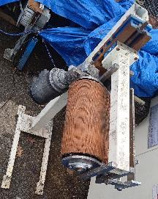 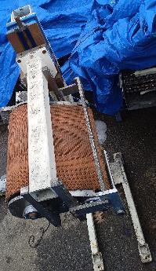 |  | Red Tagged By? | Ian Ballantyne |  | Red Tagged from What Area/Machine: |  | Yard

 |  | Date Item Tagged? | 2024-01-26 | Where is the Item Located Now |  | Northeast Corner

 |  | Item Name | Flipper |  |  | Item Advisor | David Meng

 |  | Item Description | Magnetic Part Flipper for Sprockets |  |  | Primary Asset # | N/A

 |  | Disposition | Move to Zone C Maint. Chemical, flowcon, stock room, electrical room |  |  | Component ASSET # | N/A

 |  | Assign To | Neil N | Done | No | Tooling Serial # | N/A

 |  | Comment |  |  |  | Tooling Owner? | N/A

Date | Red Tag Actions |  |  |  |  |  | Who
2024-01-08 | This is of value can it be repurposed. If yes where can it be stored other than the yard |  |  |  |  |  | David M
2024-01-17 | no engineering plan to reuse them, so we can consider to follow the existing equipment scraping procedure (I do not know what the procedure is and did not scrap equipment before). |  |  |  |  |  | David M
2024-03-18 | Mgmt decision to keep inside & store in Maintenance on the mezzanine. |  |  |  |  |  | R Leishman

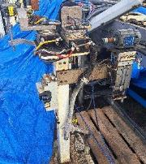 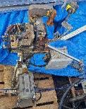 |  | Red Tagged By? | Ian Ballantyne |  | Red Tagged from What Area/Machine: |  | Yard

 |  | Date Item Tagged? | 2024-01-26 | Where is the Item Located Now |  | Outside Yard

 |  | Item Name | Vision Station |  |  | Item Advisor | David Meng

 |  | Item Description | Vision Station for Sprockets |  |  | Primary Asset #

 |  | Disposition | Machine/Asset #, Name Required for Disposal Review |  |  | Component ASSET # | N/A

 |  | Assign To | David M | Done | No | Tooling Serial # | N/A

 |  | Comment | ASSET # |  |  | Tooling Owner? | N/A

Date | Red Tag Actions |  |  |  |  |  | Who
2024-01-08 | This is of value can it be repurposed. If yes where can it be stored other than the yard |  |  |  |  |  | David M
2024-01-17 | no engineering plan to reuse them, so we can consider to follow the existing equipment scraping procedure (I do not know what the procedure is and did not scrap equipment before). |  |  |  |  |  | David M
2024-03-18 | Approved to disposed of by Mgmt. Submit to other facilities |  |  |  |  |  | R Brown

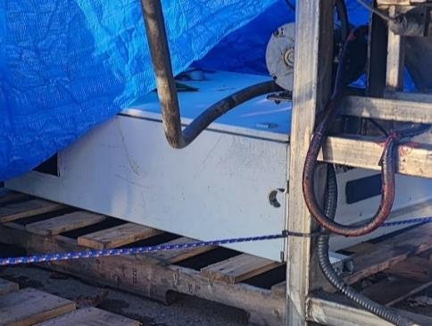 |  | Red Tagged By? | Ian Ballantyne |  | Red Tagged from What Area/Machine: |  | Yard

 |  | Date Item Tagged? | 2024-01-26 | Where is the Item Located Now |  | Outside Yard

 |  | Item Name | Electrical |  |  | Item Advisor | Ken Lavigne

 |  | Item Description | Panel |  |  | Primary Asset # | N/A

 |  | Disposition | Move to Zone C Maint. Chemical, flowcon, stock room, electrical room |  |  | Component ASSET # | N/A

 |  | Assign To | Leonardo B | Done | No | Tooling Serial # | N/A

 |  | Comment |  |  |  | Tooling Owner? | N/A

Date | Red Tag Actions |  |  |  |  |  | Who

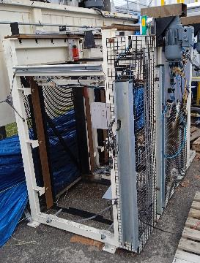 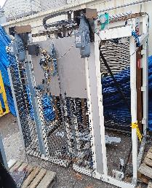 |  | Red Tagged By? | Ian Ballantyne |  | Red Tagged from What Area/Machine: |  | Yard

 |  | Date Item Tagged? | 2024-02-02 | Where is the Item Located Now |  | Outside Yard

 |  | Item Name | Tray loader |  |  | Item Advisor | David Meng

 |  | Item Description | Item includes 2 motors |  |  | Primary Asset #

 |  | Disposition | Machine/Asset #, Name Required for Disposal Review |  |  | Component ASSET #

 |  | Assign To | David M | Done | No | Tooling Serial # | N/A

 |  | Comment | ASSET # |  |  | Tooling Owner? | N/A

Date | Red Tag Actions |  |  |  |  |  | Who

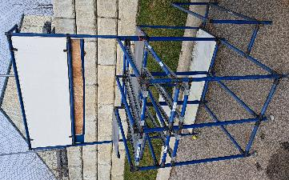 |  | Red Tagged By? | Leonardo Boyer |  | Red Tagged from What Area/Machine: |  | Yard

 |  | Date Item Tagged? | 2024-02-02 | Where is the Item Located Now |  | Outside Yard

 |  | Item Name | Work Station 2 |  |  | Item Advisor | Rick Brown

 |  | Item Description | Work station with rolling ramps. |  |  | Primary Asset # | N/A

 |  | Disposition | Scrap/Recycle |  |  | Component ASSET # | N/A

 |  | Assign To | Leonardo Boyer | Done | Yes | Tooling Serial # | N/A

 |  | Comment |  |  |  | Tooling Owner? | N/A

Date | Red Tag Actions |  |  |  |  |  | Who

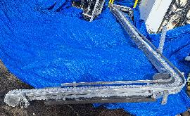 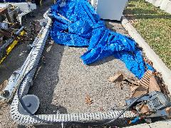 |  | Red Tagged By? | Leonardo Boyer |  | Red Tagged from What Area/Machine: |  | Yard

 |  | Date Item Tagged? |  | Where is the Item Located Now |  | Outside Yard

 |  | Item Name | Conveyor belt extensions |  |  | Item Advisor | David Meng

 |  | Item Description | Those extensions doesn't have stands |  |  | Primary Asset #

 |  | Disposition | Pending Completion from Assigned To |  |  | Component ASSET #

 |  | Assign To | Ammar Murad | Done | No | Tooling Serial # | N/A

 |  | Comment | See Notes. Fill in ASSET Number |  |  | Tooling Owner? | N/A

Date | Red Tag Actions |  |  |  |  |  | Who
2024-02-07 | Ammar to confirm if it is the conveyor that he needs to modify it to reconnect the 5400 line from deburr (M05400) to washer (M05450) |  |  |  |  |  | David M

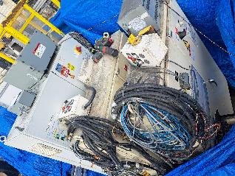 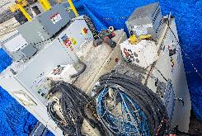 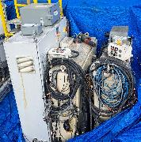 |  | Red Tagged By? | Leonardo Boyer |  | Red Tagged from What Area/Machine: |  | Yard

 |  | Date Item Tagged? | 2024-02-02 | Where is the Item Located Now |  | Outside Yard

 |  | Item Name | Electrical cabinets |  |  | Item Advisor | David Meng

 |  | Item Description | 3 electrical cabinets . |  |  | Primary Asset # | N/A

 |  | Disposition | Move to Zone C Maint. Chemical, flowcon, stock room, electrical room |  |  | Component ASSET # | N/A

 |  | Assign To | Neil N | Done | No | Tooling Serial # | N/A

 |  | Comment |  |  |  | Tooling Owner? | N/A

Date | Red Tag Actions |  |  |  |  |  | Who
2024-02-14 | Move into shop. Strip electrical panel Oleg. Once stripped scrap |  |  |  |  |  | Ken

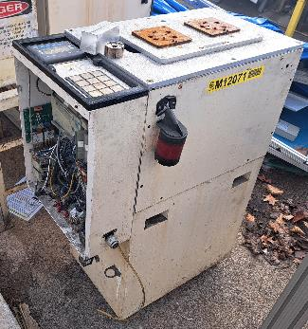 |  | Red Tagged By? | Leonardo Boyer |  | Red Tagged from What Area/Machine: |  | Yard

 |  | Date Item Tagged? | 2024-02-02 | Where is the Item Located Now |  | Outside Yard

 |  | Item Name | M12071 Control Cabinet |  |  | Item Advisor | David Meng

 |  | Item Description | This cabinet has an PLC ( it appears to be burned) |  |  | Primary Asset #

 |  | Disposition | Virtual Red Tag Meeting |  |  | Component ASSET # | M012071

 |  | Assign To | Ken Lavigne | Done | No | Tooling Serial # | N/A

 |  | Comment |  |  |  | Tooling Owner? | N/A

Date | Red Tag Actions |  |  |  |  |  | Who
2024-02-07 | Ask Ken Lavign to identify which compoenets to keep. No engineering plan to reuse |  |  |  |  |  | David M

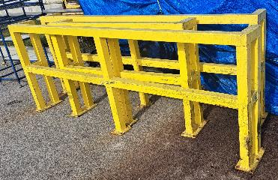 |  | Red Tagged By? | Leonardo Boyer |  | Red Tagged from What Area/Machine: |  | Yard

 |  | Date Item Tagged? | 2024-02-02 | Where is the Item Located Now |  | Outside Yard

 |  | Item Name | Traffic barries |  |  | Item Advisor | Scott McKay

 |  | Item Description | Largest are 112" long. |  |  | Primary Asset # | N/A

 |  | Disposition | Move to Zone F Outside (Yard) |  |  | Component ASSET # | N/A

 |  | Assign To | Neil N | Done | No | Tooling Serial # | N/A

 |  | Comment | Keep them but cover them up |  |  | Tooling Owner? | N/A

Date | Red Tag Actions |  |  |  |  |  | Who
2024-02-07 | should keep them for guarding rails. |  |  |  |  |  | David M
2024-03-18 | Mgmt keep them outside but cover them up |  |  |  |  |  | Mgmt

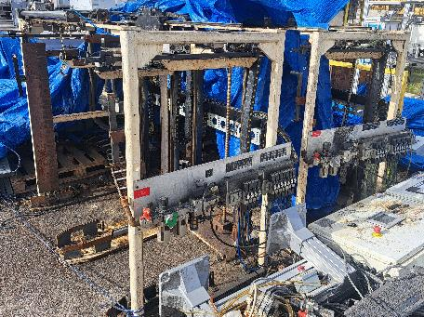 |  | Red Tagged By? | Leonardo Boyer |  | Red Tagged from What Area/Machine: |  | Yard

 |  | Date Item Tagged? | 2024-02-02 | Where is the Item Located Now |  | Outside Yard

 |  | Item Name | Tray Loader Frames |  |  | Item Advisor | David Meng

 |  | Item Description | Tray loader frames, there are two of them. |  |  | Primary Asset #

 |  | Disposition | Machine/Asset #, Name Required for Disposal Review |  |  | Component ASSET #

 |  | Assign To | David M | Done | No | Tooling Serial # | N/A

 |  | Comment | Primary ASSET # and Component ASSET # |  |  | Tooling Owner? | N/A

Date | Red Tag Actions |  |  |  |  |  | Who
2024-03-18 | Mgmt approved to be disposed of. Submit to other facilities |  |  |  |  |  | Mgmt

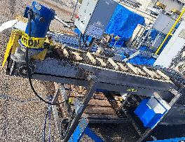 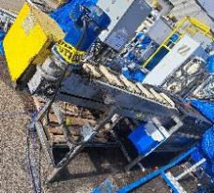 |  | Red Tagged By? | Leonardo Boyer |  | Red Tagged from What Area/Machine: |  | Yard

 |  | Date Item Tagged? | 2024-02-02 | Where is the Item Located Now |  | Outside Yard

 |  | Item Name | 06455 Loaders |  |  | Item Advisor | David Meng

 |  | Item Description | Conveyor loader |  |  | Primary Asset #

 |  | Disposition | Machine/Asset #, Name Required for Disposal Review |  |  | Component ASSET #

 |  | Assign To | David M | Done | No | Tooling Serial # | N/A

 |  | Comment | Primary & Component ASSET # |  |  | Tooling Owner? | N/A

Date | Red Tag Actions |  |  |  |  |  | Who
2024-02-07 | No engplan to reuse them for now Ask K Lavign which compoenets that maint to keep. |  |  |  |  |  | David M
2024-03-18 | Need asset number. Hold on to for a month May 2024 |  |  |  |  |  | R Leishman

 |  | Red Tagged By? |  |  | Red Tagged from What Area/Machine:

 |  | Date Item Tagged? |  | Where is the Item Located Now

 |  | Item Name |  |  |  | Item Advisor

 |  | Item Description |  |  |  | Primary Asset #

 |  | Disposition |  |  |  | Component ASSET #

 |  | Assign To |  | Done |  | Tooling Serial #

 |  | Comment |  |  |  | Tooling Owner?

Date | Red Tag Actions |  |  |  |  |  | Who

 |  | Red Tagged By? |  |  | Red Tagged from What Area/Machine:

 |  | Date Item Tagged? |  | Where is the Item Located Now

 |  | Item Name |  |  |  | Item Advisor

 |  | Item Description |  |  |  | Primary Asset #

 |  | Disposition |  |  |  | Component ASSET #

 |  | Assign To |  | Done |  | Tooling Serial #

 |  | Comment |  |  |  | Tooling Owner?

Date | Red Tag Actions |  |  |  |  |  | Who

 |  | Red Tagged By? |  |  | Red Tagged from What Area/Machine:

 |  | Date Item Tagged? |  | Where is the Item Located Now

 |  | Item Name |  |  |  | Item Advisor

 |  | Item Description |  |  |  | Primary Asset #

 |  | Disposition |  |  |  | Component ASSET #

 |  | Assign To |  | Done |  | Tooling Serial #

 |  | Comment |  |  |  | Tooling Owner?

Date | Red Tag Actions |  |  |  |  |  | Who

EXAMPLE
Automatic Attendees: P Boyd, S McKay, Ken Lavigne, Leonardo Boyer, Rick Brown
RED TAG DISPOSITION |  |  |  |  |  |  |  | Disposition Codes | Done
 |  | Red Tagged By? | Ian Ballantyne |  | Red Tagged from What Area/Machine? |  | Yard | Management Approval for Disposal of Machine/Tooling | Yes
 |  |  |  |  |  |  |  | Management Review for Disposal of Machine/Tooling | No
 |  | Date Item Tagged? | 2024-01-26 | Where is the Item Located Now? |  | North East Corner |  | Machine/Asset #, Name Required for Disposal Review
 |  |  |  |  |  |  |  | Tooling Serial#, Part # Required for Disposal Review
 |  | Item Name | Furnace |  |  | Item Advisor | David Meng | Issue WO to repair/install/remove
 |  |  |  |  |  |  |  | Issue WO to strip for spares
 |  | Item Description | Temper Furnace |  |  | Asset Number | MO7050 | Move to C Can Shipping
 |  |  |  |  |  |  |  | Move to C Can Maintenance
 |  | Disposition | Virtual Red Tag Meeting |  |  | Done | No | Move to Cell 1
 |  |  |  |  |  |  |  | Move to Cell 2
 |  | Assign To | Rick Brown | Comments |  |  |  | Move to Cell 3
 |  |  |  |  |  |  |  | Move to Cell 4
Date | Red Tag Actions |  |  |  |  |  | Who | Move to Cell 5
 |  |  |  |  |  |  |  | Move to Cell 6
 |  |  |  |  |  |  |  | Move to Cell 7
 |  |  |  |  |  |  |  | Move to Cell 8
 |  |  |  |  |  |  |  | Move to Cell 9
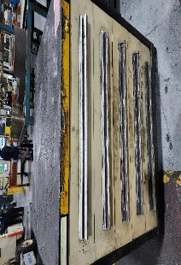 |  | Red Tagged By? | Tristan Kush |  | Red Tagged from What Area/Machine? |  | Cell 1 | Move to Cell 10
 |  |  |  |  |  |  |  | Move to Cell 11
 |  | Date Item Tagged? | 2023-12-14 | Where is the Item Located Now? |  | Cell 1 |  | Move to Cell 12
 |  |  |  |  |  |  |  | Move to Cell 13A
 |  | Item Name | Cabinet |  |  | Item Advisor | Christa Johnston | Move to Cell 13B
 |  |  |  |  |  |  |  | Move to Cell 13C
 |  | Item Description | Tool cabinet |  |  | Asset Number | N/A | Move to Cell 15
 |  |  |  |  |  |  |  | Move to Cell 16A
 |  | Disposition | Move to Zone E Powder Room & Storage |  |  | Done | Yes | Move to Cell 16B
 |  |  |  |  |  |  |  | Move to Cell 16C
 |  | Assign To | Tristan Kush | Comments |  |  |  | Move to Cell 17A
 |  |  |  |  |  |  |  | Move to Cell 17B
Date | Red Tag Actions |  |  |  |  |  | Who | Move to Cell 17C
 |  |  |  |  |  |  |  | Move to Cell 19A
 |  |  |  |  |  |  |  | Move to Cell 19B
 |  |  |  |  |  |  |  | Move to Cell 19C
 |  |  |  |  |  |  |  | Move to Cell 20
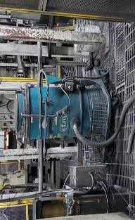 |  | Red Tagged By? | Tristan Kush |  | Red Tagged from What Area/Machine? |  | Cell 1 | Move to Cell 21A
 |  |  |  |  |  |  |  | Move to Cell 21B
 |  | Date Item Tagged? | 2023-12-14 | Where is the Item Located Now? |  | Cell 1 |  | Move to Cell 21C
 |  |  |  |  |  |  |  | Move to Cell 21D
 |  | Item Name | Vacuum |  |  | Item Advisor | Christa Johnston | Move to Cell 22
 |  |  |  |  |  |  |  | Move to Zone A Toolroom
 |  | Item Description | Vaccum |  |  | Asset Number | N/A | Move to Zone B Dunnage Finished Goods Shipping
 |  |  |  |  |  |  |  | Move to Zone C Maint. Chemical, flowcon, stock room, electrical room
 |  | Disposition | Stays in Cell Needs Labelled/Foot printed location |  |  | Done | No | Move to Zone D Compressor, boiler rooms, waste water area
 |  |  |  |  |  |  |  | Move to Zone E Powder Room & Storage
 |  | Assign To | Tristan Kush | Comments |  |  |  | Move to Zone F Outside (Yard)
 |  |  |  |  |  |  |  | Move to Zone G Office, NCR, Eng. Storage
Date | Red Tag Actions |  |  |  |  |  | Who | Move to Zone H Cafeteria, Change Rooms
 |  |  |  |  |  |  |  | Move to Zone H Cafeteria, Change Rooms
 |  |  |  |  |  |  |  | Move to Zone I WIP & Packaging
 |  |  |  |  |  |  |  | Move to Physical Red Tag Area
 |  |  |  |  |  |  |  | Other (add detail in comments)
 |  | Red Tagged By? |  |  | Red Tagged from What Area/Machine? |  |  | Pending Disposition from Item Advisor
 |  |  |  |  |  |  |  | Pending Completion from Assigned To
 |  | Date Item Tagged? |  | Where is the Item Located Now? |  |  |  | Recycle
 |  |  |  |  |  |  |  | Scrap
 |  | Item Name |  |  |  | Item Advisor |  | Scrap/Recycle
 |  |  |  |  |  |  |  | Ship to JE-CGA
 |  | Item Description |  |  |  | Asset Number |  | Ship to FPS Ancaster
 |  |  |  |  |  |  |  | Ship to PM Stratford
 |  | Disposition |  |  |  | Done |  | Ship to PM Mississauga
 |  |  |  |  |  |  |  | Ship to FPS Mississauga
 |  | Assign To |  | Comments |  |  |  | Ship to Stackpole Warehouse
 |  |  |  |  |  |  |  | Stays in Cell Needs Labelled/Foot printed location
Date | Red Tag Actions |  |  |  |  |  | Who | Virtual Red Tag Meeting

 |  | Red Tagged By? |  |  | Red Tagged from What Area/Machine?

 |  | Date Item Tagged? |  | Where is the Item Located Now?

 |  | Item Name |  |  |  | Item Advisor

 |  | Item Description |  |  |  | Asset Number

 |  | Disposition |  |  |  | Done

 |  | Assign To |  | Comments

Date | Red Tag Actions |  |  |  |  |  | Who

 |  | Red Tagged By? |  |  | Red Tagged from What Area/Machine?

 |  | Date Item Tagged? |  | Where is the Item Located Now?

 |  | Item Name |  |  |  | Item Advisor

 |  | Item Description |  |  |  | Asset Number

 |  | Disposition |  |  |  | Done

 |  | Assign To |  | Comments

Date | Red Tag Actions |  |  |  |  |  | Who

 |  | Red Tagged By? |  |  | Red Tagged from What Area/Machine?

 |  | Date Item Tagged? |  | Where is the Item Located Now?

 |  | Item Name |  |  |  | Item Advisor

 |  | Item Description |  |  |  | Asset Number

 |  | Disposition |  |  |  | Done

 |  | Assign To |  | Comments

Date | Red Tag Actions |  |  |  |  |  | Who

 |  | Red Tagged By? |  |  | Red Tagged from What Area/Machine?

 |  | Date Item Tagged? |  | Where is the Item Located Now?

 |  | Item Name |  |  |  | Item Advisor

 |  | Item Description |  |  |  | Asset Number

 |  | Disposition |  |  |  | Done

 |  | Assign To |  | Comments

Date | Red Tag Actions |  |  |  |  |  | Who

 |  | Red Tagged By? |  |  | Red Tagged from What Area/Machine?

 |  | Date Item Tagged? |  | Where is the Item Located Now?

 |  | Item Name |  |  |  | Item Advisor

 |  | Item Description |  |  |  | Asset Number

 |  | Disposition |  |  |  | Done

 |  | Assign To |  | Comments

Date | Red Tag Actions |  |  |  |  |  | Who

 |  | Red Tagged By? |  |  | Red Tagged from What Area/Machine?

 |  | Date Item Tagged? |  | Where is the Item Located Now?

 |  | Item Name |  |  |  | Item Advisor

 |  | Item Description |  |  |  | Asset Number

 |  | Disposition |  |  |  | Done

 |  | Assign To |  | Comments

Date | Red Tag Actions |  |  |  |  |  | Who

 |  | Red Tagged By? |  |  | Red Tagged from What Area/Machine?

 |  | Date Item Tagged? |  | Where is the Item Located Now?

 |  | Item Name |  |  |  | Item Advisor

 |  | Item Description |  |  |  | Asset Number

 |  | Disposition |  |  |  | Done

 |  | Assign To |  | Comments

Date | Red Tag Actions |  |  |  |  |  | Who

 |  | Red Tagged By? |  |  | Red Tagged from What Area/Machine?

 |  | Date Item Tagged? |  | Where is the Item Located Now?

 |  | Item Name |  |  |  | Item Advisor

 |  | Item Description |  |  |  | Asset Number

 |  | Disposition |  |  |  | Done

 |  | Assign To |  | Comments

Date | Red Tag Actions |  |  |  |  |  | Who

 |  | Red Tagged By? |  |  | Red Tagged from What Area/Machine?

 |  | Date Item Tagged? |  | Where is the Item Located Now?

 |  | Item Name |  |  |  | Item Advisor

 |  | Item Description |  |  |  | Asset Number

 |  | Disposition |  |  |  | Done

 |  | Assign To |  | Comments

Date | Red Tag Actions |  |  |  |  |  | Who

 |  | Red Tagged By? |  |  | Red Tagged from What Area/Machine?

 |  | Date Item Tagged? |  | Where is the Item Located Now?

 |  | Item Name |  |  |  | Item Advisor

 |  | Item Description |  |  |  | Asset Number

 |  | Disposition |  |  |  | Done

 |  | Assign To |  | Comments

Date | Red Tag Actions |  |  |  |  |  | Who

 |  | Red Tagged By? |  |  | Red Tagged from What Area/Machine?

 |  | Date Item Tagged? |  | Where is the Item Located Now?

 |  | Item Name |  |  |  | Item Advisor

 |  | Item Description |  |  |  | Asset Number

 |  | Disposition |  |  |  | Done

 |  | Assign To |  | Comments

Date | Red Tag Actions |  |  |  |  |  | Who

 |  | Red Tagged By? |  |  | Red Tagged from What Area/Machine?

 |  | Date Item Tagged? |  | Where is the Item Located Now?

 |  | Item Name |  |  |  | Item Advisor

 |  | Item Description |  |  |  | Asset Number

 |  | Disposition |  |  |  | Done

 |  | Assign To |  | Comments

Date | Red Tag Actions |  |  |  |  |  | Who

 |  | Red Tagged By? |  |  | Red Tagged from What Area/Machine?

 |  | Date Item Tagged? |  | Where is the Item Located Now?

 |  | Item Name |  |  |  | Item Advisor

 |  | Item Description |  |  |  | Asset Number

 |  | Disposition |  |  |  | Done

 |  | Assign To |  | Comments

Date | Red Tag Actions |  |  |  |  |  | Who

 |  | Red Tagged By? |  |  | Red Tagged from What Area/Machine?

 |  | Date Item Tagged? |  | Where is the Item Located Now?

 |  | Item Name |  |  |  | Item Advisor

 |  | Item Description |  |  |  | Asset Number

 |  | Disposition |  |  |  | Done

 |  | Assign To |  | Comments

Date | Red Tag Actions |  |  |  |  |  | Who

 |  | Red Tagged By? |  |  | Red Tagged from What Area/Machine?

 |  | Date Item Tagged? |  | Where is the Item Located Now?

 |  | Item Name |  |  |  | Item Advisor

 |  | Item Description |  |  |  | Asset Number

 |  | Disposition |  |  |  | Done

 |  | Assign To |  | Comments

Date | Red Tag Actions |  |  |  |  |  | Who

 |  | Red Tagged By? |  |  | Red Tagged from What Area/Machine?

 |  | Date Item Tagged? |  | Where is the Item Located Now?

 |  | Item Name |  |  |  | Item Advisor

 |  | Item Description |  |  |  | Asset Number

 |  | Disposition |  |  |  | Done

 |  | Assign To |  | Comments

Date | Red Tag Actions |  |  |  |  |  | Who

 |  | Red Tagged By? |  |  | Red Tagged from What Area/Machine?

 |  | Date Item Tagged? |  | Where is the Item Located Now?

 |  | Item Name |  |  |  | Item Advisor

 |  | Item Description |  |  |  | Asset Number

 |  | Disposition |  |  |  | Done

 |  | Assign To |  | Comments

Date | Red Tag Actions |  |  |  |  |  | Who

 |  | Red Tagged By? |  |  | Red Tagged from What Area/Machine?

 |  | Date Item Tagged? |  | Where is the Item Located Now?

 |  | Item Name |  |  |  | Item Advisor

 |  | Item Description |  |  |  | Asset Number

 |  | Disposition |  |  |  | Done

 |  | Assign To |  | Comments

Date | Red Tag Actions |  |  |  |  |  | Who

Red Tag Process Flow & Rules
PROCESS FLOW & INSTRUCTIONS
Clarification Notes: 1. Prior to moving anything to another area you must discuss it with that areas owner/champion. 2. Cell & Zone Champions can be found on the Plant Layout in the folder N Drive/CI/5S Program/Red Tag/PlantLayout_Champions 3. To schedule your item for the weekly virtual red tag meeting go to N Drive/CI/5S Program/Red Tag/12. Red Tag Virtual Meetings/Paste your item for review in the Weekly Spreadsheet that corresponds to the date you would like it reviewed & can attend. If you are on the off shifts, paste your item in the Weekly Virtual Meeting spreadsheet. 4. Pictures need to be compressed to keep the file to a minimum size. Select Your Picture(s)/Format/Compress Pictures/Email(96ppi)/OK. You can select multiple pictures at once to do this or individually.

Step 1: Red Tag
Item

Identified
Unidentified

Useful
Not Useful to My Cell/Zone/Plant
Champion to resolve by following up with support departments/stakeholders

Keep @ Location Find a labelled home
Value
No Value

Yes
Champion is able to determine the items purpose & take action?
Unable to make decision
Movable
Not Movable

No
Scrap/Recycle
Contact Mat'l Handler
Disposition Item Using Virtual Red Tag

Step 2: Virtual Red Tag Disposition

Select Disposition Code: Virtual Red Tag Meeting

Verify Virtual Red Tag is accurate & fully completed

To schedule your item for the weekly virtual red tag meeting go to N Drive/CI/5S Program/Red Tag/12. Red Tag Virtual Meetings/Paste your item for review in the Weekly Spreadsheet that corresponds to the date you would like it reviewed & can attend.
Yes
Update actions you have taken in the 'Red Tag Actions section" with Date, Red Tag Actions & Who

Schedule your Item for Virtual Red Tag Meeting Review.

5S SME will schedule all attendees for the Virtual Red Tag Meeting via Teams Online

Attend Virtual Red Tag Meeting

Resolved
Not Resolved

Update Disposition Code on Red Tag
Update actions under 'Red Tag Actions" with Date, Details & Who from meeting

Communicate to Assigned To

Follow up that it is resolved
Machine, Machine Component, Tooling, Adaption, no longer required no longer needed

Update Done Code to Yes

Step 3: Management Review for Disposal of Equipment/Tooling

Selected Disposition Code: Management Review for Disposal of Equipment/Tooling

Tooling/Adaption

Asset # of Machine/Component
Tooling Serial # etched on tooling/adaption is required & a clear picture. Document all on Virtual Red Tag
Machine #, name & clear picture on Virtual Red Tag

Give Serial # to Tool Crib Attendant to locate where used, what product & if its still active. document on Virtual Red Tag

Forward details to Sales to confirm Customer Contract details around tooling ownership, service parts & specific customer requirements.

5S SME creates weekly meeting report sends to CI Mgr.

CI Mgr. Reviews. Accurate?
No

Yes
Schedules Mgmt. Disposal Review Meeting

Mgmt. Denies Disposal
Disposal Approved
Request Further Info to complete disposal request

Feed back to Requestor with actions
Update Virtual Red Tag "Disposition"
Update Virtual Red Tag & 5S SME gives feedback to Champion

Items communicated to all other Plants & JE CGA for their use?

No feedback within 2 weeks, continue process
Do other plants want item?
Yes
No

Mgmt. informed of Shipment
Mgmt. Informed of No request from other plants

Initiator Submits Approval Shipment Request to Finance
Initiator Submits Approval Disposal Request to Finance

Was tooling capitalized? Finance to confirm.
Finance initiates internal approval process
ACC011 Property, Plant and Equipment, Located Marc/JE In Motion (Shared Portal)/BU/Function/Finance/Finance SOPs Reference IAS/HKAS 16 Accounting requirements for property, plant and equipment

Feedback to Mgmt. by Initiator
No
JE Corporate Approval Procedure

Yes
Finance communicates back to the initiator of approval request decision & maintains/updates Master Log

Initiator Arranges Disposal of Item
Initiator Arranges Shipment of Item
Shipping Costs Paid by Receiver

Include the Mgr. Supervisors, MRO & Coordinator. To update EAM, Spares, Consumables etc.
Communicate to Maintenance

Done

