Route_Point_Conversion
Points to Route Length Ratio
RtP_Table
ID | Route_Length | Route_Points | Efficiency | PercentGrowth
10001 | 1 | 1 | 1.00 | 0
10002 | 2 | 2 | 1.00 | 100%
10003 | 3 | 4 | 1.33 | 100%
10004 | 4 | 7 | 1.75 | 75%
10005 | 6 | 15 | 2.50 | 57%
10006 | 8 | 21 | 2.63 | 20%

Points per Route Length

Draft
Introduction
Ticket to Ride Europe(TTRE) is a multiplayer board game where players use matching Train Cards to build railway routes between cities to earn the most points.
This analysis aims to inform players's decision-making by illustrating to what degree claiming routes and completing Destination Tickets, can maximize their points earned per Train Card used.

Claiming Routes
Route Length
In TTRE, players will earn more points for claiming longer routes, making it more efficient to use Train Cards on longer routes.

Route Points to Route Length Ratio
 | Efficiency
1 | 1.00
2 | 1.00
3 | 1.33
4 | 1.75
6 | 2.50
8 | 2.63
Points per Route Length
 | Route_Points
1 | 1
2 | 2
3 | 4
4 | 7
6 | 15
8 | 21

From this observation, a player may notice a simple strategy to have is to claim the longest routes ASAP.

Route Colors
Train Routes come in 9 different colors: 8 main colors (Green, Blue, White, Purple, Black, Red, Orange, Yellow) and 1 "wild" color (Gray). We first see which color of routes yield the most total points.

Main Colors Total Points
 | Points
Green | 33
Blue | 33
White | 31
Purple | 31
Black | 30
Red | 30
Orange | 29
Yellow | 29
All Colors Total Points
 | Points
Green | 33
Blue | 33
White | 31
Purple | 31
Black | 30
Red | 30
Orange | 29
Yellow | 29
Gray | 202

We see that Green/Blue are the colors that have the most potential points out of the main colors, while Orange/Yellow have the least potential points. However, both pale in comparison to the total potential points that the Gray routes offer.
We can look at why this is the case in this breakdown of the routes:

This table suggests the colors that yield the most points are generally the ones with the most longest routes. E.g. Green/Blue have the most length 4 routes out of the main colors, so they yield more points than the other main colors.
Since there are many rounds in the game where players will be holding cards, holding the higher value Green/Blue train color cards will give you a better chance to get the longer routes as well as deny other players from getting those points.

Destination Tickets
Ticket Efficiency
Instead of focusing on which Destination Tickets give the most points, we will look at the Destination Tickets that give the best value for each train card used.
We measure the destination ticket value by looking at the (Destination Ticket points + Points per Route Length) / (Route Length). To calculate the Points per Route Length for each Destination Ticket, we assume the shortest route is the shortest possible path in length to get from city A to city B.

The first observation is that Destination Tickets make routes point efficient. With all tickets valuing a point efficiency >2, this means that all routes <= length 4 that contribute to a Destination Ticket are more point efficient than a standalone route of length 4.
The next observation is the outlier in the [3.1, 3.2] bin, the Palermo to Constantinople Destination Ticket. Looking at this ticket, it is the only ticket to utilize a length 6 route in its shortest path, making it very point efficient.

We look at a table of the top 20 most efficient destination tickets

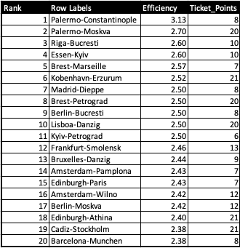

 | 16x4

Here we see that the Top 11 tickets upon completion make routes as efficient as length 6 routes.
Additionally, we notice that the more efficient Destination Tickets all incorporate a length 4 Route in their shortest route path.
One possible strategy here may be to complete high value destination tickets, ones that include a length 4 Route in their shortest route, ASAP.

Conclusion
What we can draw from this analysis is that the length 8 route, the 2 length 6 routes, and Destination Tickets with at least 1 length 4 route in its shortest path are high value objectives to claim while playing TTRE.
The fun part of the game is figuring out at what time you should take what moves. Should you immediately try to get the length 8 route? Should you take the risk early to scavenge for high efficiency Destination tickets?
Another dimension to this game is about turn efficiency. Should you simply wait and draw until you have 45 train cars in your hand and then try to use your train cars all at once?
How does all of this change with the number of players?
Easy to play hard to master games that many designers aspire to make.

Color_Info
Main Colors Total Points
Color Table
Color | Length1 | Length2 | Length3 | Length4 | Length6 | Length8 | Points | Efficiency
Green | 0 | 4 | 1 | 3 | 0 | 0 | 33 | 1.4347826087
Blue | 0 | 4 | 1 | 3 | 0 | 0 | 33 | 1.4347826087
White | 1 | 2 | 3 | 2 | 0 | 0 | 31 | 1.4090909091
Purple | 1 | 2 | 3 | 2 | 0 | 0 | 31 | 1.4090909091
Black | 1 | 1 | 5 | 1 | 0 | 0 | 30 | 1.3636363636
Red | 1 | 1 | 5 | 1 | 0 | 0 | 30 | 1.3636363636
Orange | 0 | 3 | 4 | 1 | 0 | 0 | 29 | 1.3181818182
Yellow | 0 | 3 | 4 | 1 | 0 | 0 | 29 | 1.3181818182
Gray | 0 | 15 | 4 | 15 | 2 | 1 | 202 | 1.7719298246

All Colors Total Points

Quadrant_Scratch
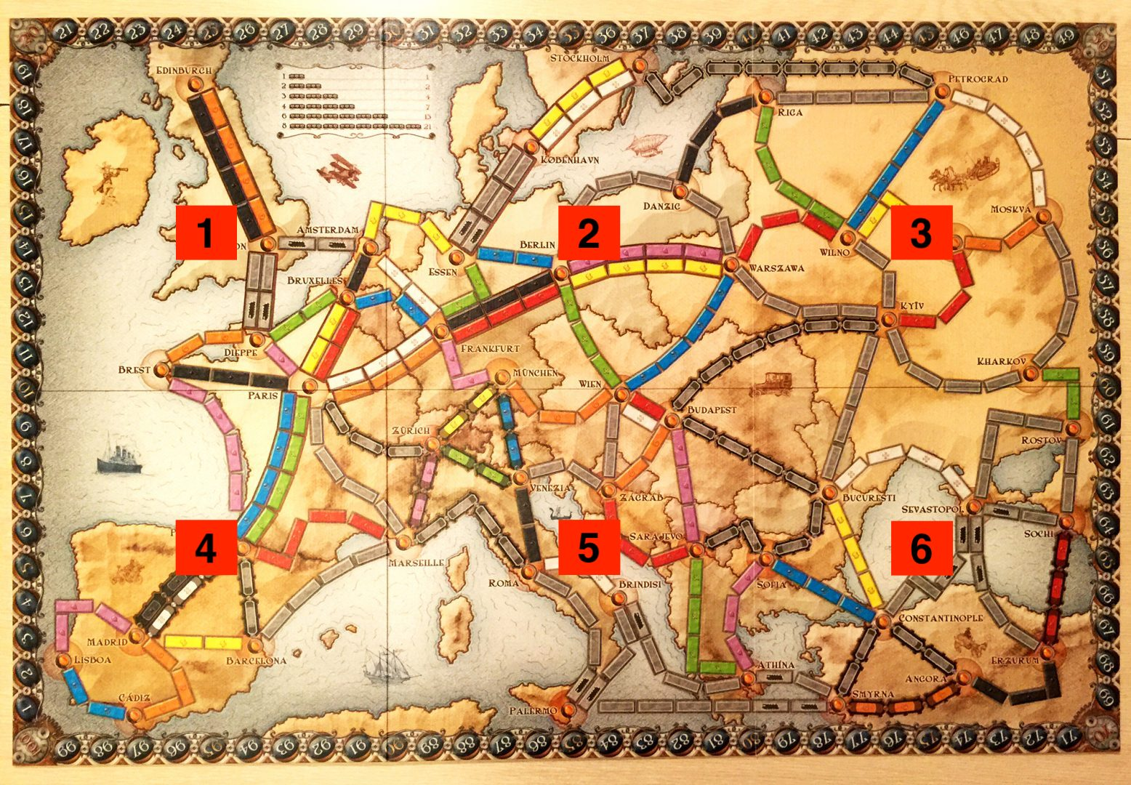

Thought_Experiments_Scratch
The Strategies
Claiming Longest Routes
From previous observations, we determined one possible strategy may be to claim as many long routes as possible.
To begin determining the efficacy of this strategy, we will simulate a game of TTRE under certain assumptions as a basis for discussion.
Simulation Assumptions
Each player begins with 1 Long Destination Ticket and 1 normal Destination Ticket, distributed by descending point efficiency.
Players complete all tickets.
Points from not using Stations and bonus points from "longest continous route" are not considered.
Leftover routes are then distributed by descending length and in an appropriate manner until every player uses all his/her train cars.

Averaging the points of all players at the end of the game, we get a value we will call the "Points Standard", the point amount to describe how well a player performed.

Claiming Longest Routes Strategy Points Standard for 2-5 Players
 | Points Standard
2 | 111.5
3 | 108
4 | 105.25
5 | 103.6

In isolation, this isn't too interesting, so let's look at the next strategy for comparison.

Best Value Ticket Strat
From previous observations, we determined another possible strategy may be to claim as many high value Destination Tickets as possible.
To begin determining the efficacy of this strategy, we will simulate a game of TTRE under similar assumptions as the previous simulation as a basis for discussion.
Instead of only giving players 2 Destination Tickets, we will give as many valid Destination Tickets as possible to each player by descending point efficiency.
If not all train cars are used, and it is not possible to give them a Destination Ticket, we will have players use the remaining train cars by claiming routes.
Players complete all tickets.
Points from not using Stations and bonus points from "longest continous route" are not considered.
Best Value Ticket Strategy Points Standard 2-5 Players
 | Points Standard
2 | 116.5
3 | 114.66666667
4 | 113.5
5 | 111

Comparing the two simulations, we observe that the points earned on average are higher with the best value ticket strategy than the longest route strategy.
This is not to say one strategy is better than the other. The takeaway is simply that completing tickets give better value to your routes than not completing tickets. Thus, if you find yourself looking for more points, try to complete a Destination Ticket.

Strategy_Scratch
Point Distributions (High Value Ticket Strategy)
 | 1p | Route_Length | Total_Route_Points | 2p | Route_Length | Total_Route_Points | 3p | Route_Length | Total_Route_Points | 4p | Route_Length | Total_Route_Points | 5p | Route_Length | Total_Route_Points
 | Palermo-Constantinople | 8 | 25 | Palermo-Moskva | 20 | 54 | Riga-Bucresti | 10 | 26 | Essen-Kyiv | 10 | 26 | Brest-Marseille | 7 | 18
 | Kobenhavn-Erzurum | 21 | 53 | Madrid-Dieppe | 8 | 20 | Brest-Petrograd | 20 | 50 | Paris-Zagrab | 7 | 15 | Lisboa-Danzig | 20 | 50
 | Kyiv-Petrograd | 6 | 15 | Kyiv-Sochi | 8 | 19 | Bruxelles-Danzig | 9 | 22 | Amsterdam-Pamplona | 7 | 17 | Edinburgh-Paris | 7 | 17
 | Barcelona-Munchen | 8 | 19 | Roma-Smyrna | 8 | 19 | Warszawa-Smolensk | 6 | 14 | Cadiz-Stockholm | 21 | 50 | Barcelona-Munchen | 8 | 19
 |  | 2 | 2 |  | 1 | 1 |  |  |  |  |  |  |  | 3 | 4

AVG | 111 | 45 | 114 |  | 45 | 113 |  | 45 | 112 |  | 45 | 108 |  | 45 | 108

 | 1p | Route_Length | Total_Route_Points | 2p | Route_Length | Total_Route_Points | 3p | Route_Length | Total_Route_Points | 4p | Route_Length | Total_Route_Points
 | Palermo-Constantinople | 8 | 25 | Palermo-Moskva | 20 | 54 | Riga-Bucresti | 10 | 26 | Essen-Kyiv | 10 | 26
 | Brest-Marseille | 7 | 18 | Kobenhavn-Erzurum | 21 | 53 | Madrid-Dieppe | 8 | 20 | Brest-Petrograd | 20 | 50
 | Berlin-Bucresti | 8 | 20 |  | 4 | 7 | Lisboa-Danzig | 20 | 50 | Kyiv-Petrograd | 6 | 15
 | Frankfurt-Smolensk | 13 | 32 |  |  |  | Amsterdam-Pamplona | 7 | 17 | Bruxelles-Danzig | 9 | 22
 | Edinburgh-Paris | 7 | 17
 |  | 2 | 2
AVG | 113.5 | 45 | 114 |  | 45 | 114 |  | 45 | 113 |  | 45 | 113

 | 1p | Route_Length | Total_Route_Points | 2p | Route_Length | Total_Route_Points | 3p | Route_Length | Total_Route_Points
 | Palermo-Constantinople | 8 | 25 | Palermo-Moskva | 20 | 54 | Riga-Bucresti | 10 | 26
 | Essen-Kyiv | 10 | 26 | Brest-Marseille | 7 | 18 | Kobenhavn-Erzurum | 21 | 53
 | Madrid-Dieppe | 8 | 20 | Berlin-Bucresti | 8 | 20 | Kyiv-Petrograd | 6 | 15
 | Frankfurt-Smolensk | 13 | 32 | Bruxelles-Danzig | 9 | 22 | Amsterdam-Pamplona | 7 | 17
 | Warszawa-Smolensk | 6 | 14 |  | 1 | 1 |  | 1 | 1

AVG | 114.66666667 | 45 | 117 |  | 45 | 115 |  | 45 | 112

 | 1p | Route_Length | Total_Route_Points | 2p | Route_Length | Total_Route_Points
 | Palermo-Constantinople | 8 | 25 | Palermo-Moskva | 20 | 54
 | Riga-Bucresti | 10 | 26 | Essen-Kyiv | 10 | 26
 | Brest-Marseille | 7 | 18 | Madrid-Dieppe | 8 | 20
 | Berlin-Bucresti | 8 | 20 | Kyiv-Petrograd | 6 | 15
 | Amsterdam-Pamplona | 7 | 17 |  | 1 | 1
 | Sofia-Smyrna | 5 | 11
AVG | 116.5 | 45 | 117 |  | 45 | 116

w/o tickets | Player | Points Standard
 | 2 | 116.5
 | 3 | 114.66666667
 | 4 | 113.5
 | 5 | 111

Point Distributions (Long Route Strategy)
 | 1p | Length | Points | 2p | Length | Points | 3p | Length | Points | 4p | Length | Points | 5p | Length | Points
 | Palermo-Moskva | 20 | 54 | Kobenhavn-Erzurum | 21 | 53 | Brest-Petrograd | 20 | 50 | Lisboa-Danzig | 20 | 50 | Edinburgh-Athina | 20 | 48
 | Palermo-Constantinople | 8 | 25 | Riga-Bucresti | 10 | 26 | Essen-Kyiv | 10 | 26 | Brest-Marseille | 7 | 18 | Madrid-Dieppe | 8 | 20
 |  | 8 | 21 |  | 6 | 15 |  | 4 | 7 |  | 4 | 7 |  | 4 | 7
 |  | 4 | 7 |  | 4 | 7 |  | 4 | 7 |  | 4 | 7 |  | 4 | 7
 |  | 4 | 7 |  | 4 | 7 |  | 4 | 7 |  | 4 | 7 |  | 4 | 7
 |  | 1 | 1 |  |  |  |  | 3 | 4 |  | 3 | 4 |  | 3 | 4
AVG | 103.6 | 45 | 115 |  | 45 | 108 |  | 45 | 101 |  | 3 | 4 |  | 3 | 4
 |  |  |  |  |  |  |  |  |  |  | 45 | 97 |  | 46 | 97
 | 1p | Length | Points | 2p | Length | Points | 3p | Length | Points | 4p | Length | Points
 | Palermo-Moskva | 20 | 54 | Kobenhavn-Erzurum | 21 | 53 | Brest-Petrograd | 20 | 50 | Lisboa-Danzig | 20 | 50
 | Palermo-Constantinople | 8 | 25 | Riga-Bucresti | 10 | 26 | Essen-Kyiv | 10 | 26 | Brest-Marseille | 7 | 18
 |  | 8 | 21 |  | 6 | 15 |  | 4 | 7 |  | 4 | 7
 |  | 4 | 7 |  | 4 | 7 |  | 4 | 7 |  | 4 | 7
 |  | 4 | 7 |  | 4 | 7 |  | 4 | 7 |  | 4 | 7
 |  | 1 | 1 |  |  |  |  | 3 | 4 |  | 3 | 4
AVG | 105.25 | 45 | 115 |  | 45 | 108 |  | 45 | 101 |  | 3 | 4
 |  |  |  |  |  |  |  |  |  |  | 45 | 97
 | 1p | Length | Points | 2p | Length | Points | 3p | Length | Points
 | Palermo-Moskva | 20 | 54 | Kobenhavn-Erzurum | 21 | 53 | Brest-Petrograd | 20 | 50
 | Palermo-Constantinople | 8 | 25 | Riga-Bucresti | 10 | 26 | Essen-Kyiv | 10 | 26
 |  | 8 | 21 |  | 6 | 15 |  | 4 | 7
 |  | 4 | 7 |  | 4 | 7 |  | 4 | 7
 |  | 4 | 7 |  | 4 | 7 |  | 4 | 7
 |  | 1 | 1 |  |  |  |  | 3 | 4
AVG | 108 | 45 | 115 |  | 45 | 108 |  | 45 | 101

 | 1p | Length | Points | 2p | Length | Points
 | Palermo-Moskva | 20 | 54 | Kobenhavn-Erzurum | 21 | 53
 | Palermo-Constantinople | 8 | 25 | Riga-Bucresti | 10 | 26
 |  | 8 | 21 |  | 6 | 15
 |  | 4 | 7 |  | 4 | 7
 |  | 4 | 7 |  | 4 | 7
 |  | 1 | 1
AVG | 111.5 | 45 | 115 |  | 45 | 108

w/tickets | Player | Points Standard
 | 2 | 111.5
 | 3 | 108
 | 4 | 105.25
 | 5 | 103.6

