Summary
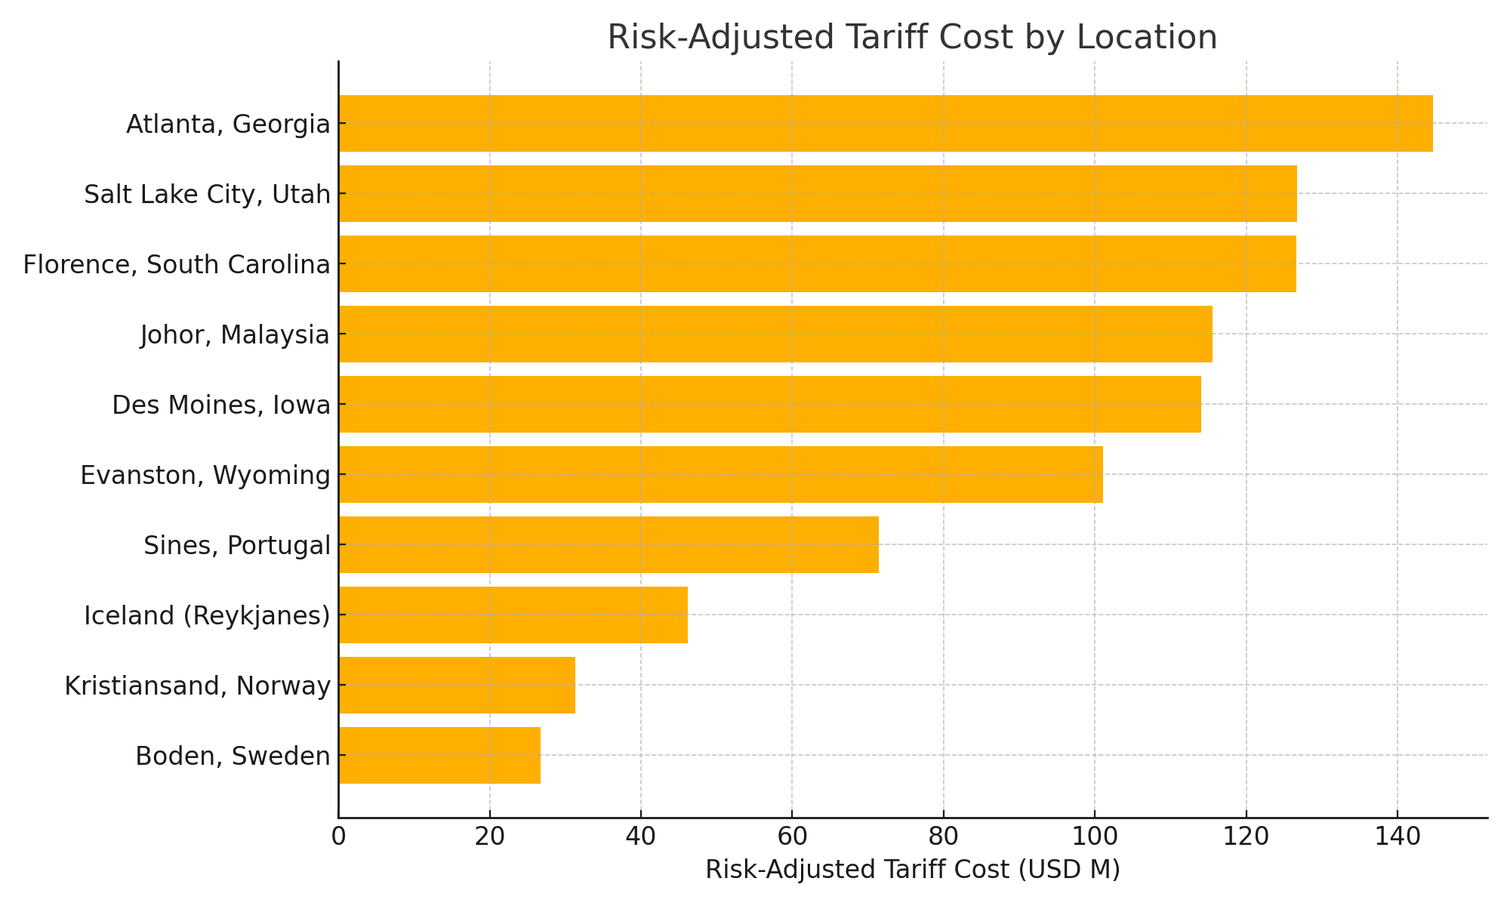
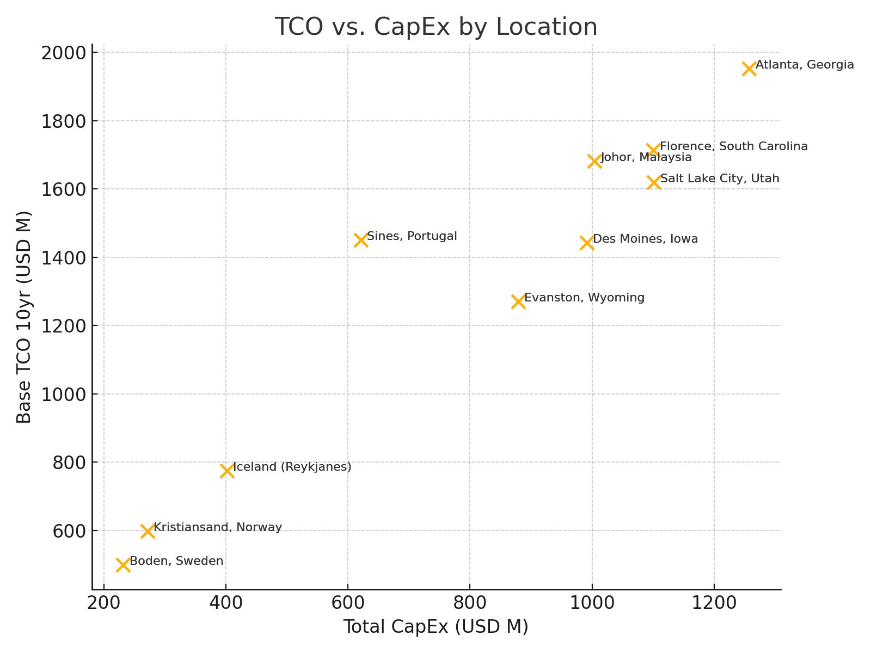
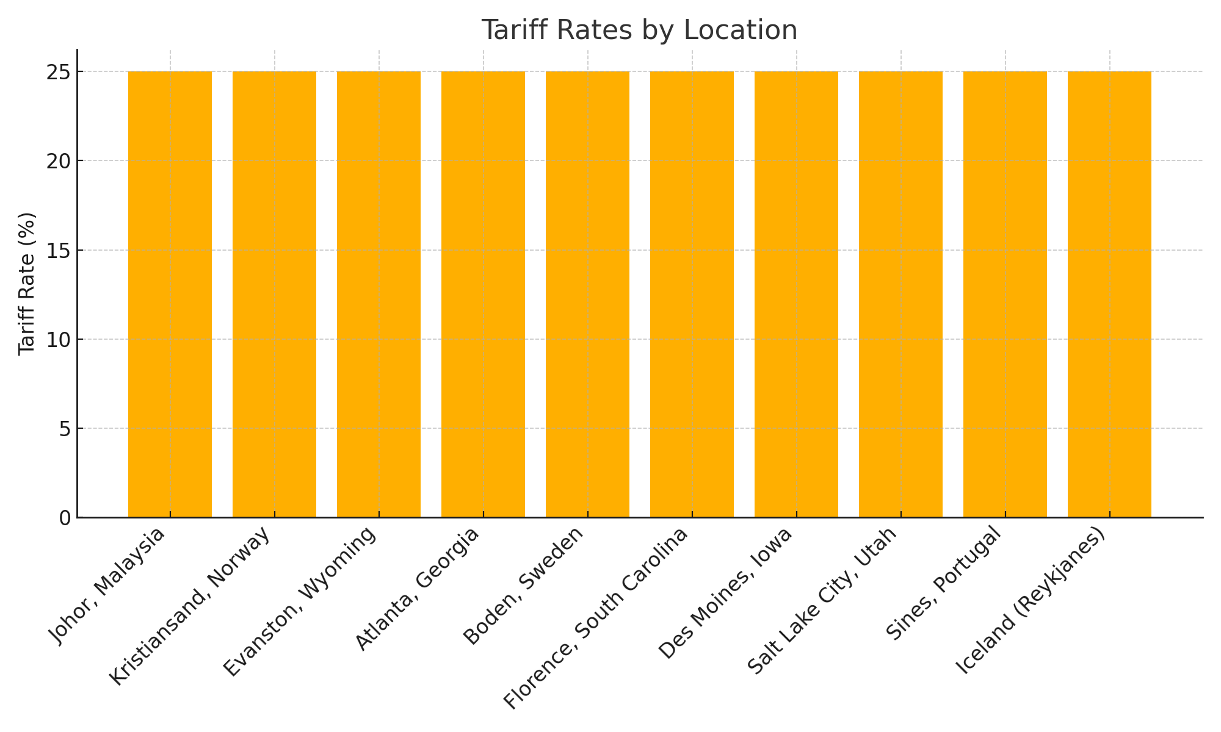
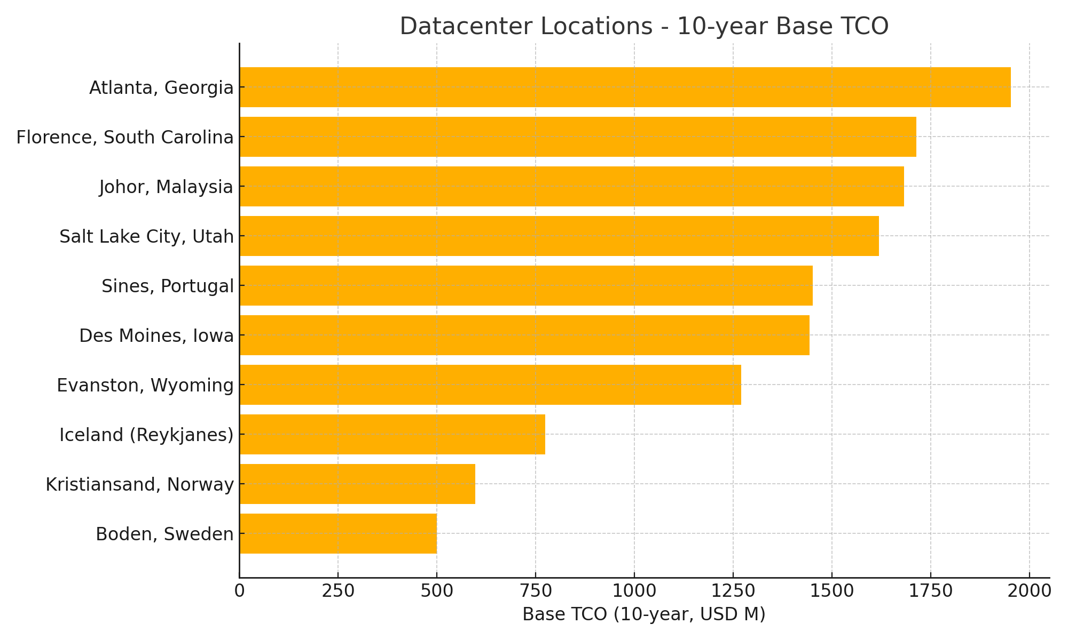
Location | Base TCO 10yr (USD M) | Total CapEx (USD M) | Tariff Rate (%) | Risk-Adj Tariff Cost (USD M)
Johor, Malaysia | 1681.8 | 1004.12 | 25 | 115.52
Kristiansand, Norway | 596.9 | 271.88 | 25 | 31.28
Evanston, Wyoming | 1270.2 | 878.69 | 25 | 101.09
Atlanta, Georgia | 1952.1 | 1257.35 | 25 | 144.65
Boden, Sweden | 499.5 | 231.99 | 25 | 26.69
Florence, South Carolina | 1713.4 | 1100.39 | 25 | 126.59
Des Moines, Iowa | 1443.2 | 991.46 | 25 | 114.06
Salt Lake City, Utah | 1619.1 | 1101.3 | 25 | 126.7
Sines, Portugal | 1450.7 | 621.27 | 25 | 71.47
Iceland (Reykjanes) | 774.1 | 401.49 | 25 | 46.19
Johor, Malaysia | 1681.8 | 1004.12 | 25 | 115.52
Kristiansand, Norway | 596.9 | 271.88 | 25 | 31.28
Evanston, Wyoming | 1270.2 | 878.69 | 25 | 101.09
Atlanta, Georgia | 1952.1 | 1257.35 | 25 | 144.65
Boden, Sweden | 499.5 | 231.99 | 25 | 26.69
Florence, South Carolina | 1713.4 | 1100.39 | 25 | 126.59
Des Moines, Iowa | 1443.2 | 991.46 | 25 | 114.06
Salt Lake City, Utah | 1619.1 | 1101.3 | 25 | 126.7
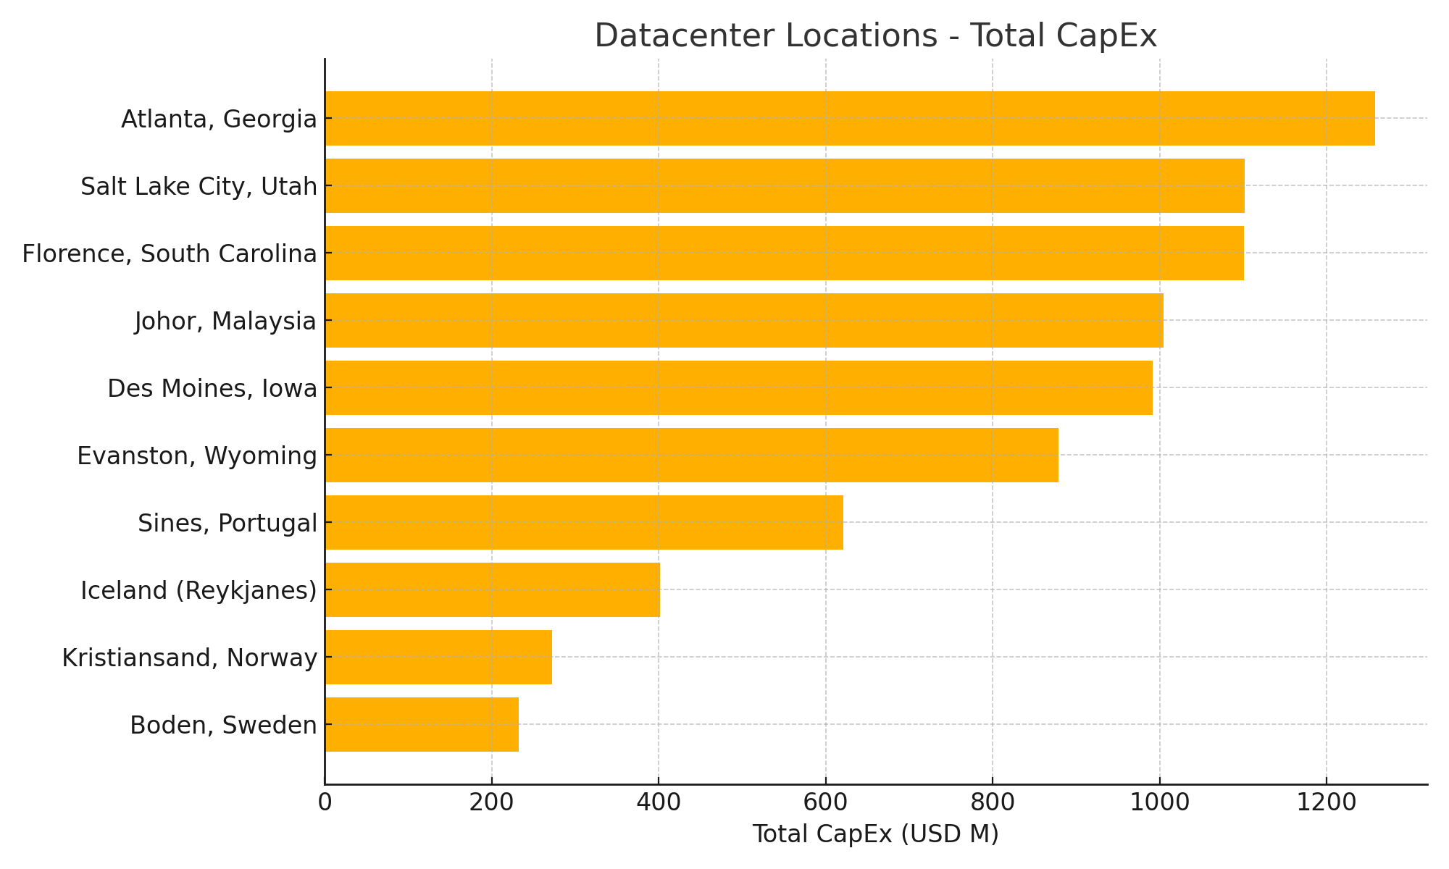
Sines, Portugal | 1450.7 | 621.27 | 25 | 71.47
Iceland (Reykjanes) | 774.1 | 401.49 | 25 | 46.19

