Sheet3
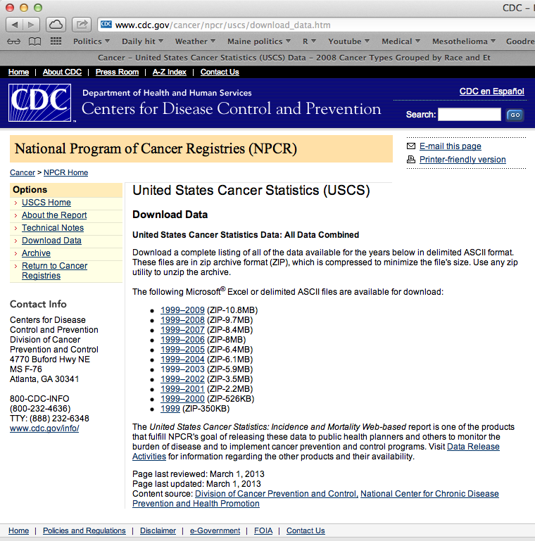
http://apps.nccd.cdc.gov/uscs/cancersbyraceandethnicity.aspx

