Dashboard
SUM of Sales
SUM of Sales

SUM of Profit vs. Category

dashboards
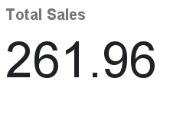
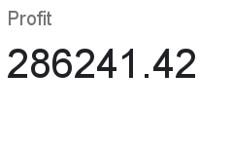

SUM of Sales
SUM of Profit vs. Category

