BOM
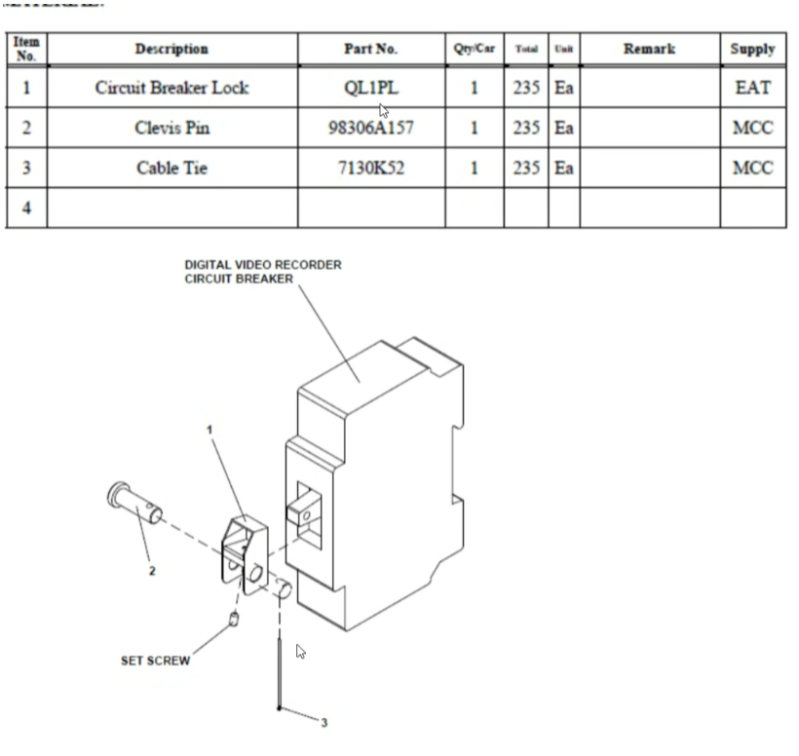
Item Number | Part Number | Description | Supplier | Component | Qty per LRV | No. of car | Total | Qty on Site | Shipped out of store | Qty should be remaining | Qty actually remaining | Notes | More needed for 50 | Back Order Qty | Order Status
1 | 10008207 | Violet Box | WTX | Violet (Wi-PU 820-C5NW1P1B) | 1 | 233 | 233 | 50 | 15 | 35 | 33 | 2 defected | 0
2 | 10007157 | Violet Installation Kit | WTX | Mounting Bracket - Violet Mounting Bracket P3010 Vehicle | 1 | 233 | 233 | 50 | 19 | 31 | 31 | all accounted | 0
3 | 10007388 | Violet Installation Kit | WTX | Cable Assembly - Wi-PU Power, Wi-PU P1 to Power Source-Unterminated (2M)NFPA130 | 1 | 233 | 233 | 50 | 19 | 31 | 31 |  | 0
4 | 10006853 | Violet Installation Kit | WTX | Antenna - Wideband, Surface Mount, Cellular x4, WLAN x2, GPS (1 Foot Pigtails) (5G) NFPA130 | 1 | 233 | 233 | 50 | 19 | 31 | 31 |  | 0
5 | 10005194 | Violet Installation Kit | WTX | Cable Assembly -(green) GPS Antenna Cable Extension, NFPA130 (2.5 M)(green) | 1 | 233 | 233 | 99 | 19 | 80 | 78 |  | -49
6 | 10005193 | Violet Installation Kit | WTX | Cable Assembly -(white) WLAN Antenna Cable Extension, NFPA130 (2.5 M)(white) | 2 | 233 | 466 | 198 | 38 | 160 | 155 | some used for testbench | -98
7 | 10005195 | Violet Installation Kit | WTX | Cable Assembly -(red) Cellular Antenna Cable Extension, NFPA130 (2.5 M)(red)) | 4 | 233 | 932 | 396 | 76 | 320 | 260 |  | -196
8 | 10007184 | Violet Installation Kit | WTX / Peacock | Cable Assembly -(all blue) Ethernet Cordset M12 Female 8 Pin A-code to M12 Male 4 Pin D-Code 2m (Violet to Switch for MDS) | 2 | 233 | 466 | 62 | 38 | 24 | 19 | 1 defected | 38
9 | 10007407 | Violet Installation Kit | WTX / Peacock | Cable Assembly - (teal) Wi-PU J3 to MVB Interface, DB9 Male and DB9 Female with J3 pass through (teal) | 1 | 233 | 233 | 50 | 19 | 31 | 31 |  | 0
10 | 10002736 | Violet Installation Kit | WTX | Cable Assembly - BTP/BTN to Wi-PU Circuit Breaker Wire Kit (35 ft) | 1 | 233 | 233 | 50 | 19 | 31 | 30 | 1 missing | 0
11 | 10006709 | Violet Installation Kit | WTX | Accessory - DC/DC Converter Input 24VDC (14-45Vdc) Output 72VDC | 1 | 233 | 233 | 50 | 19 | 31 |  |  | 0
12 | 10003595 - A2V00002885299 | Violet Installation Kit | WTX | J1 Tamper Resistant Seal Kit | 1 | 233 | 233 | 50 | 19 | 31 |  |  | 0
13 | 10002454 - A2V00002885301 | Violet Installation Kit | WTX | Cap Screw - 18-8 SS Fully Threaded Hex Head Cap Screw 1/4'' - 20, 9/16'' Length | 1 | 233 | 233 | 50 | 19 | 31 |  |  | 0
14 | 10002455 - A2V00002885302 | Violet Installation Kit | WTX | Washer - Split Lock Washer - 1/4'' 18-8 SS | 1 | 233 | 233 | 50 | 19 | 31 |  |  | 0
15 | 10005821 | Violet Installation Kit | WTX | Cable Assembly - Ground Strap 30" (Violet) | 1 | 233 | 233 | 50 | 19 | 31 |  |  | 0
16 | 10005333 | Violet Installation Kit | WTX | Screw - 5/16"-18 Thread Size, 3/4" Long, Zinc-Plated, Serrated Flanged Hex Head Screws, | 4 | 233 | 932 | 200 | 76 | 124 |  |  | 0
17 | 10002481 | Violet Installation Kit | WTX | Nut - Locking with Nylon Insert and Flange, Thin Hex Locknut 5/16"-18, 18-8 SS | 4 | 233 | 932 | 200 | 76 | 124 |  |  | 0
18 | 10007427 | Violet Installation Kit | WTX | Accessory - 18-8 Stainless Steel Split Lock Washer for M5 Screw Size, Standard, 5.4 mm ID, 9.2 mm OD | 8 | 233 | 1864 | 400 | 152 | 248 |  |  | 0
19 | 10007428 | Violet Installation Kit | WTX | Accessory - General Purpose 18-8 Stainless Steel Washer for M5 Screw Size, 5.300 mm ID, 9.000 mm OD | 8 | 233 | 1864 | 400 | 152 | 248 |  |  | 0
20 | 10007429 | Violet Installation Kit | WTX | Button Head Hex Drive Screw 18-8 Stainless Steel, M5 x 0.8 Thread Size, 15mm Long | 8 | 233 | 1864 | 400 | 152 | 248 |  |  | 0
21 | 10005332 | Violet Installation Kit | WTX | Nut - 5/16-18 Medium Strength Steel Serrated, Zinc Plated 4 | 4 | 233 | 932 | 100+ | 76 | #VALUE!
22 | 10005333 | Violet Installation Kit |  | Screw - 5/16"-18 Thread Size, 3/4" Long, Zinc-Plated, Serrated Flanged Hex Head Screws | 4 | 233 | 932 | 100+ | 76 | #VALUE!
29 | 10003869 | DC/DC Converter Installation Kit | WTX | #10-32 Bolt | 4 | 233 | 932 | 100+ | 76 | #VALUE!
30 | 10003043 | DC/DC Converter Installation Kit | WTX | #10 Washer | 4 | 233 | 932 | 100+ | 76 | #VALUE!
31 | 10000568 | DC/DC Converter Installation Kit | WTX | #10 Nylock Nut | 4 | 233 | 932 | 100+ | 76 | #VALUE!
32 | 10001206 | DC/DC Converter Installation Kit | WTX | 5/16” Flat Washer | 4 | 233 | 932 | 100+ | 76 | #VALUE!
33 | 3240018 | WTX Consumables | Peacock | Red Wire Ferrule Connector DIN 18 AWG | 1 | 233 | 233 |  | 19 | -19 |  | not needed?
34 | 2-34161-1 | WTX Consumables | Peacock | 14 AWG ring terminal | 4 | 233 | 932 | 500 | 76 | 424 |  | needs to be updated | -300
35 | PN18-8R-M | WTX Consumables | Peacock | 18 AWG ring terminal | 4 | 233 | 932 |  | 76 | -76 |  | not needed? 24C944 is used qty:1
36 | 888519026847 | WTX/WiFi Consumables | Peacock | 3M Water Contact indicator Tape | 0.3 | 233 | 69.9 |  | 5.7 | -5.7
37 | BT1M-M | WTX/WiFi Consumables | Peacock | Zip Ties - Cable Tie, 4 in L, 7/8 in Max Bundle Dia., Natural, Nylon 6/6, 18 lb Strength, 1000 PK | 0.05 | 233 | 11.65 | 1000 | 0.95 | 999.05 |  | Qty to be confirmed, order sample via P card | -997.5
38 | 211-502 | WTX/WiFi Consumables | Wago / Peacock | Name Tag Sleeves, Power cable | 0.2 | 233 | 46.6 |  | 3.8 | -3.8
39 | 211-503 | WTX/WiFi Consumables | Wago / Peacock | Name Tag Sleeves, Coax cable | 0.2 | 233 | 46.6 |  | 3.8 | -3.8
40 | 70-03A | WTX/WiFi Consumables | Peacock | 70-03A BOSTIK GLUE,CLADDING, BLACK 40 | 0.5 | 233 | 116.5 |  | 9.5 | -9.5 |  |  | 20
41 |  |  |  |  |  | 233 | 0 |  | 0 | 0
42 | 85263716 | WiFi Install Kit | H+S / VinnCorp | WiFi 5G Roof Antenna Cable Assembly | 4 | 233 | 932 | 80 | 76 | 4 |  |  | 120 |  | Expected Delivery 08/08. Need for Div 16 07/28
43 | 85263715 | WiFi Install Kit | H+S / VinnCorp | WiFi 5G AP Cable Assembly | 2 | 233 | 466 | 140 | 38 | 102 |  |  | -40
44 | 84123697 (1399.35.0002) | WiFi Install Kit | H+S / VinnCorp | SENCITY Omni-SR 3x3 MIMO Antenna - AP | 1 | 233 | 233 | 235 | 19 | 216 | 216 | all accounted | -185
45 | 85185385 (1399.19.0216) | WiFi Install Kit | H+S / VinnCorp | SENCITY Tram Multi 4x4 Cellular MIMO antenna - WiFi antenna | 1 | 233 | 233 | 235 | 19 | 216 |  |  | -185
46 | R1900 | WiFi Install Kit | Ericsson / VinnCorp | Cradlepoint, R1900 Router with WiFi (5G Modem) | 1 | 233 | 233 | 39 | 19 | 20 |  |  | 11
47 | DDR­120B24 | WiFi Install Kit | Mean well / Peacock | MEAN WELL DDR-120B-24 Power Supply | 1 | 233 | 233 |  | 19 | -19 |  |  | 10 |  | Need to update with QTY from Div 21
49 | QC6BP | WiFi Install Kit | Eaton / VinnCorp | Eaton Breaker mounting incl screw | 2 | 233 | 466 | 72 | 38 | 34 |  |  | 28 |  | Need to Update
50 | RTXE-14-600V-6 | WiFi Install Kit | Siemens | Wire, AWG14,Class1,600V in meters | 16 | 233 | 3728 |  | 304 | -304
51 | 3022276 | WiFi Install Kit | Peacock | END TERMINAL CLIPFIX 35-5 | 2 | 233 | 466 |  | 38 | -38 | 12 |  | 200
52 | A4D10000166209 | WiFi Install Kit | UMMF / Peacock | Wi-Fi Bracket | 1 | 233 | 233 | 233 | 19 | 214
53 | 8961K101 | WiFi Install Kit | McMaster / Peacock | Steel DIN 3 Rail, 4-7/8" Length | 1 | 233 | 233 | 235 | 19 | 216 |  |  | -185 |  | PN Updates
54 | AW15010 | WiFi Install Kit | Peacock | Ferrules (AWG16) | 6 | 233 | 1398 | 500 | 114 | 386 |  |  | -200
55 | 190750003 | WiFi Install Kit | Peacock | Ring Terminals awg 16-14 | 4 | 233 | 932 | 100 | 76 | 24 |  |  | 100
56 | 00232728 | WiFi Install Kit | Peacock | Acetone - 1 qt. | 0.5 | 233 | 116.5 | 1 | 9.5 | -8.5 |  | Buy for 1 month stock only | 24
57 | 170864-000 | WiFi Install Kit | Ericsson / VinnCorp | GPIO & Power Cable, 2×2, 20AWG - Cradlepoint cable | 1 | 233 | 233 |  | 19 | -19
58 | ZTRIM-232 | WTX/WiFi Consumables | Peacock | Rubber Edging: Style D, Neoprene, 25 ft Lg, 150°F Max. Temp. (F), 1/16 in Groove Wd | 4 | 233 | 932 |  | 76 | -76 |  | 200 ft
59 | 91280A134 |  | Peacock | M4x12 hex head screw | 4 | 233 | 932 | 250 | 76 | 174 |  | Part of Cradle Point Installation Packet | -50
60 | 98689A113 |  | Peacock | M4 flat washer | 4 | 233 | 932 | 250 | 76 | 174 |  | Part of Cradle Point Installation Packet | -50
61 | 91828A231 |  | Peacock | M4 hex safety nut | 4 | 233 | 932 | 250 | 76 | 174 |  | Part of Cradle Point Installation Packet | -50
62 | QL1PL | Breaker Lock | Eaton / VinnCorp | Circuit Breaker Lock | 1 | 233 | 233 | 20 | 19 | 1 |  |  | 30
63 | 98306A157 | Breaker Lock | Eaton / VinnCorp | Clevis Pin | 1 | 233 | 233 | 450 | 19 | 431 |  |  | -400
64 | 2011T921 | Breaker Lock | Eaton / VinnCorp | Wire Tamper Seal Tags | 1 | 233 | 233 |  | 19 | -19 |  | Need to update
64 | 2011T921 | Breaker Lock | Eaton / VinnCorp | Ring Terminal AWG 16 | 1 | 233 | 233 |  | 19 | -19
65 | QC1010 | WiFi Install Kit | Eaton / VinnCorp | Eaton Circuit Breaker | 2 | 233 | 466 | 100 | 38 | 62 |  |  | 0
67 | 91280A330 | AP Installation |  | M6x20 Hex screw Zinc Plated | 2 | 233 | 466 | 200 | 38 | 162
68 | 91166A250 | AP Installation |  | M6 flat washer zinc plated | 4 | 233 | 932 | 200 | 76 | 124
69 | 94645A205 | AP Installation |  | M6 Nylon-insert locknut zinc plated | 2 | 233 | 466 | 200 | 38 | 162
 | SD64BS203 | WiFi Install Kit |  | Rivet | 4 | 233 | 932 |  | 76 | -76
 |  |  |  |  |  |  |  |  | 0 | 0
TOOLS |  |  |  |  |  |  |  |  | 0 | 0
1 | 64933 |  |  | Scotch Brite Sand Pad | 1 |  |  |  | 19 | -19
2 | S3TL-H15-16WR |  |  | Slotted socket | 1 |  |  |  | 19 | -19
3 |  |  |  | Torque Stripe | 1 |  |  |  | 19 | -19
 |  |  |  |  |  |  |  |  | 0 | 0
 |  |  |  |  |  |  |  |  | 0 | 0
Notes: | Below is added after comments from Engineering team |  |  |  |  |  |  |  | 0 | 0
62 | BNJ56PN10 | WiFi Install Kit |  | 10 ring terminal | 4 | 233 | 932 |  | 76 | -76

23 | 10006484 | Violet Installation Kit | WTX | Flyer - QR Code Wi-Tronix Customer Portal General | 1 | 233 | 233 |  | 19 | -19
24 | 10007618 | DC/DC Converter Installation Kit | WTX | Label for Violet Power Supply | 1 | 233 | 233 |  | 19 | -19 |  | Will not be attached to the equipment
25 | 10007619 | DC/DC Converter Installation Kit | WTX | Label - IDCS Violet E1 Port | 1 | 233 | 233 |  | 19 | -19 |  | Will not be attached to the equipment
26 | 10007620 | DC/DC Converter Installation Kit | WTX | Label-NTRON Switch Port 11 | 1 | 233 | 233 |  | 19 | -19 |  | Will not be attached to the equipment
27 | 10007621 | DC/DC Converter Installation Kit | WTX | Label IDCS Violet J7 Port | 1 | 233 | 233 |  | 19 | -19 |  | Will not be attached to the equipment
28 | 10007622 | DC/DC Converter Installation Kit | WTX | Label LAN4B MOXA Switch Port 11 | 1 | 233 | 233 |  | 19 | -19 |  | Confirm with Anthony; Will not be attached to the equipment

