Admin Positif & Negatif CRUD
Modul | Test Case (Positif/Negatif) | Expected Result | Status | Screenshot Bukti
Login | Login Negatif (Password Salah) | Muncul pesan error kredensial | Pass | 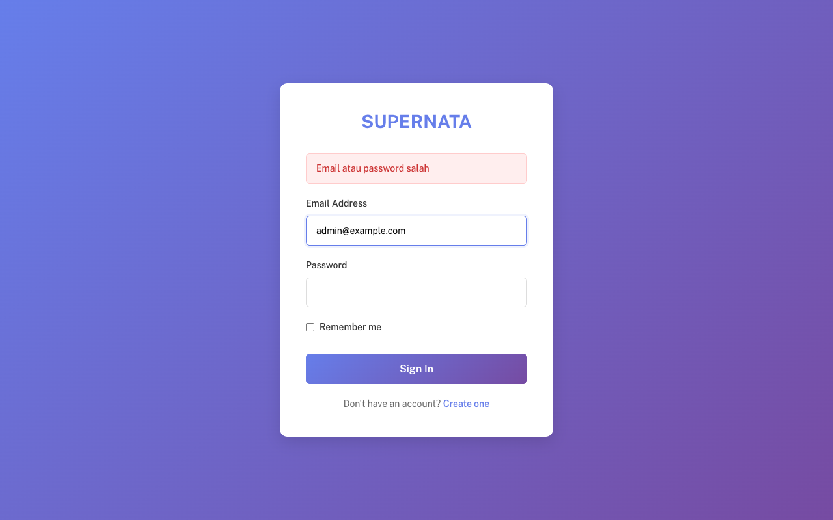
Login | Login Positif (Kredensial Valid) | Redirect ke Dashboard | Pass | 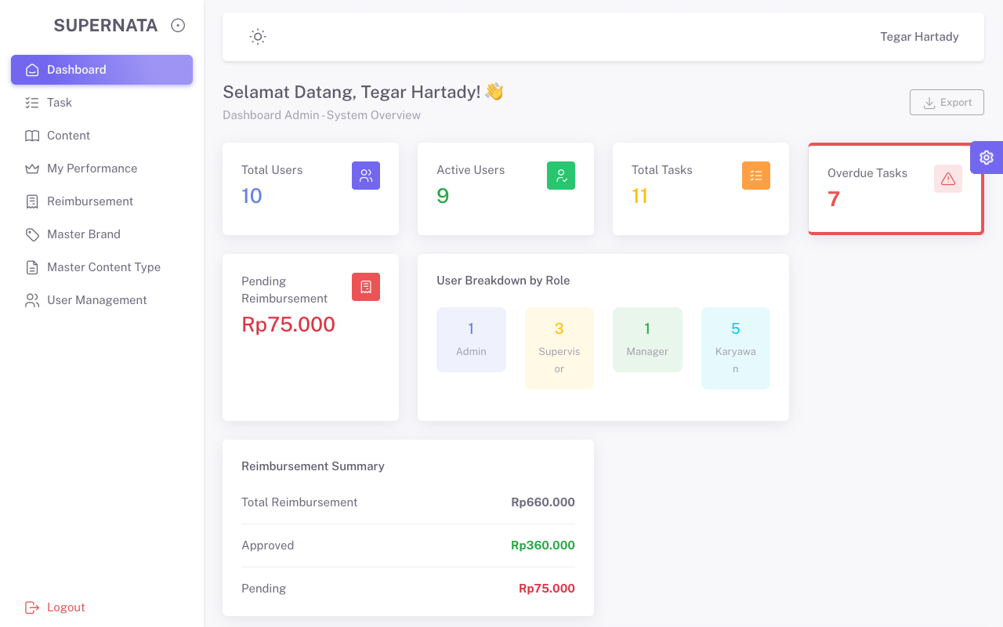
Sidebar: Dashboard | Klik menu | Terbuka (HTTP 200) | Pass | 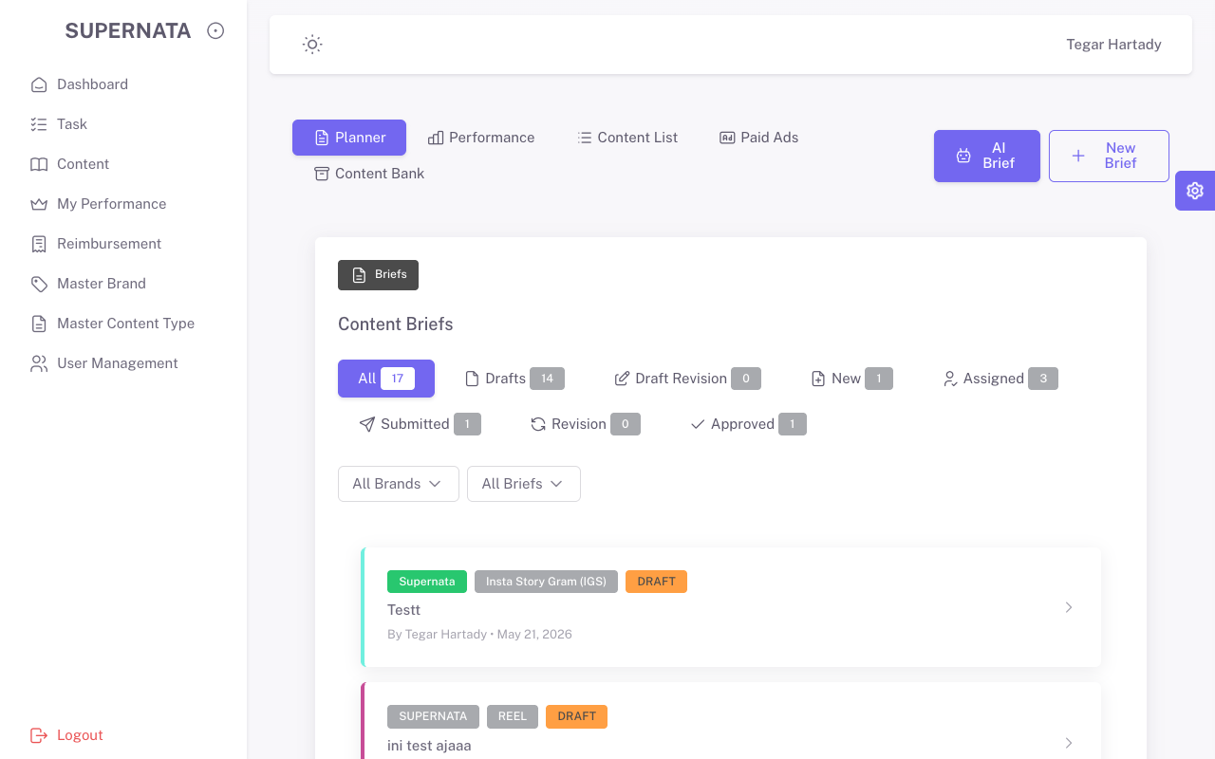
Sidebar: Task | Klik menu | Terbuka (HTTP 200) | Pass | 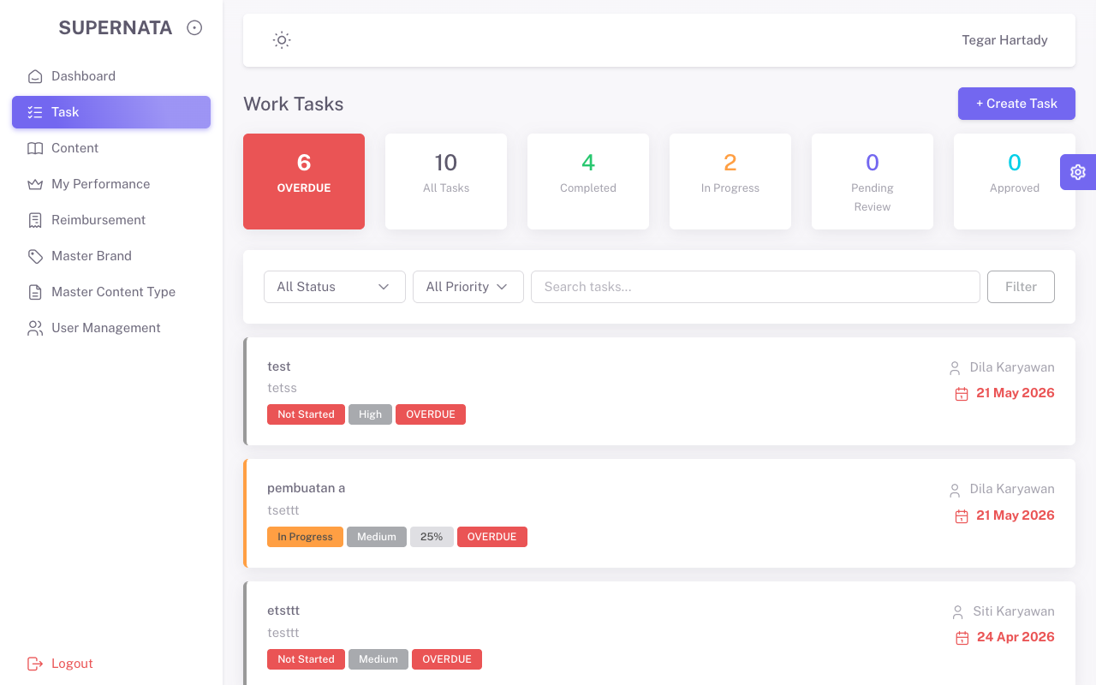
Sidebar: Content | Klik menu | Terbuka (HTTP 200) | Pass | 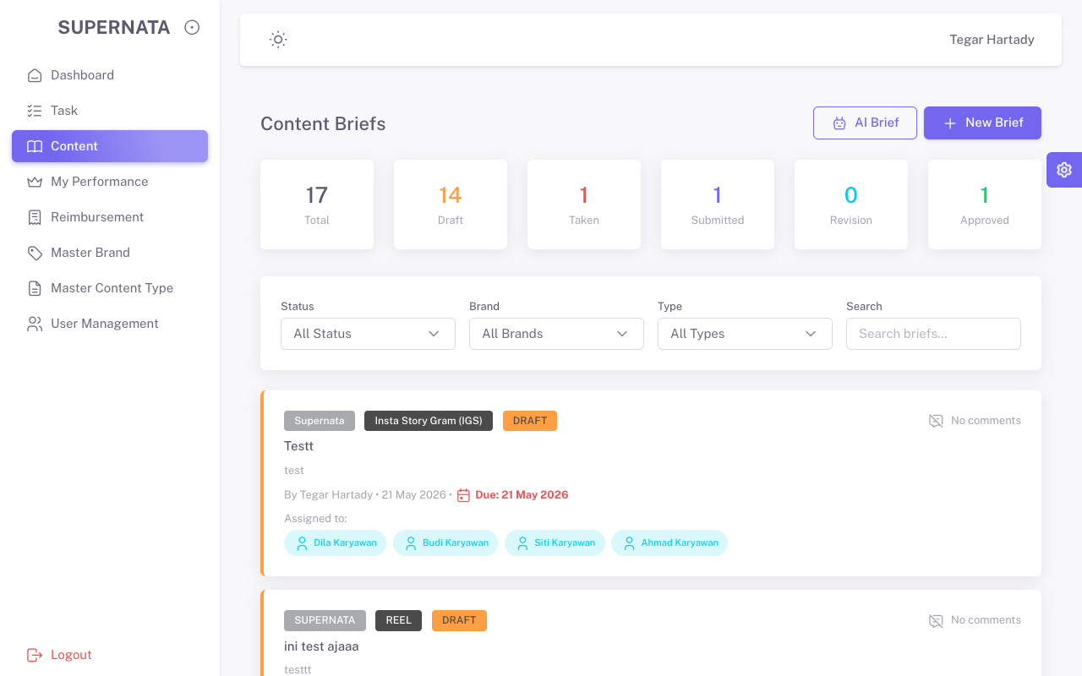
Sidebar: My Performance | Klik menu | Terbuka (HTTP 200) | Pass | 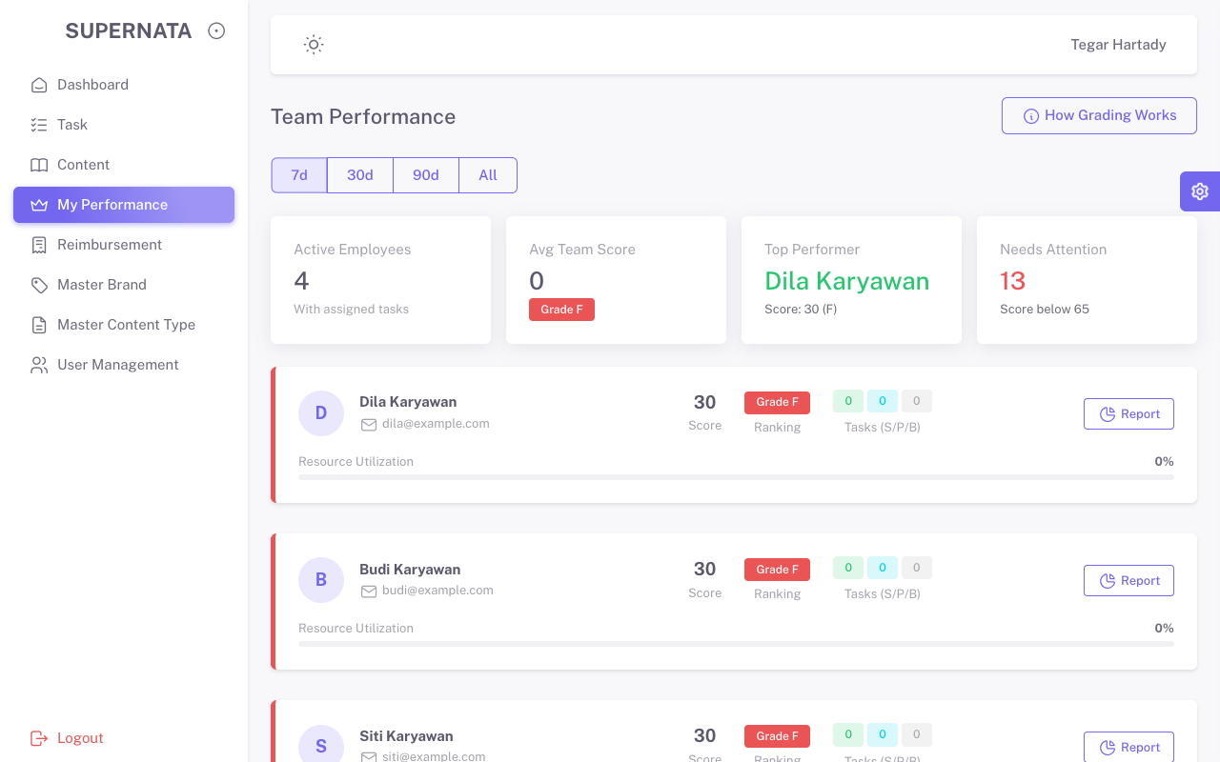
Sidebar: Reimbursement | Klik menu | Terbuka (HTTP 200) | Pass | 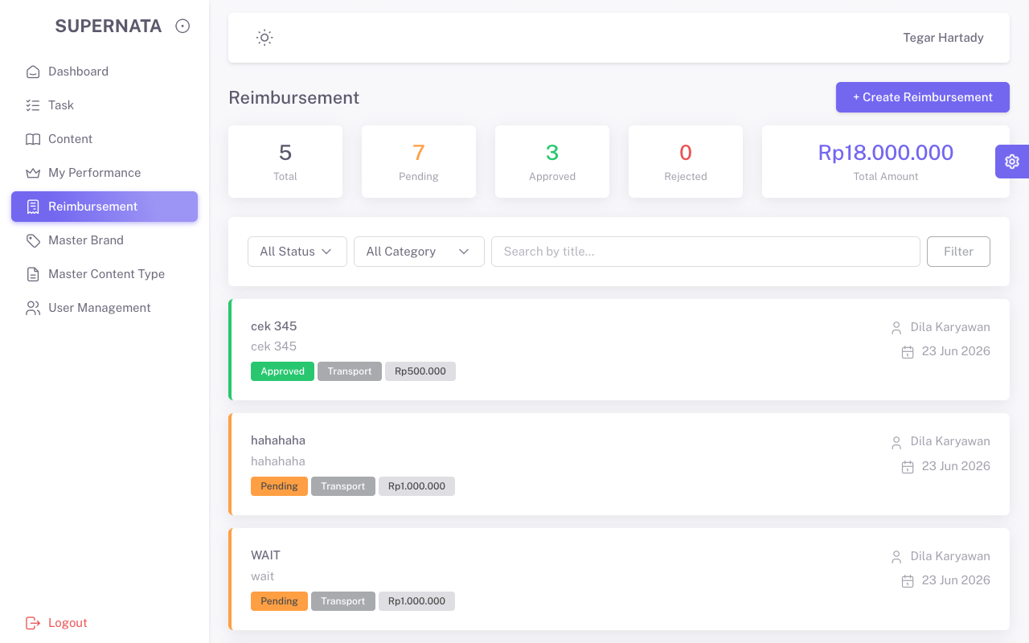
Sidebar: Master Brand | Klik menu | Terbuka (HTTP 200) | Pass | 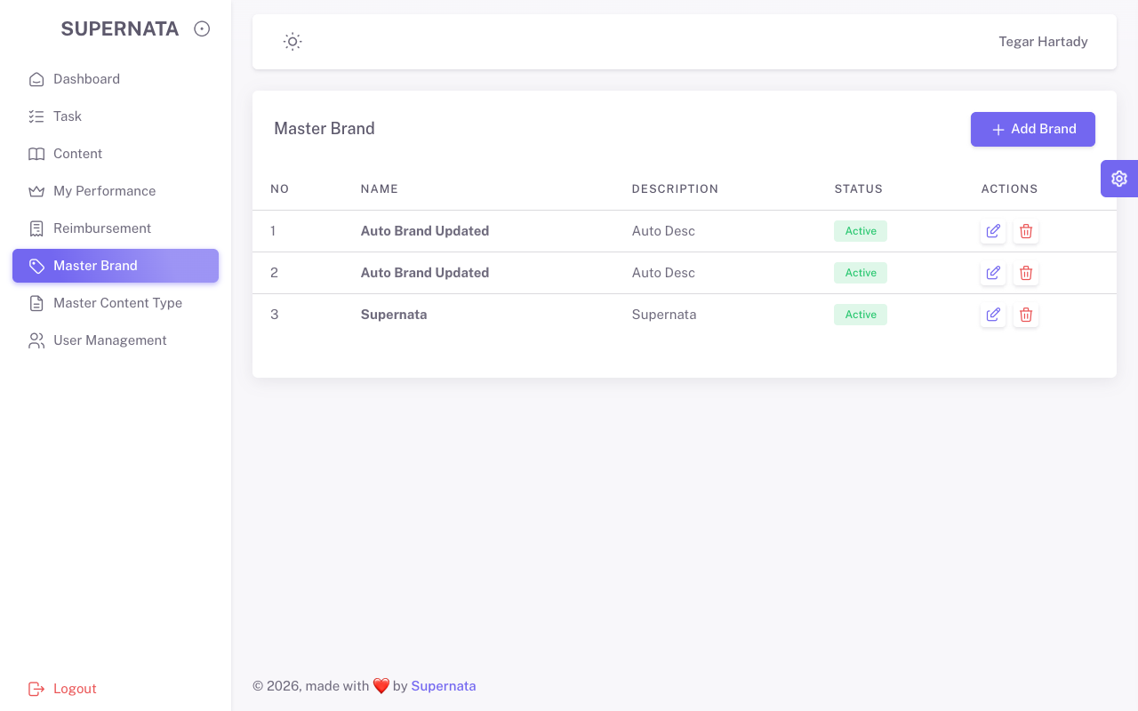
Sidebar: Master Content Type | Klik menu | Terbuka (HTTP 200) | Pass | 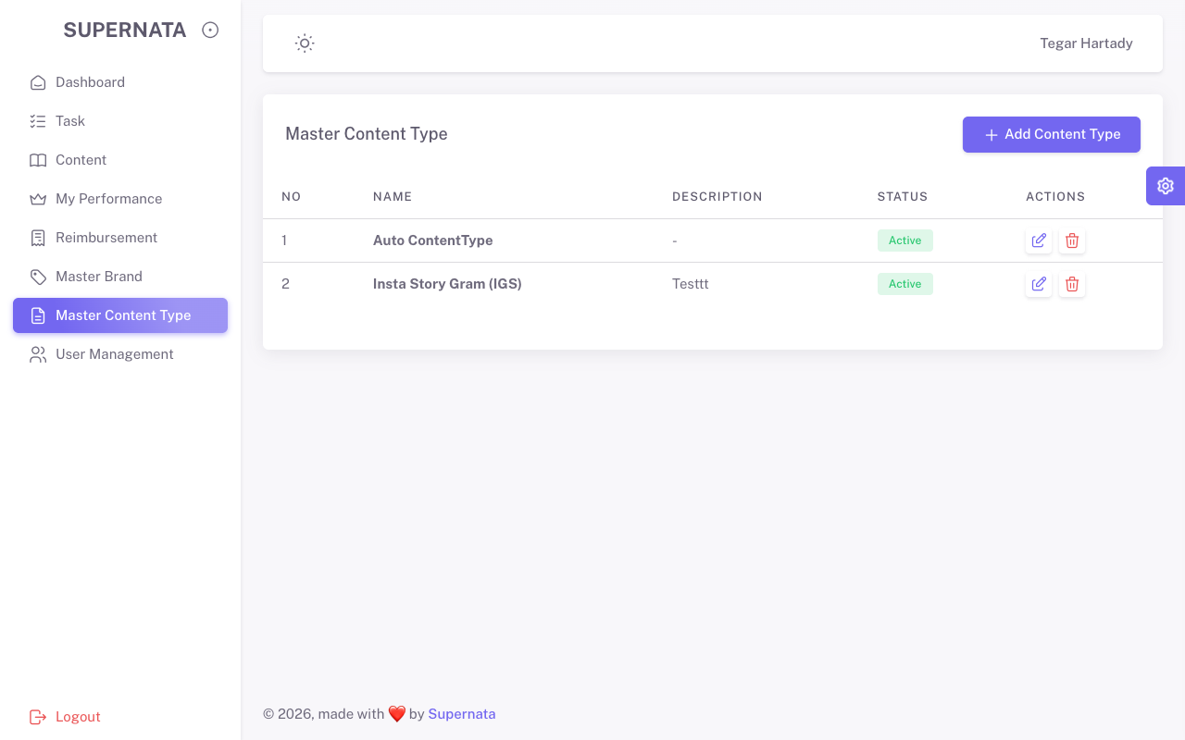
Sidebar: User Management | Klik menu | Terbuka (HTTP 200) | Pass | 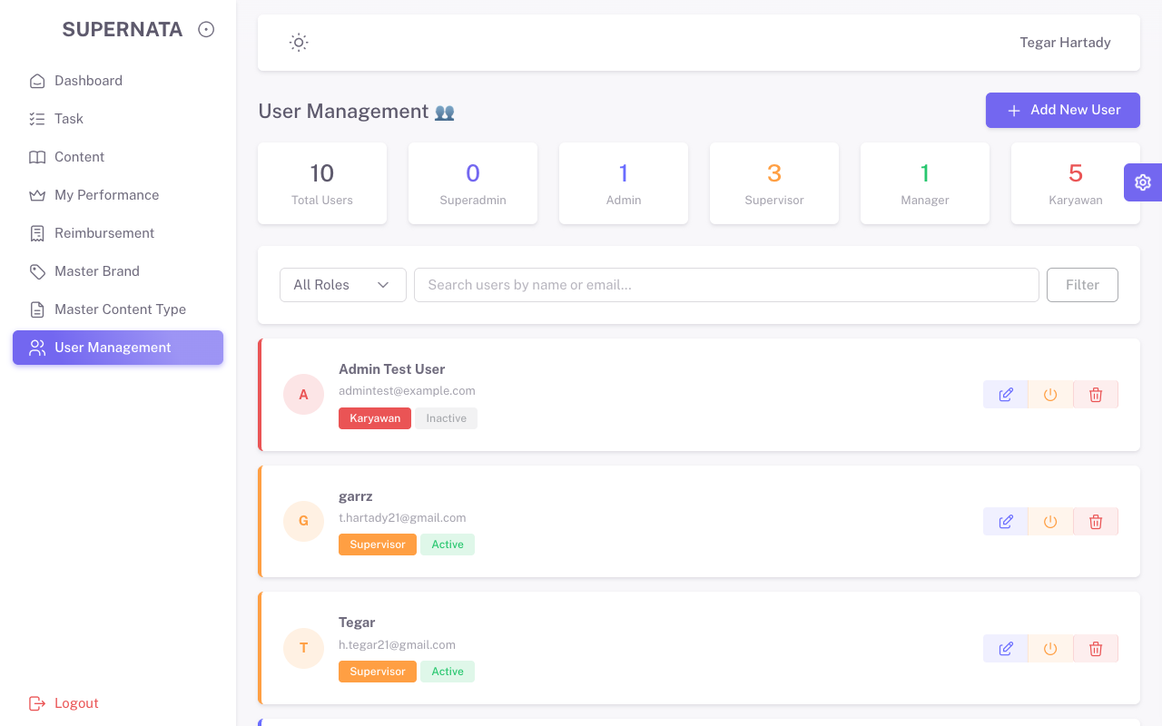
User Management | Negatif Test: Create User Form Kosong | Muncul error validasi | Pass | 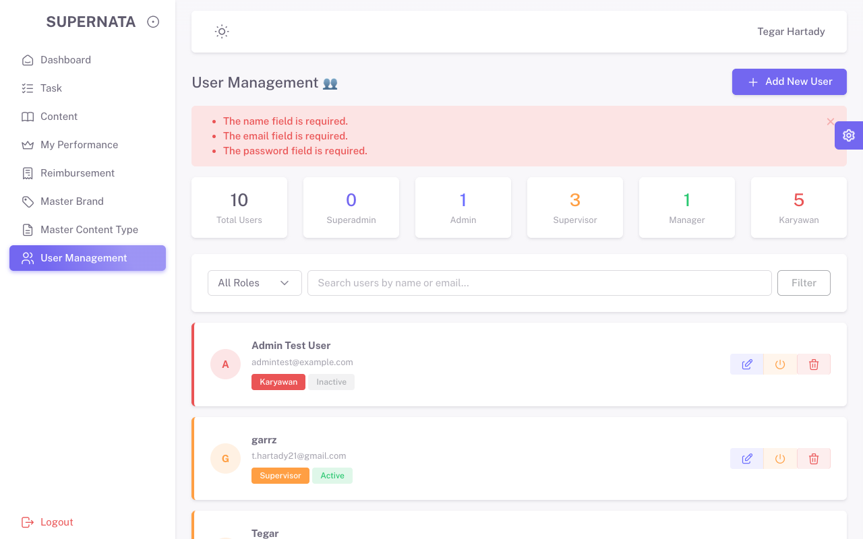
User Management | Positif Test: Create User Valid | Data berhasil dibuat | Pass | 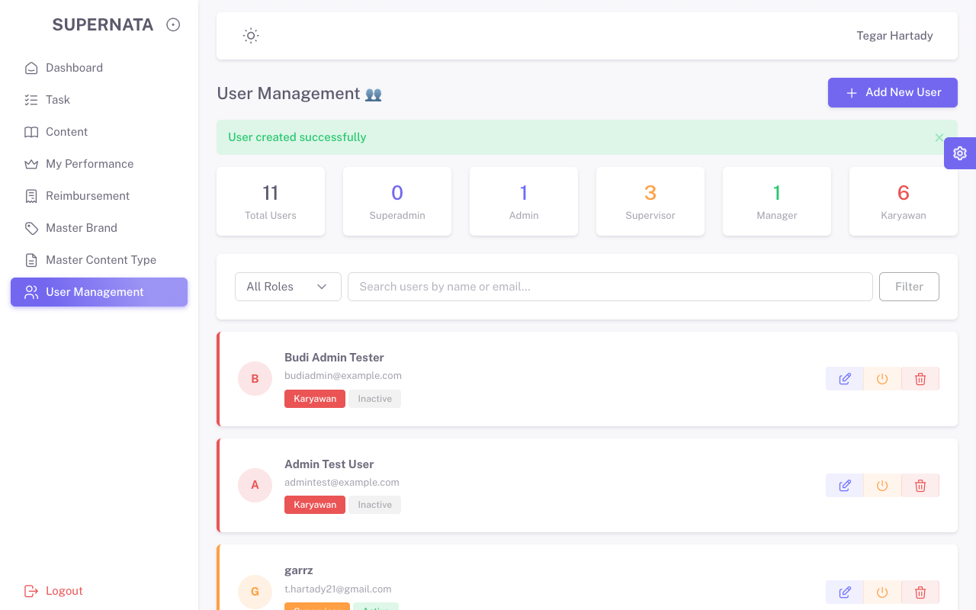
User Management | Positif Test: Update User | Data berhasil diubah | Pass | 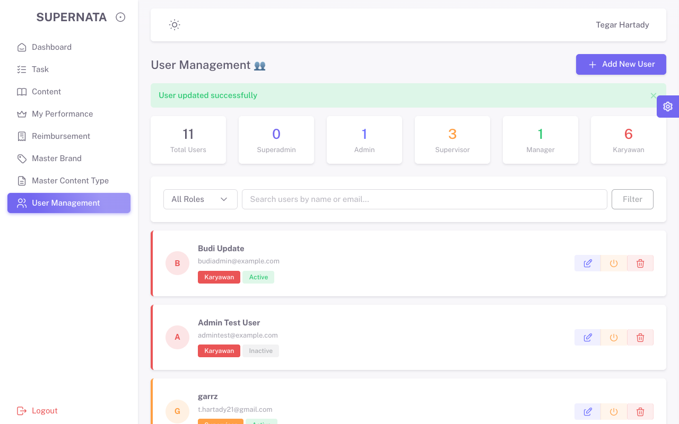
User Management | Positif Test: Delete User | Data terhapus | Pass | 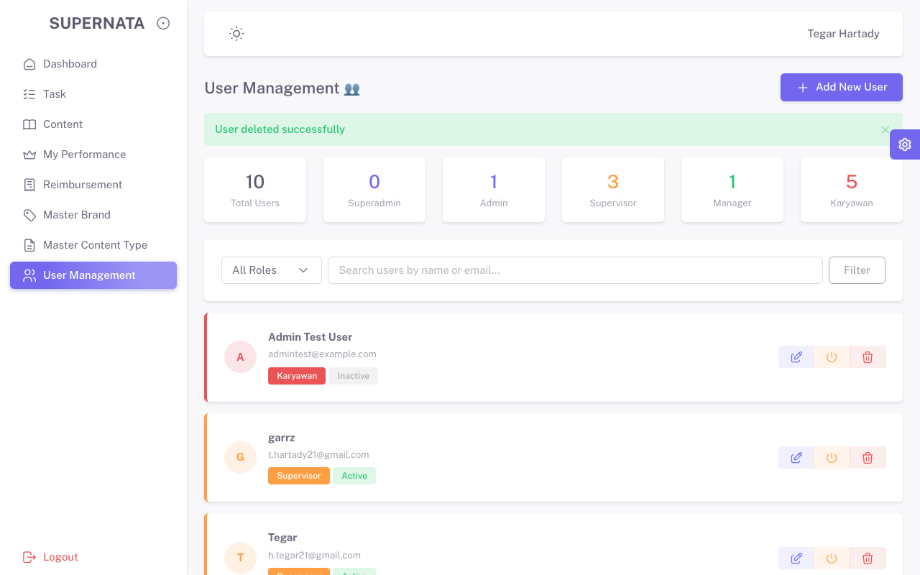
Master Brand | Negatif Test: Create Brand Form Kosong | Muncul error validasi | Pass
Master Brand | Positif Test: Create Brand | Data berhasil dibuat | Pass | 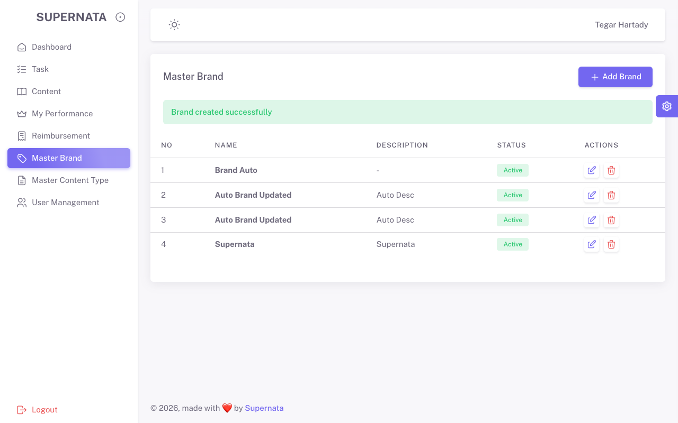
Master Brand | Positif Test: Update Brand | Data berhasil diubah | Pass | 

