Admin QA Matrix
ID Test Case | Fitur | Modul | Tipe Test | Pra-kondisi | Langkah-langkah | Data Uji | Hasil yang Diharapkan | Hasil Aktual | Status | Bukti Screenshot
TC1.1 | Authentication | Login | Negatif | Akses Halaman Login | Kosongkan form, klik login | Kosong | Muncul error validasi email/pass wajib | Error validasi muncul | 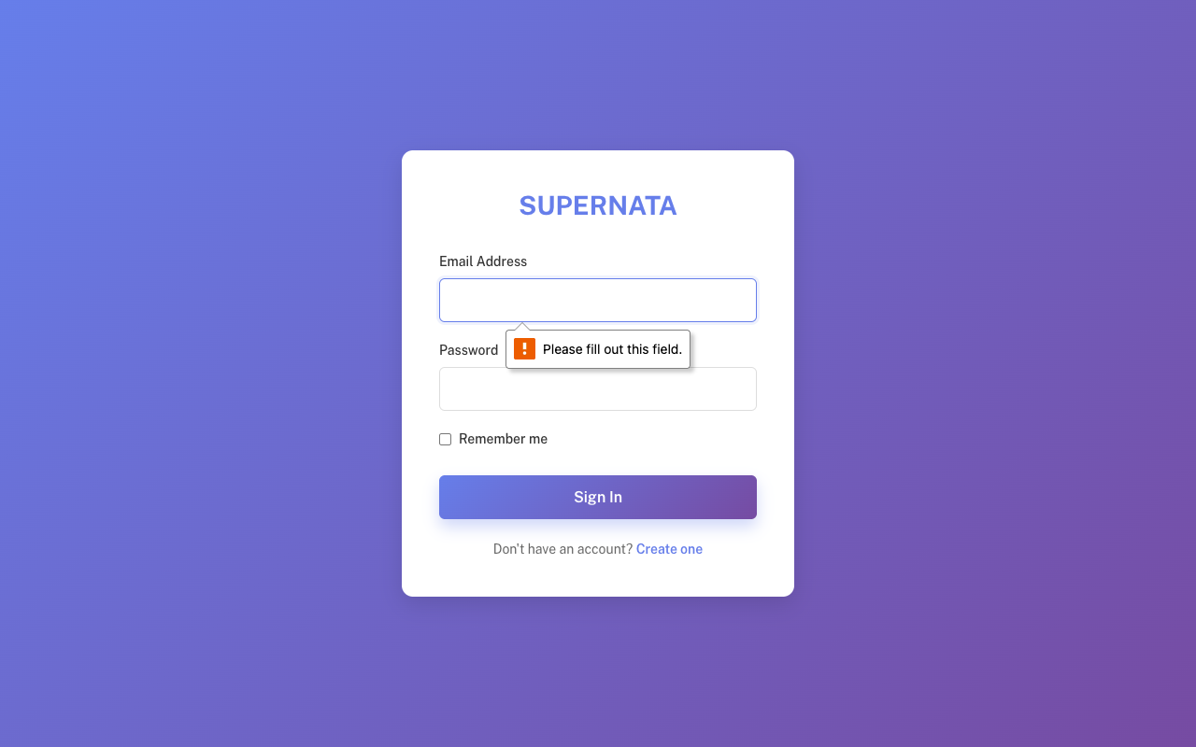 Pass | /Users/tegarhartady/Documents/Template/vuexy-admin-v10.5.0.1/html-laravel-version/Bootstrap5/webpack-mix(deprecated)/starter-kit/screenshots_qa_admin/TC1.1_Neg.png
TC1.2 | Authentication | Login | Negatif | Form Login | Isi email valid, password salah | admin@example.com / salahpassword | Gagal login, muncul alert | Gagal dan alert muncul | 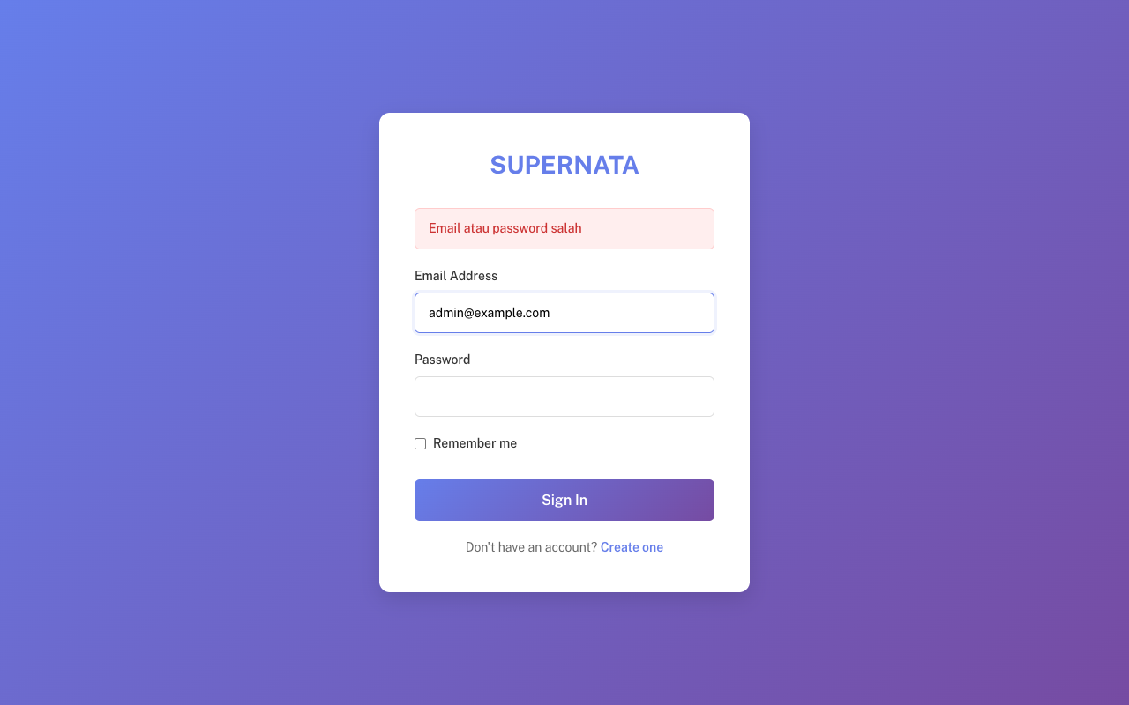 Pass | /Users/tegarhartady/Documents/Template/vuexy-admin-v10.5.0.1/html-laravel-version/Bootstrap5/webpack-mix(deprecated)/starter-kit/screenshots_qa_admin/TC1.2_Neg.png
TC1.3 | Authentication | Login | Positif | Form Login | Isi kredensial benar | admin@example.com | Login sukses, dialihkan ke Dashboard | Sukses dialihkan | 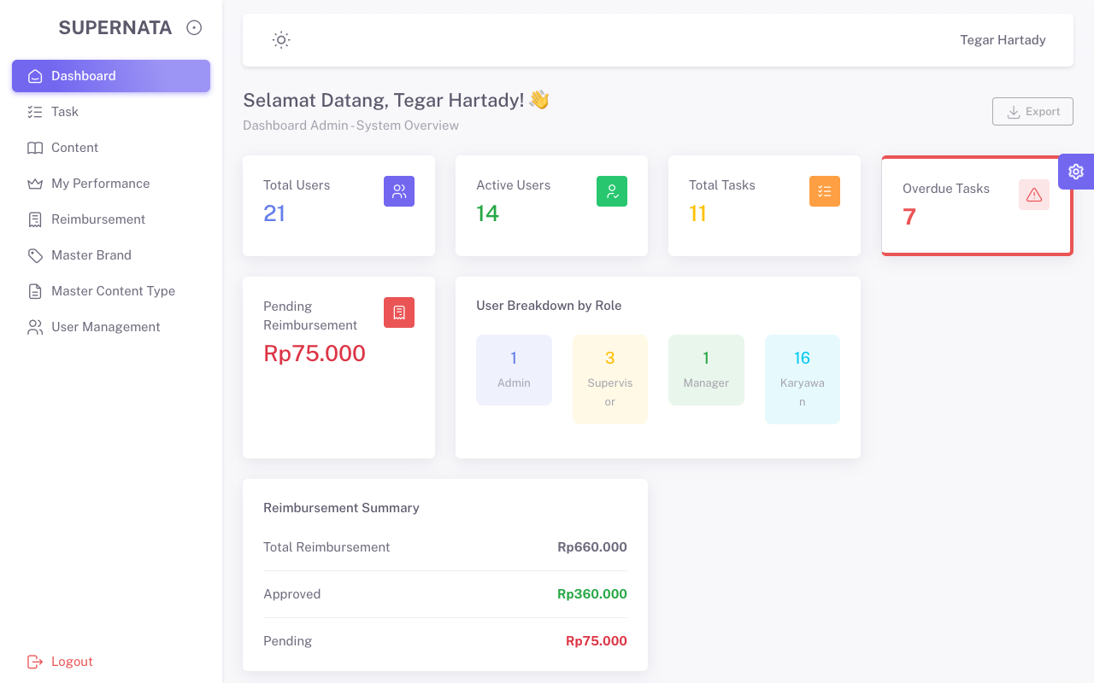 Pass | /Users/tegarhartady/Documents/Template/vuexy-admin-v10.5.0.1/html-laravel-version/Bootstrap5/webpack-mix(deprecated)/starter-kit/screenshots_qa_admin/TC1.3_Pos.png
TC2.1 | Navigation | Dashboard | Positif | Login sbg Admin | Buka Dashboard Admin | - | Halaman Dashboard tampil | Tampil sukses | Pass | /Users/tegarhartady/Documents/Template/vuexy-admin-v10.5.0.1/html-laravel-version/Bootstrap5/webpack-mix(deprecated)/starter-kit/screenshots_qa_admin/TC2.1_Pos.png
TC2.2 | Navigation | My Performance | Positif | Menu samping | Klik menu My Performance | - | Halaman My Performance tampil | Tampil sukses | 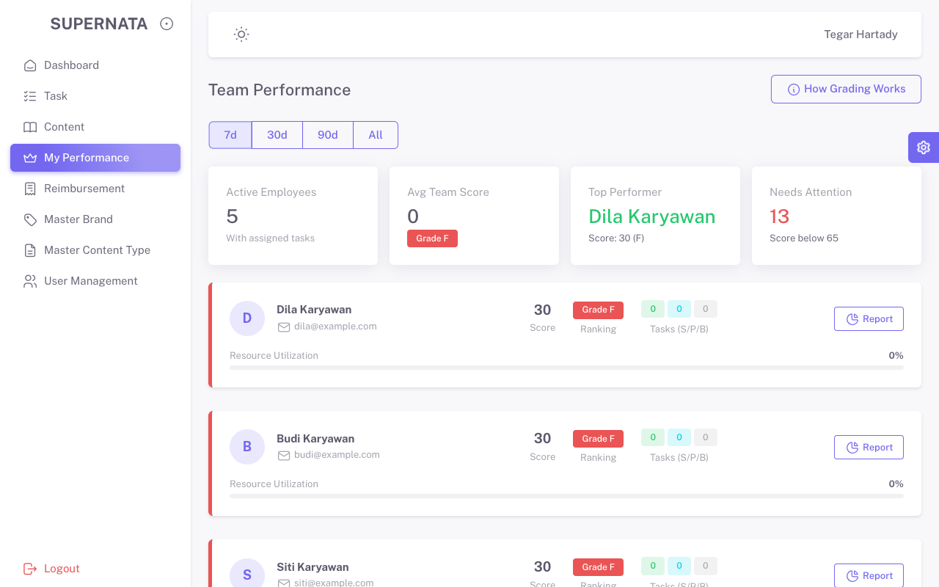 Pass | /Users/tegarhartady/Documents/Template/vuexy-admin-v10.5.0.1/html-laravel-version/Bootstrap5/webpack-mix(deprecated)/starter-kit/screenshots_qa_admin/TC2.2_Pos.png
TC3.0 | Navigation | User Management | Positif | Menu samping | Klik User Management | - | List User Tampil | Tampil sukses | 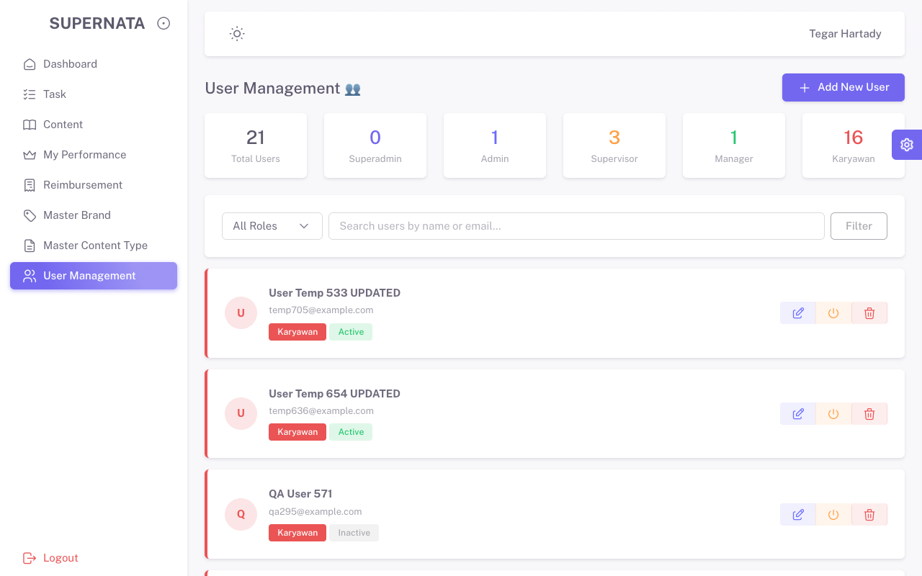 Pass | /Users/tegarhartady/Documents/Template/vuexy-admin-v10.5.0.1/html-laravel-version/Bootstrap5/webpack-mix(deprecated)/starter-kit/screenshots_qa_admin/TC3.0_Pos.png
TC3.1 | CRUD | User Management | Negatif | Modal Add User | Kosongkan form, klik submit | Kosong | Muncul error HTML5 / Validasi | Validasi muncul, form ditolak | 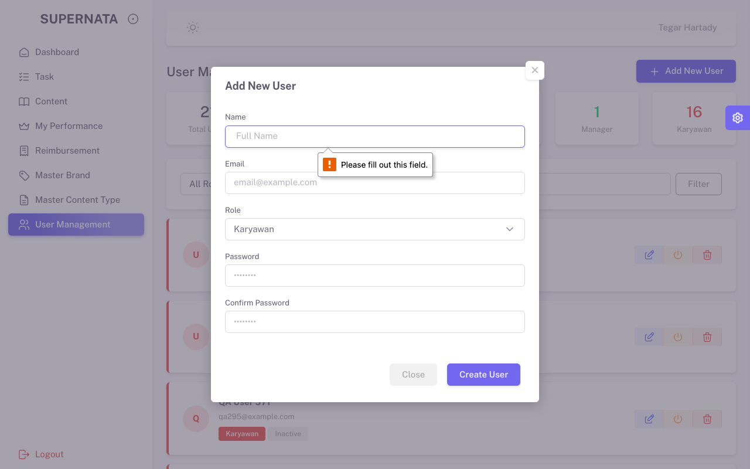 Pass | /Users/tegarhartady/Documents/Template/vuexy-admin-v10.5.0.1/html-laravel-version/Bootstrap5/webpack-mix(deprecated)/starter-kit/screenshots_qa_admin/TC3.1_Neg.png
TC3.2 | CRUD | User Management | Positif | Form Create Valid | Isi form dengan lengkap dan benar | User Temp 260 | User berhasil dibuat (muncul di tabel) | User terbuat | 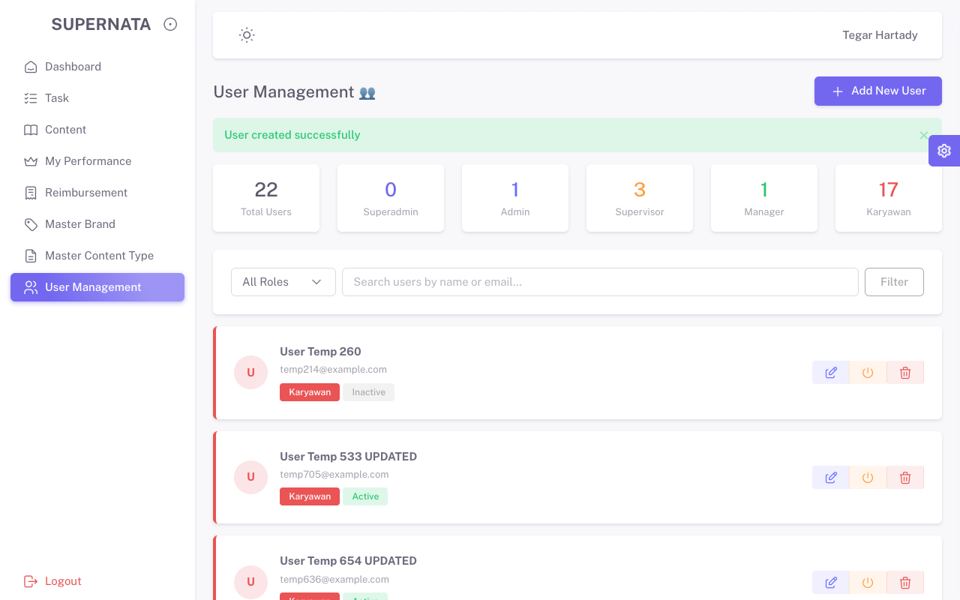 Pass | /Users/tegarhartady/Documents/Template/vuexy-admin-v10.5.0.1/html-laravel-version/Bootstrap5/webpack-mix(deprecated)/starter-kit/screenshots_qa_admin/TC3.2_Pos.png
TC3.3 | CRUD | User Management | Positif | Modal Edit User | Ubah data, submit | Nama + UPDATED | Data berubah | Sukses berubah | 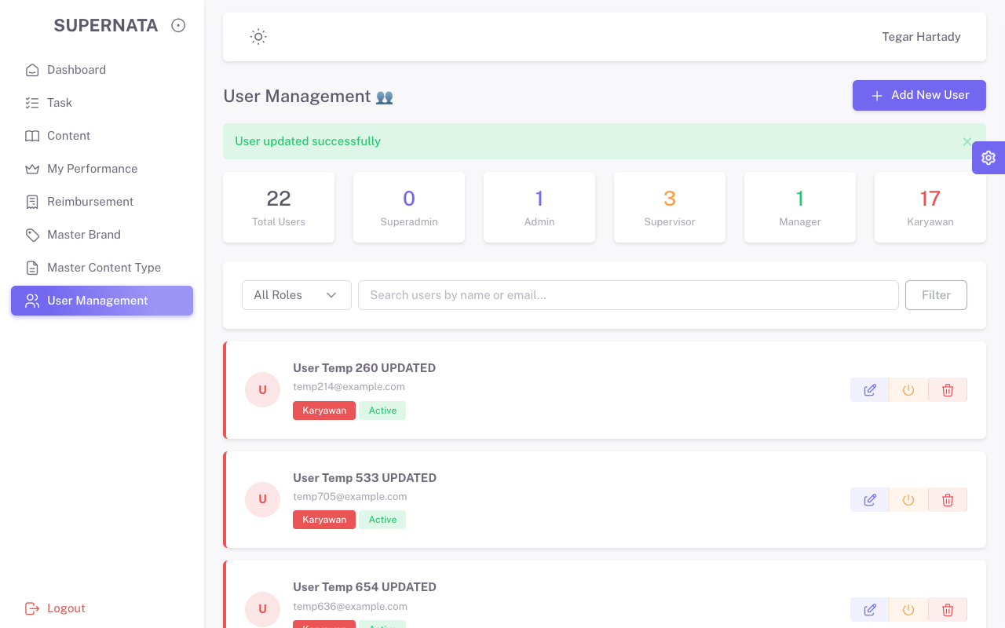 Pass | /Users/tegarhartady/Documents/Template/vuexy-admin-v10.5.0.1/html-laravel-version/Bootstrap5/webpack-mix(deprecated)/starter-kit/screenshots_qa_admin/TC3.3_Pos.png
TC3.4 | CRUD | User Management | Positif | Data terpilih | Klik Delete dan Konfirmasi | - | Data terhapus dari sistem | Berhasil dihapus | 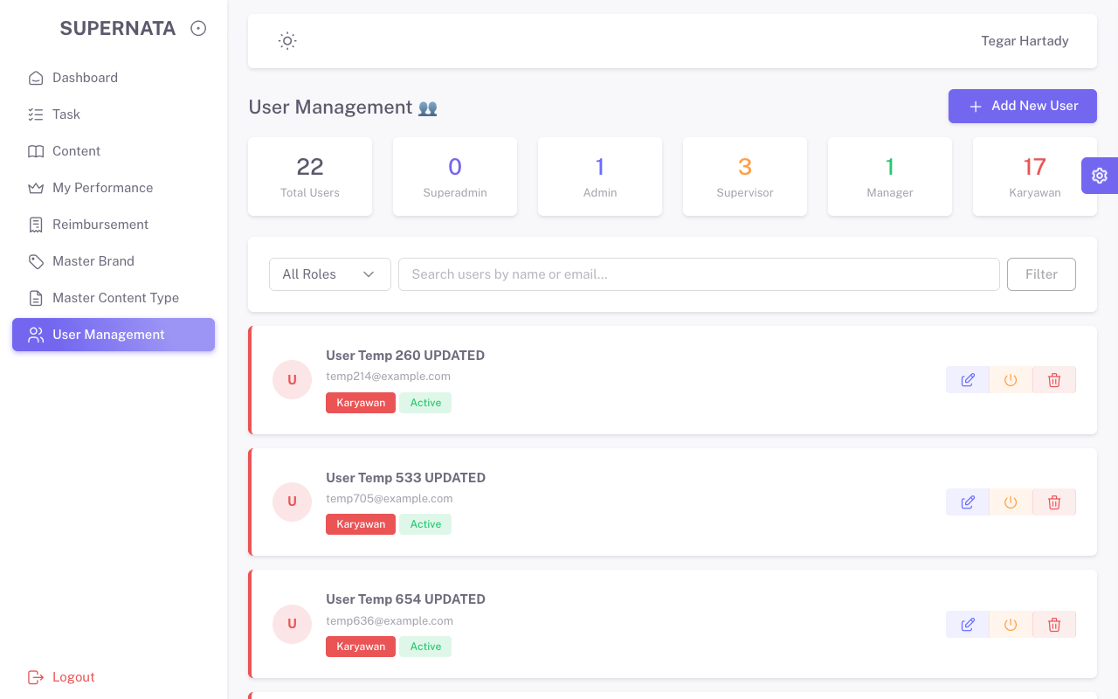 Pass | /Users/tegarhartady/Documents/Template/vuexy-admin-v10.5.0.1/html-laravel-version/Bootstrap5/webpack-mix(deprecated)/starter-kit/screenshots_qa_admin/TC3.4_Pos.png
TC4.0 | Navigation | Master Brand | Positif | Menu samping | Klik Master Brand | - | List Brand Tampil | Tampil sukses | 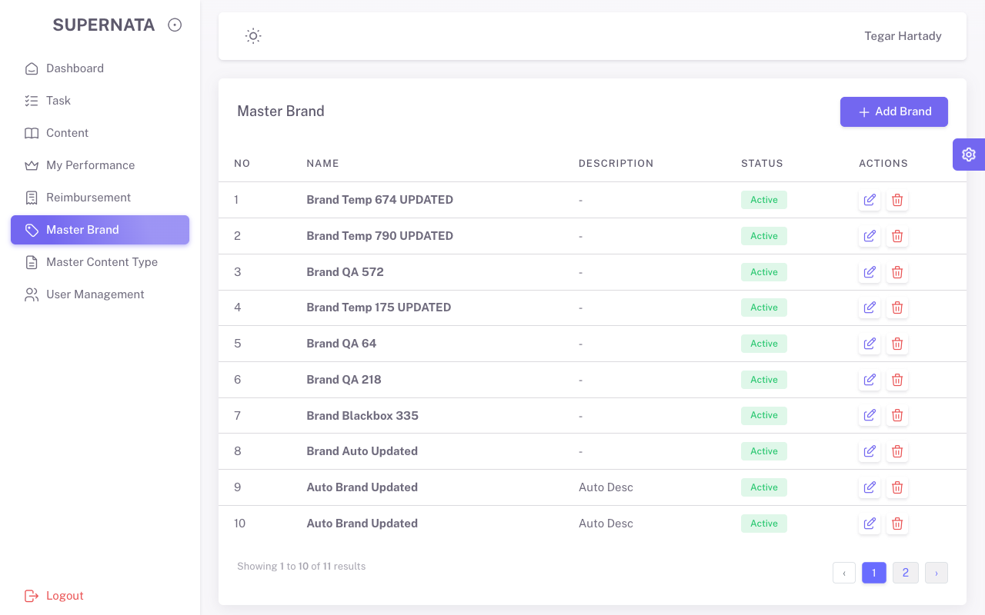 Pass | /Users/tegarhartady/Documents/Template/vuexy-admin-v10.5.0.1/html-laravel-version/Bootstrap5/webpack-mix(deprecated)/starter-kit/screenshots_qa_admin/TC4.0_Pos.png
TC4.1 | CRUD | Master Brand | Negatif | Modal Add Brand | Kosongkan form, submit | Kosong | Validasi error muncul | Validasi muncul | 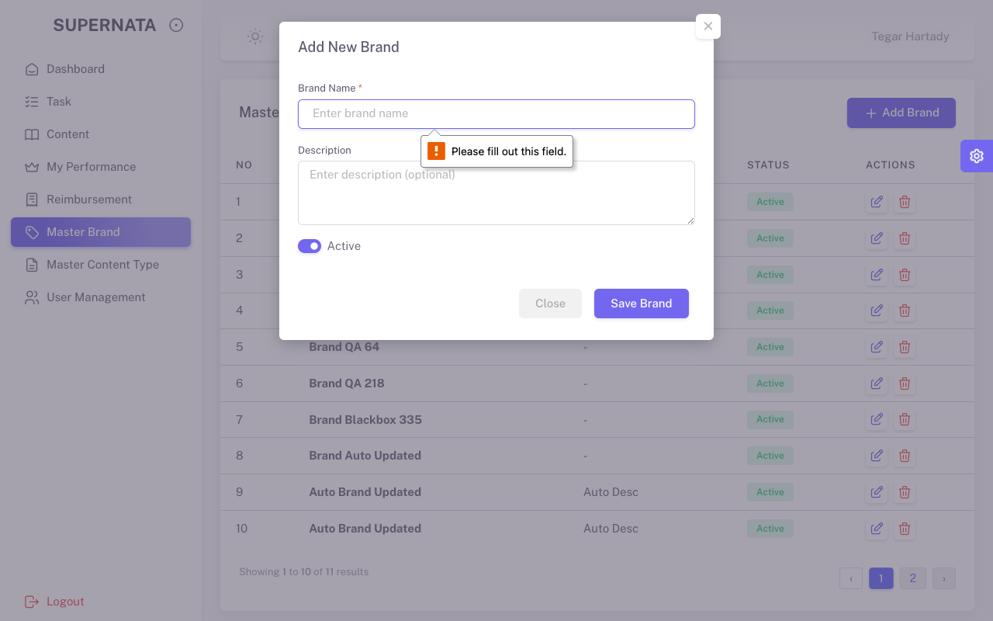 Pass | /Users/tegarhartady/Documents/Template/vuexy-admin-v10.5.0.1/html-laravel-version/Bootstrap5/webpack-mix(deprecated)/starter-kit/screenshots_qa_admin/TC4.1_Neg.png
TC5.0 | Navigation | Master Content Type | Positif | Menu samping | Klik Master Content Type | - | List Content Type Tampil | Tampil sukses | 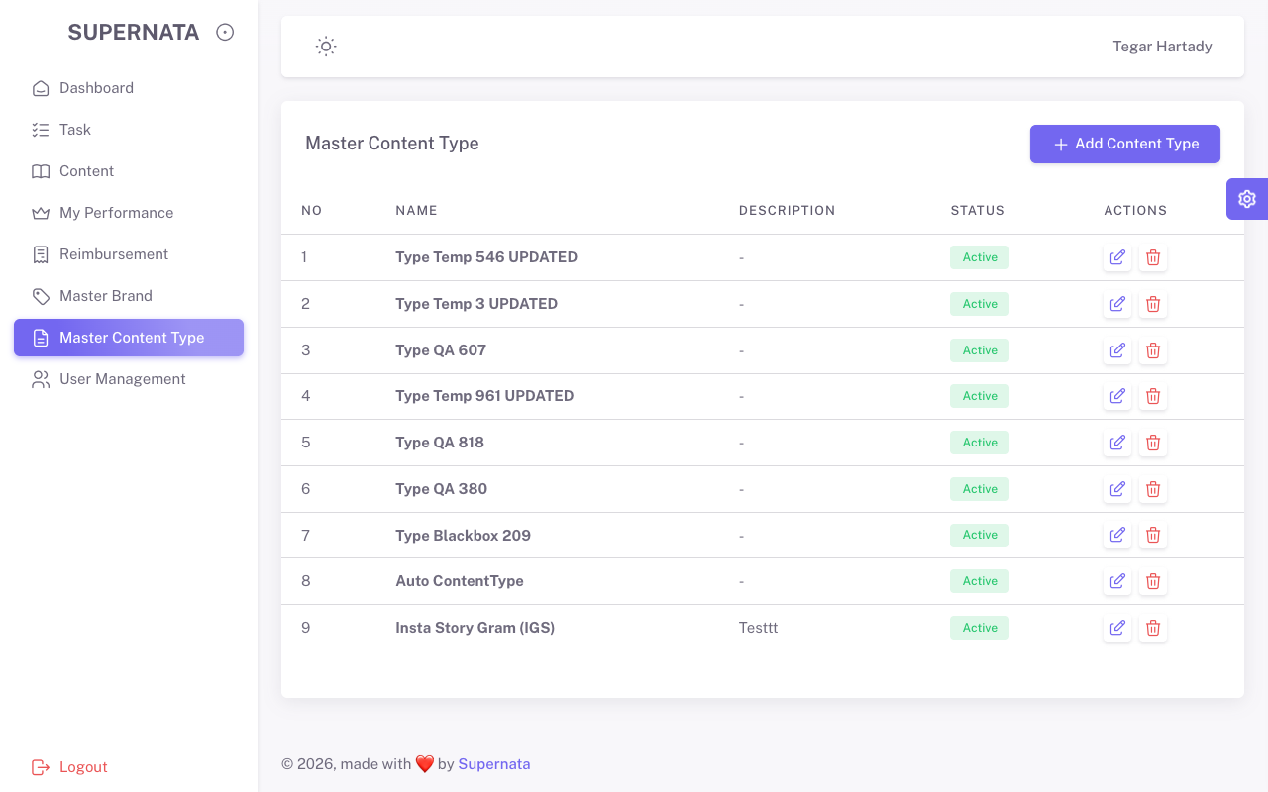 Pass | /Users/tegarhartady/Documents/Template/vuexy-admin-v10.5.0.1/html-laravel-version/Bootstrap5/webpack-mix(deprecated)/starter-kit/screenshots_qa_admin/TC5.0_Pos.png
TC5.1 | CRUD | Master Content Type | Negatif | Modal Add Type | Kosongkan form, submit | Kosong | Validasi error muncul | Validasi muncul | 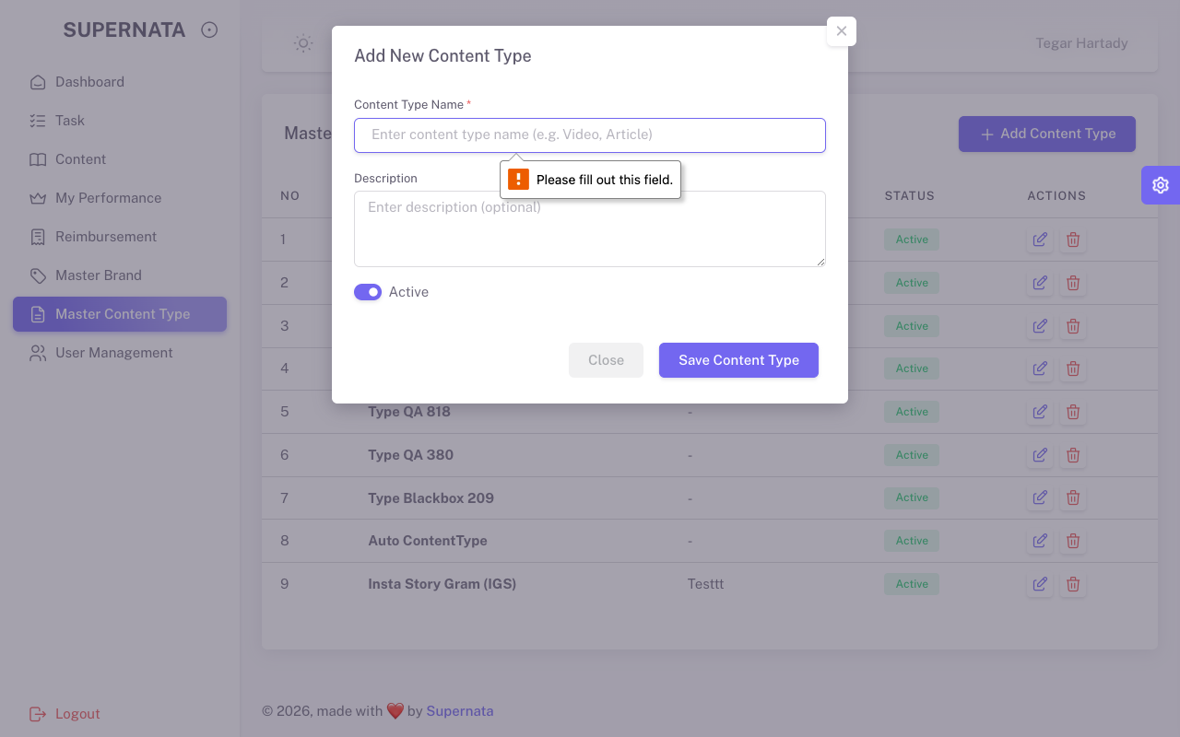 Pass | /Users/tegarhartady/Documents/Template/vuexy-admin-v10.5.0.1/html-laravel-version/Bootstrap5/webpack-mix(deprecated)/starter-kit/screenshots_qa_admin/TC5.1_Neg.png
TC6.0 | Navigation | Content/Briefs | Positif | Menu | Buka Menu Content | Lihat List Content | Tabel Content Tampil | Sukses Tampil | 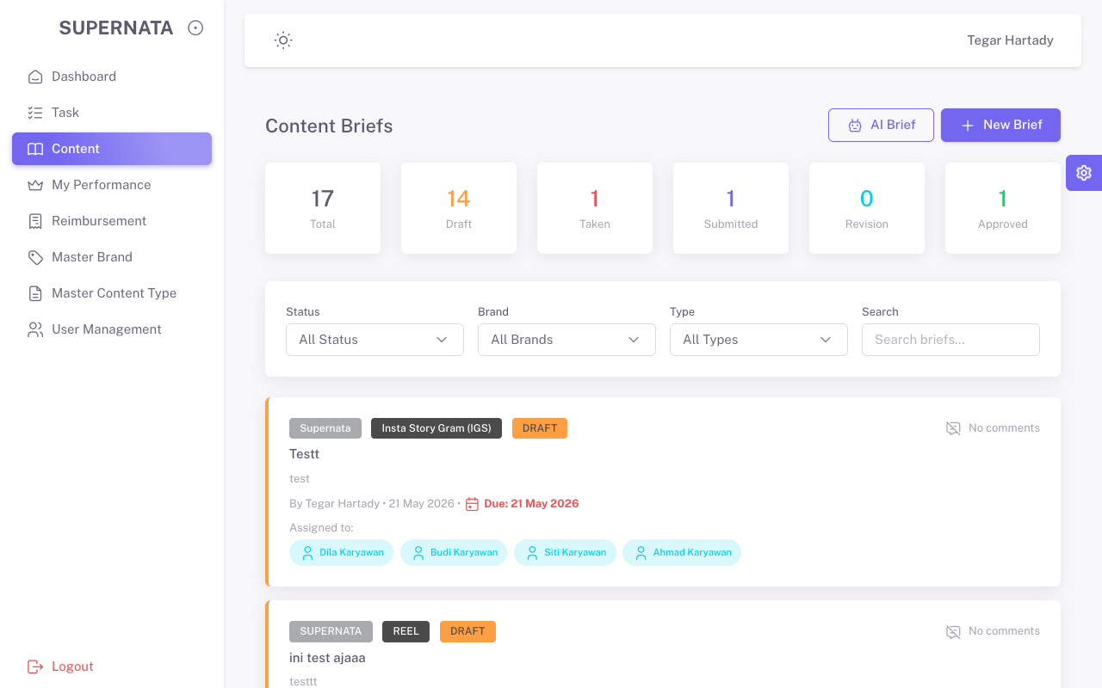 Pass | /Users/tegarhartady/Documents/Template/vuexy-admin-v10.5.0.1/html-laravel-version/Bootstrap5/webpack-mix(deprecated)/starter-kit/screenshots_qa_admin/TC6.0_Pos.png
TC6.1 | Data Viewer | Content/Briefs | Positif | Tabel | Klik Data Brief (Lihat Detail) | - | Detail Brief Terbuka | Terbuka sukses | 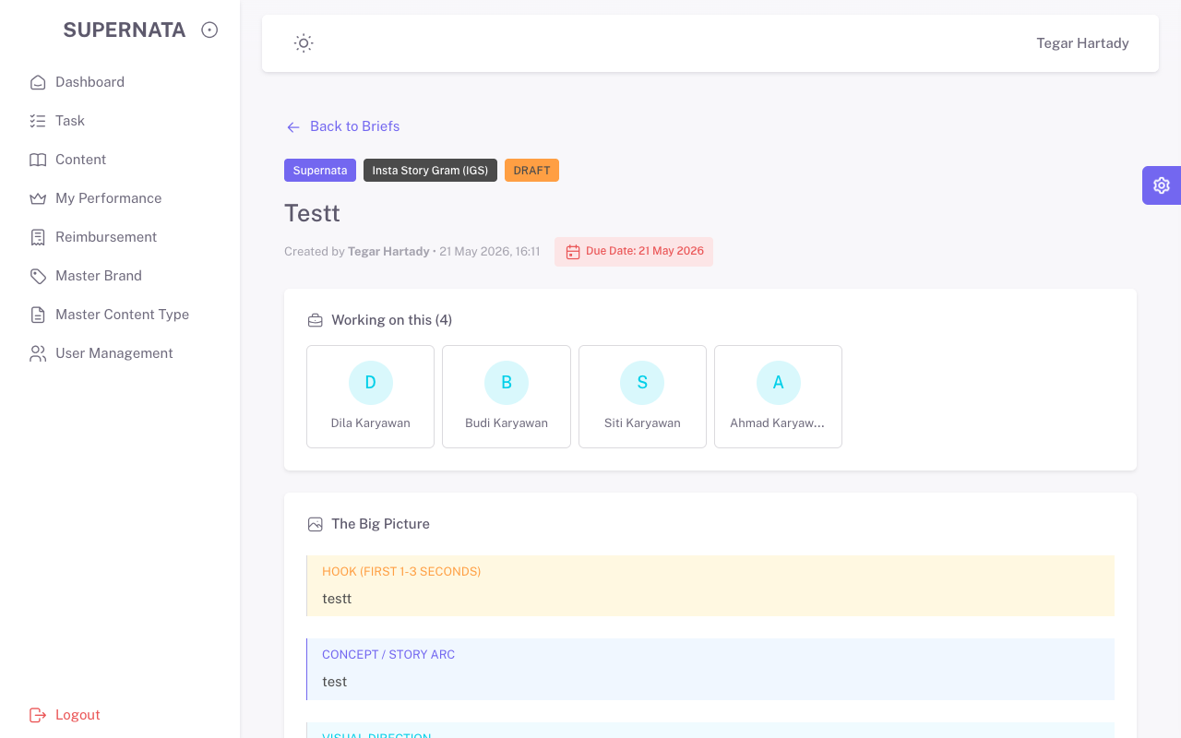 Pass | /Users/tegarhartady/Documents/Template/vuexy-admin-v10.5.0.1/html-laravel-version/Bootstrap5/webpack-mix(deprecated)/starter-kit/screenshots_qa_admin/TC6.1_Pos.png
TC6.2 | CRUD | Content/Briefs | Negatif | Form Create | Kosongkan form wajib, klik Create | Kosong | Sistem tolak, HTML5 error | Ditolak sistem | 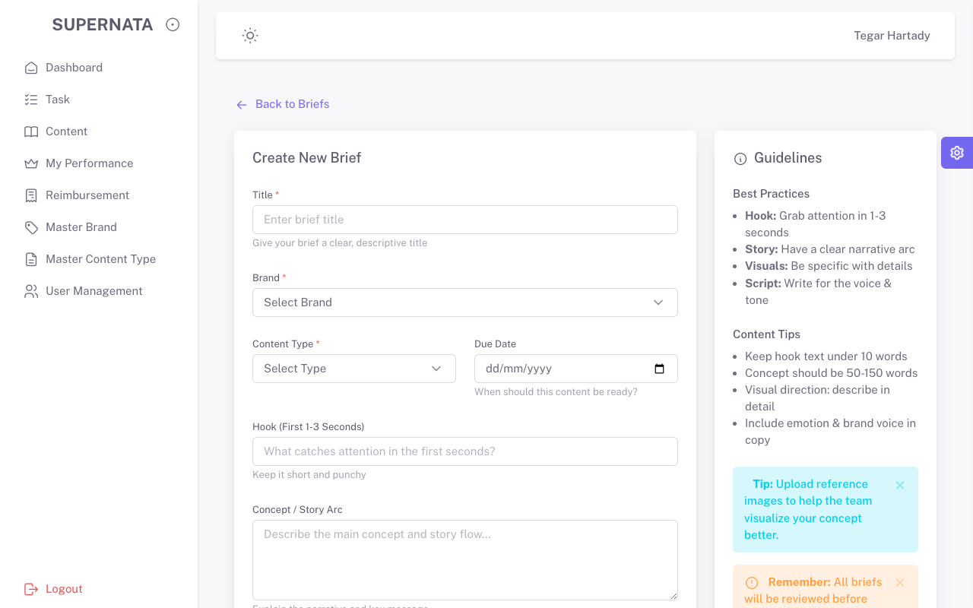 Pass | /Users/tegarhartady/Documents/Template/vuexy-admin-v10.5.0.1/html-laravel-version/Bootstrap5/webpack-mix(deprecated)/starter-kit/screenshots_qa_admin/TC6.2_Neg.png
TC7.0 | Navigation | Tasks | Positif | Menu | Buka Menu Tasks | Lihat List | Tabel Task Tampil | Sukses Tampil | 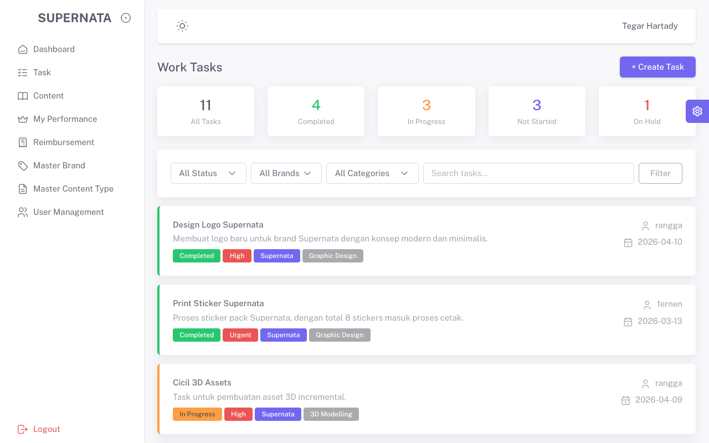 Pass | /Users/tegarhartady/Documents/Template/vuexy-admin-v10.5.0.1/html-laravel-version/Bootstrap5/webpack-mix(deprecated)/starter-kit/screenshots_qa_admin/TC7.0_Pos.png
TC7.1 | Data Viewer | Tasks | Positif | Tabel | Klik Detail Data Task | - | Detail Task Terbuka | Terbuka sukses | 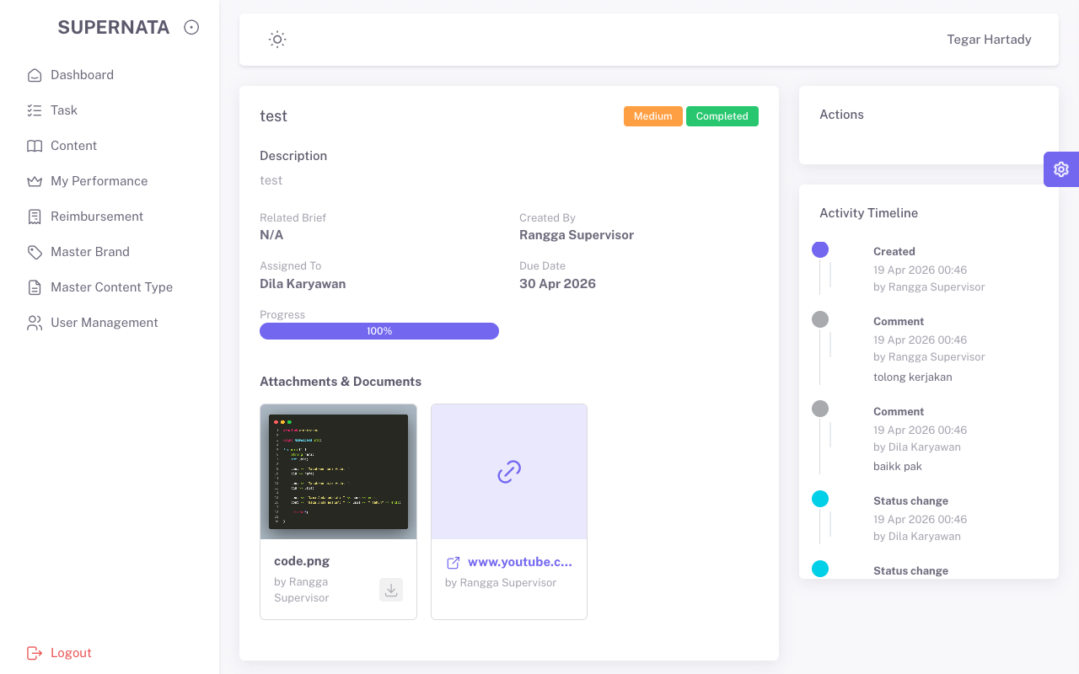 Pass | /Users/tegarhartady/Documents/Template/vuexy-admin-v10.5.0.1/html-laravel-version/Bootstrap5/webpack-mix(deprecated)/starter-kit/screenshots_qa_admin/TC7.1_Pos.png
TC7.2 | CRUD | Tasks | Negatif | Form Create | Kosongkan form | Kosong | Sistem tolak dengan validasi | Ditolak sistem | 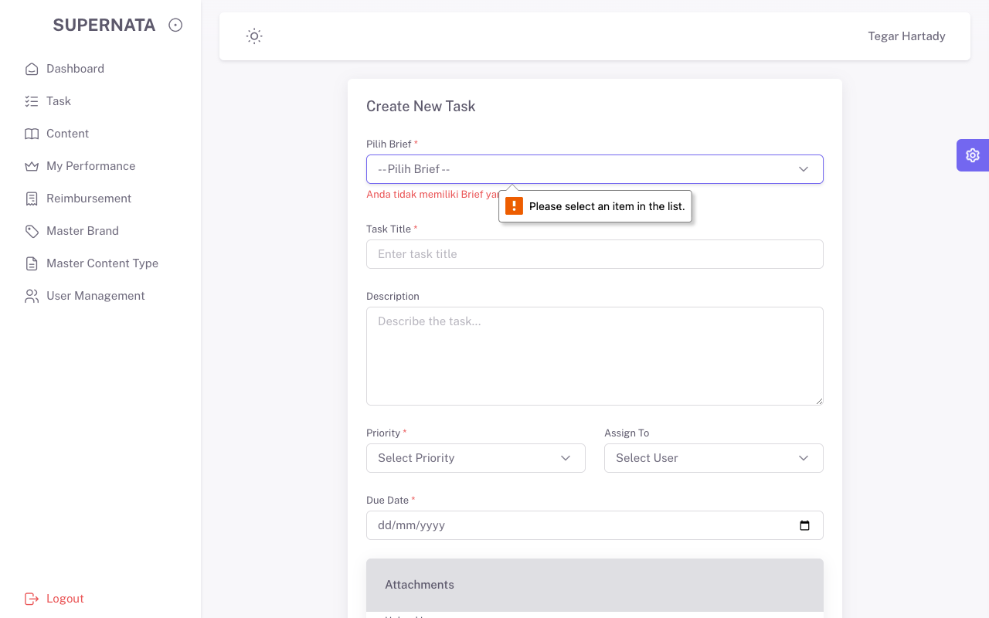 Pass | /Users/tegarhartady/Documents/Template/vuexy-admin-v10.5.0.1/html-laravel-version/Bootstrap5/webpack-mix(deprecated)/starter-kit/screenshots_qa_admin/TC7.2_Neg.png
TC8.0 | Navigation | Reimbursement | Positif | Menu | Buka Menu Reimburs | Lihat List | Tabel Reimburs Tampil | Sukses Tampil | 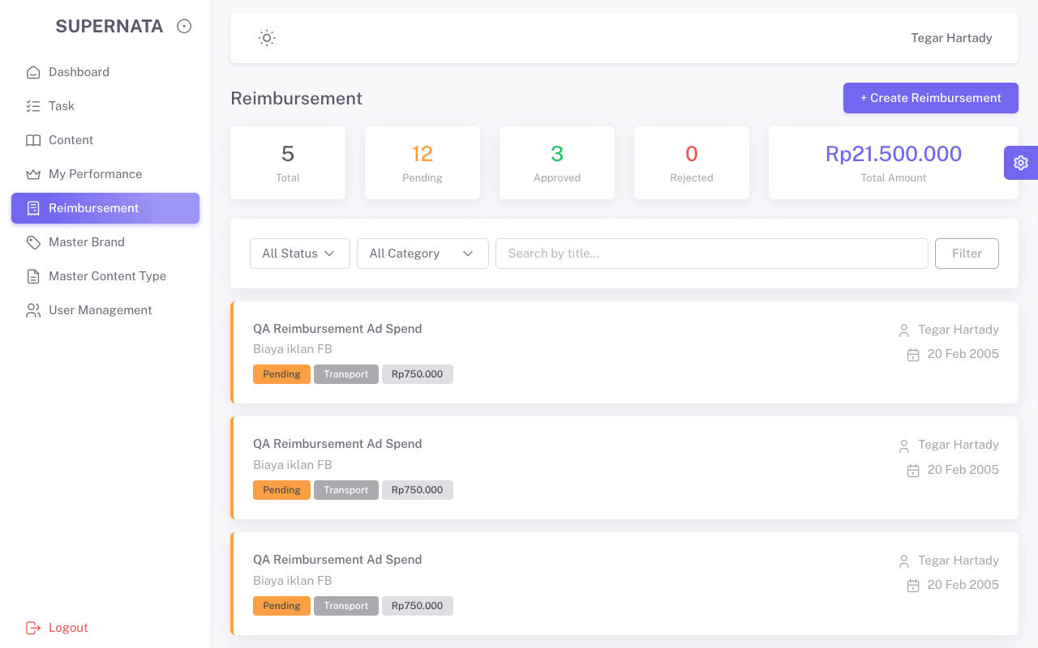 Pass | /Users/tegarhartady/Documents/Template/vuexy-admin-v10.5.0.1/html-laravel-version/Bootstrap5/webpack-mix(deprecated)/starter-kit/screenshots_qa_admin/TC8.0_Pos.png
TC8.1 | Data Viewer | Reimbursement | Positif | Tabel | Klik Detail Data Reimburs | - | Detail Terbuka | Terbuka sukses | 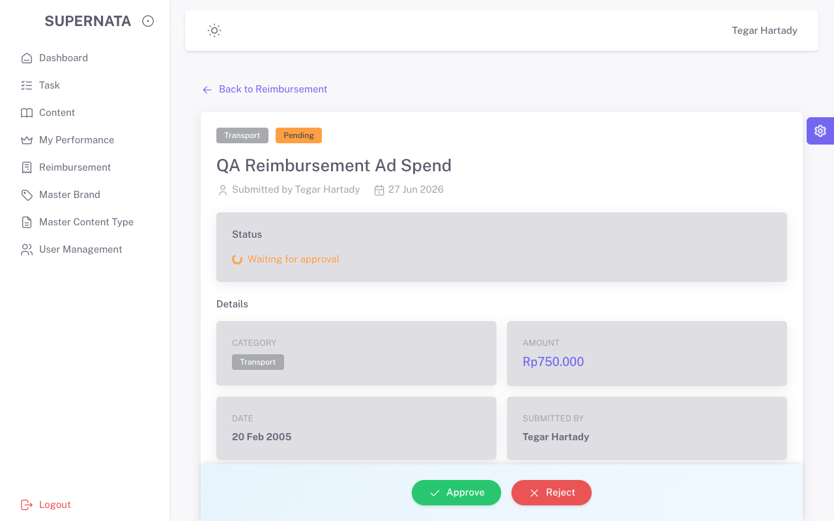 Pass | /Users/tegarhartady/Documents/Template/vuexy-admin-v10.5.0.1/html-laravel-version/Bootstrap5/webpack-mix(deprecated)/starter-kit/screenshots_qa_admin/TC8.1_Pos.png
TC8.2 | CRUD | Reimbursement | Negatif | Form | Kosongkan data | Kosong | Validasi memblokir submit | Blokir sukses | 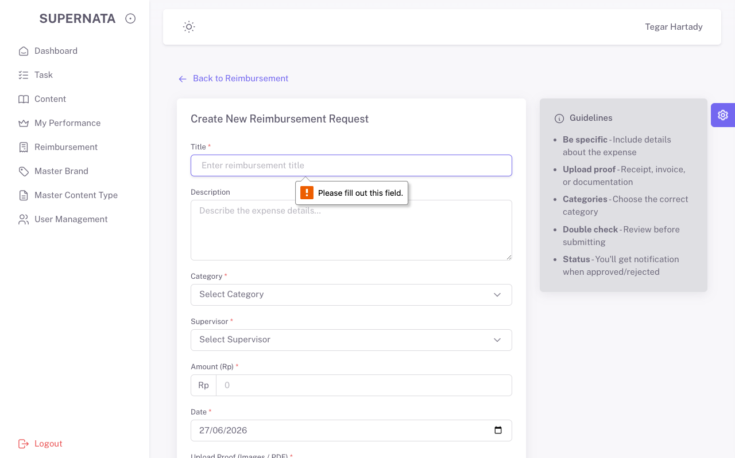 Pass | /Users/tegarhartady/Documents/Template/vuexy-admin-v10.5.0.1/html-laravel-version/Bootstrap5/webpack-mix(deprecated)/starter-kit/screenshots_qa_admin/TC8.2_Neg.png

