Blackbox Full Matrix
Test Case ID | Role | Menu Name | URL | Expected Result | Actual Result | Status | Screenshot
TC-001 | admin | Admin Dashboard | /admin-dashboard | Bisa mengakses halaman (200 OK) | Bisa mengakses halaman (200 OK) | Pass | 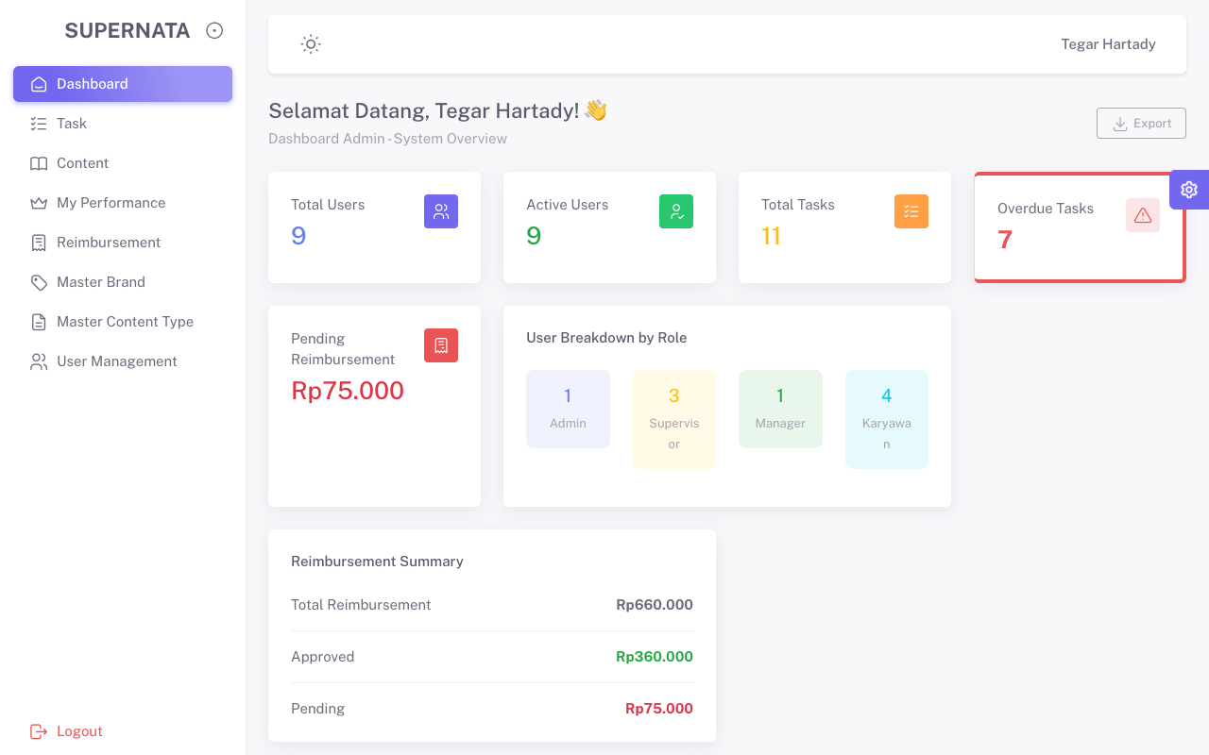
TC-002 | admin | Supervisor Dashboard | /supervisor-dashboard | Akses ditolak (403 Forbidden) | Akses ditolak (403 Forbidden) | Pass | 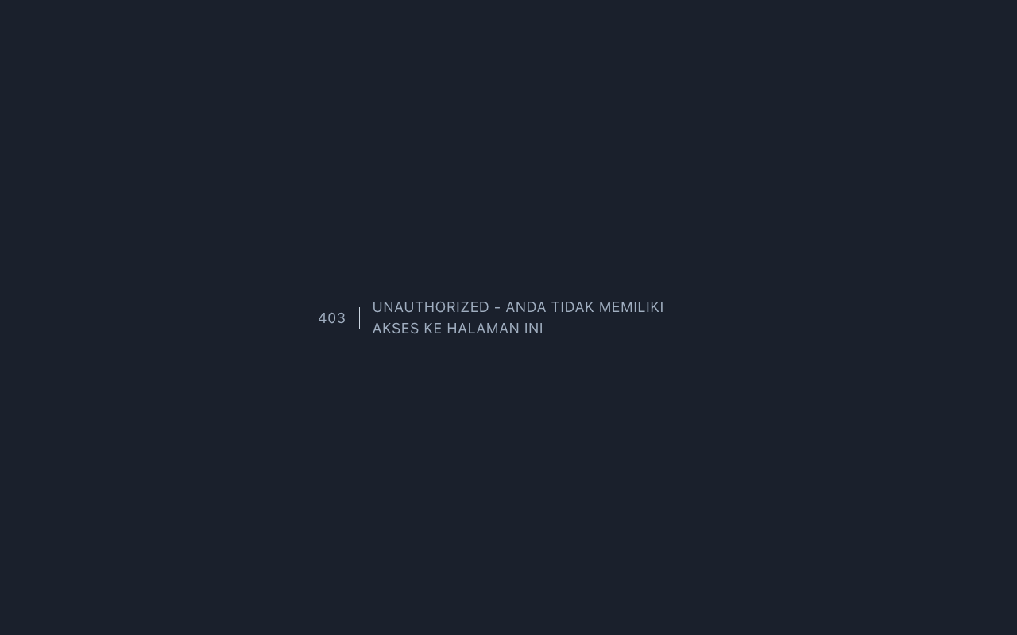
TC-003 | admin | Manager Dashboard | /manager-dashboard | Akses ditolak (403 Forbidden) | Akses ditolak (403 Forbidden) | Pass
TC-004 | admin | Karyawan Home | / | Bisa mengakses halaman (200 OK) | Bisa mengakses halaman (200 OK) | Pass | 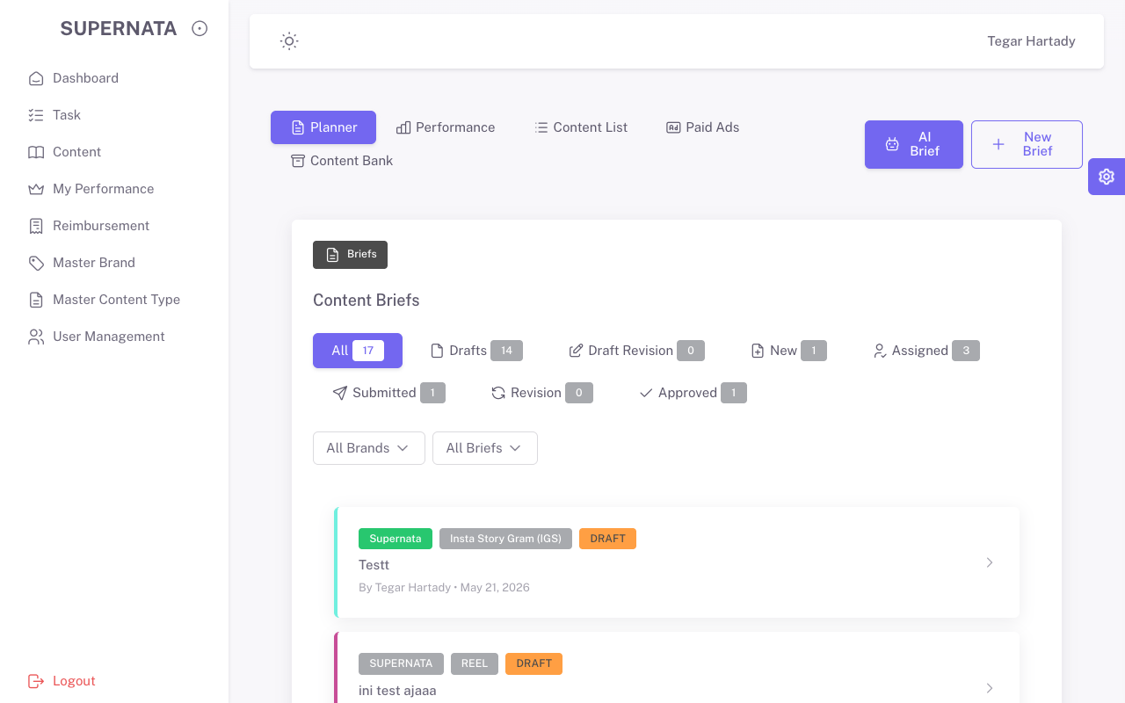
TC-005 | admin | Task | /tasks | Bisa mengakses halaman (200 OK) | Bisa mengakses halaman (200 OK) | Pass | 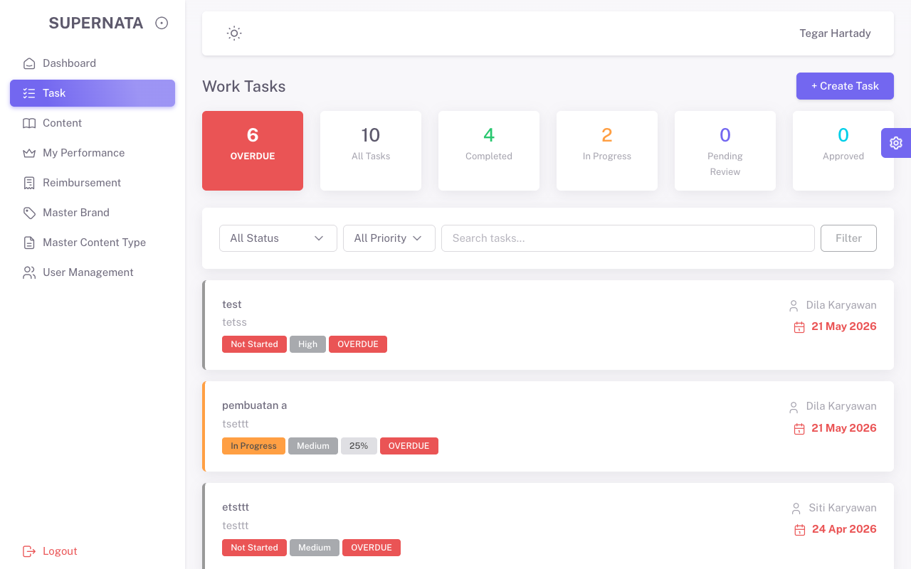
TC-006 | admin | Content | /pages-content | Bisa mengakses halaman (200 OK) | Bisa mengakses halaman (200 OK) | Pass | 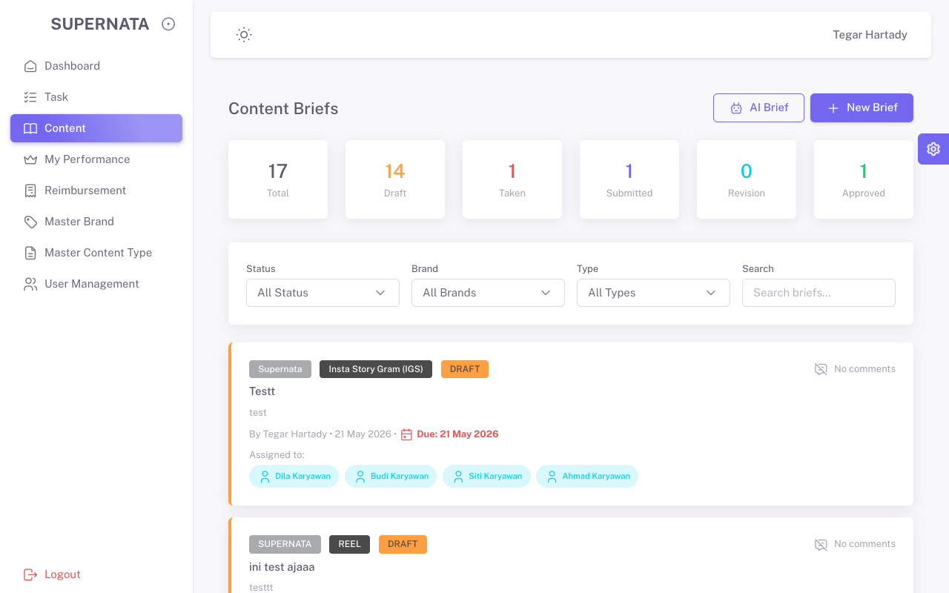
TC-007 | admin | My Performance | /pages-performance | Bisa mengakses halaman (200 OK) | Bisa mengakses halaman (200 OK) | Pass | 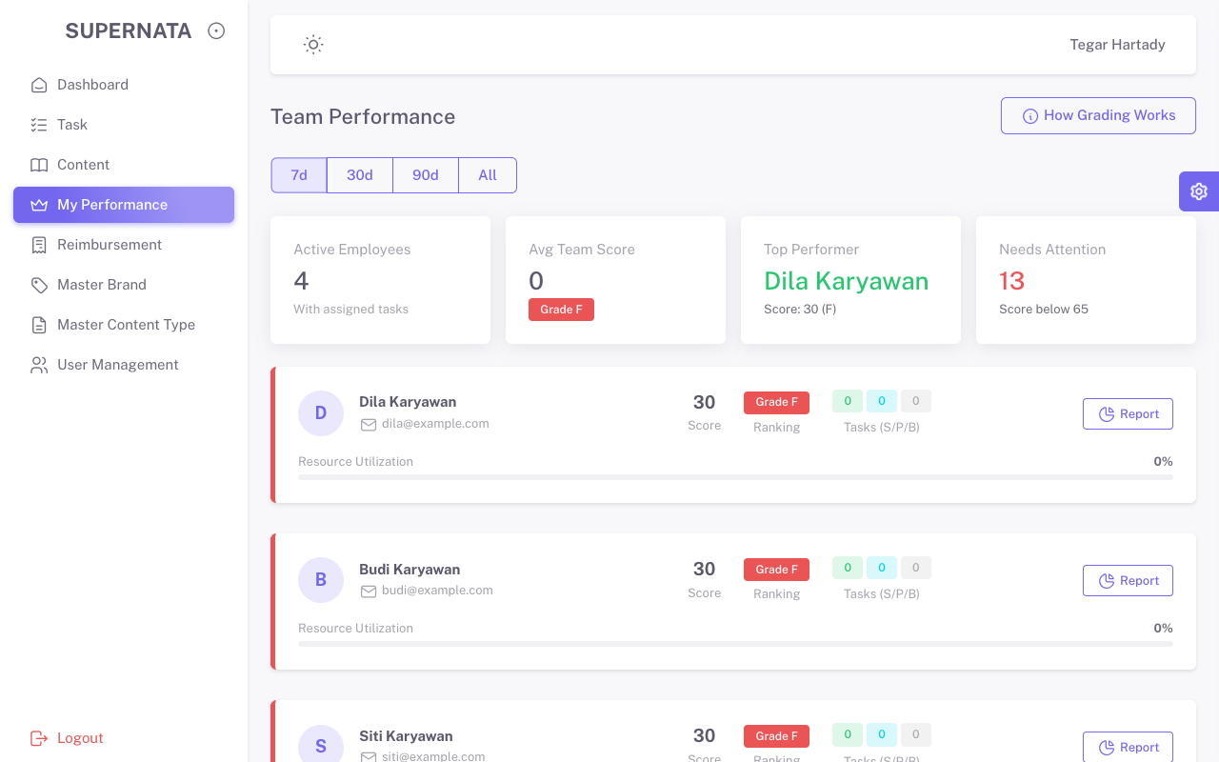
TC-008 | admin | Reimbursement | /pages-reimbursment | Bisa mengakses halaman (200 OK) | Bisa mengakses halaman (200 OK) | Pass | 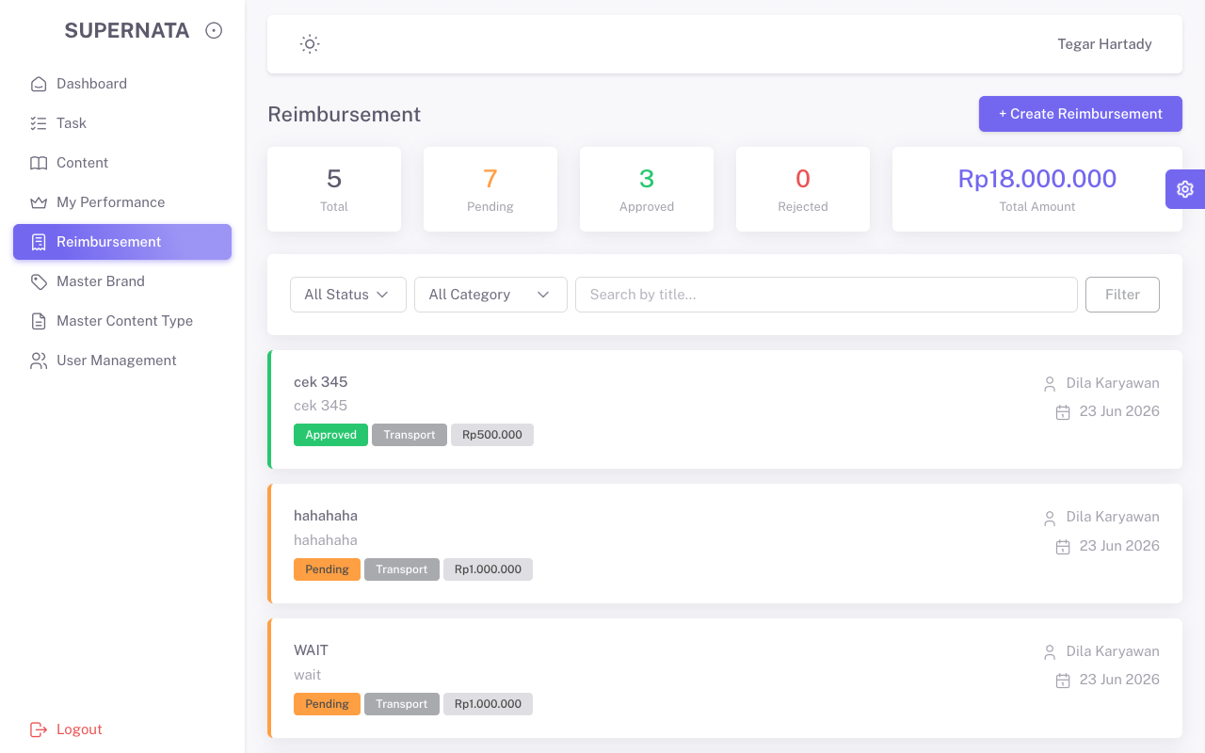
TC-009 | admin | Master Brand | /brands | Bisa mengakses halaman (200 OK) | Bisa mengakses halaman (200 OK) | Pass | 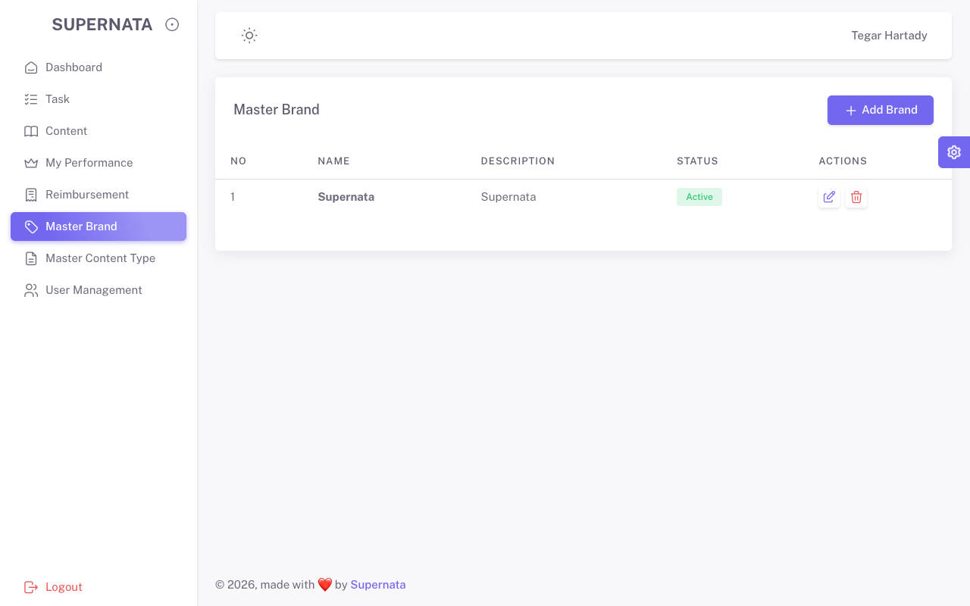
TC-010 | admin | Master Content Type | /content_types | Bisa mengakses halaman (200 OK) | Bisa mengakses halaman (200 OK) | Pass | 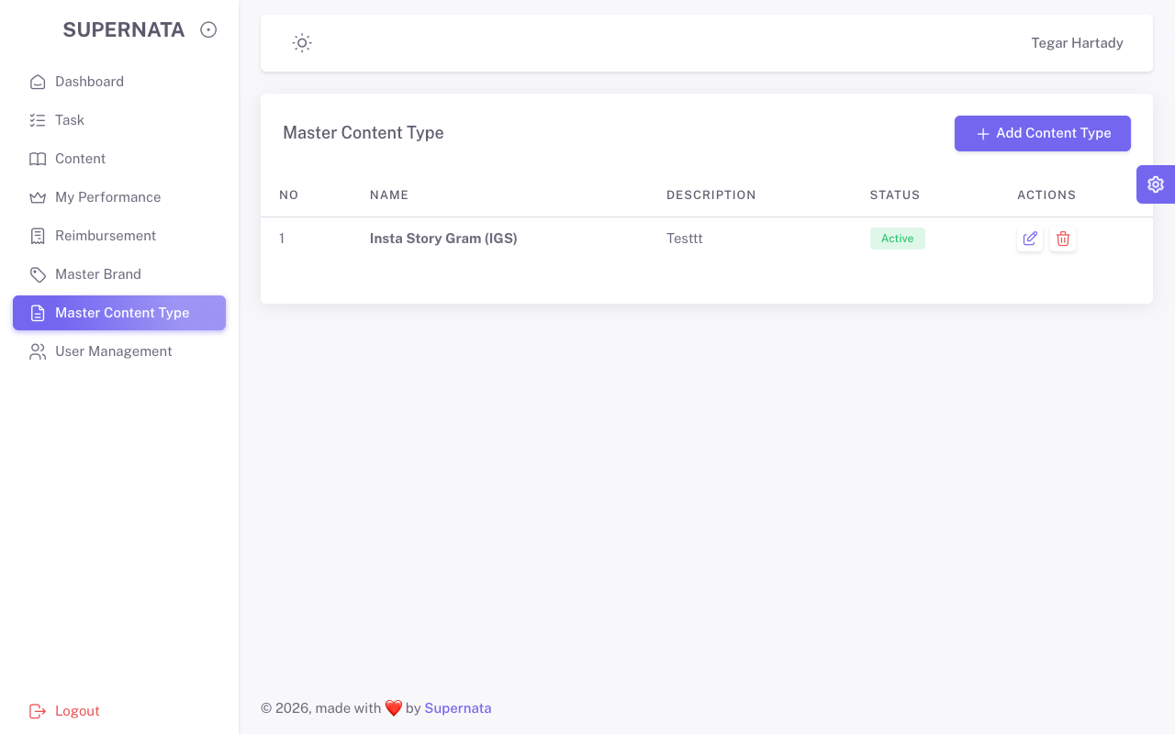
TC-011 | admin | User Management | /users | Bisa mengakses halaman (200 OK) | Bisa mengakses halaman (200 OK) | Pass | 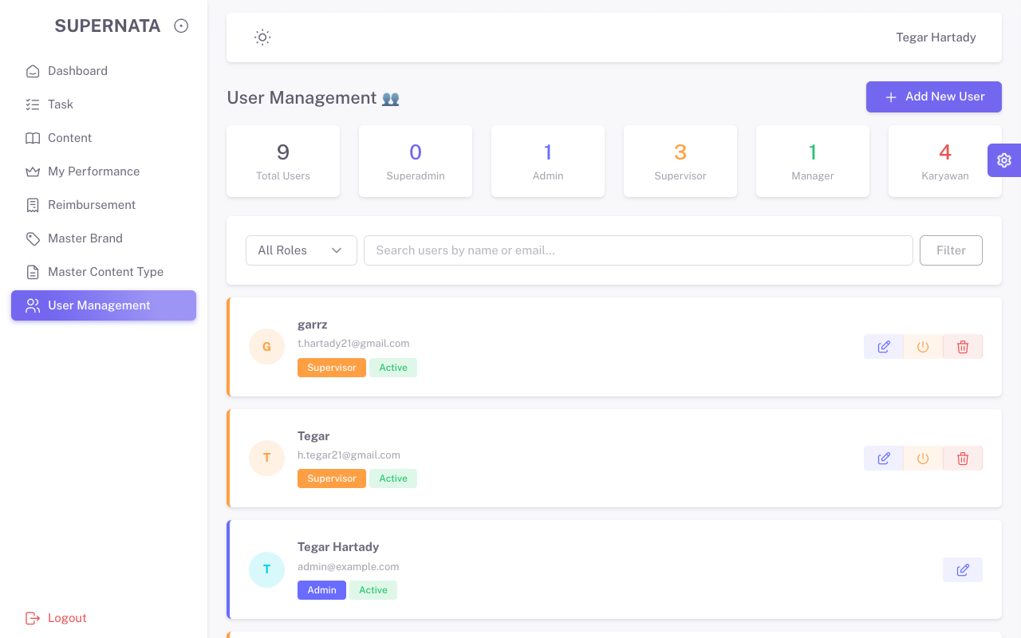
TC-012 | supervisor | Admin Dashboard | /admin-dashboard | Akses ditolak (403 Forbidden) | Bisa mengakses halaman (200 OK) | Fail | 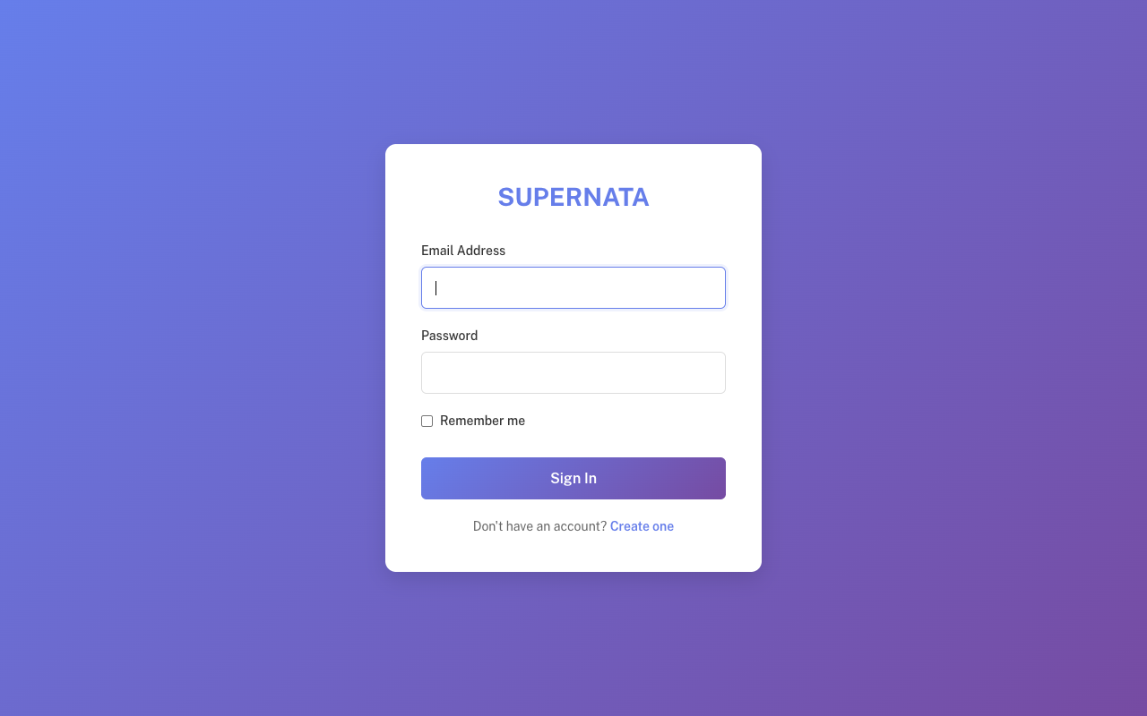
TC-013 | supervisor | Supervisor Dashboard | /supervisor-dashboard | Bisa mengakses halaman (200 OK) | Bisa mengakses halaman (200 OK) | Pass
TC-014 | supervisor | Manager Dashboard | /manager-dashboard | Akses ditolak (403 Forbidden) | Bisa mengakses halaman (200 OK) | Fail
TC-015 | supervisor | Karyawan Home | / | Bisa mengakses halaman (200 OK) | Bisa mengakses halaman (200 OK) | Pass
TC-016 | supervisor | Task | /tasks | Bisa mengakses halaman (200 OK) | Bisa mengakses halaman (200 OK) | Pass
TC-017 | supervisor | Content | /pages-content | Bisa mengakses halaman (200 OK) | Bisa mengakses halaman (200 OK) | Pass
TC-018 | supervisor | My Performance | /pages-performance | Bisa mengakses halaman (200 OK) | Bisa mengakses halaman (200 OK) | Pass
TC-019 | supervisor | Reimbursement | /pages-reimbursment | Bisa mengakses halaman (200 OK) | Bisa mengakses halaman (200 OK) | Pass
TC-020 | supervisor | Master Brand | /brands | Akses ditolak (403 Forbidden) | Bisa mengakses halaman (200 OK) | Fail
TC-021 | supervisor | Master Content Type | /content_types | Akses ditolak (403 Forbidden) | Bisa mengakses halaman (200 OK) | Fail
TC-022 | supervisor | User Management | /users | Akses ditolak (403 Forbidden) | Bisa mengakses halaman (200 OK) | Fail
TC-023 | manager | Admin Dashboard | /admin-dashboard | Akses ditolak (403 Forbidden) | Akses ditolak (403 Forbidden) | Pass
TC-024 | manager | Supervisor Dashboard | /supervisor-dashboard | Akses ditolak (403 Forbidden) | Akses ditolak (403 Forbidden) | Pass
TC-025 | manager | Manager Dashboard | /manager-dashboard | Bisa mengakses halaman (200 OK) | Bisa mengakses halaman (200 OK) | Pass | 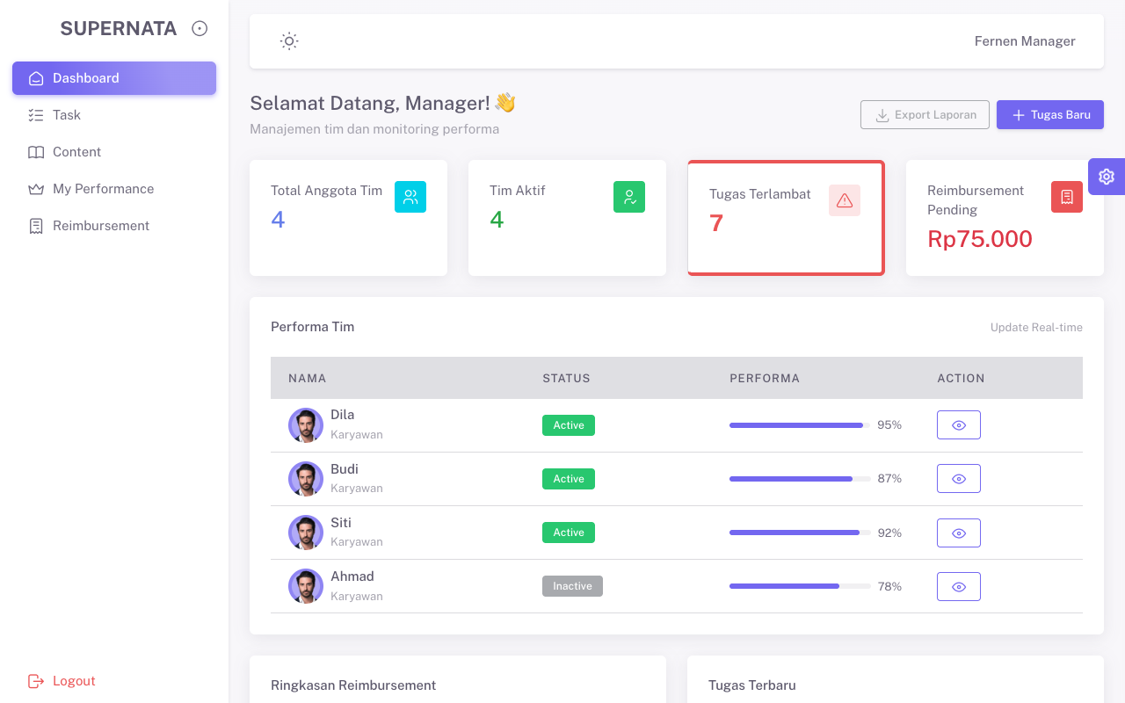
TC-026 | manager | Karyawan Home | / | Bisa mengakses halaman (200 OK) | Bisa mengakses halaman (200 OK) | Pass | 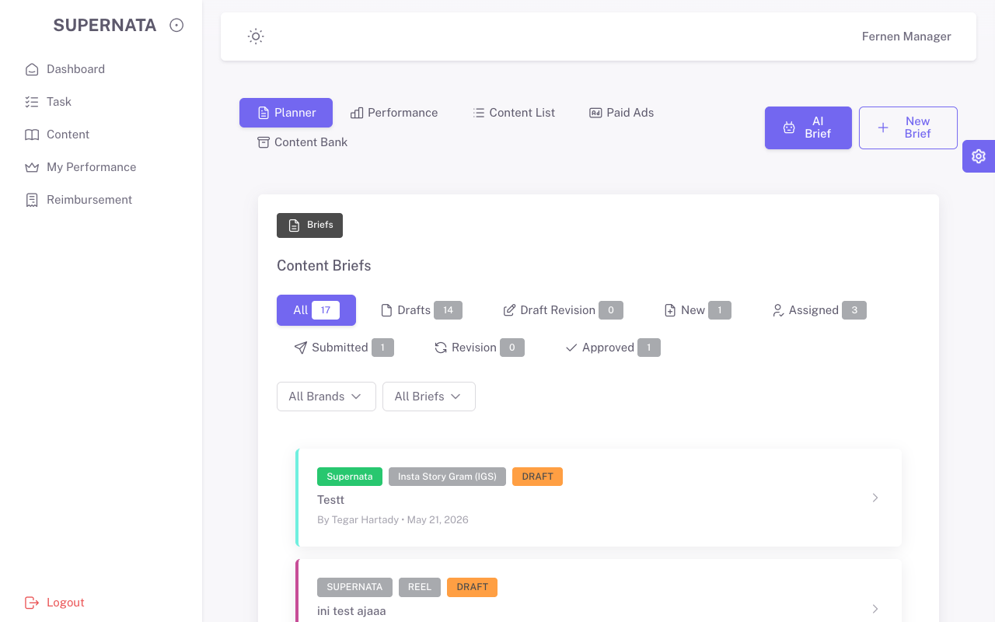
TC-027 | manager | Task | /tasks | Bisa mengakses halaman (200 OK) | Bisa mengakses halaman (200 OK) | Pass | 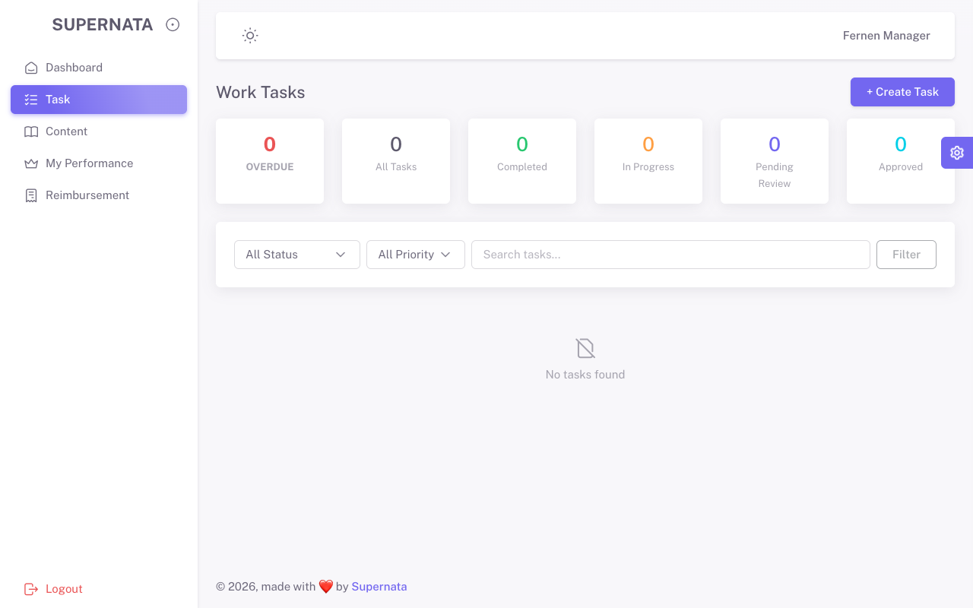
TC-028 | manager | Content | /pages-content | Bisa mengakses halaman (200 OK) | Bisa mengakses halaman (200 OK) | Pass | 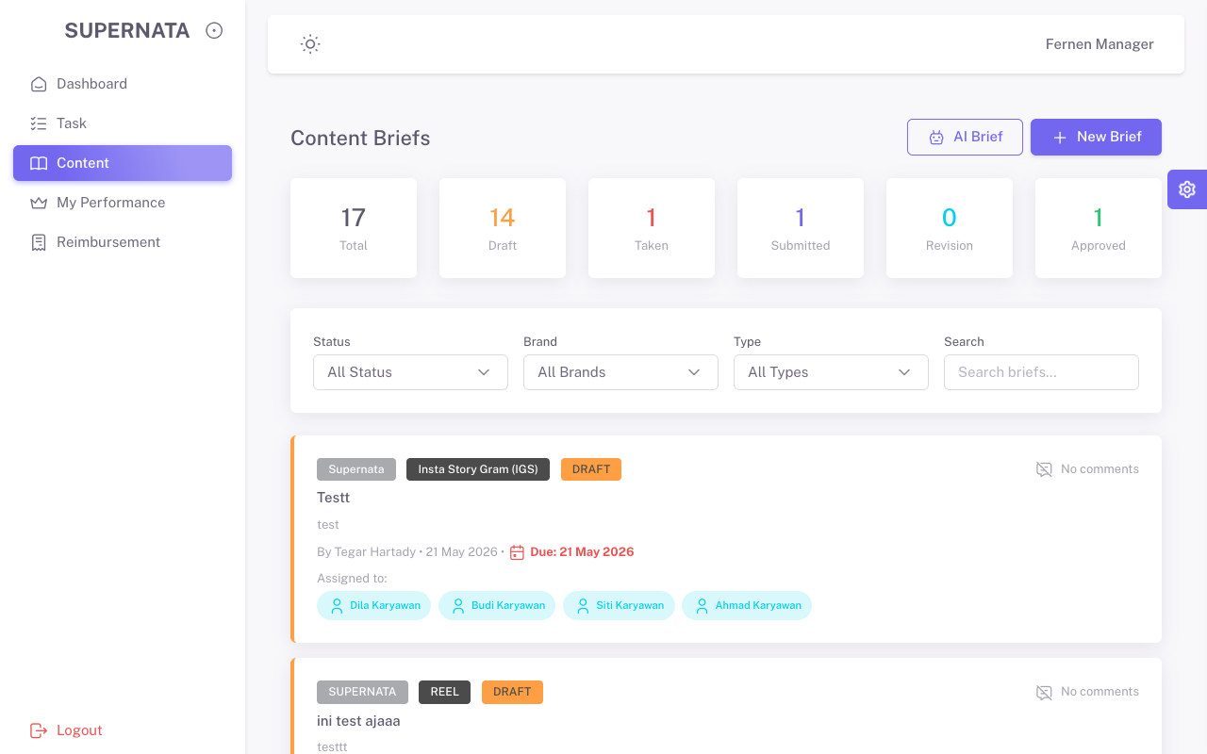
TC-029 | manager | My Performance | /pages-performance | Bisa mengakses halaman (200 OK) | Bisa mengakses halaman (200 OK) | Pass | 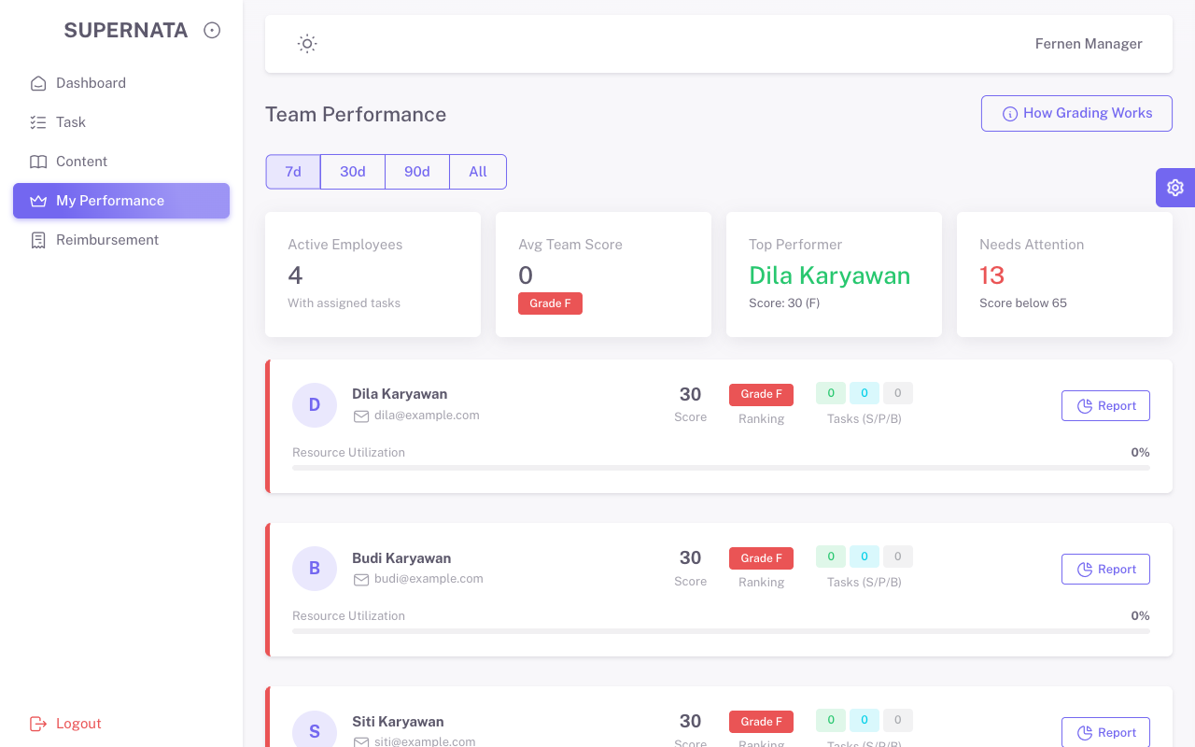
TC-030 | manager | Reimbursement | /pages-reimbursment | Bisa mengakses halaman (200 OK) | Bisa mengakses halaman (200 OK) | Pass | 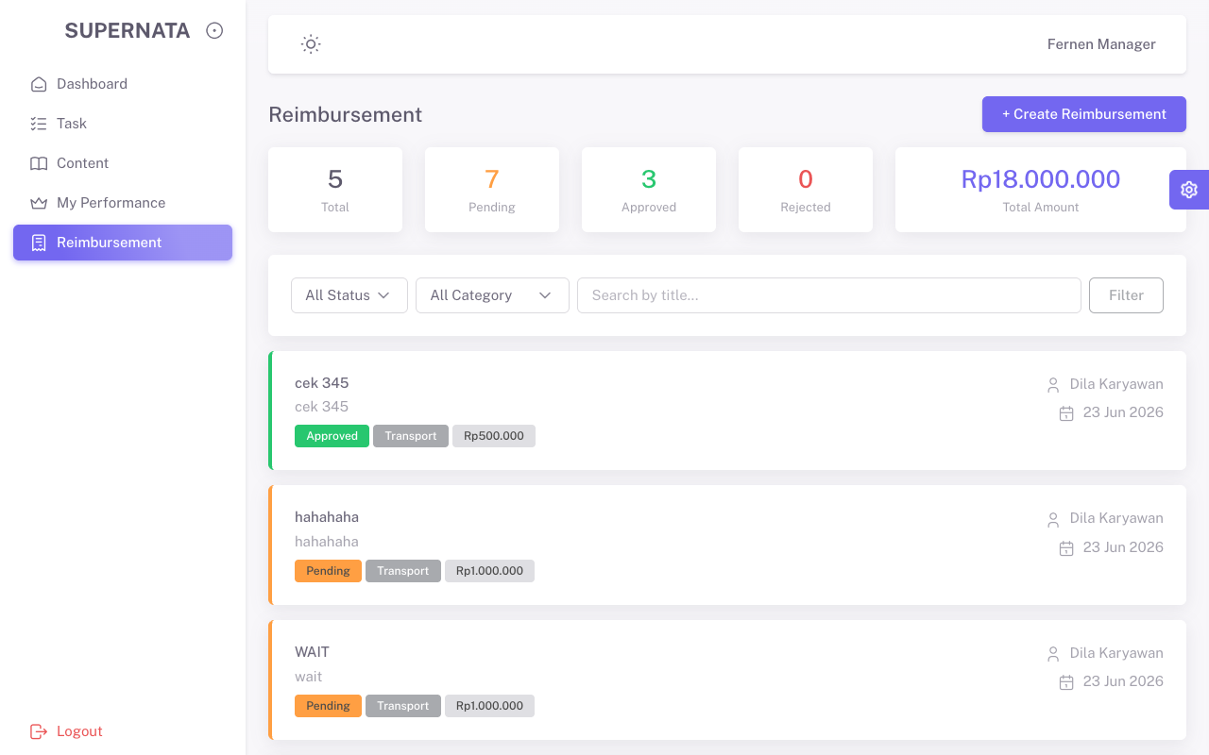
TC-031 | manager | Master Brand | /brands | Akses ditolak (403 Forbidden) | Akses ditolak (403 Forbidden) | Pass
TC-032 | manager | Master Content Type | /content_types | Akses ditolak (403 Forbidden) | Akses ditolak (403 Forbidden) | Pass
TC-033 | manager | User Management | /users | Akses ditolak (403 Forbidden) | Akses ditolak (403 Forbidden) | Pass
TC-034 | karyawan | Admin Dashboard | /admin-dashboard | Akses ditolak (403 Forbidden) | Akses ditolak (403 Forbidden) | Pass
TC-035 | karyawan | Supervisor Dashboard | /supervisor-dashboard | Akses ditolak (403 Forbidden) | Akses ditolak (403 Forbidden) | Pass
TC-036 | karyawan | Manager Dashboard | /manager-dashboard | Akses ditolak (403 Forbidden) | Akses ditolak (403 Forbidden) | Pass
TC-037 | karyawan | Karyawan Home | / | Bisa mengakses halaman (200 OK) | Bisa mengakses halaman (200 OK) | Pass | 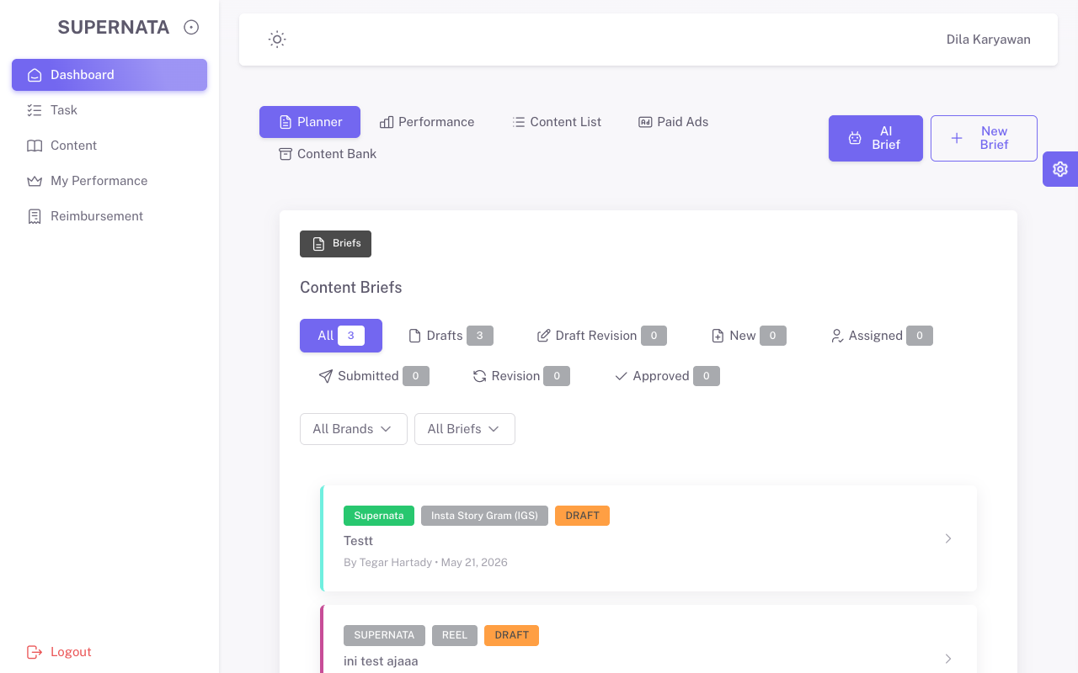
TC-038 | karyawan | Task | /tasks | Bisa mengakses halaman (200 OK) | Bisa mengakses halaman (200 OK) | Pass | 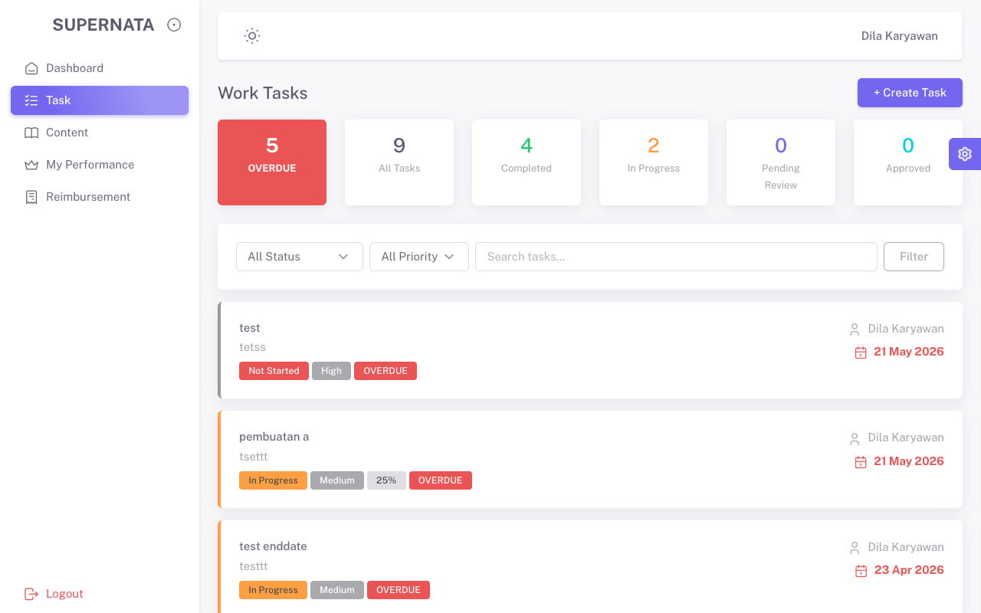
TC-039 | karyawan | Content | /pages-content | Bisa mengakses halaman (200 OK) | Bisa mengakses halaman (200 OK) | Pass | 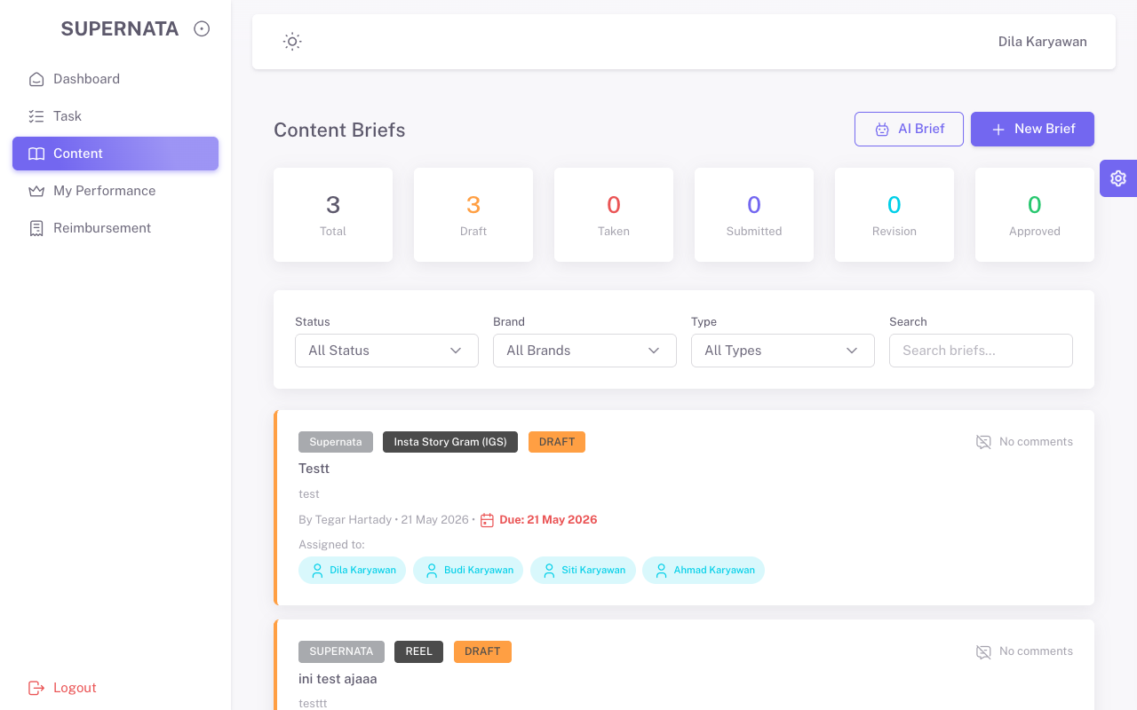
TC-040 | karyawan | My Performance | /pages-performance | Bisa mengakses halaman (200 OK) | Bisa mengakses halaman (200 OK) | Pass | 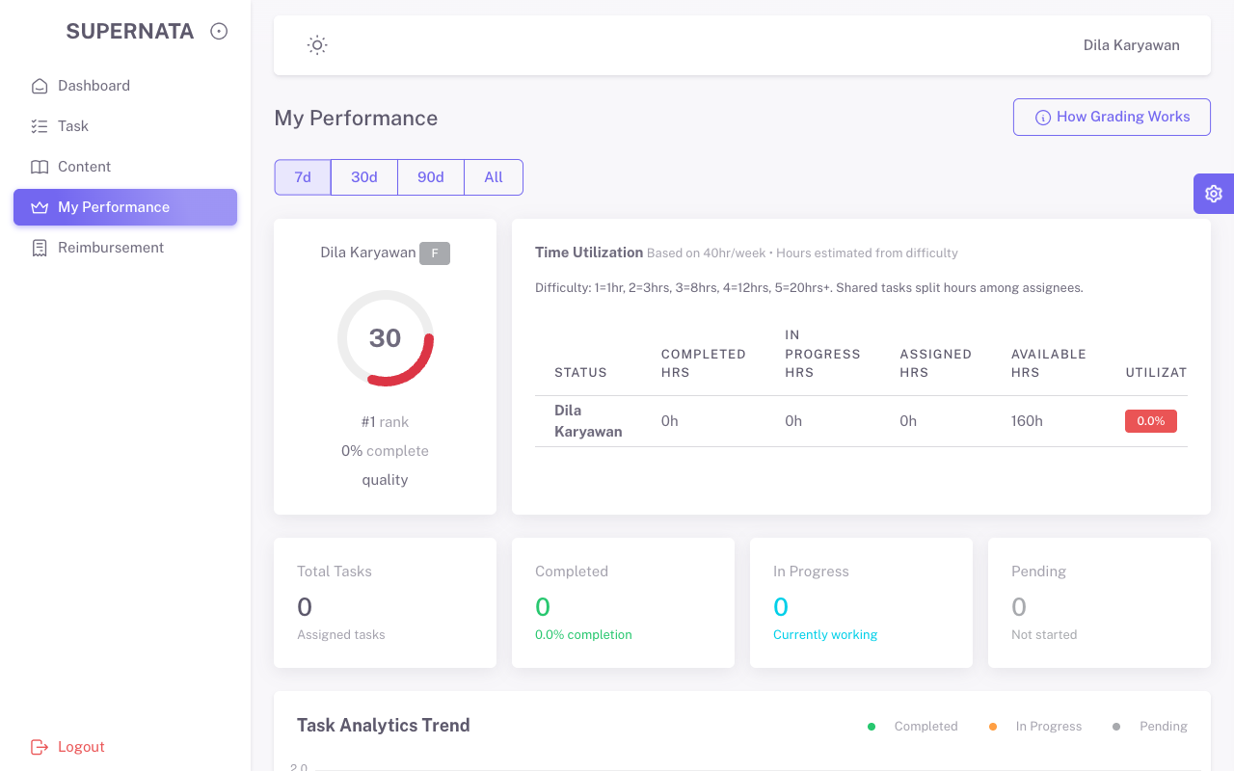
TC-041 | karyawan | Reimbursement | /pages-reimbursment | Bisa mengakses halaman (200 OK) | Bisa mengakses halaman (200 OK) | Pass | 
TC-042 | karyawan | Master Brand | /brands | Akses ditolak (403 Forbidden) | Akses ditolak (403 Forbidden) | Pass
TC-043 | karyawan | Master Content Type | /content_types | Akses ditolak (403 Forbidden) | Akses ditolak (403 Forbidden) | Pass
TC-044 | karyawan | User Management | /users | Akses ditolak (403 Forbidden) | Akses ditolak (403 Forbidden) | Pass

