Comprehensive CRUD Results
Role | Module | Aksi CRUD | Expected/Actual Result | Status | Screenshot
--- PENGUJIAN ROLE: ADMIN ---
admin | User Management | CREATE | User created successfully | Pass | 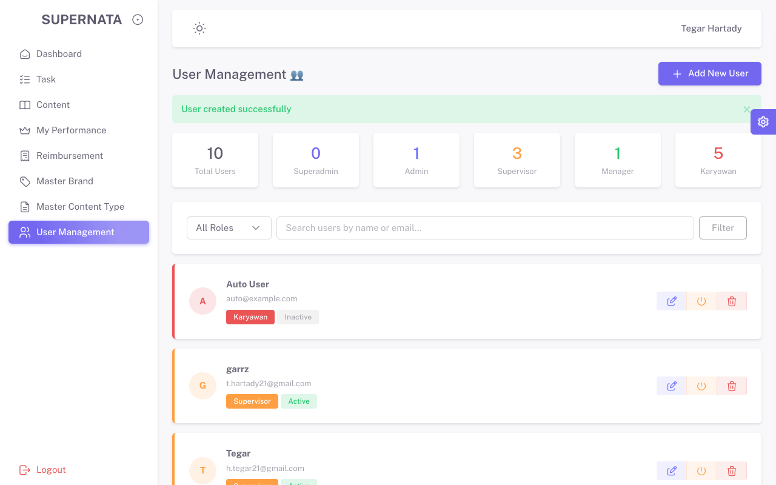
admin | User Management | READ | List Data Tampil | Pass
admin | User Management | UPDATE | User updated successfully | Pass | 
admin | User Management | DELETE | User deleted successfully | Pass | 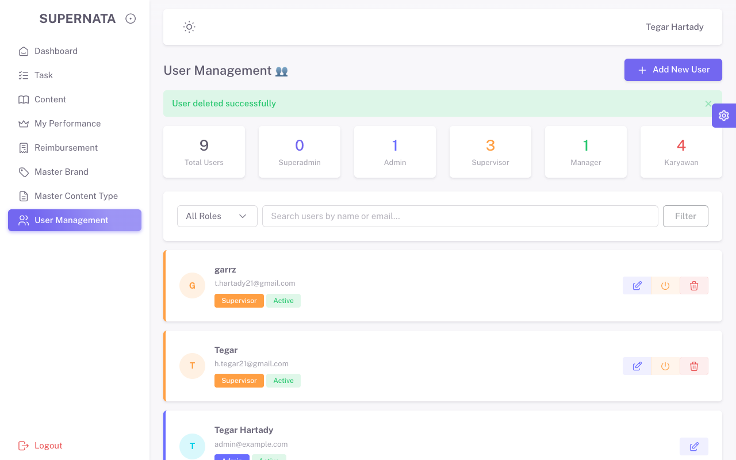
admin | Master Brand | CREATE | Brand created successfully | Pass | 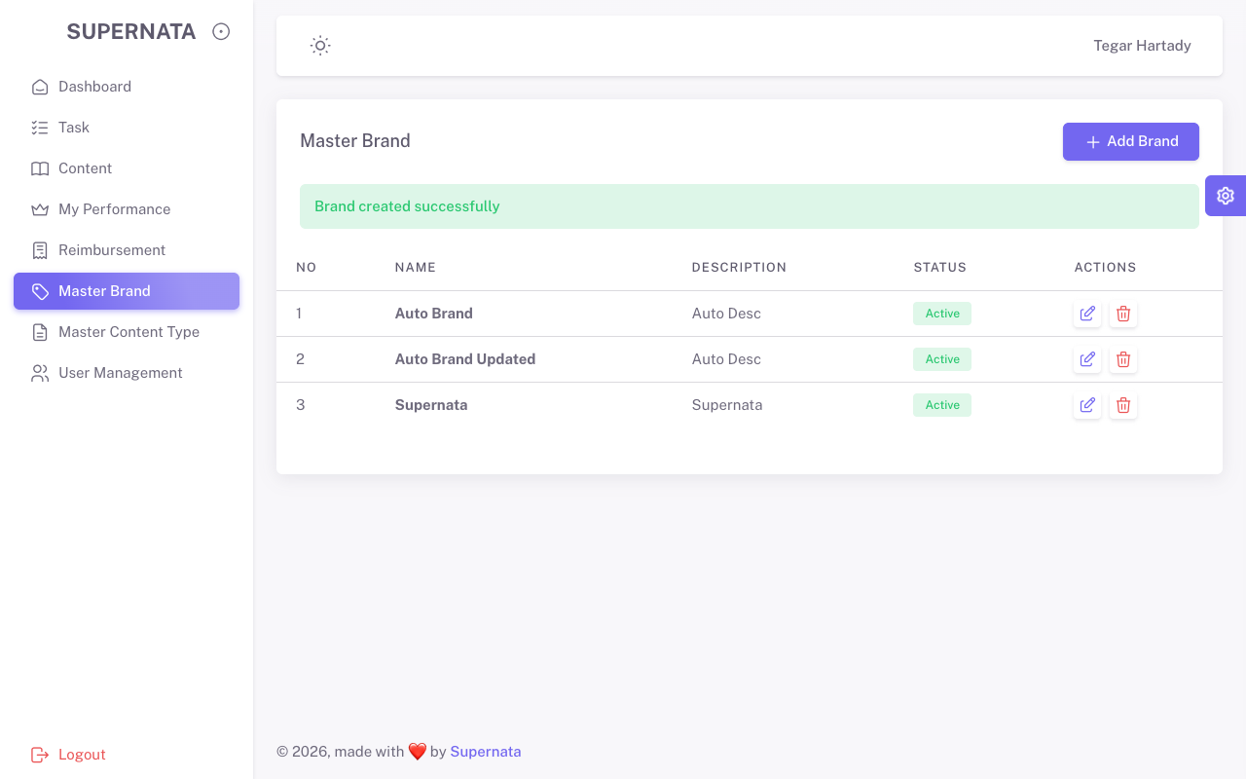
admin | Master Brand | UPDATE | Brand updated successfully | Pass | 
admin | Master Content Type | CREATE | Content Type created successfully | Pass | 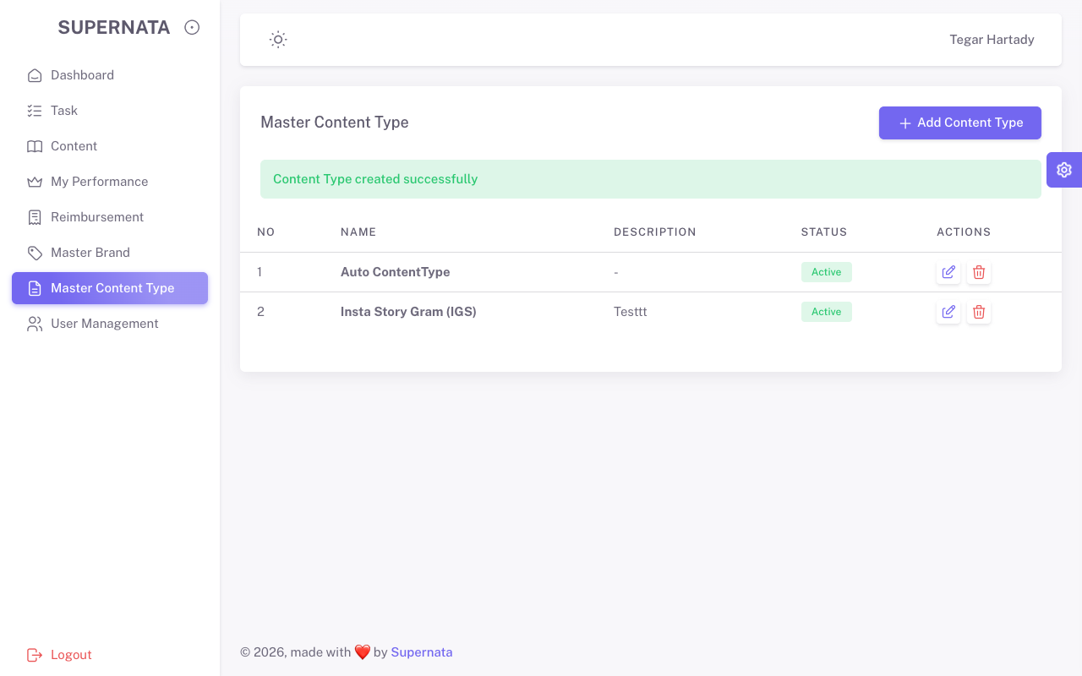
admin | Tasks | READ | Halaman Index Terbuka | Pass | 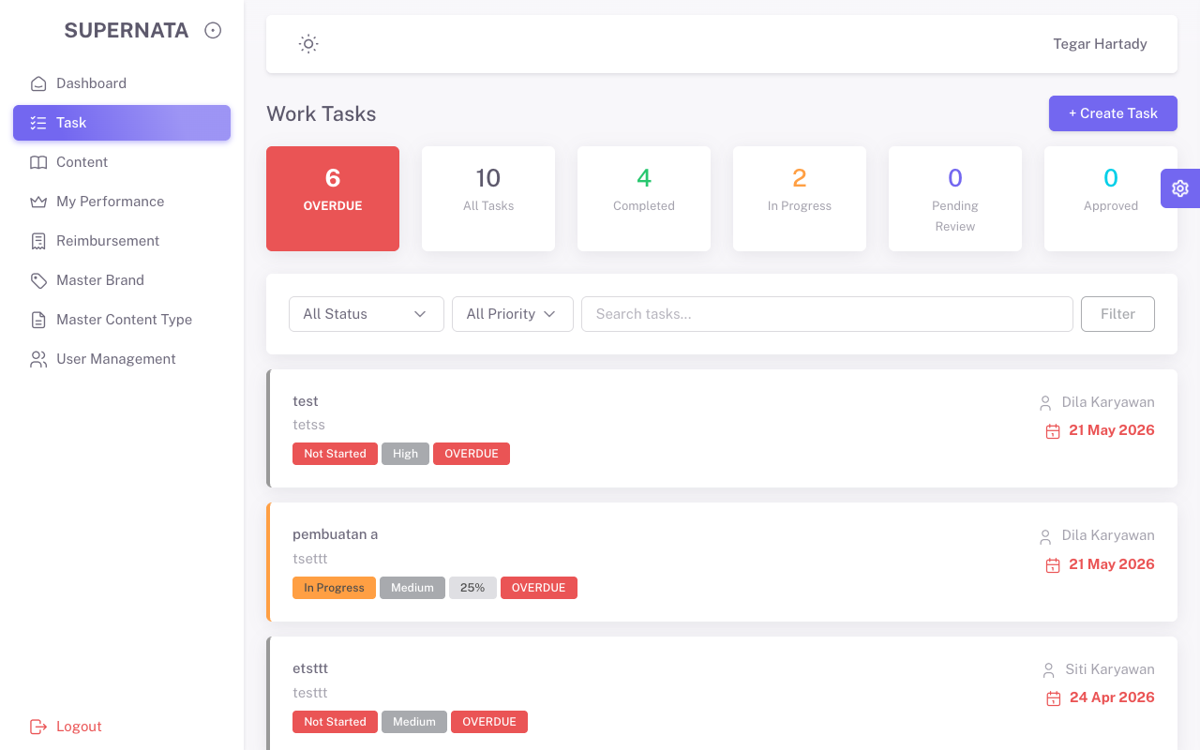
admin | Tasks | CREATE (Fail) | Muncul pesan error validasi | Pass | 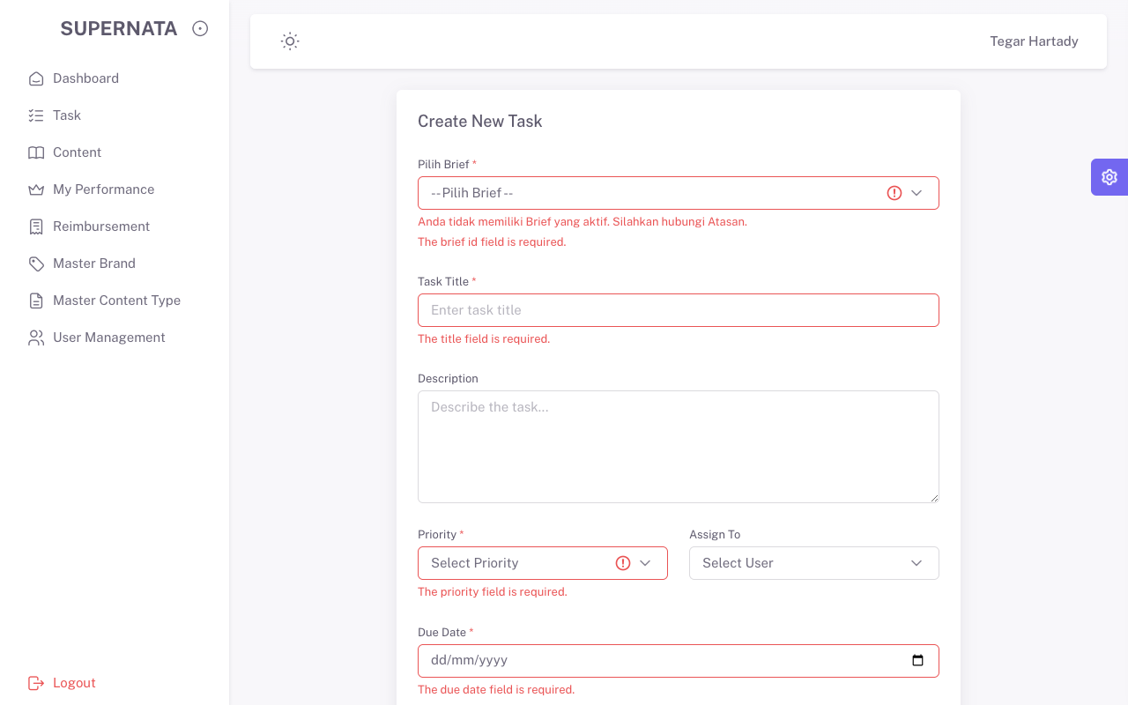
admin | Content | READ | Halaman Index Terbuka | Pass | 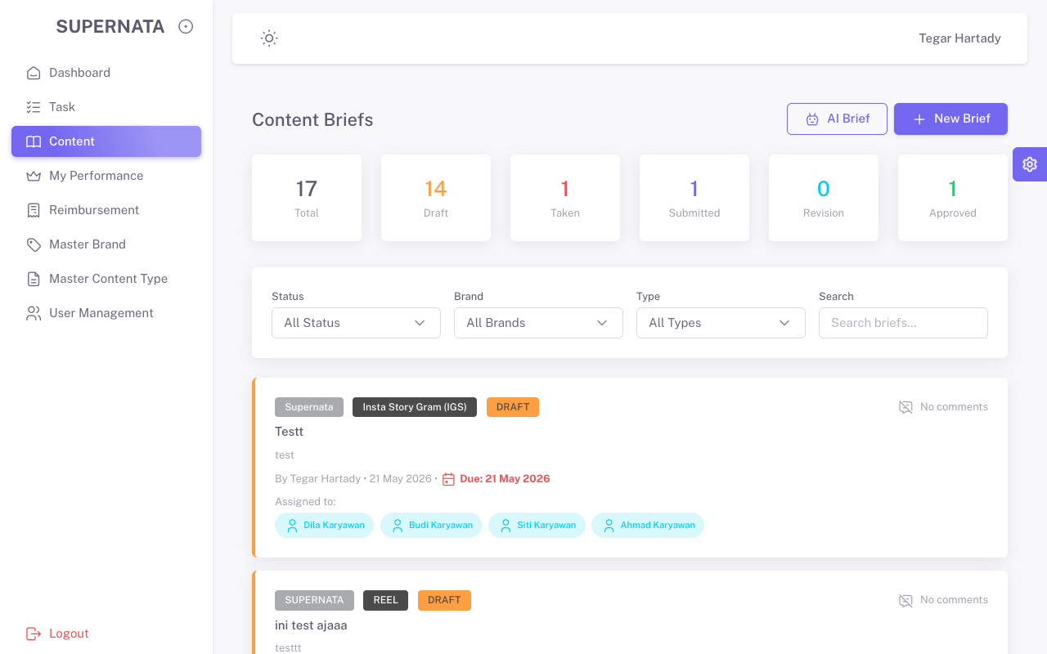
admin | Content | CREATE (Fail) | Muncul pesan error validasi | Pass | 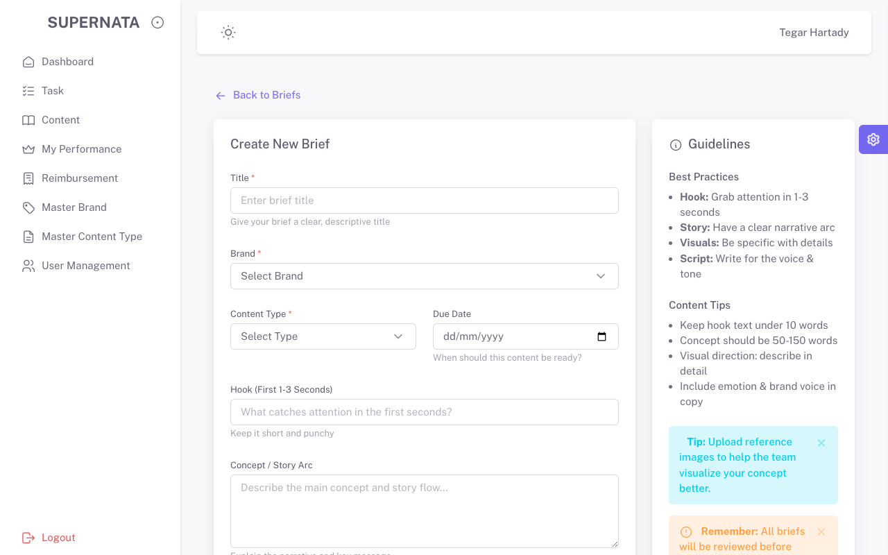
admin | Reimbursement | READ | Halaman Index Terbuka | Pass | 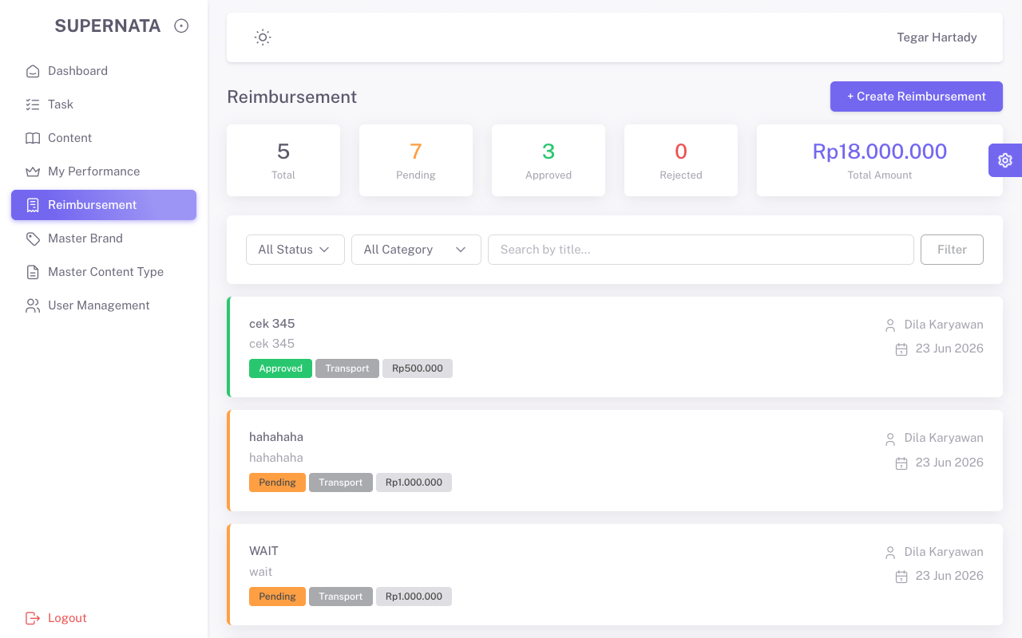
admin | Reimbursement | CREATE (Fail) | Muncul pesan error validasi | Pass | 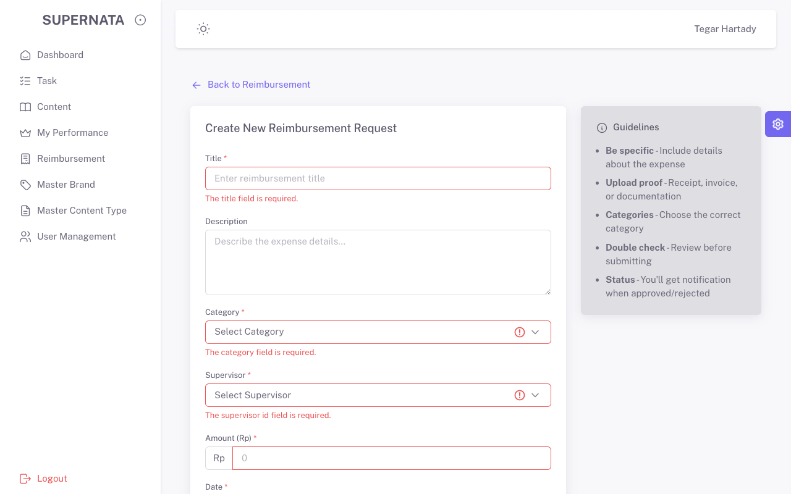
--- PENGUJIAN ROLE: SUPERVISOR ---
supervisor | Tasks | READ | Halaman Index Terbuka | Pass | 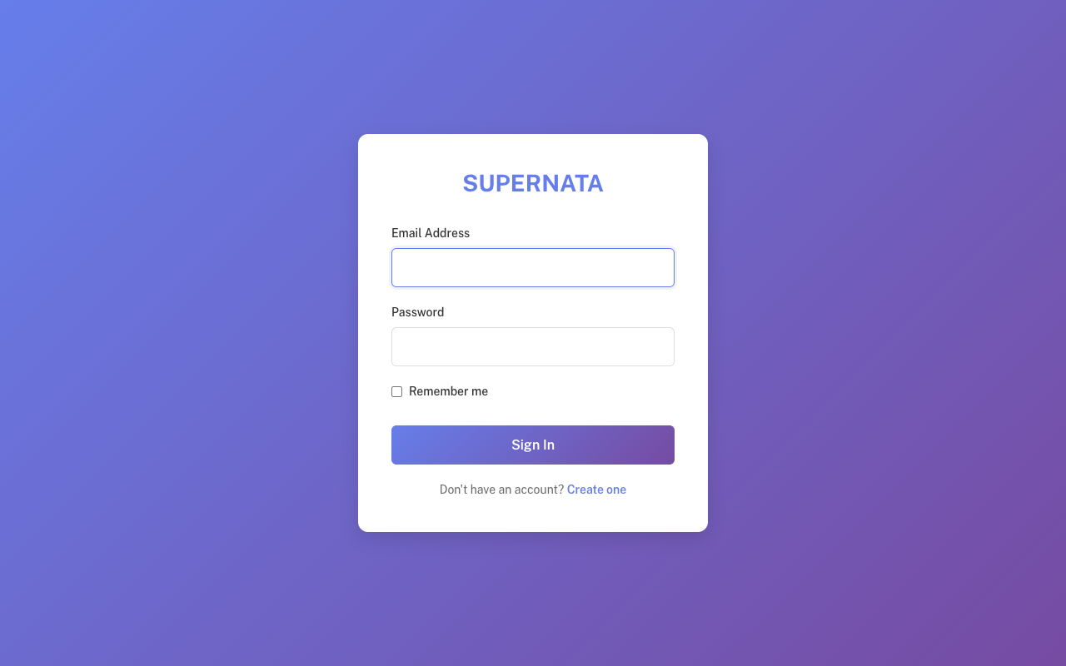
supervisor | Tasks | CREATE (Fail) | Muncul pesan error validasi | Pass
supervisor | Content | READ | Halaman Index Terbuka | Pass
supervisor | Content | CREATE (Fail) | Muncul pesan error validasi | Pass
supervisor | Reimbursement | READ | Halaman Index Terbuka | Pass
supervisor | Reimbursement | CREATE (Fail) | Muncul pesan error validasi | Pass
--- PENGUJIAN ROLE: KARYAWAN ---
karyawan | Tasks | READ | Halaman Index Terbuka | Pass | 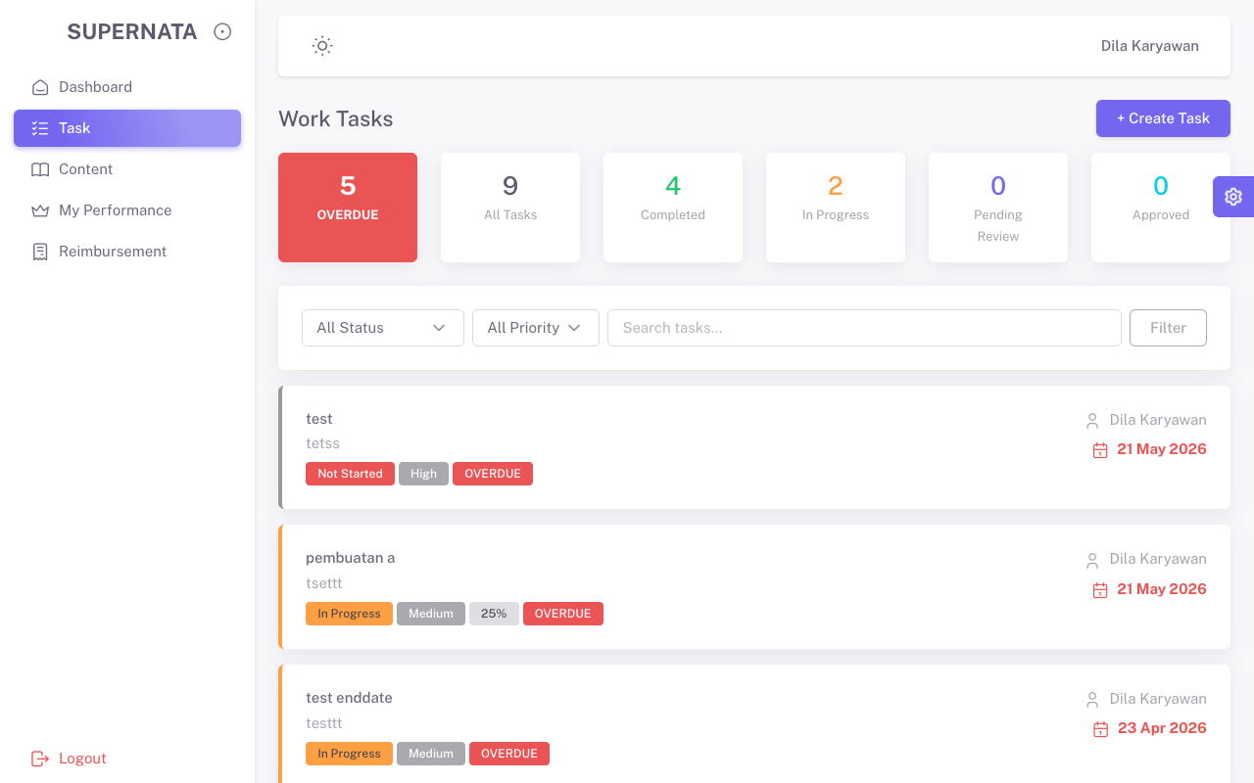
karyawan | Tasks | CREATE (Fail) | Muncul pesan error validasi | Pass | 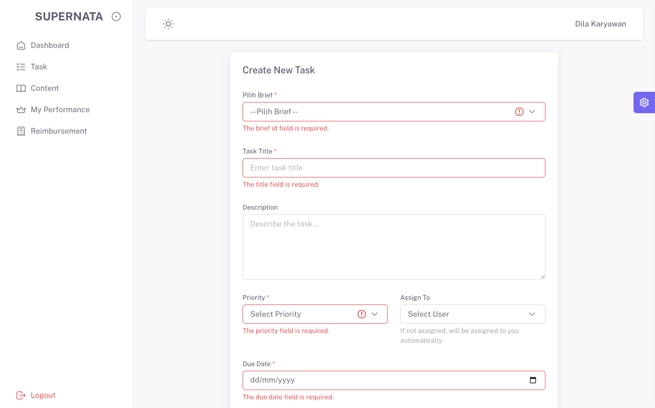
karyawan | Content | READ | Halaman Index Terbuka | Pass | 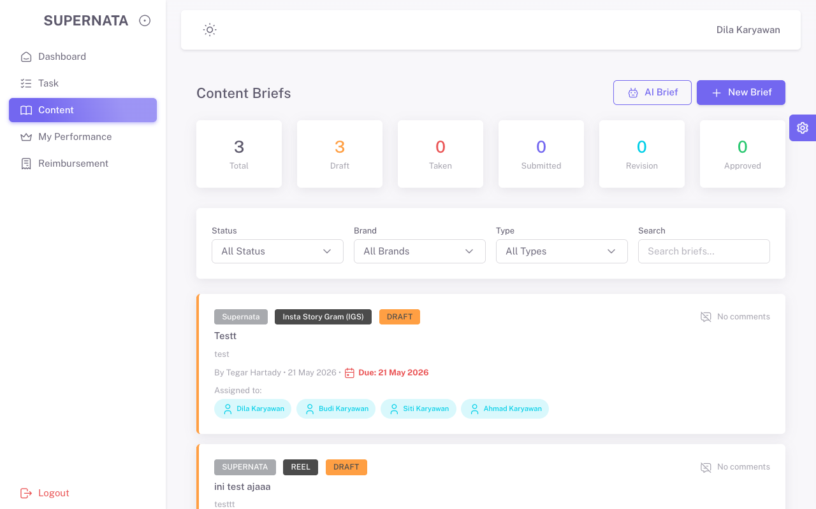
karyawan | Content | CREATE (Fail) | Muncul pesan error validasi | Pass | 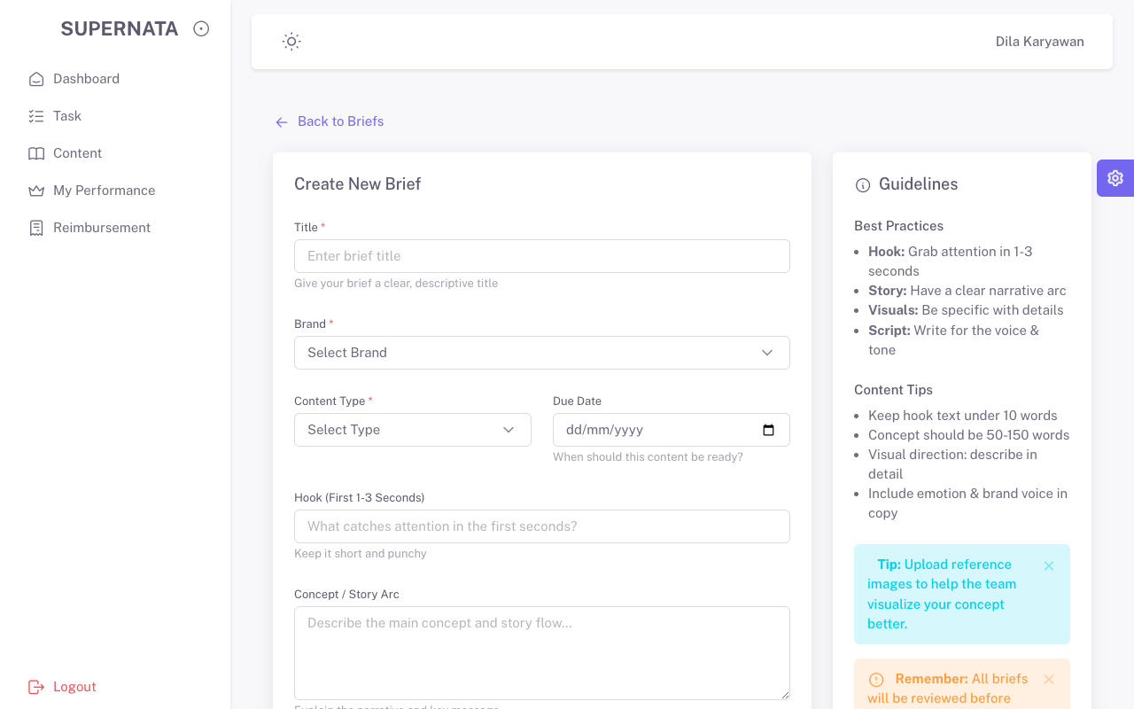
karyawan | Reimbursement | READ | Halaman Index Terbuka | Pass | 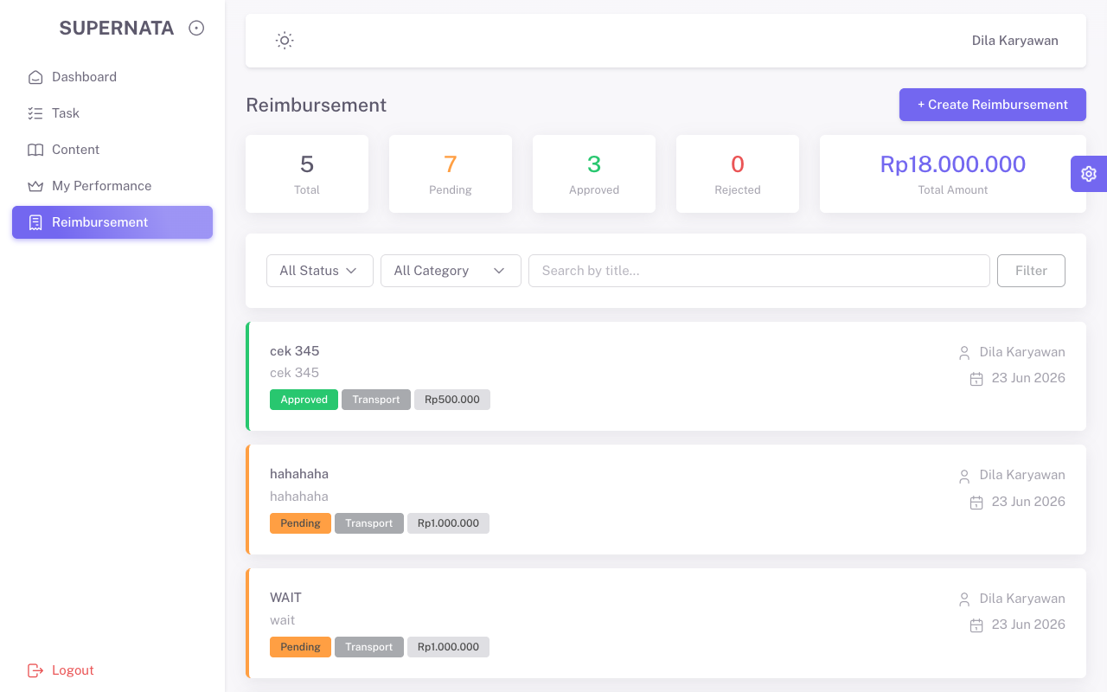
karyawan | Reimbursement | CREATE (Fail) | Muncul pesan error validasi | Pass | 