Supervisor QA Matrix
ID Test Case | Fitur | Modul | Tipe Test | Pra-kondisi | Langkah-langkah | Data Uji | Hasil yang Diharapkan | Hasil Aktual | Status | Bukti Screenshot
TC1.1 | Authentication | Login | Negatif | Akses Halaman Login | Kosongkan form, klik login | Kosong | Muncul error validasi email/pass wajib | Error validasi muncul | Pass | 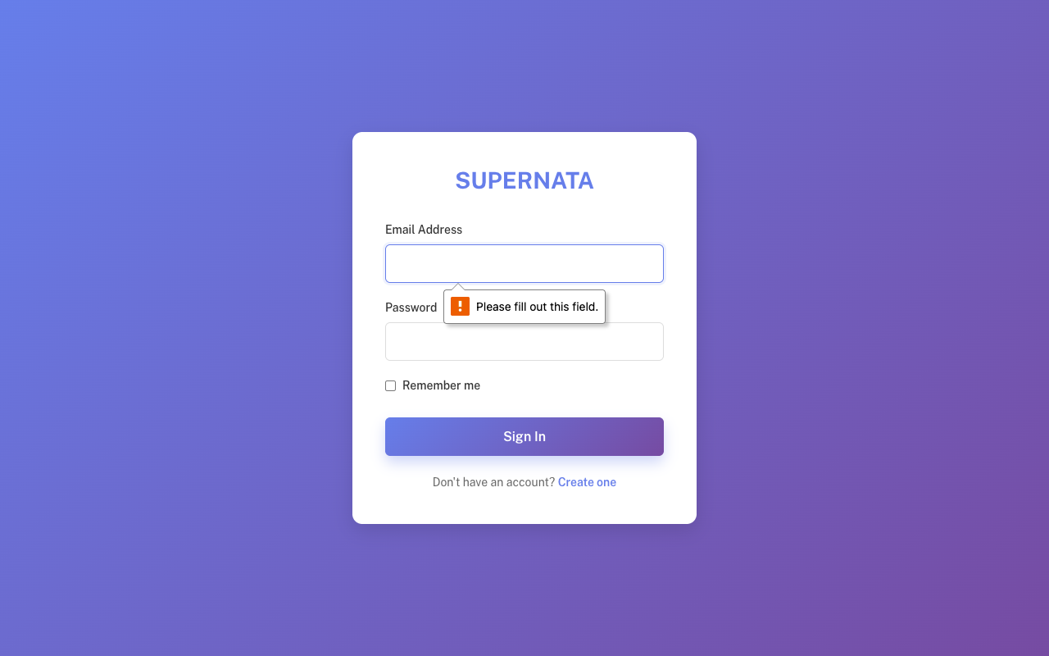 /Users/tegarhartady/Documents/Template/vuexy-admin-v10.5.0.1/html-laravel-version/Bootstrap5/webpack-mix(deprecated)/starter-kit/screenshots_qa_supervisor/TC1.1_Neg.png
TC1.2 | Authentication | Login | Negatif | Form Login | Isi email valid, password salah | ranggamardika941@gmail.com / salahpassword | Gagal login, muncul alert | Gagal dan alert muncul | Pass | 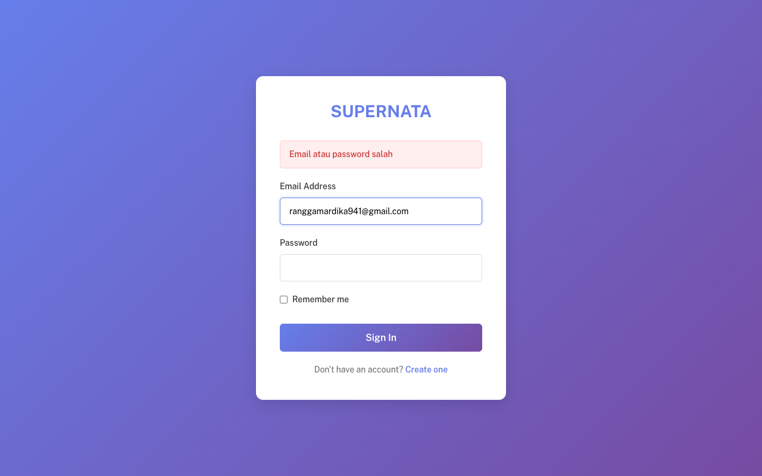 /Users/tegarhartady/Documents/Template/vuexy-admin-v10.5.0.1/html-laravel-version/Bootstrap5/webpack-mix(deprecated)/starter-kit/screenshots_qa_supervisor/TC1.2_Neg.png
TC1.3 | Authentication | Login | Positif | Form Login | Isi kredensial benar | ranggamardika941@gmail.com | Login sukses, dialihkan ke Dashboard | Sukses dialihkan | Pass | 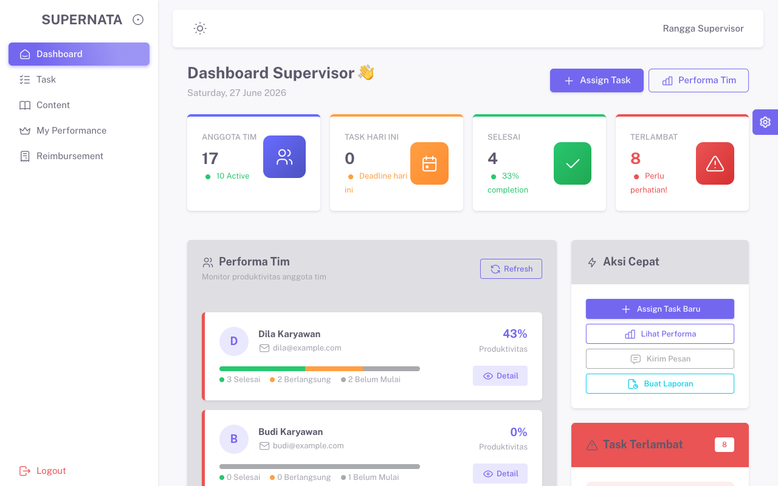 /Users/tegarhartady/Documents/Template/vuexy-admin-v10.5.0.1/html-laravel-version/Bootstrap5/webpack-mix(deprecated)/starter-kit/screenshots_qa_supervisor/TC1.3_Pos.png
TC2.1 | Navigation | Dashboard | Positif | Login sbg Supervisor | Buka Dashboard | - | Halaman Dashboard tampil | Tampil sukses | Pass | /Users/tegarhartady/Documents/Template/vuexy-admin-v10.5.0.1/html-laravel-version/Bootstrap5/webpack-mix(deprecated)/starter-kit/screenshots_qa_supervisor/TC2.1_Pos.png
TC2.2 | Navigation | My Performance | Positif | Menu samping | Klik menu My Performance | - | Halaman My Performance tampil | Tampil sukses | Pass | 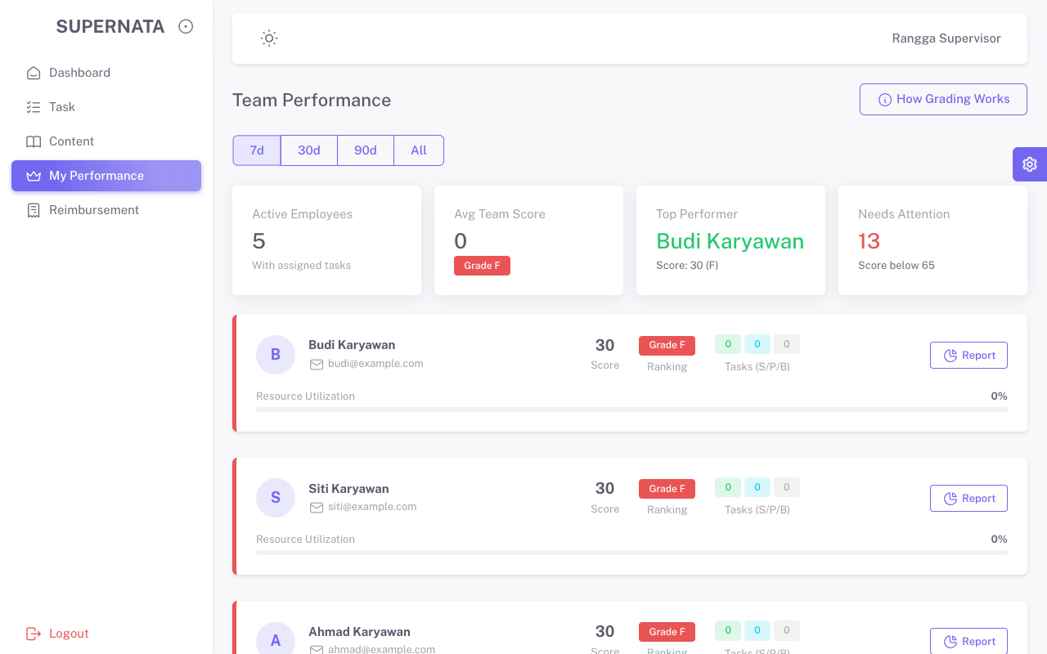 /Users/tegarhartady/Documents/Template/vuexy-admin-v10.5.0.1/html-laravel-version/Bootstrap5/webpack-mix(deprecated)/starter-kit/screenshots_qa_supervisor/TC2.2_Pos.png
TC3.0 | Navigation | Content/Briefs | Positif | Menu | Buka Menu Content | Lihat List Content | Tabel Content Tampil | Sukses Tampil | Pass | 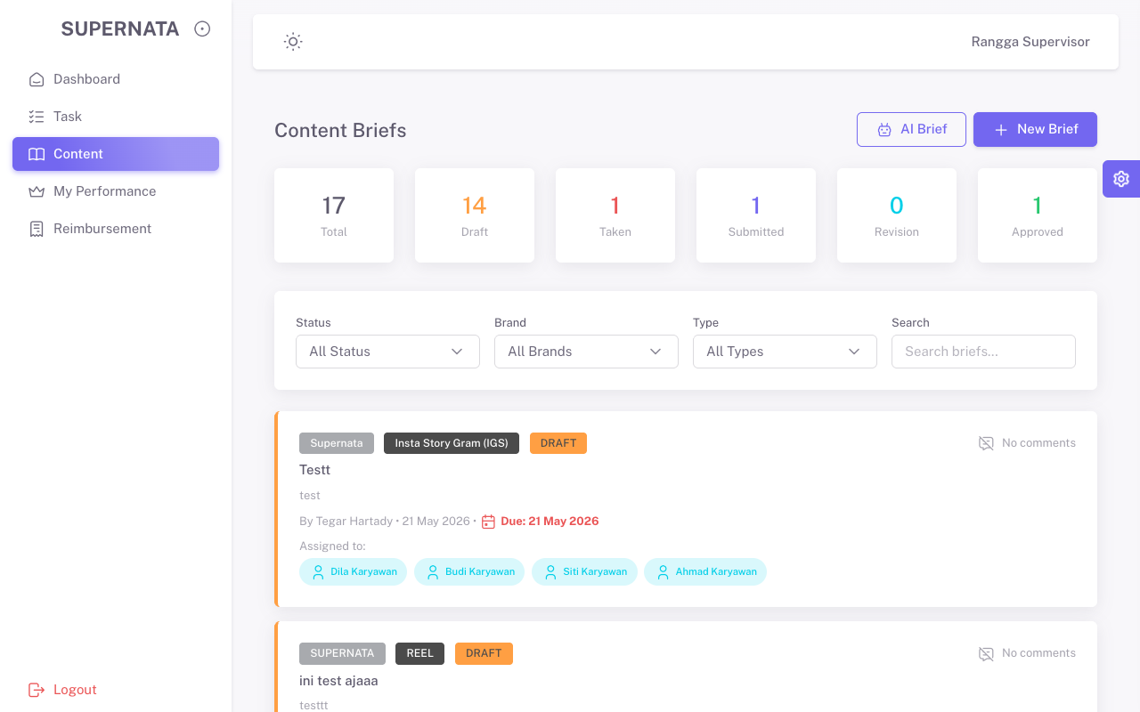 /Users/tegarhartady/Documents/Template/vuexy-admin-v10.5.0.1/html-laravel-version/Bootstrap5/webpack-mix(deprecated)/starter-kit/screenshots_qa_supervisor/TC3.0_Pos.png
TC3.1 | Data Viewer | Content/Briefs | Positif | Tabel | Klik Data Brief (Lihat Detail) | - | Detail Brief Terbuka | Terbuka sukses | Pass | 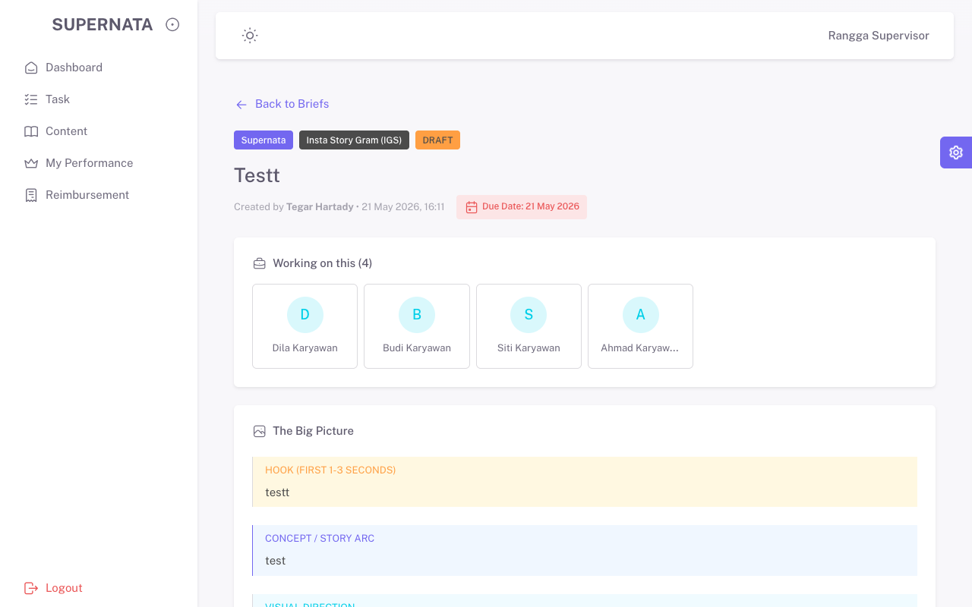 /Users/tegarhartady/Documents/Template/vuexy-admin-v10.5.0.1/html-laravel-version/Bootstrap5/webpack-mix(deprecated)/starter-kit/screenshots_qa_supervisor/TC3.1_Pos.png
TC3.2 | CRUD | Content/Briefs | Negatif | Form Create | Kosongkan form wajib, klik Create | Kosong | Sistem tolak, HTML5 error | Ditolak sistem | Pass | 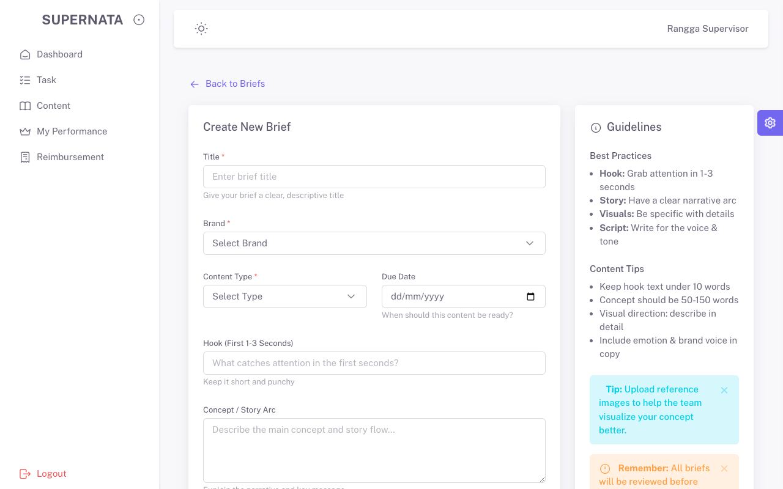 /Users/tegarhartady/Documents/Template/vuexy-admin-v10.5.0.1/html-laravel-version/Bootstrap5/webpack-mix(deprecated)/starter-kit/screenshots_qa_supervisor/TC3.2_Neg.png
TC3.3 | CRUD | Content/Briefs | Positif | Form Create | Isi data dengan benar | QA Brief Testing | Brief berhasil dibuat | Sukses dibuat | Pass
TC4.0 | Navigation | Tasks | Positif | Menu | Buka Menu Tasks | Lihat List | Tabel Task Tampil | Sukses Tampil | Pass | 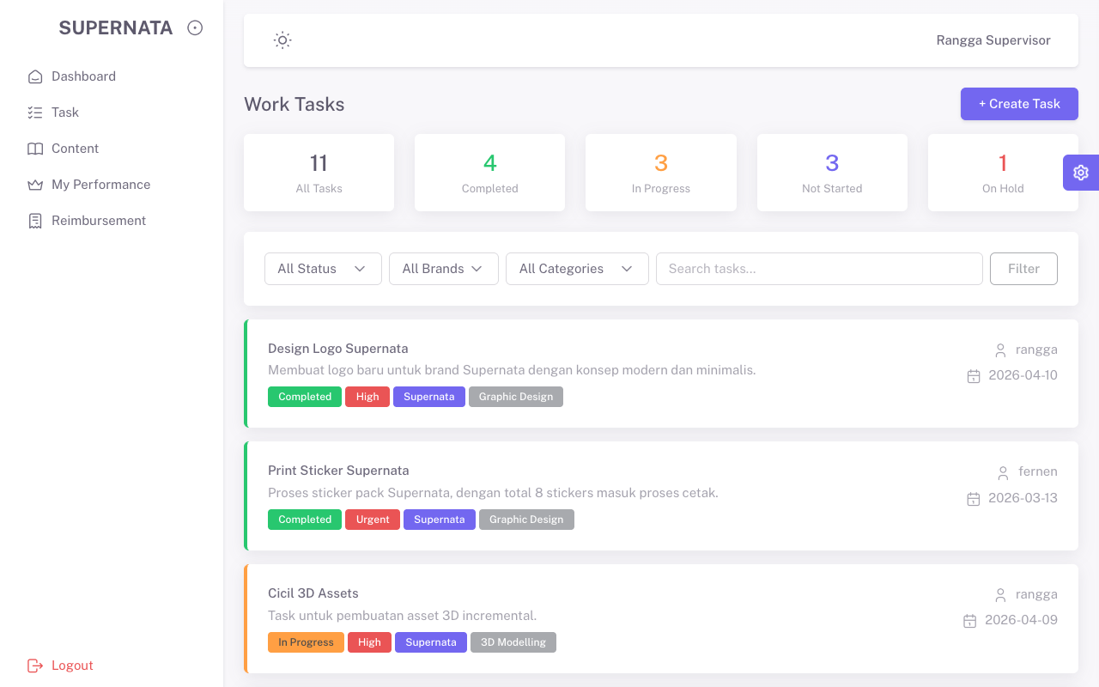 /Users/tegarhartady/Documents/Template/vuexy-admin-v10.5.0.1/html-laravel-version/Bootstrap5/webpack-mix(deprecated)/starter-kit/screenshots_qa_supervisor/TC4.0_Pos.png
TC4.1 | Data Viewer | Tasks | Positif | Tabel | Klik Detail Data Task | - | Detail Task Terbuka | Terbuka sukses | Pass | 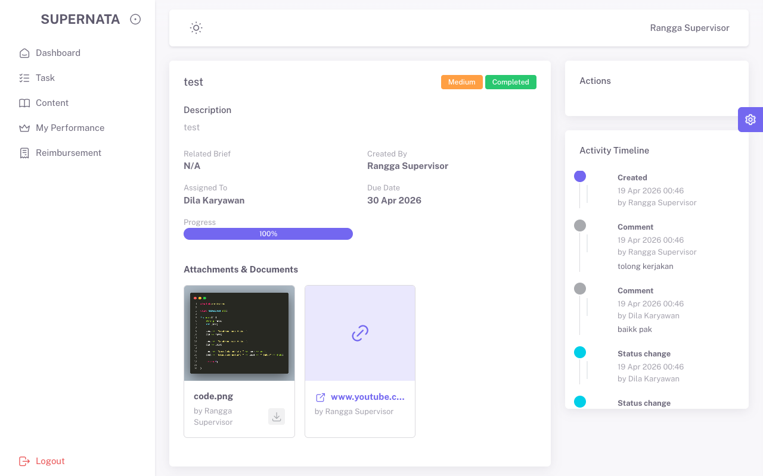 /Users/tegarhartady/Documents/Template/vuexy-admin-v10.5.0.1/html-laravel-version/Bootstrap5/webpack-mix(deprecated)/starter-kit/screenshots_qa_supervisor/TC4.1_Pos.png
TC4.2 | CRUD | Tasks | Negatif | Form Create | Kosongkan form | Kosong | Sistem tolak dengan validasi | Ditolak sistem | Pass | 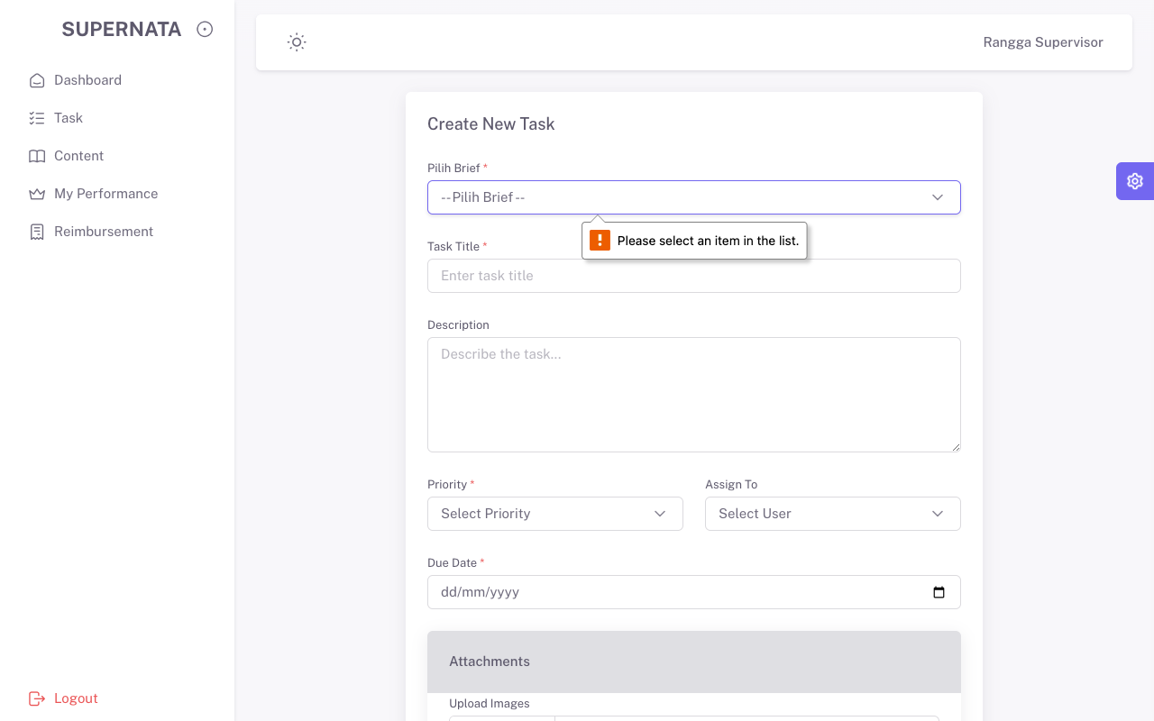 /Users/tegarhartady/Documents/Template/vuexy-admin-v10.5.0.1/html-laravel-version/Bootstrap5/webpack-mix(deprecated)/starter-kit/screenshots_qa_supervisor/TC4.2_Neg.png
TC4.3 | CRUD | Tasks | Positif | Form Create | Isi data dengan benar | QA Execute Task | Task berhasil dibuat | Sukses dibuat | Pass
TC5.0 | Navigation | Reimbursement | Positif | Menu | Buka Menu Reimburs | Lihat List | Tabel Reimburs Tampil | Sukses Tampil | Pass | 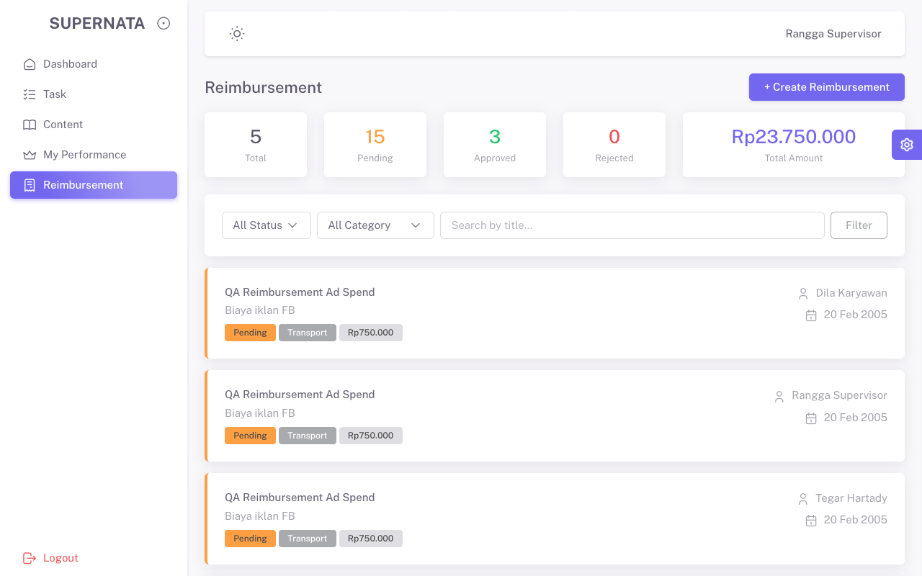 /Users/tegarhartady/Documents/Template/vuexy-admin-v10.5.0.1/html-laravel-version/Bootstrap5/webpack-mix(deprecated)/starter-kit/screenshots_qa_supervisor/TC5.0_Pos.png
TC5.1 | Data Viewer | Reimbursement | Positif | Tabel | Klik Detail Data Reimburs | - | Detail Terbuka | Terbuka sukses | Pass | 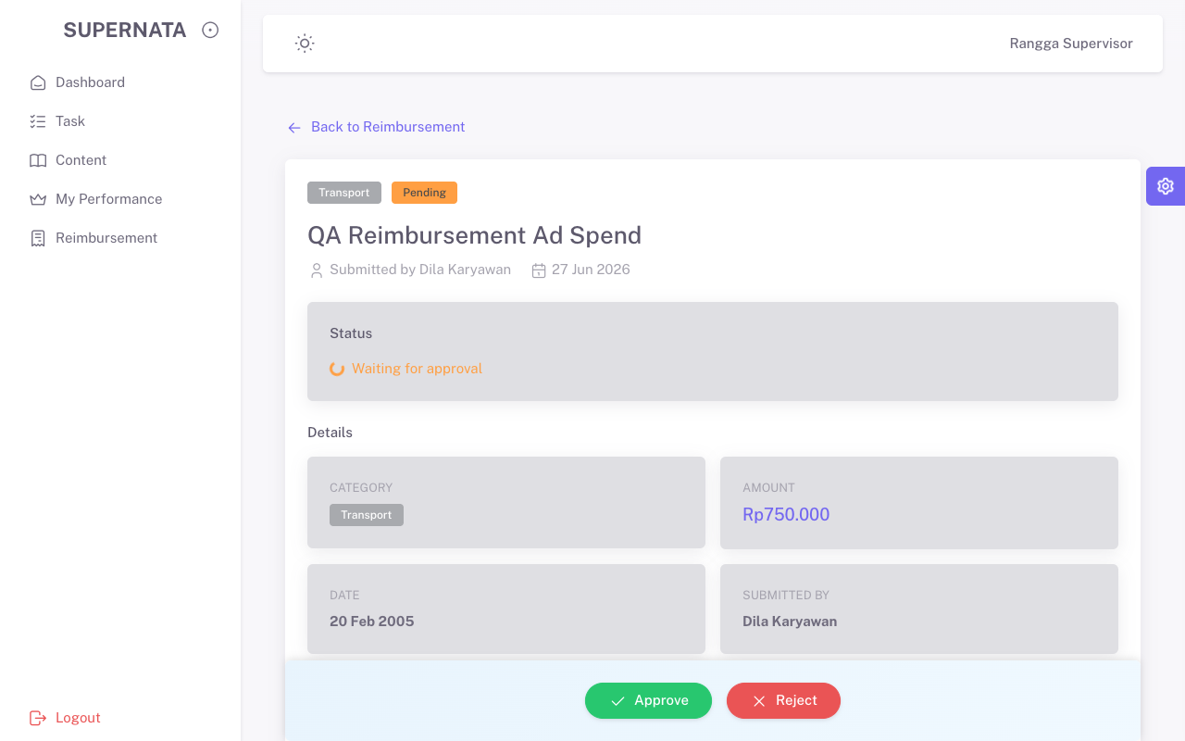 /Users/tegarhartady/Documents/Template/vuexy-admin-v10.5.0.1/html-laravel-version/Bootstrap5/webpack-mix(deprecated)/starter-kit/screenshots_qa_supervisor/TC5.1_Pos.png
TC5.2 | CRUD | Reimbursement | Negatif | Form | Kosongkan data | Kosong | Validasi memblokir submit | Blokir sukses | Pass | 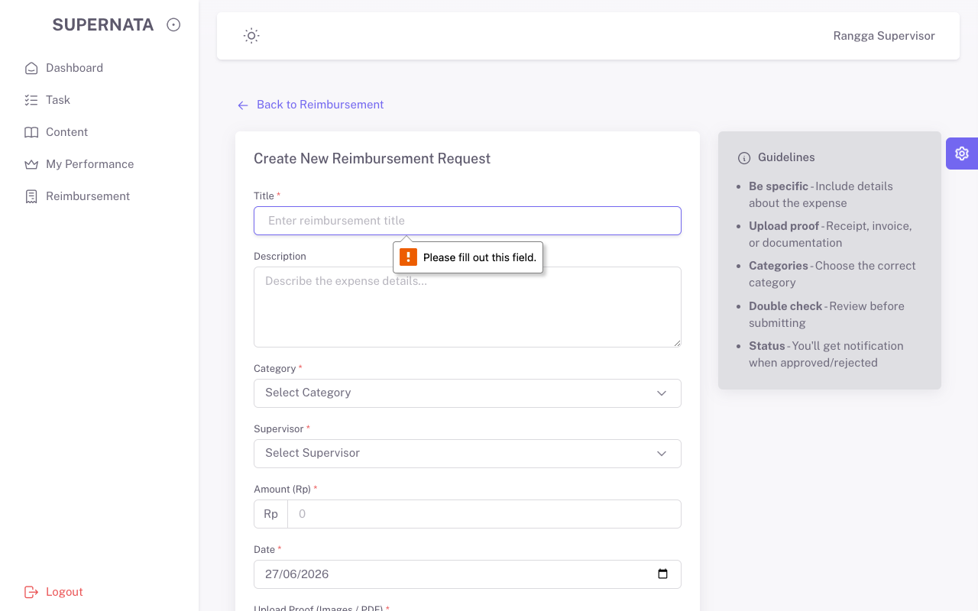 /Users/tegarhartady/Documents/Template/vuexy-admin-v10.5.0.1/html-laravel-version/Bootstrap5/webpack-mix(deprecated)/starter-kit/screenshots_qa_supervisor/TC5.2_Neg.png
TC5.3 | CRUD | Reimbursement | Positif | Form Create | Isi data dengan benar | 750000 | Reimburs berhasil dibuat | Sukses dibuat | Pass

