C3
Step | Time T (=0) + | Step | Step
1 | 0 | 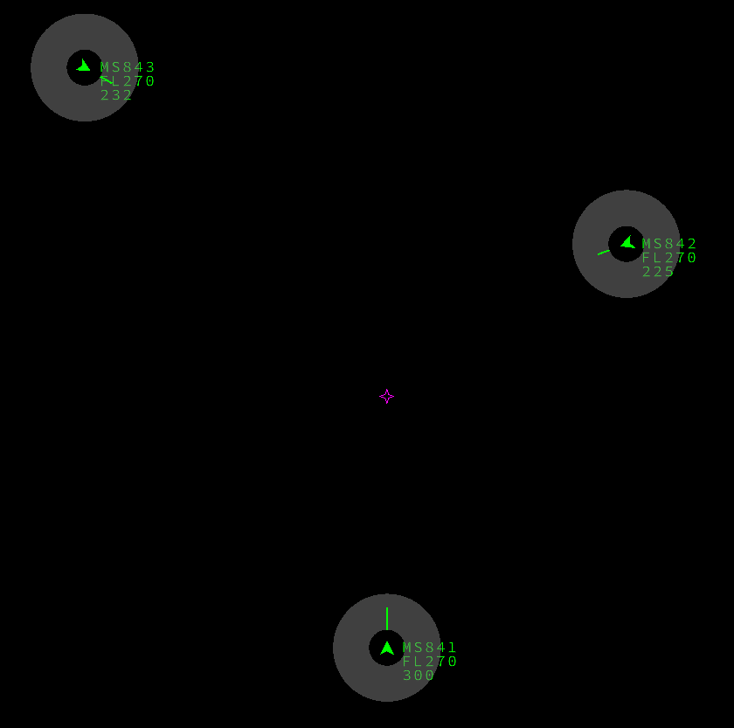 No conflict
2 | + 24s | Conflict detected: MS841 - MS842 | 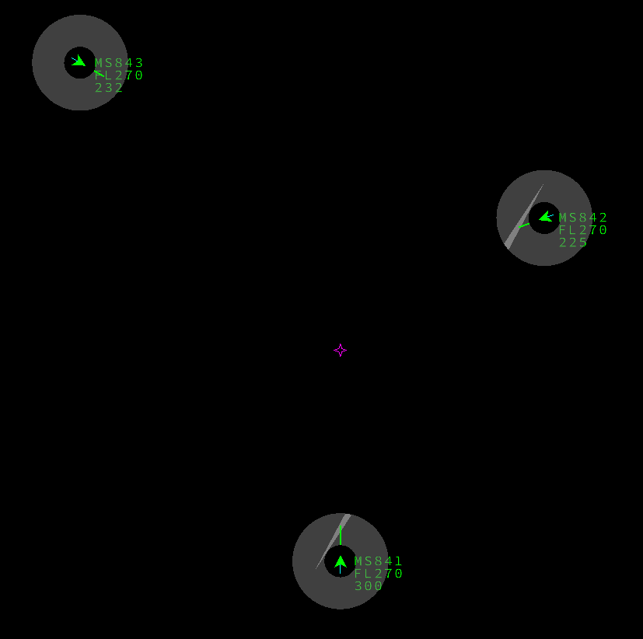
3 | + 4m30s | Conflict detected: MS841 - MS843 | 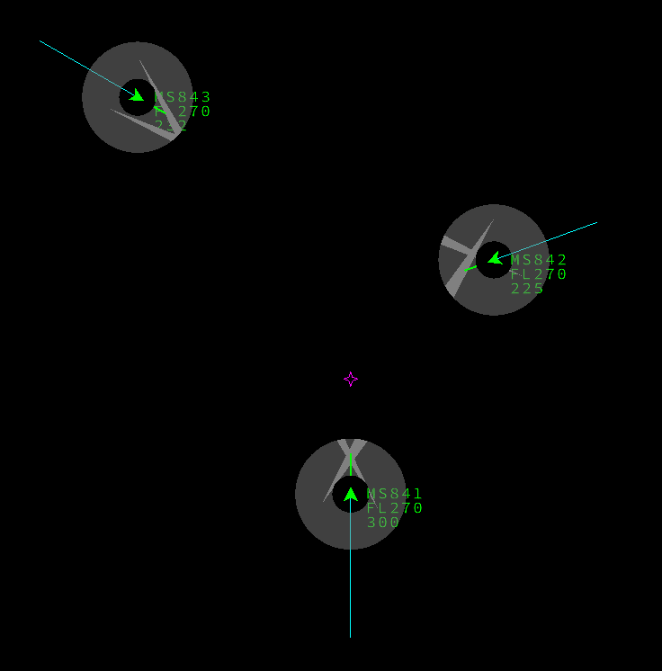
4 | + 6m15s | Amber alert: MS841 - MS842 Expected Manoevre: Go left | 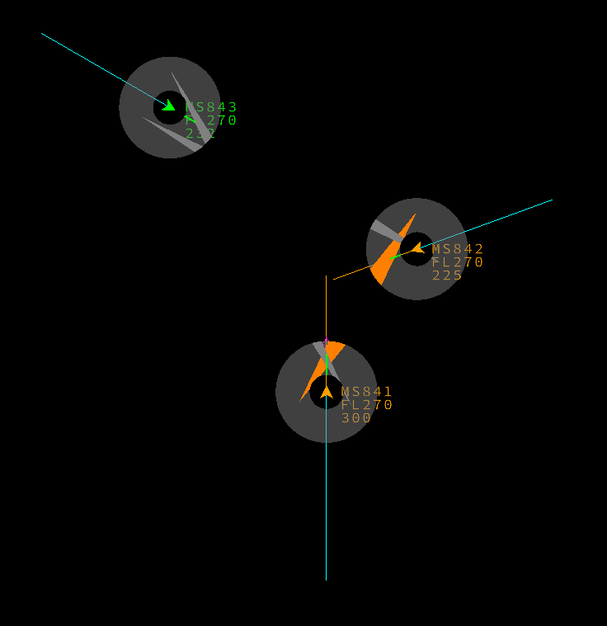
5 | +9m | Resolution: No / Yes No: Red Alert: MS841 - MS842 Yes: MS841 stays in conflict with MS873 MS842 is clear of conflicts | 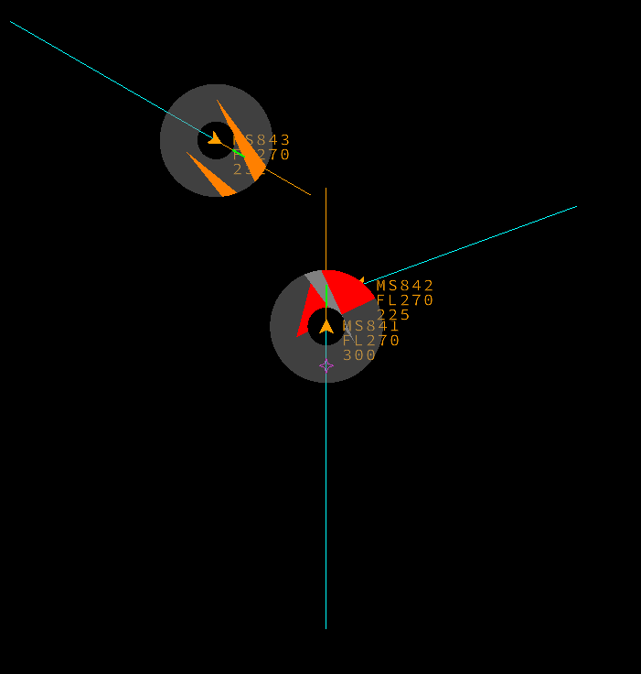 | 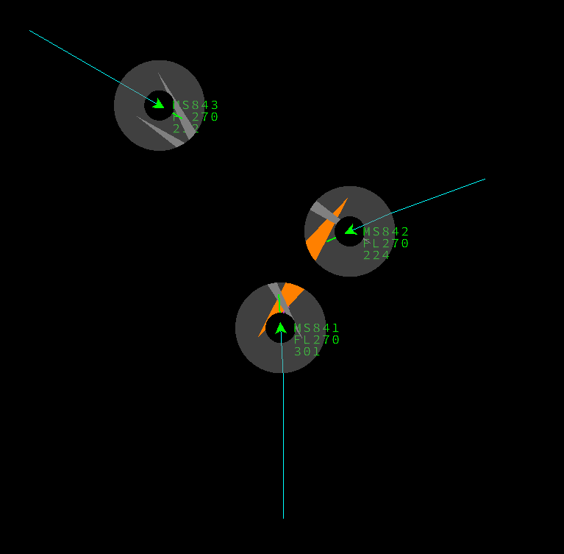 +7m45
6 | +12m20s | No: Red Alert: MS841 - MS843 Yes: no more conflicts for MS841 and MS843 | 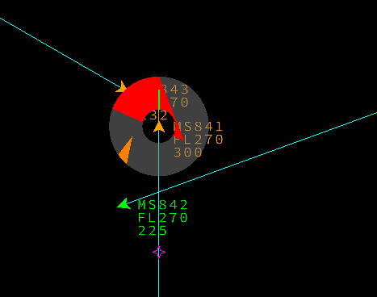 | + 8m35s | 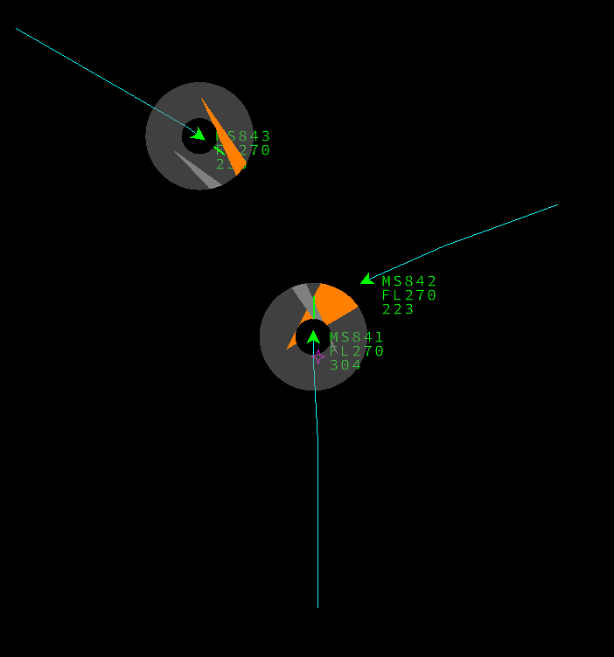
7 |  |  |  |  | 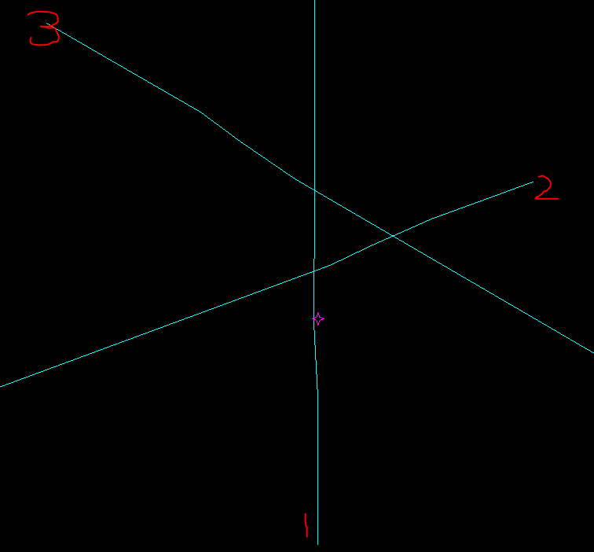
8
9
10
11
12
13
14
15
16
17
18
19
20
21
22
23
24

C5
Step | Time T (=0) + | Step | Step
1 | 0 | No conflict | 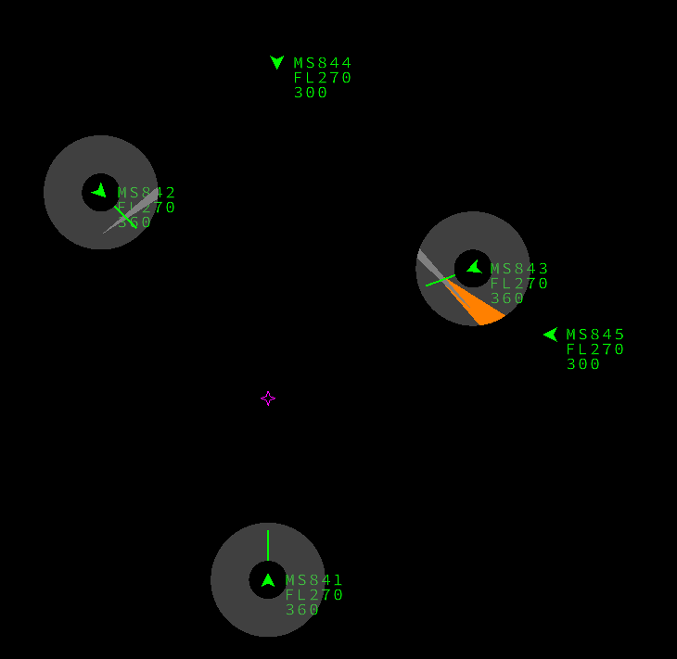
2 | + 1m35s | 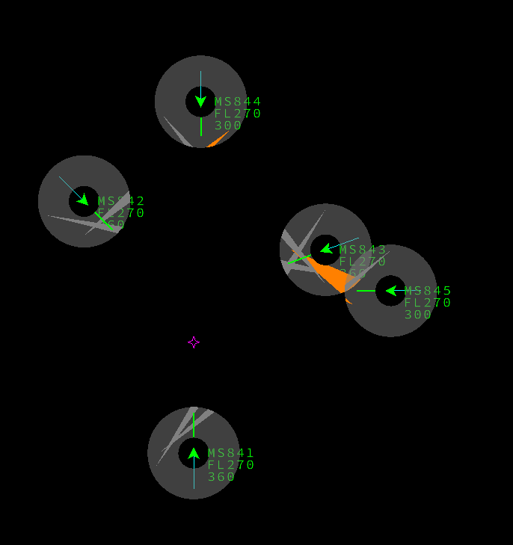 Conflict detected: MS841 - MS843 MS842 - MS843
3 | +1m50s | Conflict detected: MS844 - MS845 | 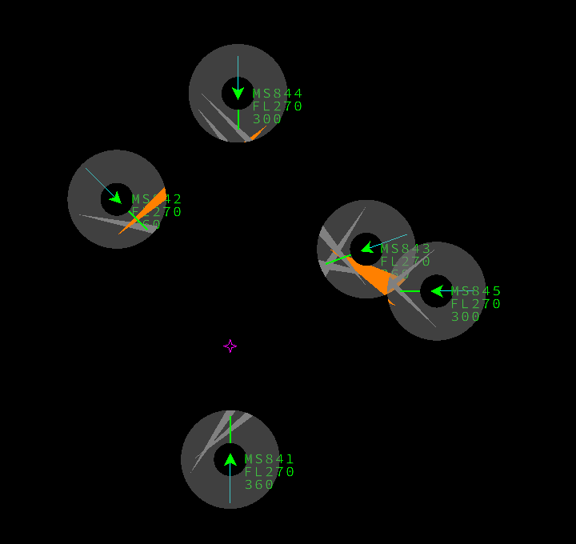
4 | 1m58s | conflict detected: MS841 - MS842 | 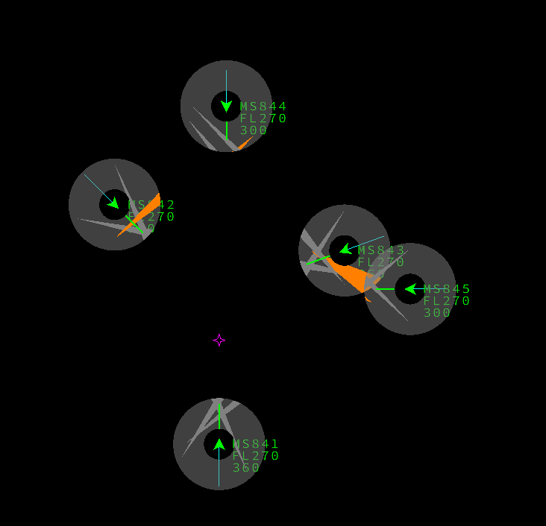 | +3m20 Res: MS841 MS842 MS843 | 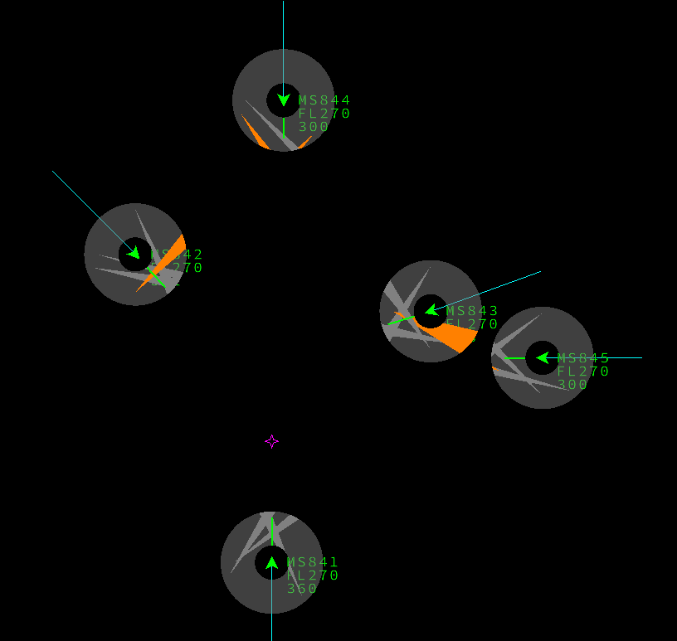
5 | +3m35s | Amber Alert: MS841 - MS843 MS842 - MS843 | 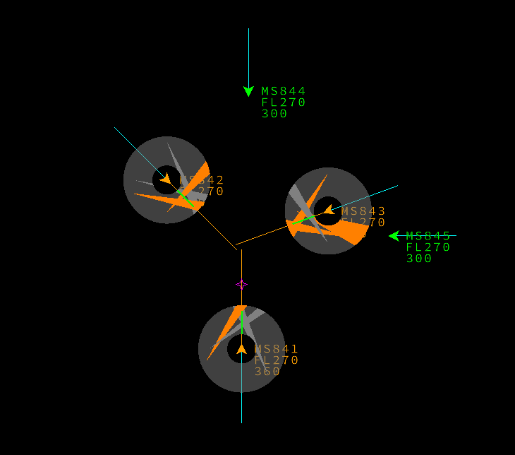 | +4m conflict: MS841 / 4 | 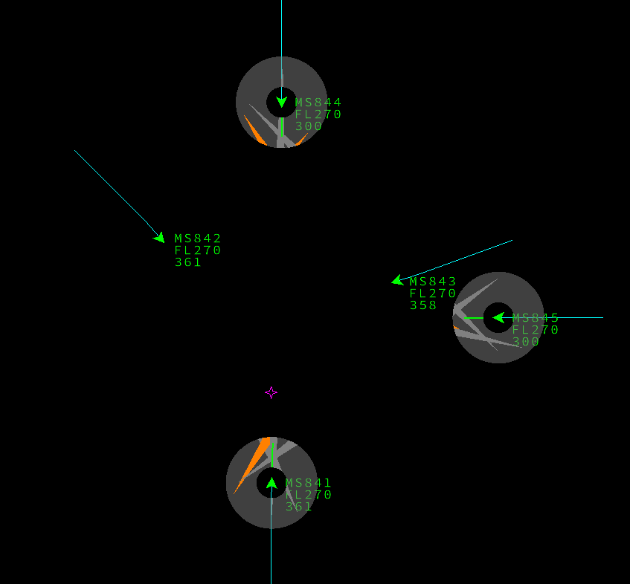
6 | +4m | Conflct detected: MS841 - MS844 | 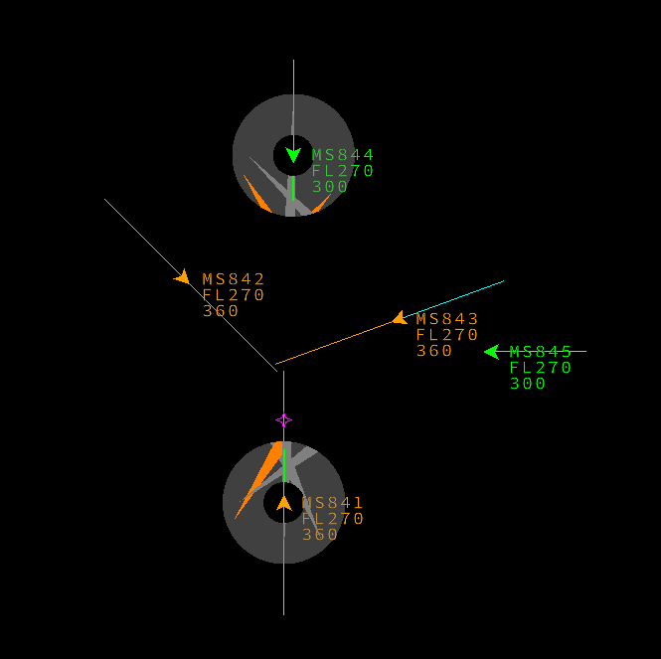 | +5m20 confusion MS841 | 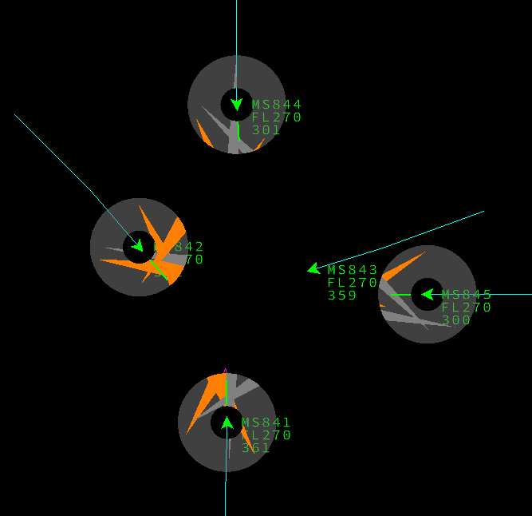
7 | +4m10s | Amber Alert: MS841 - MS842 | 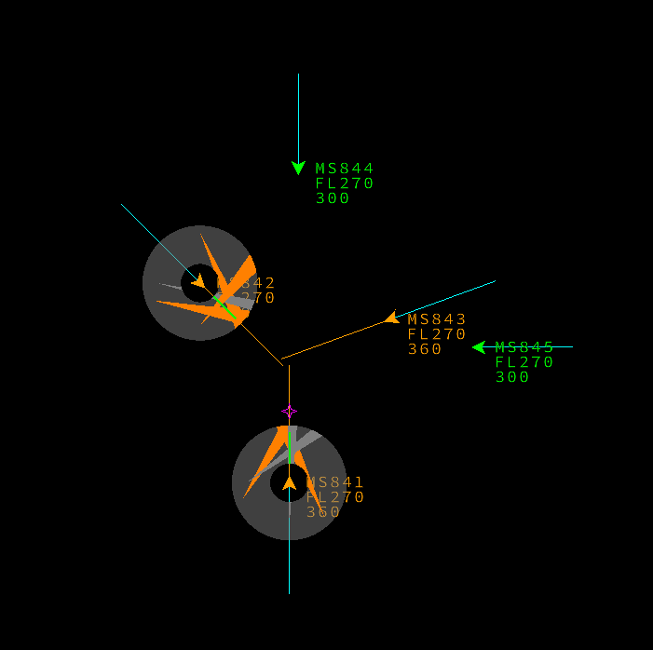 | +6m MS841 resolved Conflict MS844/5 | 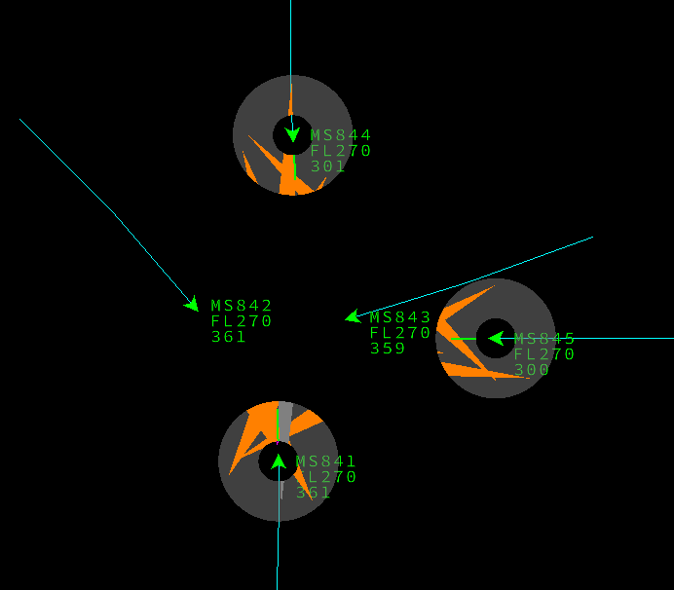
8 | +6m40s | Conflict detected: MS844 - MS845 | 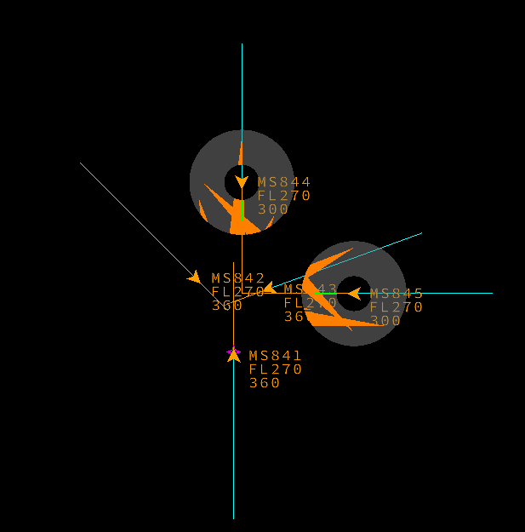 | +6m44s All resolved | 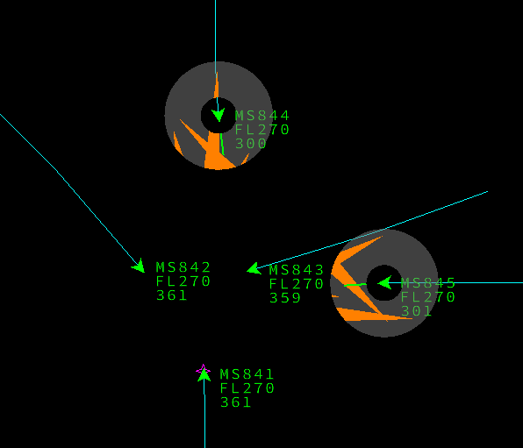
9 | + 9m> | Multiple red alerts |  |  | 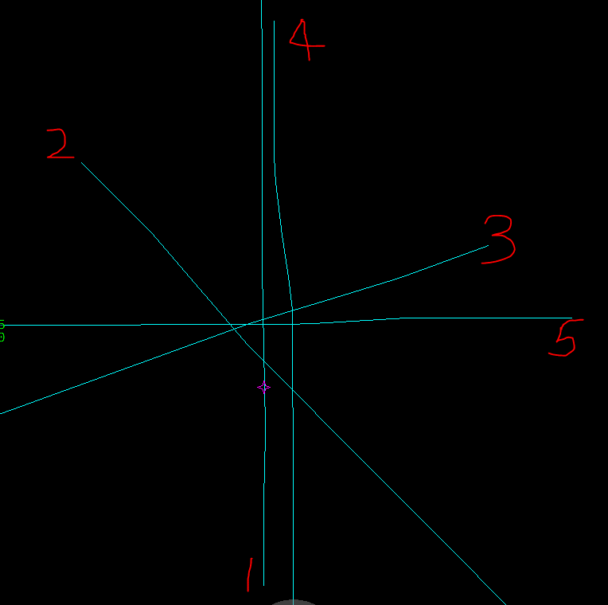
10
11
12
13
14
15
16
17
18
19
20
21
22
23
24

C3I3
Step | Time T (=0) + | Step | Step
1 | 0 | No conflict | 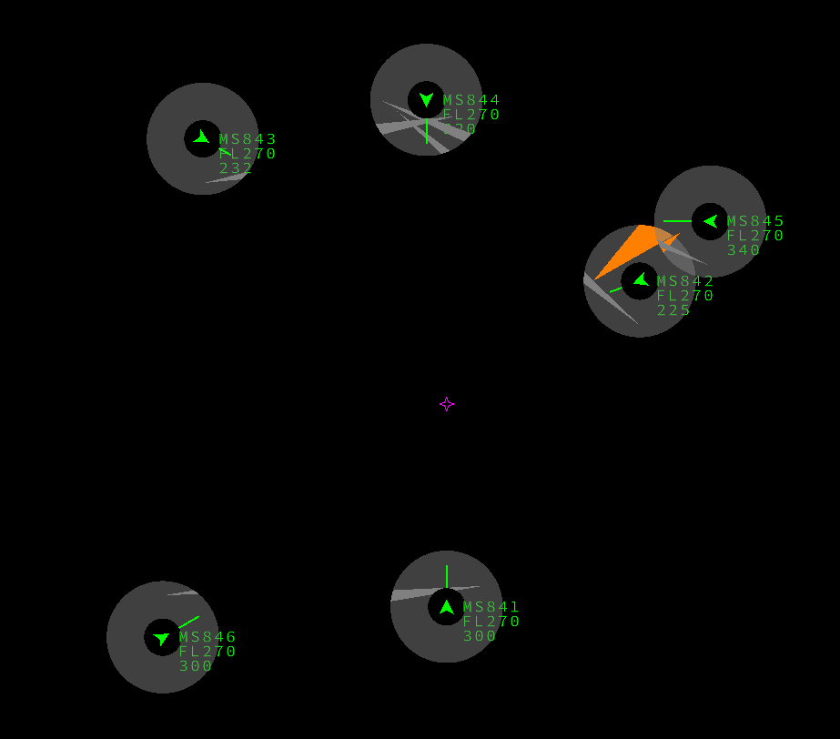
2 | + 24s | 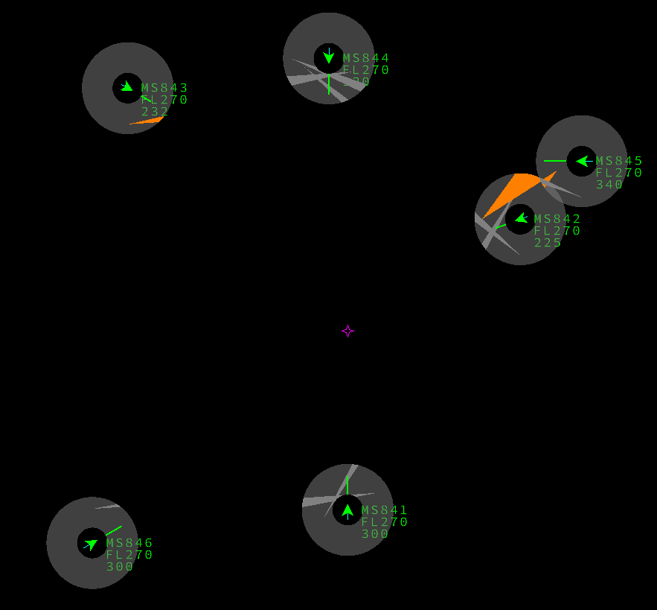 Conflict detected: MS841 - MS842
3 | + 4m30s | Conflict detected: MS841 - MS843 | 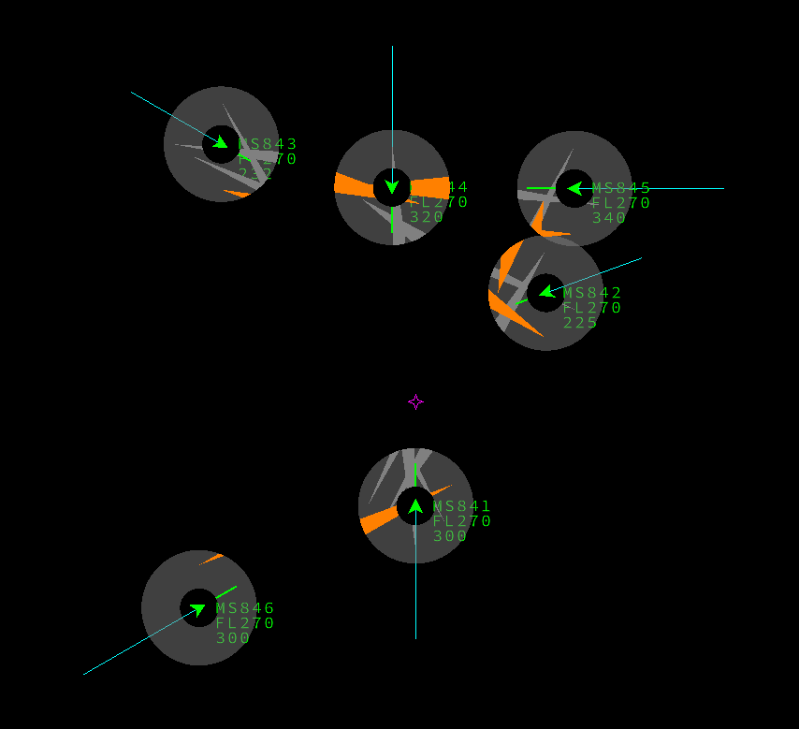
4 | + 6m15s | Amber alert: MS841 - MS842 | 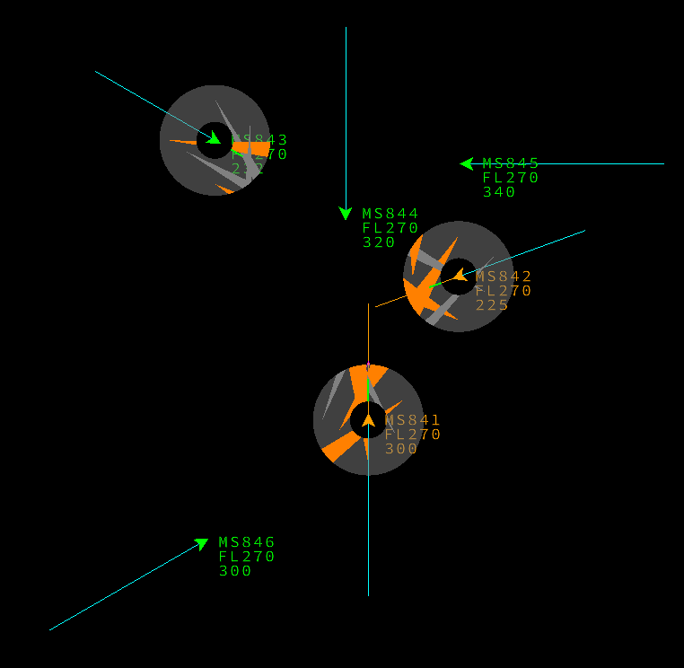 | + 5m10s Resoln MS841/2 conflict MS841/3 | 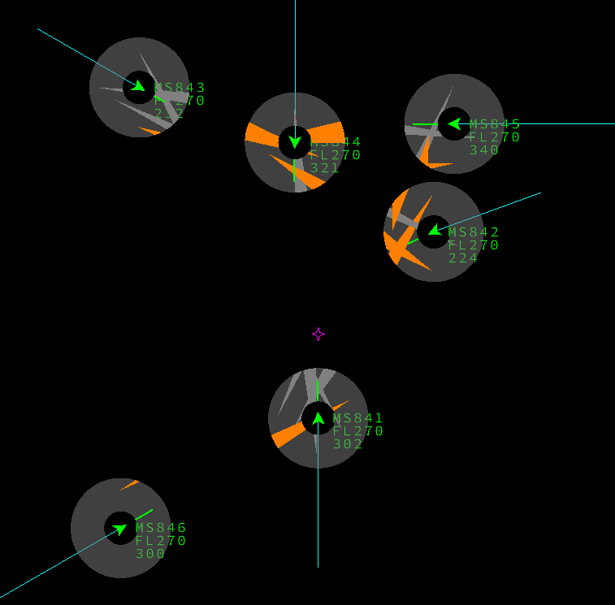
5 | +9m | Resolution ** | 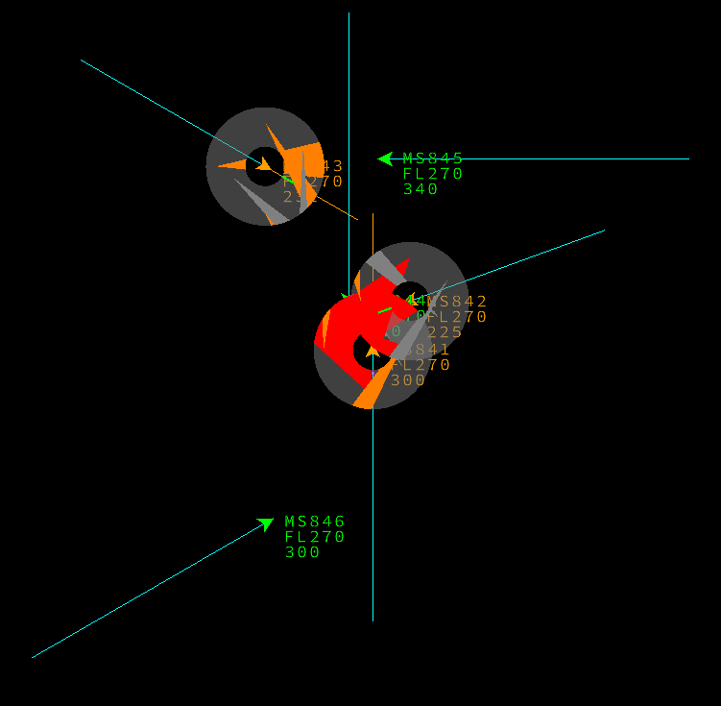 | + 5m30s inf to cnf MS841/4 | 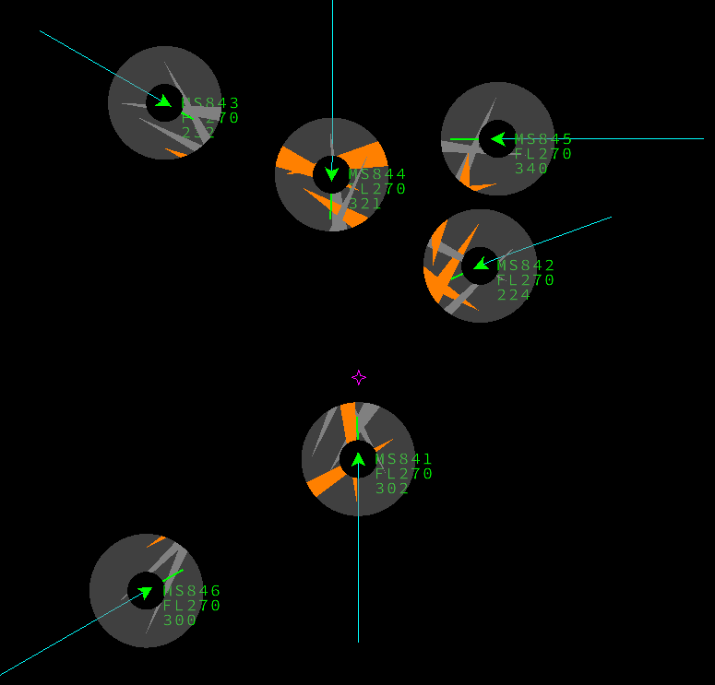 | ** Alternative representation | 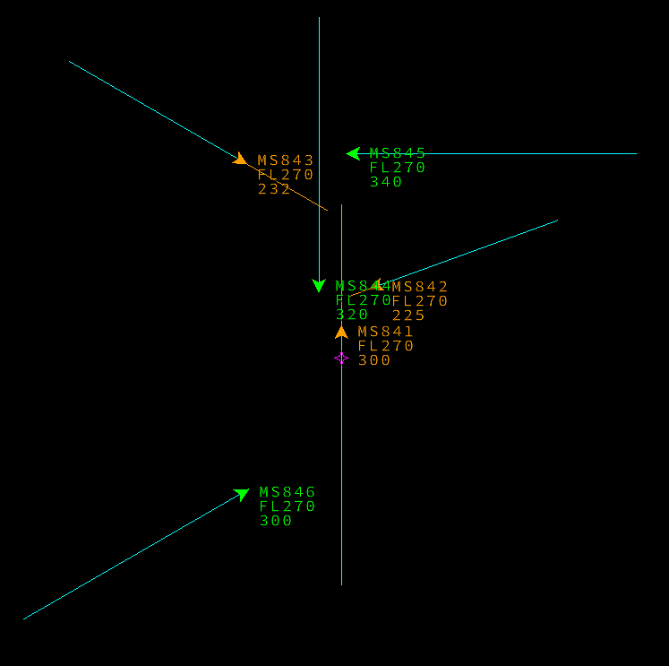
6 | +12m20s | No: Red Alert: MS841 - MS843 | 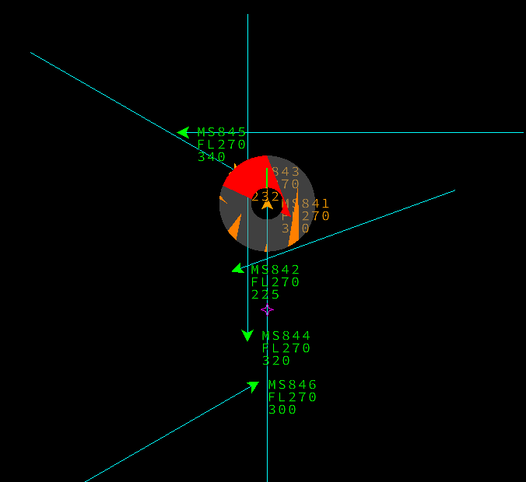 | + 8m15s resoln MS841/3 all clear | 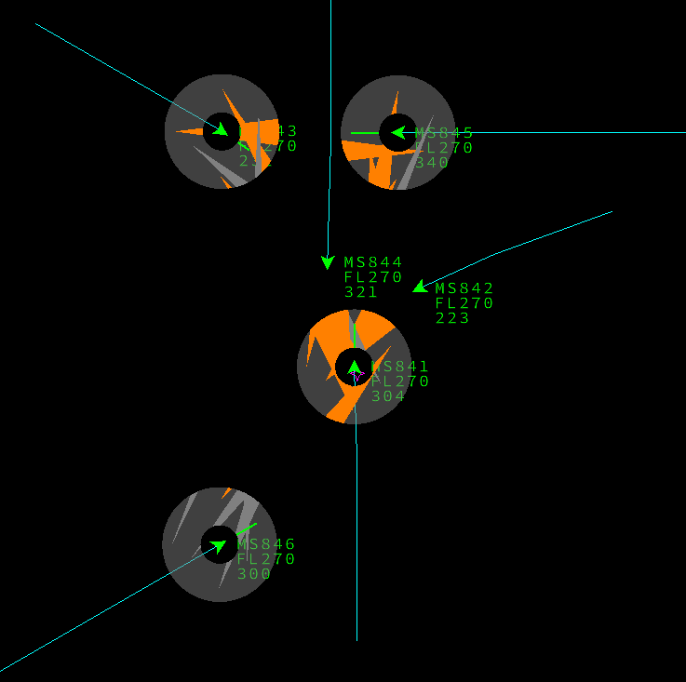
7 |  |  |  | + >35m | 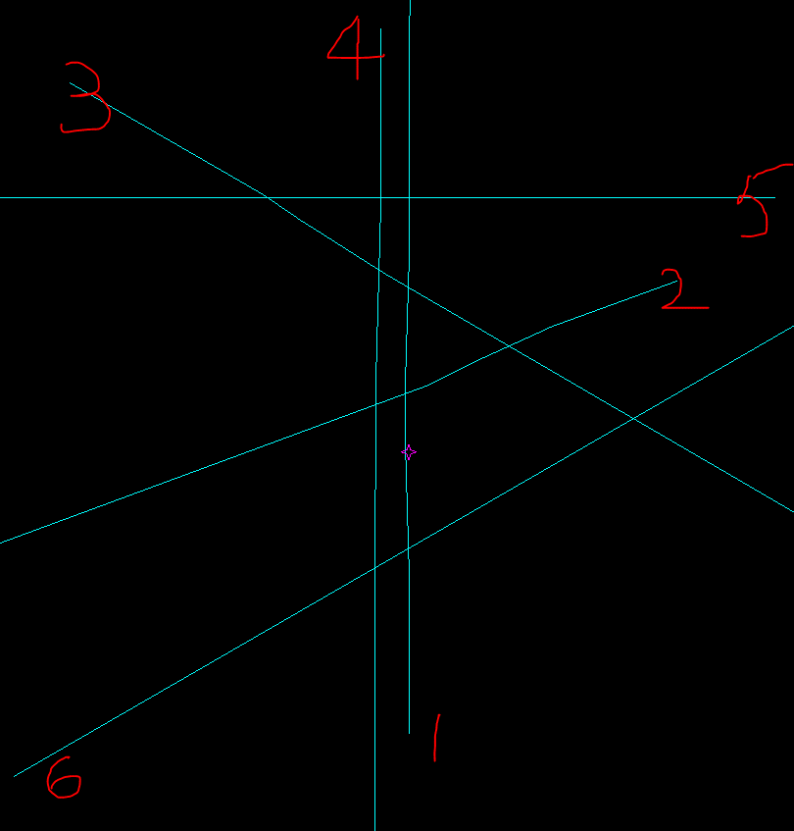
8
9
10
11
12
13
14
15
16
17
18
19
20
21
22
23
24

C5I3
Step | Time T (=0) + | Step | Step
1 | 0 | No conflict | 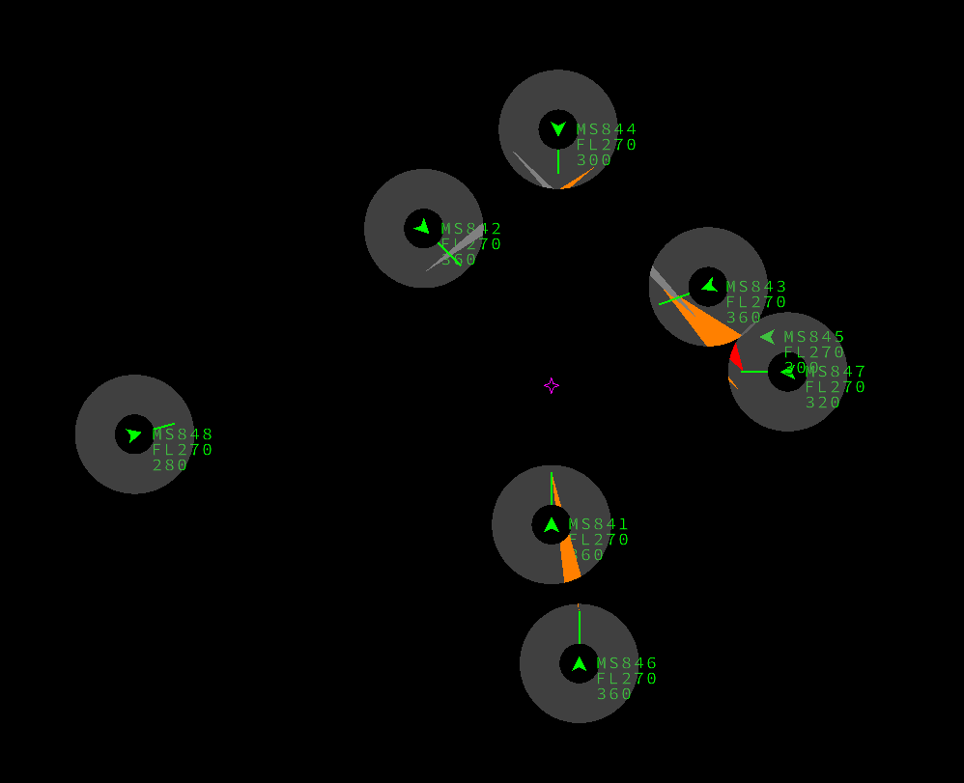
2 | + 1m35s | Conflict detected: MS841 - MS843 MS842 - MS843 | 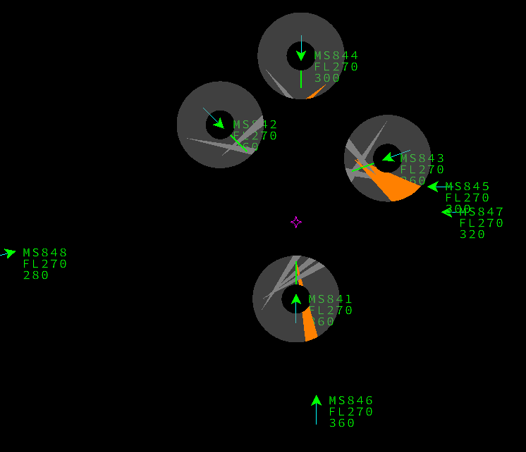
3 | +1m50s | Conflict detected: MS844 - MS845 | 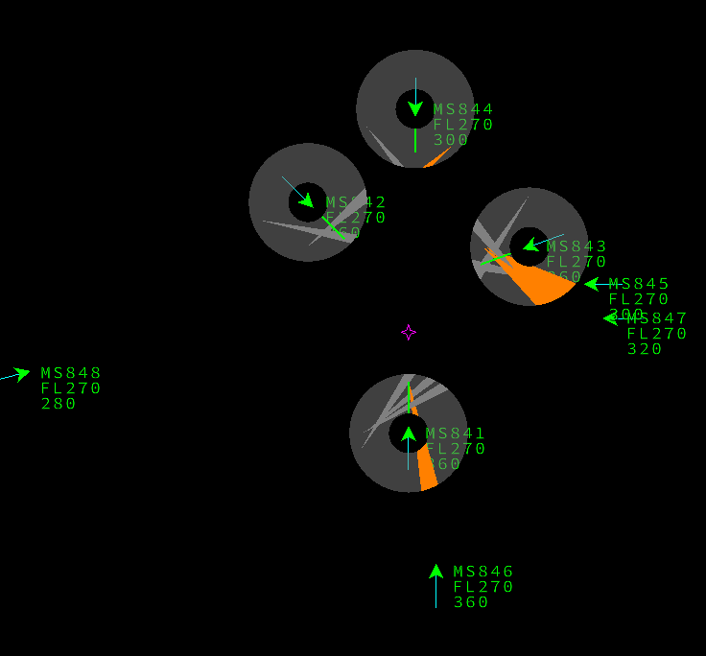
4 | 1m58s | conflict detected: MS841 - MS842 | 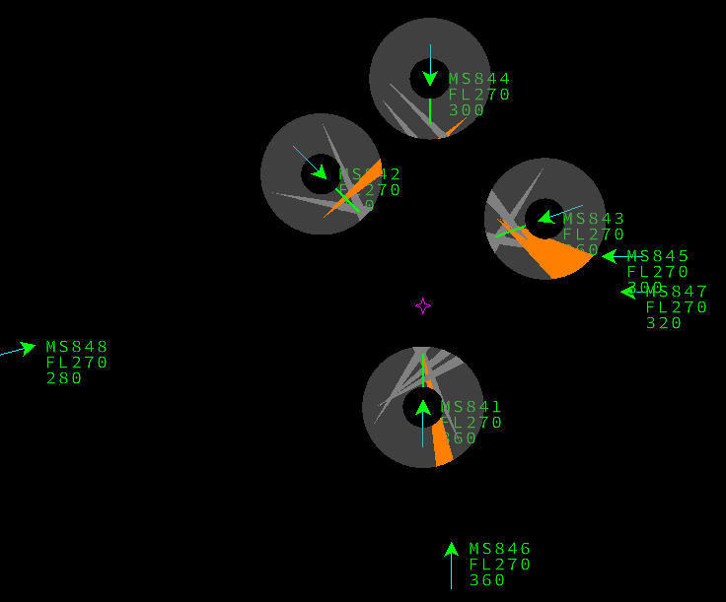
5 | +3m35s | Amber Alert: MS841 - MS843 MS842 - MS843 | 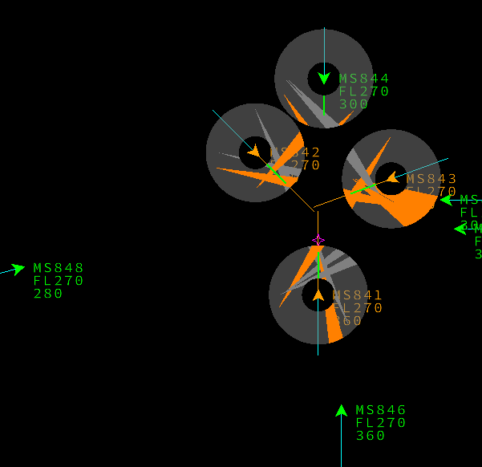 | + 3m20s Resoln MS842/3 Cnf MS841/2 | 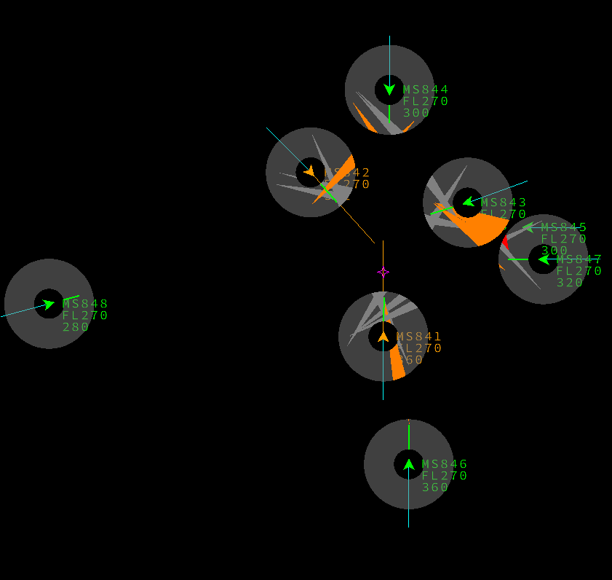
6 | +4m | Conflct detected: MS841 - MS844 | 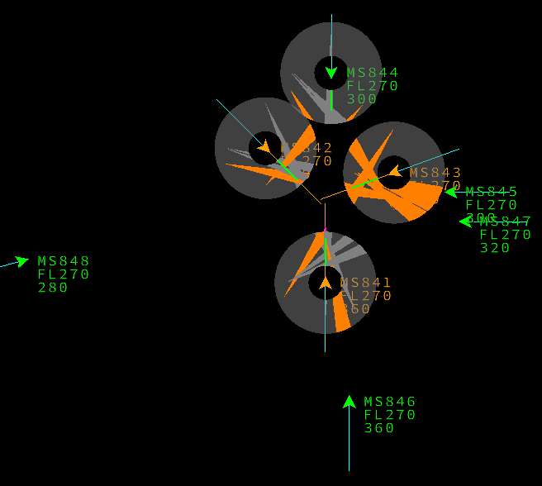 | + 3m30s Resoln MS841/2 | 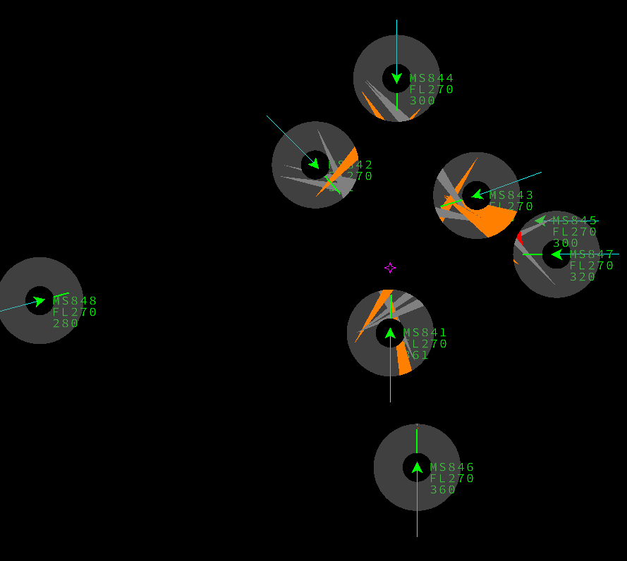
7 | +4m10s | Amber Alert: MS841 - MS842 | 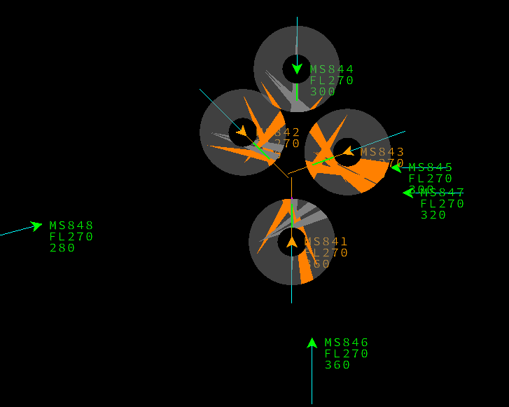 | + 4m Cnf detected MS841/4 | 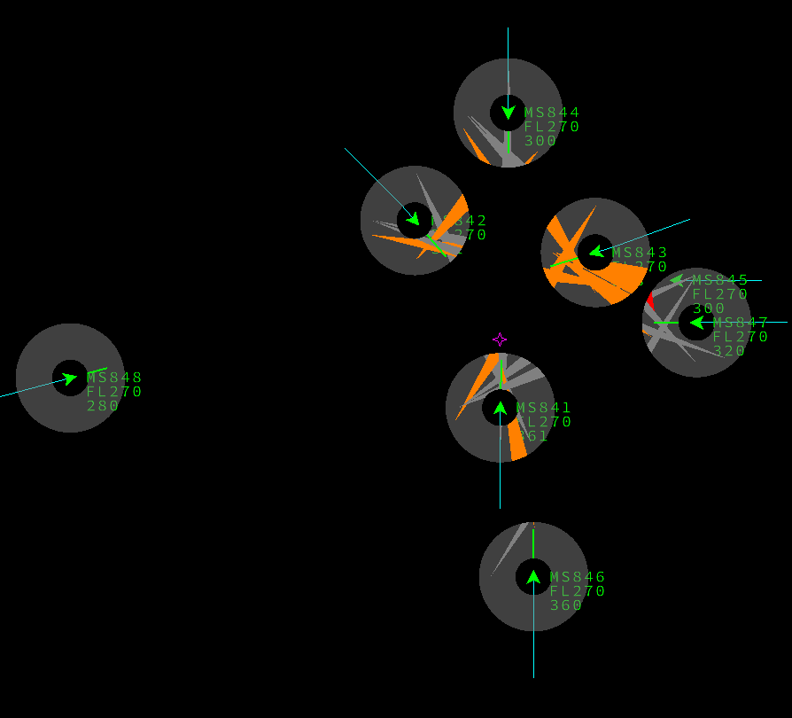
8 | +6m40s | Conflict detected: MS844 - MS845 | 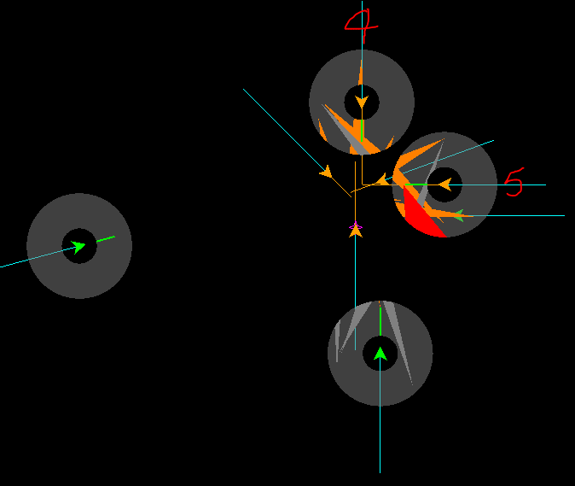 | + 5m40s Resoln MS841/4 inf detect MS844/1 | 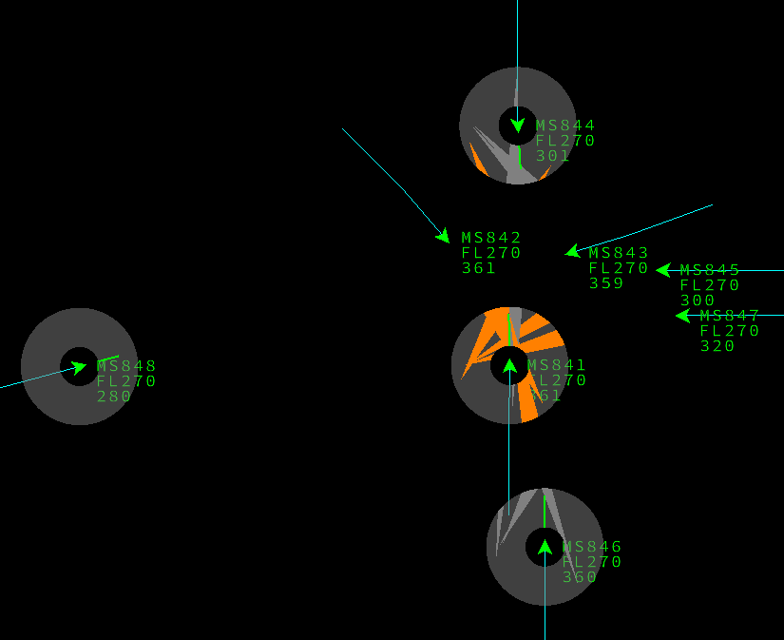
9 | + 9m> | Multiple red alerts |  | + 6m25s cnf detect MS844/5 | 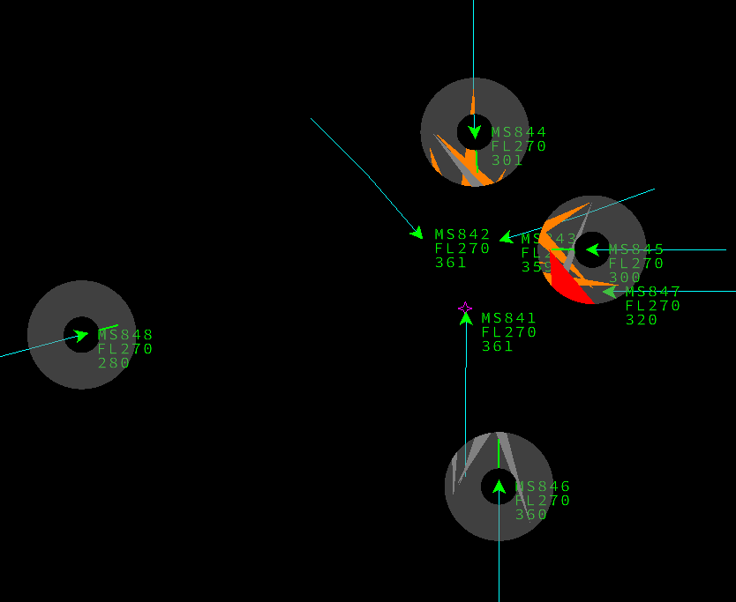
10 |  |  |  | + 6m40s Resoln MS8444/5 | 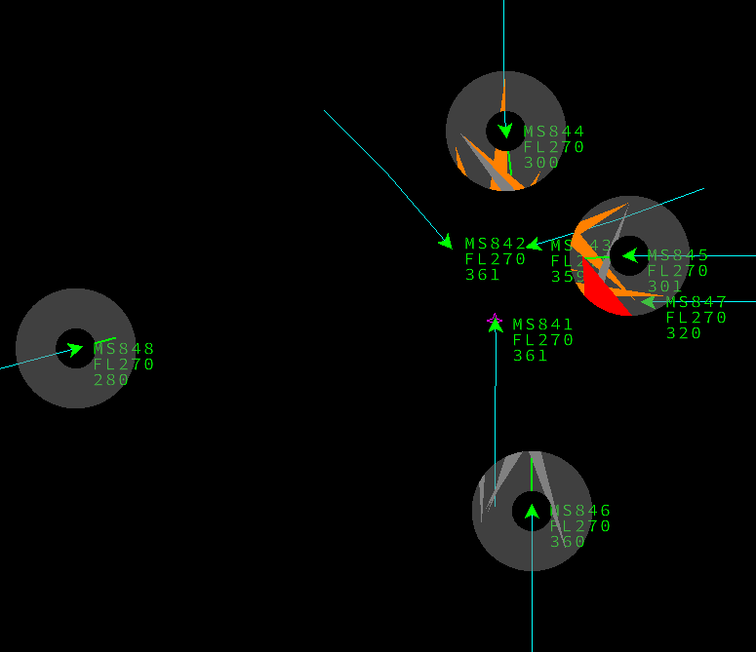
11 |  |  |  | + 7m40s cnf detect MS844/6 | 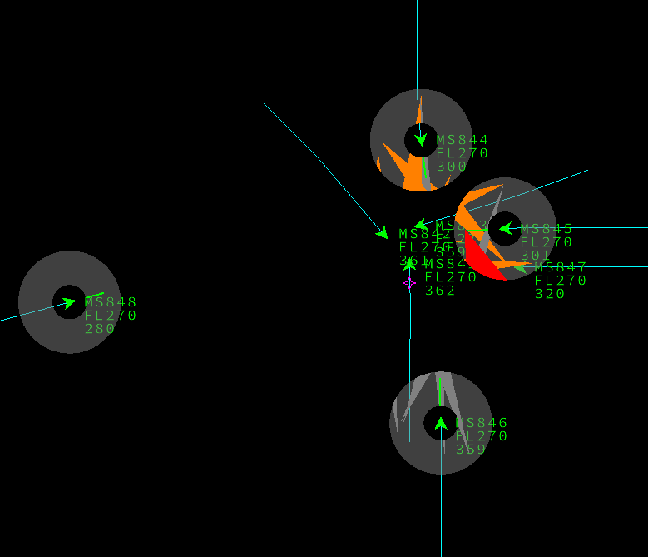
12 |  |  |  | + 9m12s *** resoln MS844/6 no inf MS848 | 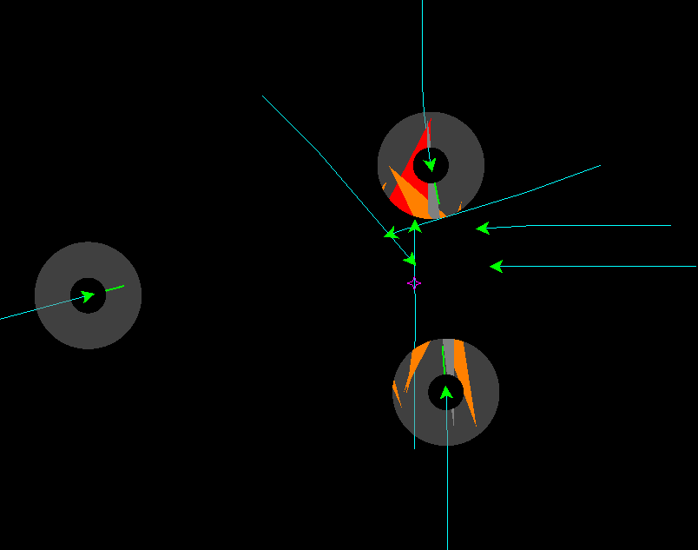
13 |  |  |  | + 12m45s Inf detect MS848/5 MS848/7 | 
14 |  |  |  | + 17m30s | 
15 |  |  |  |  + 43m30s
16
17
18
19
20
21
22
23
24

