Sheet1
match | TEAM1 | TEAM2 | RESULT | Cleaned | ANSWER EXPEXTED | lhs | RHS | Diff 1 | Diff 2 | Abs diff 1 | Abs diff 2
MATCH 1 | CHELSEA | REAL MADRID | 1-4 | 1-4 | 2 | 1 | 4 | 3 | -3 | 3 | 3 | 3 |  | 14 | 14
MATCH 2 | REAL MADRID | JUVENTUS | 8-4 | 8-4 | 2 | 8 | 4 | -4 | 4 | 4 | 4 | 4 |  | 3 | 6 | MATCH | GOAL DIFF
MATCH 3 | JUVENTUS | CHELSEA | 4-4 | 4-4 | 2 | 4 | 4 | 0 | 0 | 0 | 0 | 0 |  |  | 5 | MATCH 4 | 14
MATCH 4 | REAL MADRID | FC BARCELONA | 14-0 | 14-0 | 3 | 14 | 0 | -14 | 14 | 14 | 14 | 14 |  |  |  | MATCH 8 | #N/A
MATCH 5 | F C BARCELONA | JUVENTUS | 2-4 | 2-4 | 2 | 2 | 4 | 2 | -2 | 2 | 2 | 2 |  |  |  | MATCH 5 | 2
MATCH 6 | AC MILAN | CHELSEA | 7-7 | 7-7 | 2 | 7 | 7 | 0 | 0 | 0 | 0 | 0
MATCH 7 | F C BARCELONA | A C MILAN | 10-9 | 10-9 | 3 | 10 | 9 | -1 | 1 | 1 | 1 | 1 |  | 3
MATCH 8 | CHELSEA | FC BARCELONA | 8-2 | 8-2 | 2 | 8 | 2 | -6 | 6 | 6 | 6 | 6 |  | 2
MATCH 9 | AC MILAN | REAL MADRID | 1-6 | 1-6 | 2 | 1 | 6 | 5 | -5 | 5 | 5 | 5 |  | 2
MATCH 10 | AC MILAN | JUVENTUS | 3-3 | 3-3 | 2 | 3 | 3 | 0 | 0 | 0 | 0 | 0 |  | 2
 |  |  |  |  | m,

 | MATCH 4 | 14

 |  |  |  |  |  |  |  |  |  |  |  |  | 9

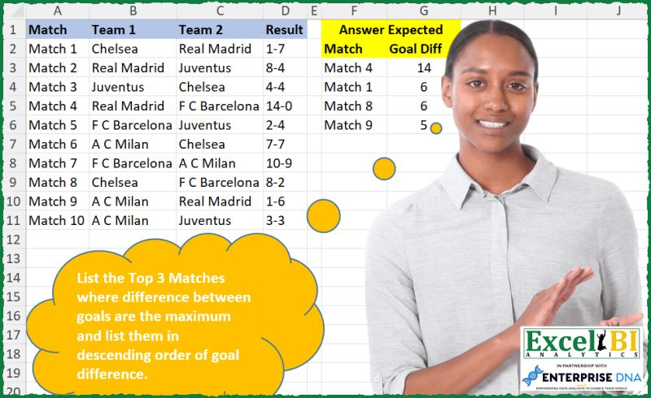
 | MATCH 1
 | MATCH 5
 | MATCH 6

 |  |  |  |  |  |  |  |  |  |  |  |  |  |  |  |  | 4

