XLOOKUP
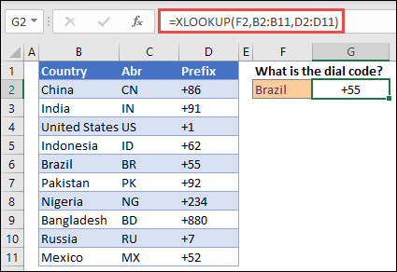
Country | Abr | Prefix
China | CN | +86
India | IN | +91
U.S. | US | +1
Indonesia | ID | +62
Brazil | BR | +55
Pakistan | PK | +92
Nigeria | NG | +234
Bangladesh | BD | +880
Russia | RU | +7
Mexico | MX | +52

What is the dial code?
Brazil | +55 | XLOOKUP
Brazil | +55 | VLOOKUP

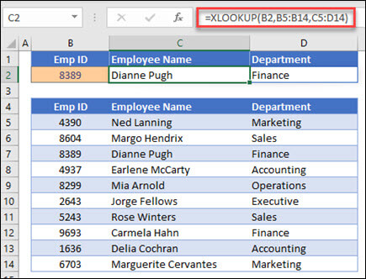
Emp ID | Name | Dep
4390 | Ned Lanning | Marketing
8604 | Margo Hendrix | Sales
8389 | Dianne Pugh | Finance
4937 | Earlene McCarty | Accounting
8299 | Mia Arnold | Operations
2643 | Jorge Fellows | Executive
5243 | Rose Winters | Sales
9693 | Carmela Hahn | Finance
1636 | Delia Cochran | Accounting
6703 | Maruerite Cervantes | Marketing

Emp ID | Name | Dep
8389 | Dianne Pugh | Finance
1111 | Not Found

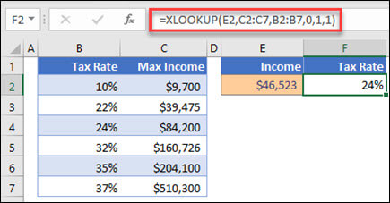
Tax Rate | Max Income
10% | $9,700.00
22% | $39,475.00
24% | $84,200.00
32% | $160,726.00
35% | $204,100.00
37% | $510,300.00

Income | Tax Rate
$46,000 | 24%
$20,000 | 22%

 |  |  |  | Looks in column B for the personal income entered in cell A44, and finds a matching tax rate in column B. It sets the if_not_found argument to return 0 (zero) if nothing is found. The match_mode argument is set to 1, which means the function will look for an exact match, and if it can't find one, it returns the next larger item. Finally, the search_mode argument is set to 1, which means the function will search from the first item to the last.

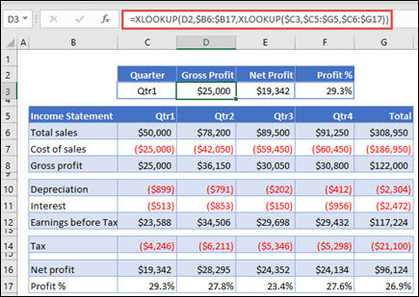
Income St. | Qrt1 | Qrt2 | Qrt3 | Qrt4 | Tot
Total Sales | $50,000.00 | $78,200.00 | $89,500.00 | $91,250.00 | $308,950.00
Cost of Sales | $25,000.00 | $42,050.00 | $59,450.00 | $60,450.00 | $186,950.00
Gross Profit | $25,000.00 | $36,150.00 | $30,050.00 | $30,800.00 | $122,000.00

Depreciation | $899.00 | $791.00 | $202.00 | $412.00 | $2,304.00
Interest | $513.00 | $853.00 | $150.00 | $956.00 | $2,472.00
Earn Bef Tax | $23,588.00 | $34,506.00 | $29,698.00 | $29,432.00 | $117,224.00

Tax | $4,246.00 | $6,211.00 | $5,346.00 | $5,298.00 | $21,101.00

Net Profit | $19,342.00 | $28,295.00 | $24,352.00 | $24,134.00 | $96,123.00
Profit % | 29.30% | 27.80% | 23.40% | 27.60% | 26.90%

Quarter | Gross Profit | Net Profit | Profit %
Qrt1 | $25,000.00 | $19,342.00 | 29.30%

