ResourceManagement
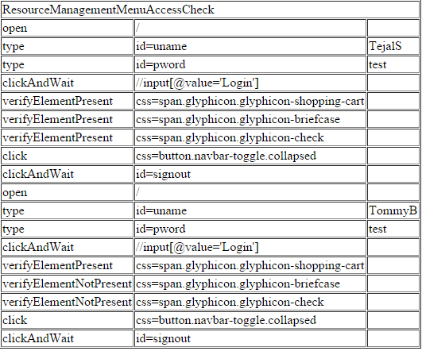
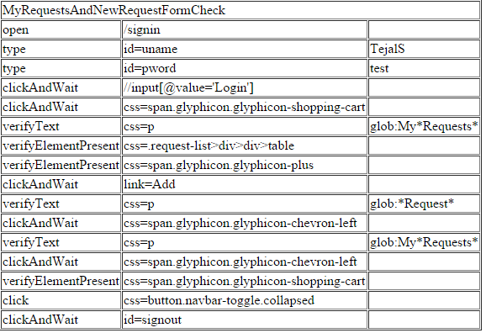
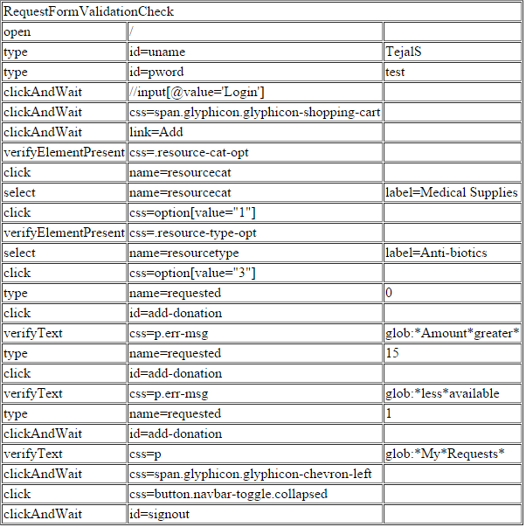
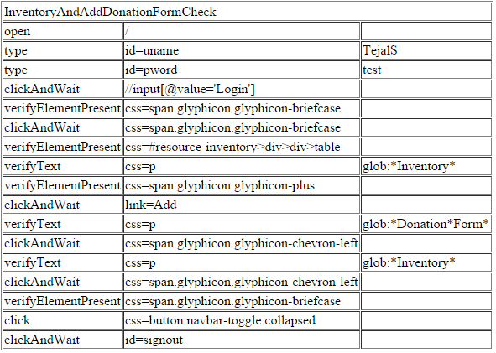
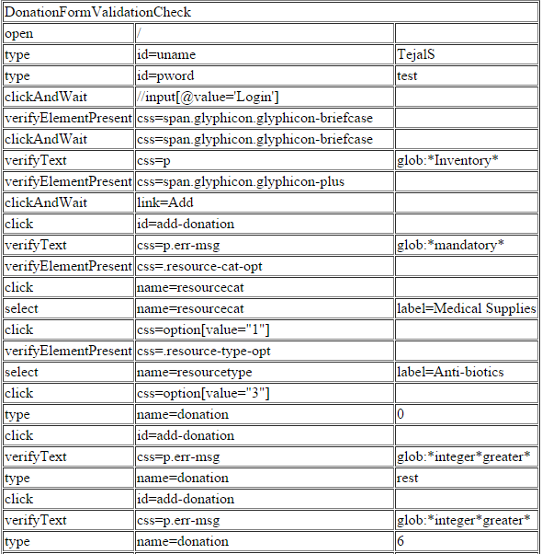
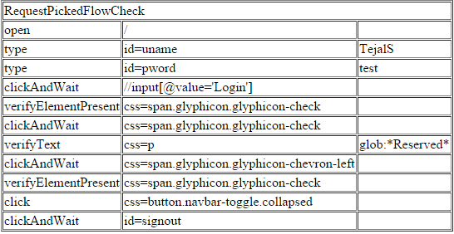
Test Suite
ResourceManagementMenuAccessCheck
MyRequestsAndNewRequestFormCheck
RequestFormValidationCheck
InventoryAndAddDonationFormCheck
DonationFormValidationCheck
RequestPickedFlowCheck

