2 Logistic Regression
Model 1 — Logistic regression
One weight per variable. Multiply, add, then squash the total into a probability.

Every PD in column D below is computed by an Excel formula from the coefficients in the table above it. Change a coefficient and all 1,000 probabilities move. This is the whole point of a logistic regression: the model fits on one line and anyone can recompute it. The coefficients were fitted in scikit-learn on standardised variables and then converted back to the raw scale, so they apply directly to the numbers on sheet 1. The conversion was checked against scikit-learn's own predictions and matches to nine decimal places.

Variable | Coefficient | What it means |  |  |  | THE FORMULA, WRITTEN OUT
Intercept | -1.22207039 | The starting point before any variable is read. |  |  |  | SCORE = b0 + b1×LIMIT_BAL + b2×AGE + b3×PAY_0 + b4×PAY_2 + b5×UTILISATION + b6×PAY_RATIO 1 PD = ────────────────────── so a score of 0 gives PD 50%, a score of −2 gives PD 12%, a score of +2 gives PD 88%. 1 + e^(−SCORE)
LIMIT_BAL | -0.00000221 | A bigger credit limit lowers the score, so it lowers the PD.
AGE | 0.00860505 | Age moves the score only slightly.
PAY_0 | 0.63775815 | Last month's delay is the strongest single driver.
PAY_2 | 0.20079116 | The delay two months ago adds to it. |  |  |  | WORKED EXAMPLE — the customer on row 23, term by term
UTILISATION | -0.42280901 | Using more of the limit raises the PD. |  |  |  | Term | Value from sheet 1 | × Coefficient | → Contribution to the score
PAY_RATIO | 0.20359888 | Paying down more of the bill lowers the PD. |  |  |  | Intercept | —
 |  |  |  |  |  | LIMIT_BAL
SCORE = intercept + (each variable × its coefficient). PD = 1 / (1 + EXP(−SCORE)). |  |  |  |  |  | AGE
 |  |  |  |  |  | PAY_0
ID | Score | PD (probability of default) | Actually defaulted? | Rank | Mid-rank (used by the live AUC) | PAY_2
 |  |  |  |  |  | UTILISATION
 |  |  |  |  |  | PAY_RATIO
 |  |  |  |  |  | SCORE (add the column)
 |  |  |  |  |  | PD = 1 / (1 + EXP(−SCORE))

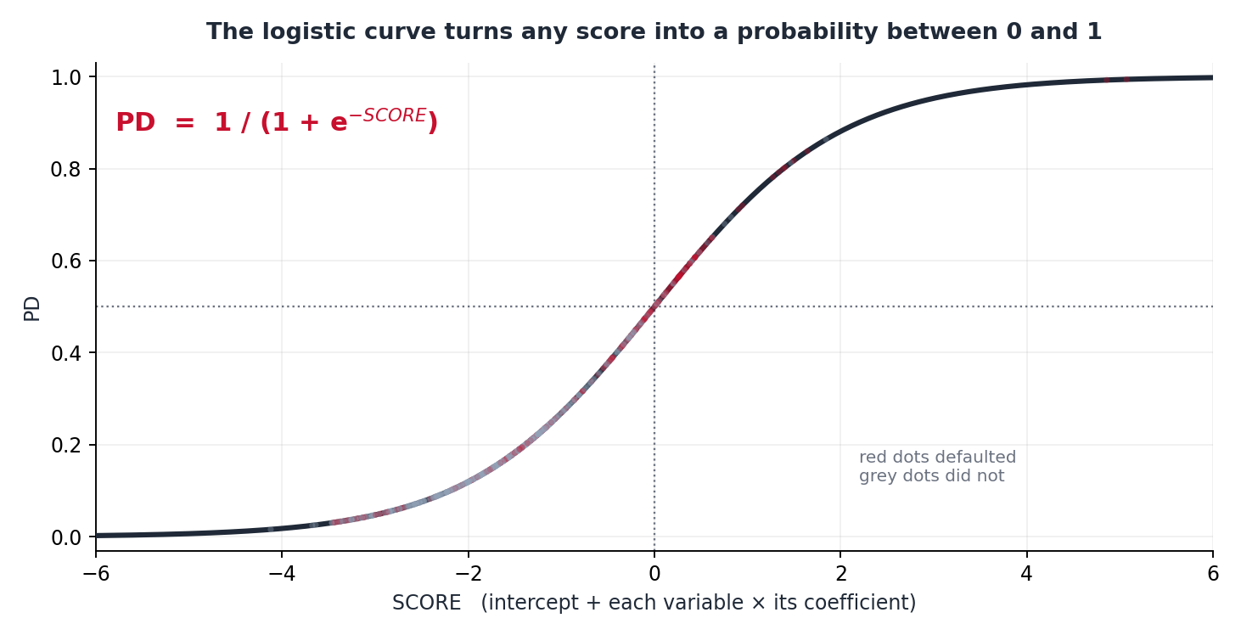
...

3 Decision Tree
Model 2 — Decision tree
A flowchart of yes-or-no questions. Every customer falls into exactly one box.

The tree was grown to a depth of three, which gives the seven boxes below. There is no equation behind a box. Its PD is simply the share of the TRAINING customers in that box who went on to default: PD = defaulted / customers, and column F computes exactly that. Box 2 holds 15,386 customers of whom 1,992 defaulted, so its PD is 12.95%. Anyone new who lands in box 2 is given that same 12.95%. Column C finds the box with a nested IF, and column D looks up that box's PD. Both are live formulas, so a tree is still something you can rebuild inside a spreadsheet. That stops being true for the next model.

Box | Defaulted | Did not | Customers in it | PD of that box = defaulted / customers | Rule — a customer lands here when | THE FORMULA — the whole tree is one nested IF
1 | 448 | 1,375 |  |  | PAY_0 <= 1.5 and PAY_2 <= 1.5 and UTILISATION <= 0.0003 | IF PAY_0 ≤ 1.5 THEN IF PAY_2 ≤ 1.5 THEN ( UTILISATION ≤ 0.0003 → Box 1, else Box 2 ) ELSE ( LIMIT_BAL ≤ 165,000 → Box 3, else Box 4 ) ELSE IF UTILISATION ≤ 0.0652 THEN Box 5 ELSE ( UTILISATION ≤ 0.716 → Box 6, else Box 7 ) Then look up that box's PD in the table on the left. Column C does the first part, column D the second.
2 | 1,992 | 13,394 |  |  | PAY_0 <= 1.5 and PAY_2 <= 1.5 and UTILISATION > 0.0003
3 | 567 | 683 |  |  | PAY_0 <= 1.5 and PAY_2 > 1.5 and LIMIT_BAL <= 165000
4 | 106 | 240 |  |  | PAY_0 <= 1.5 and PAY_2 > 1.5 and LIMIT_BAL > 165000
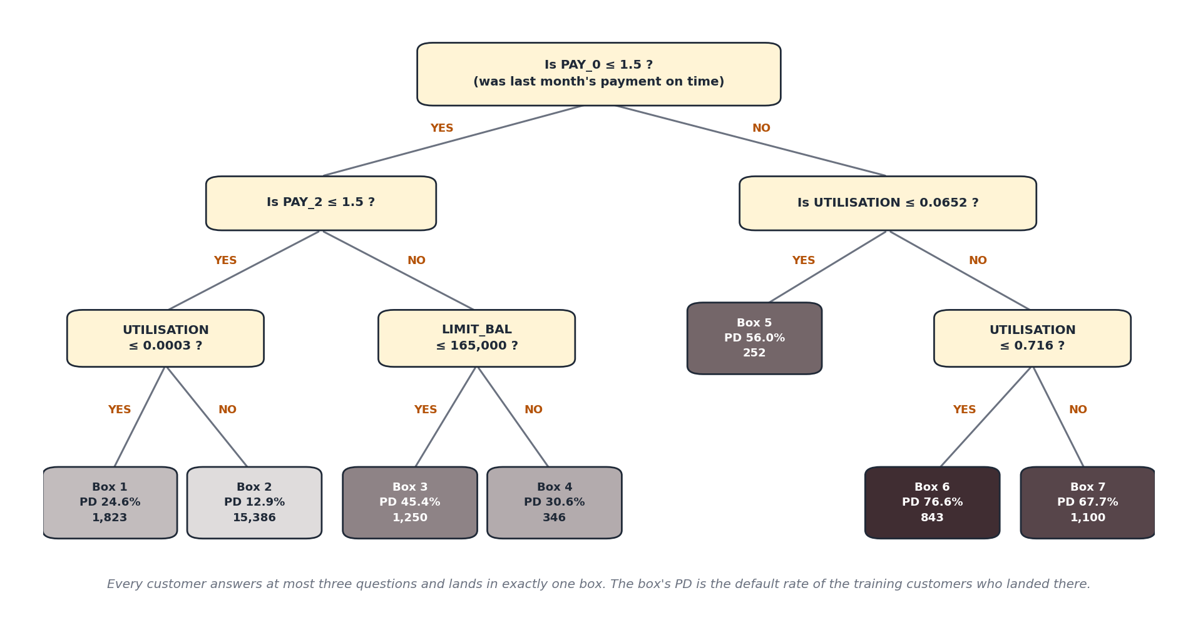
5 | 141 | 111 |  |  | PAY_0 > 1.5 and UTILISATION <= 0.0652
6 | 646 | 197 |  |  | PAY_0 > 1.5 and UTILISATION > 0.0652 and UTILISATION <= 0.716
7 | 745 | 355 |  |  | PAY_0 > 1.5 and UTILISATION > 0.0652 and UTILISATION > 0.716

ID | Box it lands in | PD (probability of default) | Actually defaulted? | Mid-rank

4 XGBoost
Model 3 — XGBoost
200 small trees, each one correcting the mistakes of the trees before it.

Look at column C. Unlike the two sheets before this one, these probabilities are NOT Excel formulas. They are values computed in Python and pasted in. That is not laziness. XGBoost built 200 trees of depth 3, which is up to 1,600 leaves. Every customer's score is the sum of 200 separate leaf values passed through a logistic curve. There is no single line you can print, no coefficient to point at, and no way to write it in a cell. This is the trade in the Module 5 slide, made concrete. The model below is the most accurate of the three. It is also the only one you cannot hand to a customer and say 'here is the number that decided it'.

What XGBoost split on most
 |  |  |  | Variable | Importance
 |  |  |  | PAY_0 | 61.2%
 |  |  |  | PAY_2 | 24.1%
 |  |  |  | LIMIT_BAL | 4.9%
 |  |  |  | UTILISATION | 4.4%
 |  |  |  | PAY_RATIO | 3.3%
 |  |  |  | AGE | 2.1%

 |  |  |  | Importance says which variables the 200 trees split on most. It does not say which way they pushed, and it says nothing about any single customer. For that you need SHAP.

ID | PD (probability of default) | Actually defaulted? | Mid-rank
 | 0.1037
 | 0.0579
 | 0.1613
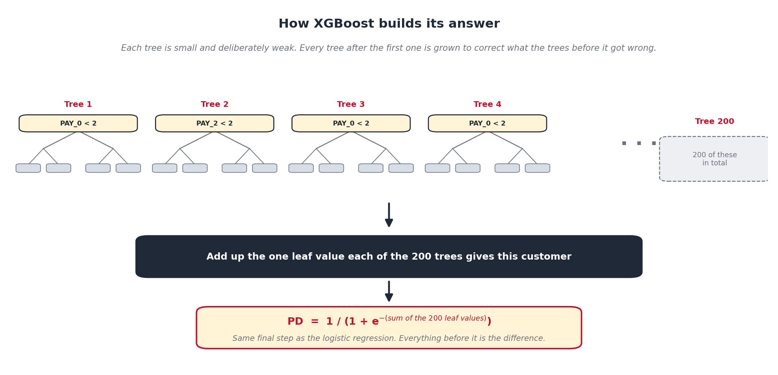
 | 0.2445
 | 0.3062
 | 0.0503
 | 0.1200
 | 0.1045
 | 0.0559
 | 0.1003
 | 0.3126
 | 0.7427
 | 0.0563
 | 0.3461
 | 0.0759
 | 0.1564
 | 0.2171
 | 0.2421
 | 0.1263
 | 0.2476
 | 0.1332
 | 0.1881
 | 0.8404
 | 0.1388
 | 0.1128
 | 0.4146
 | 0.1319
 | 0.1231
 | 0.7395
 | 0.2168
 | 0.2076
 | 0.0844
 | 0.1164
 | 0.1138
 | 0.1159
 | 0.1303
 | 0.7451
 | 0.2155
 | 0.1687
 | 0.6812
 | 0.0591
 | 0.2276
 | 0.6760
 | 0.1578
 | 0.0964
 | 0.7395
 | 0.1143
 | 0.1401
 | 0.0713
 | 0.6928
 | 0.1028
 | 0.7938
 | 0.8215
 | 0.1628
 | 0.1702
 | 0.1181
 | 0.0652
 | 0.0766
 | 0.1840
 | 0.0775
 | 0.1696
 | 0.1113
 | 0.1539
 | 0.7179
 | 0.1356
 | 0.2364
 | 0.1395
 | 0.2619
 | 0.6990
 | 0.1905
 | 0.0653
 | 0.0391
 | 0.7462
 | 0.2632
 | 0.2331
 | 0.1850
 | 0.2713
 | 0.1016
 | 0.1617
 | 0.2023
 | 0.1290
 | 0.2429
 | 0.2473
 | 0.4997
 | 0.1719
 | 0.3167
 | 0.3762
 | 0.2529
 | 0.1608
 | 0.1624
 | 0.0782
 | 0.2108
 | 0.0882
 | 0.6304
 | 0.1263
 | 0.1525
 | 0.0797
 | 0.4245
 | 0.0873
 | 0.1508
 | 0.0590
 | 0.2648
 | 0.1292
 | 0.0484
 | 0.0527
 | 0.1773
 | 0.1659
 | 0.6971
 | 0.1516
 | 0.0820
 | 0.1156
 | 0.2469
 | 0.1810
 | 0.1774
 | 0.2309
 | 0.1171
 | 0.4580
 | 0.1191
 | 0.1458
 | 0.0698
 | 0.3199
 | 0.1743
 | 0.0938
 | 0.2215
 | 0.1395
 | 0.1813
 | 0.0565
 | 0.3534
 | 0.7213
 | 0.2579
 | 0.1333
 | 0.3027
 | 0.0746
 | 0.1425
 | 0.0837
 | 0.2632
 | 0.2063
 | 0.0616
 | 0.1257
 | 0.1934
 | 0.1809
 | 0.1011
 | 0.4077
 | 0.4023
 | 0.2440
 | 0.1396
 | 0.2525
 | 0.2636
 | 0.1570
 | 0.0956
 | 0.2235
 | 0.7971
 | 0.6595
 | 0.0336
 | 0.2897
 | 0.2050
 | 0.1814
 | 0.1852
 | 0.0989
 | 0.1485
 | 0.1056
 | 0.1222
 | 0.1725
 | 0.6465
 | 0.1809
 | 0.2462
 | 0.1745
 | 0.1304
 | 0.7877
 | 0.1235
 | 0.2690
 | 0.4635
 | 0.0840
 | 0.1600
 | 0.0791
 | 0.1578
 | 0.1505
 | 0.0403
 | 0.2437
 | 0.0901
 | 0.1613
 | 0.0334
 | 0.2471
 | 0.1716
 | 0.7833
 | 0.2009
 | 0.1470
 | 0.7153
 | 0.1519
 | 0.1859
 | 0.1391
 | 0.0822
 | 0.1446
 | 0.2141
 | 0.1197
 | 0.1028
 | 0.1289
 | 0.1142
 | 0.1490
 | 0.1486
 | 0.0338
 | 0.0771
 | 0.7298
 | 0.1478
 | 0.2218
 | 0.1955
 | 0.1881
 | 0.0613
 | 0.7257
 | 0.1846
 | 0.7812
 | 0.2445
 | 0.0496
 | 0.0998
 | 0.0370
 | 0.1473
 | 0.1304
 | 0.1765
 | 0.2092
 | 0.0564
 | 0.0923
 | 0.0772
 | 0.0601
 | 0.1655
 | 0.2223
 | 0.2490
 | 0.7597
 | 0.1187
 | 0.1622
 | 0.1179
 | 0.3281
 | 0.4971
 | 0.2370
 | 0.1232
 | 0.1951
 | 0.1709
 | 0.2707
 | 0.7060
 | 0.1646
 | 0.0926
 | 0.3048
 | 0.1356
 | 0.8245
 | 0.1182
 | 0.0689
 | 0.0637
 | 0.1427
 | 0.2264
 | 0.1144
 | 0.3254
 | 0.8397
 | 0.1177
 | 0.6545
 | 0.5242
 | 0.7299
 | 0.3599
 | 0.0834
 | 0.1688
 | 0.0824
 | 0.2669
 | 0.1152
 | 0.1014
 | 0.1165
 | 0.1419
 | 0.0968
 | 0.3427
 | 0.6233
 | 0.1265
 | 0.1855
 | 0.0392
 | 0.0486
 | 0.2287
 | 0.0606
 | 0.3346
 | 0.0544
 | 0.0703
 | 0.3711
 | 0.1700
 | 0.1940
 | 0.0632
 | 0.6714
 | 0.5499
 | 0.0583
 | 0.4377
 | 0.1638
 | 0.0949
 | 0.1105
 | 0.0826
 | 0.0349
 | 0.1273
 | 0.1405
 | 0.1804
 | 0.1025
 | 0.0721
 | 0.1056
 | 0.0729
 | 0.2777
 | 0.1496
 | 0.1372
 | 0.7181
 | 0.0360
 | 0.1684
 | 0.2873
 | 0.2432
 | 0.0560
 | 0.2464
 | 0.1327
 | 0.4981
 | 0.1471
 | 0.1755
 | 0.1553
 | 0.1684
 | 0.1939
 | 0.1601
 | 0.1853
 | 0.0569
 | 0.2067
 | 0.1109
 | 0.6914
 | 0.0631
 | 0.3639
 | 0.1576
 | 0.1495
 | 0.0823
 | 0.2474
 | 0.2678
 | 0.1587
 | 0.1320
 | 0.1108
 | 0.7633
 | 0.2480
 | 0.1060
 | 0.1916
 | 0.1279
 | 0.1276
 | 0.1609
 | 0.1895
 | 0.1546
 | 0.1114
 | 0.5704
 | 0.1769
 | 0.7275
 | 0.0801
 | 0.0888
 | 0.1010
 | 0.1929
 | 0.0597
 | 0.0608
 | 0.0866
 | 0.3033
 | 0.0761
 | 0.4477
 | 0.2451
 | 0.6613
 | 0.1583
 | 0.0487
 | 0.7658
 | 0.1672
 | 0.5673
 | 0.8030
 | 0.2587
 | 0.0601
 | 0.0988
 | 0.0354
 | 0.1928
 | 0.1117
 | 0.1214
 | 0.0600
 | 0.2515
 | 0.1788
 | 0.1394
 | 0.1195
 | 0.0696
 | 0.0838
 | 0.1846
 | 0.2442
 | 0.1748
 | 0.0493
 | 0.4969
 | 0.2327
 | 0.1585
 | 0.1393
 | 0.0717
 | 0.1573
 | 0.1506
 | 0.4084
 | 0.2048
 | 0.1961
 | 0.1135
 | 0.4221
 | 0.1853
 | 0.1245
 | 0.1238
 | 0.1313
 | 0.2243
 | 0.1091
 | 0.0810
 | 0.4020
 | 0.1585
 | 0.1341
 | 0.1268
 | 0.2712
 | 0.2387
 | 0.2052
 | 0.4526
 | 0.4932
 | 0.3719
 | 0.3337
 | 0.5086
 | 0.6925
 | 0.2081
 | 0.1668
 | 0.0612
 | 0.1623
 | 0.0644
 | 0.1299
 | 0.1330
 | 0.2075
 | 0.2730
 | 0.1065
 | 0.2525
 | 0.0768
 | 0.1210
 | 0.3756
 | 0.6856
 | 0.1982
 | 0.1688
 | 0.3229
 | 0.1085
 | 0.0977
 | 0.4425
 | 0.1096
 | 0.1329
 | 0.8219
 | 0.2357
 | 0.0938
 | 0.0720
 | 0.1054
 | 0.1366
 | 0.0823
 | 0.0544
 | 0.1161
 | 0.0927
 | 0.2864
 | 0.2385
 | 0.2211
 | 0.0689
 | 0.1081
 | 0.0666
 | 0.1350
 | 0.1420
 | 0.0761
 | 0.0755
 | 0.1165
 | 0.1753
 | 0.0996
 | 0.1940
 | 0.1429
 | 0.1068
 | 0.1268
 | 0.2555
 | 0.0980
 | 0.6615
 | 0.1005
 | 0.1146
 | 0.0724
 | 0.2459
 | 0.2449
 | 0.1663
 | 0.0766
 | 0.6979
 | 0.2727
 | 0.1473
 | 0.3329
 | 0.0488
 | 0.7235
 | 0.0890
 | 0.4745
 | 0.2202
 | 0.1730
 | 0.2561
 | 0.3203
 | 0.1517
 | 0.1807
 | 0.1461
 | 0.2065
 | 0.6577
 | 0.1615
 | 0.4152
 | 0.0428
 | 0.6954
 | 0.1263
 | 0.0700
 | 0.1482
 | 0.4441
 | 0.1097
 | 0.0413
 | 0.0733
 | 0.1252
 | 0.1448
 | 0.2014
 | 0.2409
 | 0.0609
 | 0.0687
 | 0.0631
 | 0.0761
 | 0.7158
 | 0.1167
 | 0.3674
 | 0.2468
 | 0.1185
 | 0.0972
 | 0.1697
 | 0.0770
 | 0.3373
 | 0.1542
 | 0.7896
 | 0.6621
 | 0.2087
 | 0.0538
 | 0.2848
 | 0.1164
 | 0.1820
 | 0.1581
 | 0.0796
 | 0.0958
 | 0.0925
 | 0.1202
 | 0.2354
 | 0.0530
 | 0.0690
 | 0.1186
 | 0.7975
 | 0.1094
 | 0.7999
 | 0.3911
 | 0.2302
 | 0.5509
 | 0.0942
 | 0.0402
 | 0.1129
 | 0.0897
 | 0.1454
 | 0.6801
 | 0.7038
 | 0.2306
 | 0.2287
 | 0.2786
 | 0.1735
 | 0.7520
 | 0.2157
 | 0.1514
 | 0.1111
 | 0.0903
 | 0.4092
 | 0.1206
 | 0.1388
 | 0.1666
 | 0.6344
 | 0.2290
 | 0.2223
 | 0.6730
 | 0.1677
 | 0.0694
 | 0.2265
 | 0.0937
 | 0.1847
 | 0.2646
 | 0.7715
 | 0.6654
 | 0.1143
 | 0.1314
 | 0.1677
 | 0.3100
 | 0.6584
 | 0.6015
 | 0.1123
 | 0.5692
 | 0.1260
 | 0.2236
 | 0.1900
 | 0.2483
 | 0.0662
 | 0.0540
 | 0.2940
 | 0.1135
 | 0.1598
 | 0.7252
 | 0.0747
 | 0.0614
 | 0.0785
 | 0.5874
 | 0.2045
 | 0.2053
 | 0.2843
 | 0.2371
 | 0.1878
 | 0.1836
 | 0.0464
 | 0.6862
 | 0.0805
 | 0.1775
 | 0.2152
 | 0.5300
 | 0.2453
 | 0.0439
 | 0.0474
 | 0.1351
 | 0.0529
 | 0.1982
 | 0.1837
 | 0.1393
 | 0.2325
 | 0.3840
 | 0.1324
 | 0.1631
 | 0.1066
 | 0.1036
 | 0.1100
 | 0.0753
 | 0.2468
 | 0.7250
 | 0.0326
 | 0.1113
 | 0.1823
 | 0.0648
 | 0.1518
 | 0.0654
 | 0.1626
 | 0.0977
 | 0.1953
 | 0.1562
 | 0.1225
 | 0.0896
 | 0.0419
 | 0.0492
 | 0.1218
 | 0.0780
 | 0.0749
 | 0.1956
 | 0.1094
 | 0.1401
 | 0.0679
 | 0.0805
 | 0.2508
 | 0.0793
 | 0.1188
 | 0.7934
 | 0.1344
 | 0.0824
 | 0.1084
 | 0.0688
 | 0.1950
 | 0.1566
 | 0.2161
 | 0.0513
 | 0.1536
 | 0.1369
 | 0.1794
 | 0.5738
 | 0.0683
 | 0.1268
 | 0.1325
 | 0.1135
 | 0.7406
 | 0.1656
 | 0.0945
 | 0.1223
 | 0.1122
 | 0.1002
 | 0.1050
 | 0.1387
 | 0.1191
 | 0.4246
 | 0.1327
 | 0.7107
 | 0.2626
 | 0.5540
 | 0.2006
 | 0.0654
 | 0.2287
 | 0.4264
 | 0.0703
 | 0.1292
 | 0.3014
 | 0.1161
 | 0.8582
 | 0.2729
 | 0.2522
 | 0.3475
 | 0.4002
 | 0.0909
 | 0.1459
 | 0.2584
 | 0.1514
 | 0.0477
 | 0.0986
 | 0.1099
 | 0.3786
 | 0.1007
 | 0.0909
 | 0.0531
 | 0.3357
 | 0.1101
 | 0.1597
 | 0.1908
 | 0.0482
 | 0.7137
 | 0.1757
 | 0.1820
 | 0.5941
 | 0.0681
 | 0.1181
 | 0.0552
 | 0.1997
 | 0.1498
 | 0.1461
 | 0.1446
 | 0.0904
 | 0.2268
 | 0.0684
 | 0.2119
 | 0.1375
 | 0.1779
 | 0.2988
 | 0.3891
 | 0.1013
 | 0.1790
 | 0.1067
 | 0.1066
 | 0.0952
 | 0.1526
 | 0.0965
 | 0.0658
 | 0.2490
 | 0.3404
 | 0.0935
 | 0.1678
 | 0.2006
 | 0.0462
 | 0.1573
 | 0.0859
 | 0.1147
 | 0.2040
 | 0.0683
 | 0.0829
 | 0.0555
 | 0.2892
 | 0.1231
 | 0.1222
 | 0.1597
 | 0.2153
 | 0.1904
 | 0.3065
 | 0.1813
 | 0.1059
 | 0.1882
 | 0.1948
 | 0.1619
 | 0.0731
 | 0.0718
 | 0.6894
 | 0.3936
 | 0.6615
 | 0.0804
 | 0.4212
 | 0.4214
 | 0.0332
 | 0.2445
 | 0.0438
 | 0.1070
 | 0.2345
 | 0.1740
 | 0.0979
 | 0.0808
 | 0.1006
 | 0.3404
 | 0.7102
 | 0.7191
 | 0.6709
 | 0.1878
 | 0.0911
 | 0.3795
 | 0.3787
 | 0.1599
 | 0.1887
 | 0.1504
 | 0.1213
 | 0.0950
 | 0.2211
 | 0.1785
 | 0.7797
 | 0.0675
 | 0.4045
 | 0.1102
 | 0.0242
 | 0.3915
 | 0.1279
 | 0.0387
 | 0.6789
 | 0.1144
 | 0.7881
 | 0.0723
 | 0.1258
 | 0.1352
 | 0.0782
 | 0.1304
 | 0.6619
 | 0.1688
 | 0.2311
 | 0.1927
 | 0.3599
 | 0.7355
 | 0.1160
 | 0.0455
 | 0.0930
 | 0.5590
 | 0.0739
 | 0.3757
 | 0.1298
 | 0.6731
 | 0.2082
 | 0.0995
 | 0.5630
 | 0.1175
 | 0.1868
 | 0.7272
 | 0.1743
 | 0.1746
 | 0.1280
 | 0.1100
 | 0.7034
 | 0.1497
 | 0.0565
 | 0.0428
 | 0.0520
 | 0.2181
 | 0.1877
 | 0.1468
 | 0.7317
 | 0.1279
 | 0.1132
 | 0.2370
 | 0.5636
 | 0.7758
 | 0.0566
 | 0.1372
 | 0.3301
 | 0.0615
 | 0.1088
 | 0.0606
 | 0.1352
 | 0.1852
 | 0.2670
 | 0.1139
 | 0.1893
 | 0.6618
 | 0.0590
 | 0.1610
 | 0.0728
 | 0.2057
 | 0.1113
 | 0.1524
 | 0.1888
 | 0.3735
 | 0.0633
 | 0.0868
 | 0.0467
 | 0.1441
 | 0.1286
 | 0.1608
 | 0.2807
 | 0.1223
 | 0.2310
 | 0.0280
 | 0.1405
 | 0.1902
 | 0.0765
 | 0.5707
 | 0.7080
 | 0.1137
 | 0.0353
 | 0.2245
 | 0.4405
 | 0.0714
 | 0.0848
 | 0.3324
 | 0.1110
 | 0.1279
 | 0.2431
 | 0.6606
 | 0.1003
 | 0.2752
 | 0.5801
 | 0.1858
 | 0.1344
 | 0.0424
 | 0.0764
 | 0.2306
 | 0.0933
 | 0.1247
 | 0.4000
 | 0.7907
 | 0.1640
 | 0.1413
 | 0.0344
 | 0.1065
 | 0.1846
 | 0.2036
 | 0.3773
 | 0.4992
 | 0.7149
 | 0.3551
 | 0.7475
 | 0.3727
 | 0.0717
 | 0.1545
 | 0.0840
 | 0.1450
 | 0.2313
 | 0.0545
 | 0.1764
 | 0.7437
 | 0.2095
 | 0.1221
 | 0.0183
 | 0.6798
 | 0.8091
 | 0.0666
 | 0.1183
 | 0.0617
 | 0.1623
 | 0.7265
 | 0.0559
 | 0.1320
 | 0.1643
 | 0.0941
 | 0.0375
 | 0.0927
 | 0.1295
 | 0.0913
 | 0.1679
 | 0.2038
 | 0.6405
 | 0.1133
 | 0.0662
 | 0.5300
 | 0.0664
 | 0.1286
 | 0.7556
 | 0.7809
 | 0.0686
 | 0.0811
 | 0.7030
 | 0.4817
 | 0.1963
 | 0.0621
 | 0.1358
 | 0.3091
 | 0.8199
 | 0.2199
 | 0.0757
 | 0.2897
 | 0.2379
 | 0.1585
 | 0.1663
 | 0.0935
 | 0.1301
 | 0.1750
 | 0.2267
 | 0.2303
 | 0.3941
 | 0.0577
 | 0.1472
 | 0.1557
 | 0.4345
 | 0.0683
 | 0.1419
 | 0.3950
 | 0.2228
 | 0.2413
 | 0.1937
 | 0.1933
 | 0.0676
 | 0.0652
 | 0.1641
 | 0.0764
 | 0.7409
 | 0.1595
 | 0.1578
 | 0.2982
 | 0.2437
 | 0.0733
 | 0.7628
 | 0.0691
 | 0.0870
 | 0.1125
 | 0.1388
 | 0.6621
 | 0.0399

Source: xgboost 2.1.4, XGBClassifier(n_estimators=200, max_depth=3, learning_rate=0.1, subsample=0.9, colsample_bytree=0.9, random_state=42), fitted on the 21,000 training rows of UCI dataset 350. Script: fit_models.py.

5 Compare
All three models, side by side
Which one ranks best, and what does each one cost you at a real cut-off?

Every number on this sheet is live. AUC and KS come from the formulas on sheet 6, computed over the 1,000 scored customers. The bottom half recomputes too: change the cut-off in the yellow cell and every confusion matrix recomputes with COUNTIFS across the three model sheets. Read the gap. XGBoost wins on every measure, and it wins by about five points of AUC. That is a real edge and it is smaller than most people expect. It is also the model you cannot explain to the customer you declined.

Gini by model — full test set
Model | AUC | Gini | KS | Can you write it in a cell?
Logistic Regression |  |  |  | Yes — one line, six coefficients
Decision Tree |  |  |  | Yes — seven nested IF conditions
XGBoost |  |  |  | No — 200 trees, up to 1,600 leaves

AUC and KS are now live formulas on sheet 6, computed over the 1,000 scored customers. Gini is =2*AUC-1. Nothing on this row is typed in.

CUT-OFF — decline everyone whose PD is at or above this |  |  |  | 0.30 | change me

Model | Declined | Approved | Defaults caught | Defaults missed | Good customers refused | Bad rate among approved
Logistic Regression
Decision Tree
XGBoost

Computed live over the 1,000 sampled test customers on sheet 1. "Defaults caught" is the bank avoiding a loss. "Good customers refused" is the bank losing business it should have written. Moving the cut-off trades one against the other, and that trade is a commercial decision, not a modelling one.

