Assumptions and given
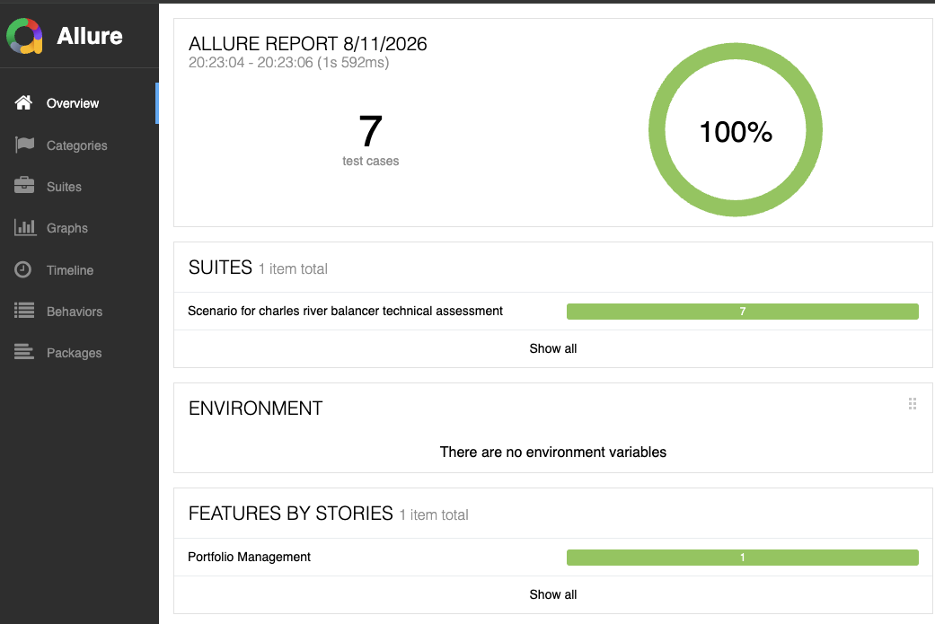
Assumptions:
1 | shares must be whole number round down (Floor) to avoid overspending or overselling cash on hands, minor cahs lefytover should be ok
2 | Total assets 100% vested no cash drag or no transaction fees
3 | Stock pricess are static as given and no market movement was adjusted in calculation
4 | No rebalancing threshold was considered in calculation and balancing is absolute
5 | Buy and Sell can be executed same day by intraday credit line facility
6 | Test Steps assume , rebalancing is internal automated function to handle BUY and SELL. If Order APIs are exposed as a tester I would Sell securities first
 | then Buy to make sure fucnds are available before a Buy trade
7 | Manual test cases are created assuming Application APIs are exposed to perform relevant operation
8 | Automated test cases are created with tech stack Cucumber BDD , Junit,Rest Assured , Java, Allure report

Stock = (Total assets(100K) * variance/100) / unit price

Account- ABC with $100K in total asset (100% is vested) | Security | target% | current% | target Variance | unit price | Output - Number of shares to buy/sell | Actions | Final Stock count after round up floor
 | IBM | 20 | 10 | -10 | 150 | -66.666666667 | BUY | 66
 | MSFT | 20 | 20 | 0 | 90 | 0 | HOLD | 0
 | ORCL | 20 | 30 | 10 | 220 | 45.454545455 | SELL | 45
 | AAPL | 20 | 20 | 0 | 450 | 0 | HOLD | 0
 | HD | 20 | 20 | 0 | 70 | 0 | HOLD | 0

Test Execution

