Sheet1
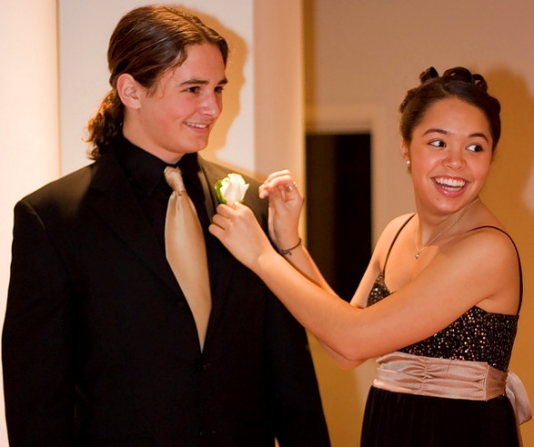
Weight File | File Size (MB) | Predictions | Runtime (s)
yolov7x.pt | 136.5 | ['tie 0.93', 'person 0.96', 'person 0.97'] | 8.16
yolov7-d6.pt | 255.8 | ['cake 0.52', 'tie 0.89', 'person 0.96', 'person 0.97'] | 9.56
yolov7-e6.pt | 186 | ['tie 0.92', 'person 0.96', 'person 0.97'] | 10.48
yolov7-e6e.pt | 290.3 | ['cake 0.45', 'tie 0.91', 'person 0.96', 'person 0.96'] | 14.84
yolov7-w6.pt | 134.7 | ['apple 0.39', 'tie 0.92', 'person 0.94', 'person 0.96'] | 10.44
yolov7.pt | 72.1 | ['cake 0.43', 'tie 0.88', 'person 0.96', 'person 0.97'] | 13.78

Constants
 | Picture | Reference Size

