USB_PD_Module_BOM
Comment | Designator | Footprint
27pF | C45,C46 | robot:C_0402_1005Metric | GRM1555C1H270JA01J
1uF | C47,C48,C50,C51,C52,C53,C54 | robot:C_0402_1005Metric | GRM155R61E105KA12D
2.2uF | C49 | robot:C_0603_1608Metric | CL10A225KP8NNNC
4.7uF | C97,C100,C101 | robot:C_0603_1608Metric | GRM188R61E475KE11D
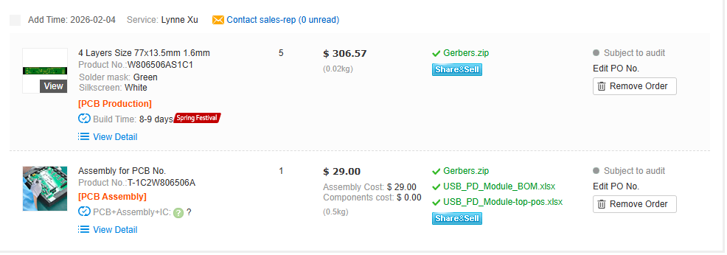
MountingHole | H1,H2 | robot:MountingHole_2.2mm_M2_2mm_clearance
USB4151-GF-C | J4 | robot:GCT_USB4151-GF-C_REVA | USB4151-GF-C
Conn_01x16 | J9 | robot:Castellated 1x16 2.54mm
0.47uH | L4 | robot:Vishay-IHLP-2020BZ-FP_1.905x2.79-3D_2.0-0-0-MFG | IHLP2020BZERR47M01
NetTie_2 | NT21,NT22 | robot:NetTie-_SMD_Pad6mil | N/A
100k | R12 | robot:R_0603_1608Metric | WR06X1003FTL
DNP | R13 | robot:R_0603_1608Metric | DNP
10 | R32,R33 | robot:R_0402_1005Metric | RC0402FR-1310RL
2.2k | R34,R35 | robot:R_0603_1608Metric | RMCF0603JT2K20
200k | R36 | robot:R_0603_1608Metric | RMCF0603JT200K
649k | R37,R39 | robot:R_0603_1608Metric | ERJ-3EKF6493V
120k | R38,R40 | robot:R_0603_1608Metric | RMCF0603JT120K
0 | R57,R75 | robot:R_0603_1608Metric | RMCF0603ZT0R00
10M | R65 | robot:R_0603_1608Metric | AC0603JR-0710ML
0 | R73,R74 | robot:R_0805_2012Metric | RMCF0805ZT0R00
0 | R95 | robot:R_0603_1608Metric_3pin_Switch | RMCF0603ZT0R00
JS202011JCQN | S4 | robot:SW_JS202011JCQN | JS202011JCQN
SMD_0603 | TP3,TP4,TP5,TP6,TP7,TP8,TP13,TP14,TP15 | robot:TestPoint_SMD_0603 | RCUCTE
MAX77958EWV+T | U11 | robot:MAX77958EWV&plus_T | MAX77958EWV+T
TPD1E05U06 | U15,U19,U20,U21,U22,U23 | robot:TPD1E05U06DPYR | TPD1E05U06DPYR
fpf1048bucx | U16 | robot:BGA6N50P3X2_146X96X62N | fpf1048bucx
TPS61253AYFFT | U17 | robot:Texas_Instruments-YFF0009-BGA9C40P3X3_119X129X62 | TPS61253AYFFT
TVS0500DRV | U24 | robot:TVS0500DRVR | TVS0500DRVR

