Sheet1
Comment | Designator | Footprint | JLCPCB Part #（optional）
GRM188R61A226ME15D | C1,C33,C34,C76,C78,C87,C93 | robot:C_0603_1608Metric | GRM188R61A226ME15D
GRM1555C1H270JA01J | C2,C3,C18,C19 | robot:C_0402_1005Metric | GRM1555C1H270JA01J
GRM155R61E105KA12D | C4,C8,C10,C21,C22,C29,C55,C69,C88,C94,C95,C105,C126 | robot:C_0402_1005Metric | GRM155R61E105KA12D
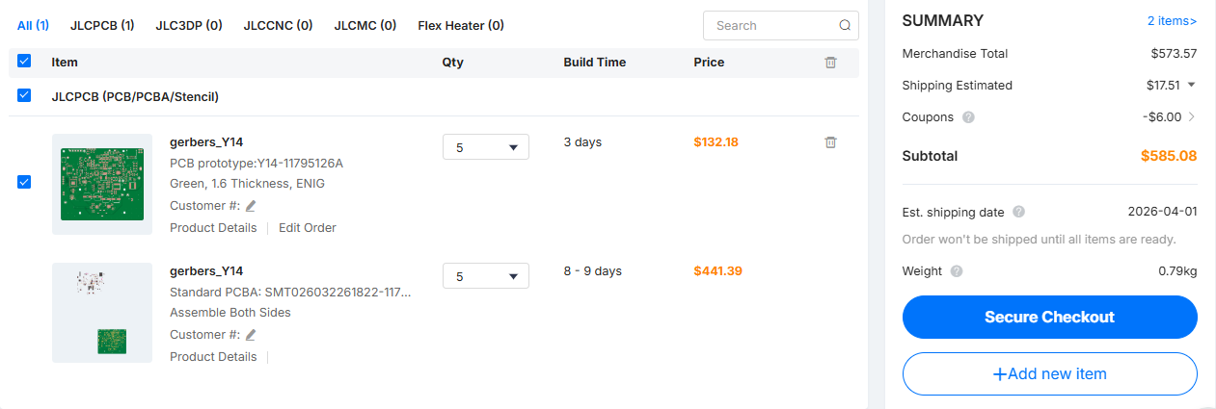
CL05A104KA5NNNC | C5,C6,C7,C9,C11,C12,C13,C14,C15,C16,C24,C32,C35,C36,C37,C38,C39,C40,C41,C44,C57,C58,C59,C60,C61,C62,C63,C64,C65,C66,C70,C71,C72,C73,C85,C92,C102,C103,C104 | robot:C_0402_1005Metric | CL05A104KA5NNNC
GRM188R61E106KA73J | C17,C20,C25,C27,C42,C43,C67,C68,C75,C77,C80,C129,C130,C132,C134,C136 | robot:C_0603_1608Metric | GRM188R61E106KA73J
GRM188R61E475KE11D | C23,C124 | robot:C_0603_1608Metric | GRM188R61E475KE11D
CL10B474KO8NNNC | C26,C56 | robot:C_0603_1608Metric | CL10B474KO8NNNC
CL10A225KP8NNNC | C28 | robot:C_0603_1608Metric | CL10A225KP8NNNC
CL10B224KA8NNNC | C30,C31 | robot:C_0603_1608Metric | CL10B224KA8NNNC
CL21A476MRYNNNE | C81 | robot:C_0805_2012Metric | CL21A476MRYNNNE
GRM31CD80J107MEA8K | C82,C83,C109,C125,C127,C131 | robot:C_1206_3216Metric,robot:C_1210_3225Metric | GRM31CD80J107MEA8K
885012205067 | C84,C115,C118 | robot:C_0402_1005Metric | 885012205067
GRM155R71H223KA12J | C110,C117,C120 | robot:C_0402_1005Metric | GRM155R71H223KA12J
GCM155R71H152KA37D | C111 | robot:C_0402_1005Metric | GCM155R71H152KA37D
GCM155R71H332KA37J | C112,C122 | robot:C_0402_1005Metric | GCM155R71H332KA37J | Replaced | CC0402KRX7R9BB332
GRM155R62A104KE14D | C113,C114,C116,C119,C121 | robot:C_0402_1005Metric | GRM155R62A104KE14D
GRM155R71H473KE14D | C123,C128 | robot:C_0402_1005Metric | GRM155R71H473KE14D
GMC32X5R107M16NT | C137 | robot:C_1210_3225Metric | GMC32X5R107M16NT | Replaced | 1210X5R107M160NT
B12H1USD-20D000234U1930 | D1 | robot:B12H1UYG-20D000134U1930 | B12H1USD-20D000234U1930 | Replaced | NCD1803R1 | Less ilumination
B12H1UYG-20D000134U1930 | D2 | robot:B12H1UYG-20D000134U1930 | B12H1UYG-20D000134U1930 | Replaced | NCD1803C1 | Less ilumination
B12H1UY--20D000134U1930 | D3 | robot:B12H1UYG-20D000134U1930 | B12H1UY--20D000134U1930 | Replaced | NCD1803Y1 | Less ilumination
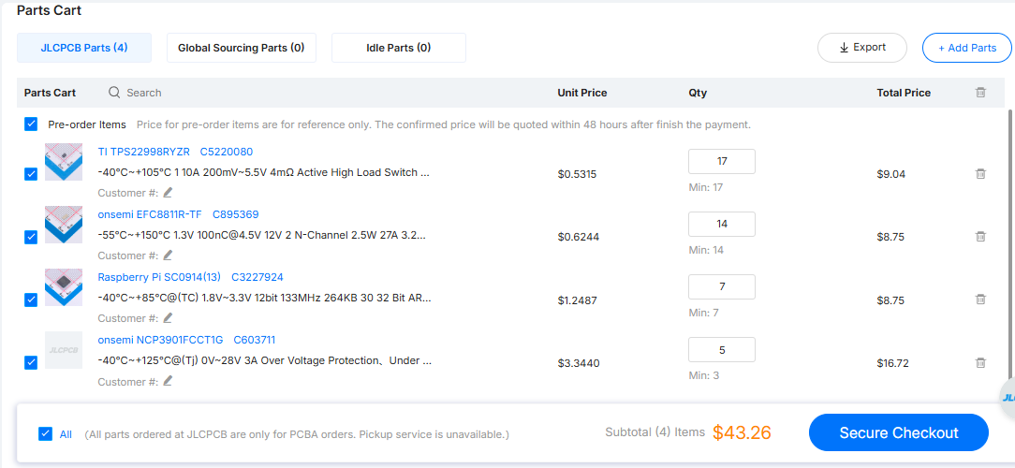
SMF13A | D4,D6,D10 | robot:D_SOD-123F | SMF13A
B12H1NG--20D000134U1930 | D5 | robot:B12H1UYG-20D000134U1930 | B12H1NG--20D000134U1930 | Replaced | NCD1803Y1 | Less ilumination
SD2114S040S8R0 | D7 | robot:SD2114S040S8R0 | SD2114S040S8R0
1N4448HLP-7 | D9,D11 | robot:D_0402_1005Metric | 1N4448HLP-7
TPS22998RYZR | IC1 | robot:TPS22998RYZR | TPS22998RYZR | No stock | No replace
12401610E4#2A | J1 | robot:CON_USB3.1-C_RCPT_SMD_RA_ACP_12401610E4#2A | 12401610E4#2A
PH1-05-UA | J2 | robot:PinSocket_1x05_P2.54mm_Vertical | PH1-05-UA | Replaced | C50950
B6B-ZR-SM4-TF | J3,J5 | robot:CONN_B6B-ZR-SM4-TF_JST | B6B-ZR-SM4-TF | Replaced | B6B-ZR-SM4-TF(LF)(SN)
NRS6028T1R5NMGJ | L1,L3 | robot:NRS6028T1R5NMGJ | NRS6028T1R5NMGJ
IHLP2020BZERR47M01 | L2 | robot:Vishay-IHLP-2020BZ-FP_1.905x2.79-3D_2.0-0-0-MFG | IHLP2020BZERR47M01
BSS138 | Q1,Q7 | robot:SOT-23 | BSS138
EFC8811R-TF | Q2 | robot:ON_Semiconductor-568AL-10_2013-O-MFG | EFC8811R-TF | No stock | No replace
AS2312 | Q3 | robot:SOT-23 | AS2312
YJL3416A | Q4 | robot:SOT-23 | YJL3416A
SN74AHC125RGYR | Q5,Q6 | robot:SN74AHC125RGYR | SN74AHC125RGYR
WR04X102 JTL | R1,R5,R46,R47,R50 | robot:R_0402_1005Metric | WR04X102 JTL
RMCF0402JT27R0 | R3,R4 | robot:R_0402_1005Metric | RMCF0402JT27R0 | Replaced | 0402WGJ0270TCE
RC0402FR-1310RL | R6,R7,R41,R42 | robot:R_0402_1005Metric | RC0402FR-1310RL | Replaced | 0402WGF100JTCE
RMCF0603JT47K0 | R8,R18 | robot:R_0603_1608Metric | RMCF0603JT47K0 | Replaced | RK73B1JTTD473J
RMCF0402FT80K6 | R9 | robot:R_0402_1005Metric | RMCF0402FT80K6
RMCF0805ZT0R00 | R11,R52,R54,R67,R68,R69,R70,R71,R72,R77,R78 | robot:R_0805_2012Metric | RMCF0805ZT0R00
RMCF0603JT2K20 | R14,R15,R20,R21 | robot:R_0603_1608Metric | RMCF0603JT2K20
RMCF0603JT510K | R16 | robot:R_0603_1608Metric | RMCF0603JT510K | Replaced | 0603WAJ0514T5E
WR06X1003FTL | R17,R49,R59,R60,R61,R89,R99 | robot:R_0603_1608Metric | WR06X1003FTL
RMCF0603JT200K | R19 | robot:R_0603_1608Metric | RMCF0603JT200K | Replaced | 0603WAJ0204T5E
RMCF0603JT100R | R22,R23,R24,R25,R56,R58,R97 | robot:R_0603_1608Metric | RMCF0603JT100R
WR06X1002FTL | R28,R31,R96,R102 | robot:R_0603_1608Metric | WR06X1002FTL
ERJ-3RQJR39V | R29,R30 | robot:R_0603_1608Metric | ERJ-3RQJR39V | Replaced | FRL0603JR390TS
ERJ-PA3J201V | R43,R45,R103,R104 | robot:R_0603_1608Metric | ERJ-PA3J201V | Replaced | SR0603JR-7T200RL
PA0805FRF470R005L | R44 | robot:R_0805_2012Metric | PA0805FRF470R005L
RMCF0603FT2K00 | R48 | robot:R_0603_1608Metric | RMCF0603FT2K00
ERJ-8CWJR010V | R51 | robot:R_1206_3216Metric | ERJ-8CWJR010V
RMCF0603FT113K | R53 | robot:R_0603_1608Metric | RMCF0603FT113K | Replaced | 0603WAF1133T5E
RMCF0603FT14K0 | R55 | robot:R_0603_1608Metric | RMCF0603FT14K0
RMCF0603FT16K0 | R62 | robot:R_0603_1608Metric | RMCF0603FT16K0 | Replaced | 0603WAF1602T5E
RMCF0603JT5K10 | R63,R64 | robot:R_0603_1608Metric | RMCF0603JT5K10 | Replaced | 0603WAJ0512T5E
RMCF0603ZT0R00 | R76,R79,R82,R83,R84,R85,R86,R87,R88,R90,R91,R92,R93,R94 | robot:R_0603_1608Metric | RMCF0603ZT0R00 | Replaced | 0603WAF0000T5E
RC0402FR-13150KL | R98 | robot:R_0402_1005Metric | RC0402FR-13150KL | Replaced | 0402WGF1503TCE
RC0402FR-07220KL | R100 | robot:R_0402_1005Metric | RC0402FR-07220KL
RC0402FR-136K8L | R101 | robot:R_0402_1005Metric | RC0402FR-136K8L | Replaced | 0402WGF6801TCE
PTS815 SJM 250 SMTR LFS | S2 | robot:SW4_PTS815 SJM 250 SMTR LFS_CNK | PTS815 SJM 250 SMTR LFS
JS202011JCQN | S3 | robot:SW_JS202011JCQN | JS202011JCQN
533980271 | SW1 | robot:MOLEX_picoblade_SMT_2pin | 533980271
NCU15WF104J6SRC | TH2 | robot:R_0402_1005Metric | NCU15WF104J6SRC | Replaced | NCP15WF104F03RC
RCUCTE | TP1,TP2,TP9,TP10,TP11,TP16,TP17,TP18,TP19,TP20,TP21,TP22,TP23,TP24,TP26,TP27,TP33 | robot:TestPoint_SMD_0603 | RCUCTE
5002 | TP30,TP34,TP39,TP40,TP41,TP42,TP43 | robot:KEYSTONE_5002 | 5002
STWLC38JRM | U1 | robot:BGA40C40P5X8_213X333X57 | STWLC38JRM
W25Q128JVSIQ | U2 | robot:SOIC-8_5.23x5.23mm_P1.27mm | W25Q128JVSIQ
SC0914(13) | U3 | robot:RP2040-QFN-56 | SC0914(13) | No stock | No replace
NCP3901FCCT1G | U4 | robot:NCP3901 | NCP3901FCCT1G | No stock | No replace
LSF0102DCTR | U5 | robot:SOP65P400X130-8N | LSF0102DCTR
MAX77857BEWB+ | U6 | robot:WLP-35_7x5_2.828x2.028mm | MAX77857BEWB+
AP2502KTR-G1 | U7 | robot:SOT95P280X145-6N | AP2502KTR-G1
DRV8830DRCR | U8,U9 | robot:IC_DRV8830DRCR | DRV8830DRCR
BQ27742YZFR-G1 | U12 | robot:Texas_Instruments-YZF0015-0-0-MFG | BQ27742YZFR-G1
MAX77976EFD+ | U13 | robot:MAX77976 | MAX77976EFD+
MAX77642ANA+ | U14 | robot:Maxim-N252B2-1-0-A-MFG | MAX77642ANA+ | No stock | No replace
AP33771DKZ-13 | U18 | robot:AP33771DKZ13 | AP33771DKZ-13
TVS0500DRVR | U25 | robot:TVS0500DRVR | TVS0500DRVR
TPD1E05U06DPYR | U26,U27,U28,U29 | robot:TPD1E05U06DPYR | TPD1E05U06DPYR
ECS-120-8-36-CKM-TR3 | Y1 | robot:XTAL_ECS-120-8-36-CKM-TR3 | ECS-120-8-36-CKM-TR3

