Joystick
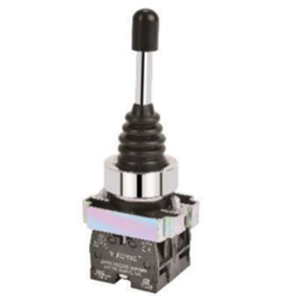
Joystick Series | Cuttoff Dia | Series | Types | Contacts | Colour | Ordering Code | Description
Joystick | 22.5 | Metal | 2 Position Stayput | 1NO | Black | 2PSJS2210-2P | 22.5 Metal 2 Position stayput 1NO Contact | 2Positon Image
Joystick | 22.5 | Metal | 2 Position Stayput | 2NO | Black | 2PSJS2220-2P | 22.5 Metal 2 Position stayput 2NO Contact
Joystick | 22.5 | Metal | 2 Position Stayput | 3NO | Black | 2PSJS2230-2P | 22.5 Metal 2 Position stayput 3NO Contact
Joystick | 22.5 | Metal | 2 Position Stayput | 4NO | Black | 2PSJS2240-2P | 22.5 Metal 2 Position stayput 4NO Contact
Joystick | 22.5 | Metal | 2 Position Spring Return | 1NO | Black | 2PSJS2210-2PSR | 22.5 Metal 2 Position Spring Return 1NO Contact
Joystick | 22.5 | Metal | 2 Position Spring Return | 2NO | Black | 2PSJS2220-2PSR | 22.5 Metal 2 Position Spring Return 2NO Contact
Joystick | 22.5 | Metal | 2 Position Spring Return | 3NO | Black | 2PSJS2230-2PSR | 22.5 Metal 2 Position Spring Return 3NO Contact
Joystick | 22.5 | Metal | 2 Position Spring Return | 4NO | Black | 2PSJS2240-2PSR | 22.5 Metal 2 Position Spring Return 4NO Contact
Joystick | 22.5 | Metal | 3 Position Stayput | 1NO | Black | 2PSJS2210-4P | 22.5 Metal 3 Position stayput 1NO Contact
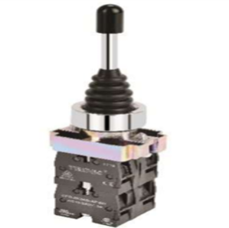
Joystick | 22.5 | Metal | 3 Position Stayput | 2NO | Black | 2PSJS2220-4P | 22.5 Metal 3 Position stayput 2NO Contact | 3Position Image
Joystick | 22.5 | Metal | 3 Position Stayput | 3NO | Black | 2PSJS2230-4P | 22.5 Metal 3 Position stayput 3NO Contact
Joystick | 22.5 | Metal | 3 Position Stayput | 4NO | Black | 2PSJS2240-4P | 22.5 Metal 3 Position stayput 4NO Contact
Joystick | 22.5 | Metal | 3 Position Spring Return | 1NO | Black | 2PSJS2210-4PSR | 22.5 Metal 3 Position Spring Return 1NO Contact
Joystick | 22.5 | Metal | 3 Position Spring Return | 2NO | Black | 2PSJS2220-4PSR | 22.5 Metal 3 Position Spring Return 2NO Contact
Joystick | 22.5 | Metal | 3 Position Spring Return | 3NO | Black | 2PSJS2230-4PSR | 22.5 Metal 3 Position Spring Return 3NO Contact
Joystick | 22.5 | Metal | 3 Position Spring Return | 4NO | Black | 2PSJS2240-4PSR | 22.5 Metal 3 Position Spring Return 4NO Contact

