Dengue Test
 |  |  | Dengue Test = Positive | Dengue Test = Negative
 | If a person: Has Dengue = True |  | 99.50% | 0.50%
 | If a person: Has Dengue = False |  | 0.10% | 99.90%

 | Yesterday you did a yearly routine medical exam, and the hospital was very generous that it provided a free Dengue test.
 | Unfortunately your result is found to be positive in the medical report.
 | Although you didn’t seem to develop Dengue symptoms since last week, how likely do you think you got infected by Dengue virus?

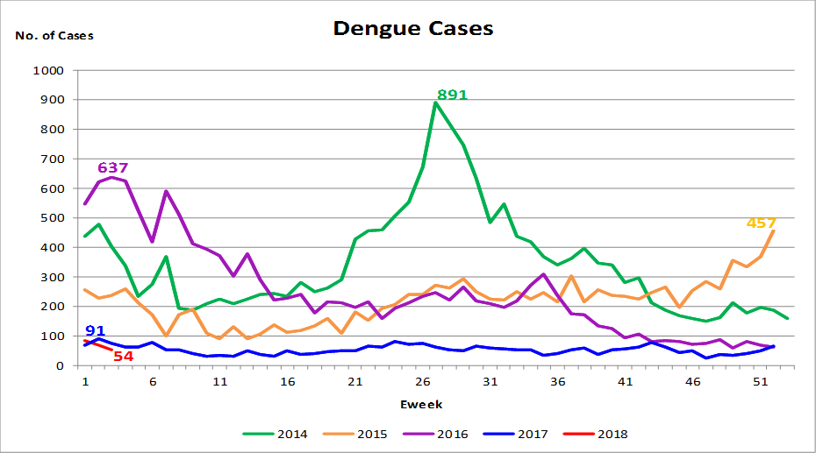

 | http://www.nea.gov.sg/public-health/dengue/dengue-cases

 | Average number of new Dengue cases per week
 | 250
 | Singapore population
 | 5,000,000

 | Average chance for a person of getting Dengue in past week P(Has Dengue = True)
 | 0.005000%

 | Average chance for a person of NOT getting Dengue in past week P(Has Dengue = False)
 | 99.995000%

 | P(Conclution|Condition) = P(Condition|Conclution)*P(Conclution)/P(Condition)
 | P(A|B) = P(B|A)*P(A)/P(B)

 | P(Has Dengue = True | Dengue Test = Positive)
= | P(Dengue Test = Positive | Has Dengue = True) * P(Has Dengue = True) / P(Dengue Test = Positive)
= | 99.5000000% | * | 0.0050000% | / | 0.1049700%
= | 4.7394494%

 | P(Dengue Test = Positive)
= | P(Dengue Test = Positive | Has Dengue = True)*P(Has Dengue = True) + P(Dengue Test = Positive | Has Dengue = False)*P(Has Dengue = False)
= | 99.5000000% | * | 0.005000% | + | 0.1000000% | * | 99.995000%
= | 0.00497500% |  |  | + | 0.09999500%
= | 0.1049700%

 | Times more likely
 | 948 |  | similar to having 948 4D Lottery tickets?

