Dashboard
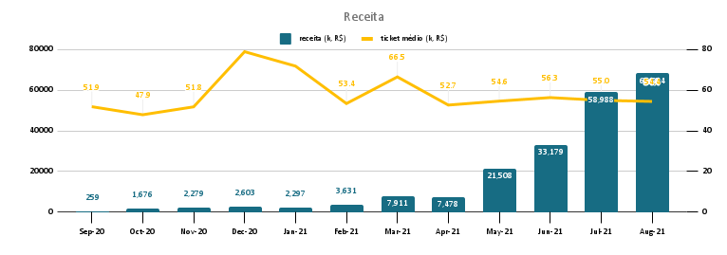
This chart isn't available in your version of Excel. Editing this shape or saving this workbook into a different file format will permanently break the chart.

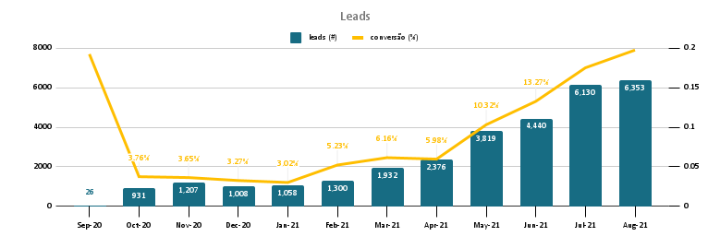

Top 5 marcas mais vendidas no mês
 | vendas (#)
Top 5 lojas que mais venderam no mês
 | vendas (#)
Visitas ao site por dia da semana no mês
 | visitas (#)

Queries
-- (Query 1) Receita, leads, conversão e ticket médio mês a mês
-- Colunas: mês, leads (#), vendas (#), receita (k, R$), conversão (%), ticket médio (k, R$)
with
leads as(
select
date_trunc('month', visit_page_date)::date as visit_page_month,
count(*) as visit_page_count
from sales.funnel
group by visit_page_month
order by visit_page_month
),
payments as (
select
date_trunc('month', fun.paid_date)::date as paid_month,
count(fun.paid_date) as paid_count,
sum(pro.price * (1 + fun.discount))as receita
from sales.funnel as fun
left join sales.products as pro
on fun.product_id = pro.product_id
where fun.paid_date is not null
group by paid_month
order by paid_month
)
select
leads.visit_page_month as "mês",
leads.visit_page_count as "leads (#)",
payments.paid_count as "vendas (#)",
(payments.receita/1000) as "receita (k, R$)",
(payments.paid_count::float/leads.visit_page_count::float) as "conversão (%)",
(payments.receita/payments.paid_count/1000) as "ticket médio (k, R$)"
from leads
left join payments
on leads.visit_page_month = paid_month
-- (Query 2) Estados que mais venderam
-- Colunas: país, estado, vendas (#)
select
'Brazil' as país,
cus.state as estado,
count(fun.paid_date) as "vendas (#)"
from sales.funnel as fun
left join sales.customers as cus
on fun.customer_id = cus.customer_id
where paid_date between '2021-08-01' and '2021-08-31'
group by país, estado
order by "vendas (#)" desc
limit 5
-- (Query 3) Marcas que mais venderam no mês
-- Colunas: marca, vendas (#)
select
pro.brand as marca,
count(fun.paid_date) as "vendas (#)"
from sales.funnel as fun
left join sales.products as pro
on fun.product_id = pro.product_id
where paid_date between '2021-08-01' and '2021-08-31'
group by marca
order by "vendas (#)" desc
limit 5
-- (Query 4) Lojas que mais venderam
-- Colunas: loja, vendas (#)
select
sto.store_name as loja,
count(fun.paid_date) as "vendas (#)"
from sales.funnel as fun
left join sales.stores as sto
on fun.store_id = sto.store_id
where paid_date between '2021-08-01' and '2021-08-31'
group by loja
order by "vendas (#)" desc
limit 5
-- (Query 5) Dias da semana com maior número de visitas ao site
-- Colunas: dia_semana, dia da semana, visitas (#)
select
extract('dow' from visit_page_date) as dia_semana,
case
when extract('dow' from visit_page_date)=0 then 'domingo'
when extract('dow' from visit_page_date)=1 then 'segunda'
when extract('dow' from visit_page_date)=2 then 'terça'
when extract('dow' from visit_page_date)=3 then 'quarta'
when extract('dow' from visit_page_date)=4 then 'quinta'
when extract('dow' from visit_page_date)=5 then 'sexta'
when extract('dow' from visit_page_date)=6 then 'sábado'
else null end as "dia da semana",
count(*) as "visitas (#)"
from sales.funnel
where visit_page_date between '2021-08-01' and '2021-08-31'
group by dia_semana
order by dia_semana

