password
 | Test Cases for Password
 | 3 fields are given: Old password , New password & confirm password.
1 | Check whether the password field is clickable or not
2 | Verify the validation message are displaying based on the test data
3 | Verify the change password field is clickable or not
4 | Verify the password field by adding a valid password
5 | Verify the password field by adding an invalid password
6 | Verify the password field by adding min and max password length
7 | Verify the password length displays (Easy, weak, Strong) as per srs document
8 | Verify reset button for password is clickable or not
9 | The change password field should not work if old password is blank and new password and confirm password field are entered
10 | check the functionality by entering the old password and keeeping the new password and confirm password field blank
11 | Check the functionality by entering correct old password and new password and keeping the confirm password field empty
12 | check the functionality by entering the the old password , new password and confirm passowrd.
13 | check the functionality by entering an invalid old password and a matching new and confirm password
14 | Check the functionality by entering a valid password and mismatching the new and confirm password.
15 | Check the alert messages if password are mismatched while entering new and confirm password field
16 | check the functionality by entering old, new and confirm password same.
17 | check the functionality by entering old password and blank space to new and confirm password.
18 | Check the functionality whether the reset functionality is clickable or not.
19 | Check the functionality by resetting without entering the password.
20 | check the functionality by entering mixed password (alphabet, symbol and numbers)
21 | check the password by entering blank space for all the fields

 | 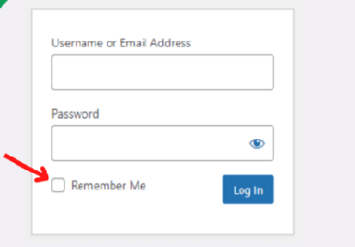 UI test cases for change password
1 | Check whether the placeholder field is properly displaying
2 | Check the password field is shown mandatory with an asterik symbol
3 | Check whether the alignment for name and text field is proper
4 | Check the password name field is properly displaying
5 | Check tab functionality is properly working or not
6 | Check 3 fields, old password, new passwoed, confirm password field are displaying or not
7 | Verify when user clicks on change password field , user should navigate to change password page.

Checkbox
Test Cases for Checkbox
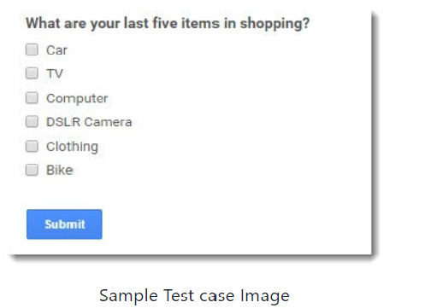
Check whether the checkbox are clickable or not
Check the user can select/deselect the checkbox or not
check whether the user can select multiple checkboxes
check whether user can delect multiple checkboxes.
check the functionality,if user click to submit button without using checkbox
Alert messages should be given if no checkbox are selected
check the alignment of each checkbox
check the checkbox are in square or rounded in shape.
check the user selected checkbox value should be saved in database
check the user selected checkbox value should be as per requirement document.
Check the colour of tick by clicking the checkbox
check the selection of control is inactive when page is loading
check the default status of checkbox should be as per requirement document.
check the textbox should be selected of tab control
check the label and check box are in alignment
check the checkboxes should in proper alignment for all the browser.
check the initial focus of checkbox is on first checkbox.
Alert message should be given to sleect atleast one checkbox

