Summary
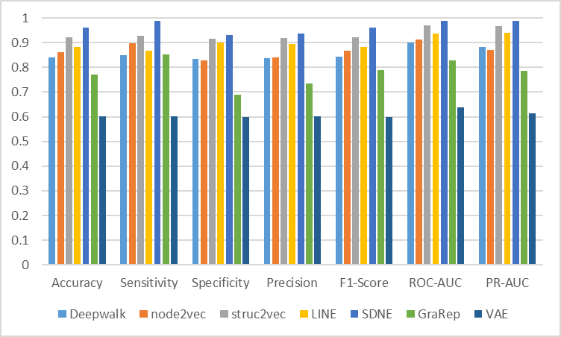
Method | Accuracy | Sensitivity | Specificity | Precision | F1-Score | ROC-AUC | PR-AUC | Hyperparameters | Skip-GNN | FNN
Deepwalk | 0.9393 | 0.9194 | 0.9589 | 0.9575 | 0.9377 | 0.9844 | 0.9838 | num_walks = 128 , walk_length = 8
node2vec | 0.9435 | 0.9205 | 0.967 | 0.966 | 0.9423 | 0.989 | 0.9861 | num_walks = 8 , walk_length = 64 p=0.5, q=0.25
struc2vec | 0.9487 | 0.9276 | 0.9692 | 0.968 | 0.9471 | 0.9887 | 0.9876 | num_walks = 64 , walk_length = 64
LINE | 0.937 | 0.9118 | 0.9619 | 0.9602 | 0.9351 | 0.9877 | 0.9868 | epochs=15
SDNE | 0.9435 | 0.9241 | 0.9627 | 0.962 | 0.9424 | 0.989 | 0.9884 | α= 0.3, β=10
GraRep | 0.9318 | 0.8999 | 0.9639 | 0.962 | 0.9292 | 0.9875 | 0.9867 | ksteps=1
VAE | 0.9393 | 0.9295 | 0.949 | 0.9481 | 0.9384 | 0.9854 | 0.9848 | hidden1=16, hidden2=8

