Dashboard
Sales Performance Dashboard

Sales by Region & Segment
 | Consumer | Corporate | Home Office
Central | 251,594 | 157,977 | 91,213
East | 350,859 | 200,409 | 127,167
South | 195,581 | 121,886 | 74,255
West | 362,799 | 225,798 | 136,658
Profit by Region & Segment
 | Consumer | Corporate | Home Office
Central | 8,513 | 18,705 | 12,438
East | 41,168 | 23,623 | 26,716
South | 26,914 | 15,215 | 4,621
West | 57,413 | 34,412 | 16,504

Sales & Profit by Region
 | Sum of Sales | Sum of Profit
West | 725,256 | 108,330
East | 678,435 | 91,506
Central | 500,783 | 39,656
South | 391,722 | 46,749
Sales and Profit by Subcategory
 | Sum of Sales | Sum of Profit
Phones | 330,007 | 44,516
Chairs | 327,778 | 26,567
Storage | 223,844 | 21,279
Tables | 206,966 | -17,725
Binders | 203,409 | 30,228
Machines | 189,239 | 3,385
Accessories | 167,380 | 41,937
Copiers | 149,528 | 55,618
Bookcases | 114,880 | -3,473
Appliances | 107,532 | 18,138
Furnishings | 91,683 | 13,053
Paper | 78,224 | 33,944
Supplies | 46,674 | -1,189
Art | 27,107 | 6,525
Envelopes | 16,476 | 6,964
Labels | 12,445 | 5,526
Fasteners | 3,024 | 950

Sales by Region n Segment
Sales by Region & Segment

Sum of Sales | Column Labels
Row Labels | Consumer | Corporate | Home Office | Grand Total
Central | 251,594 | 157,977 | 91,213 | 500,783
East | 350,859 | 200,409 | 127,167 | 678,435
South | 195,581 | 121,886 | 74,255 | 391,722
West | 362,799 | 225,798 | 136,658 | 725,256
Grand Total | 1,160,833 | 706,070 | 429,293 | 2,296,196

Profit by Region n Segment
Profit by Region & Segment

Sum of Profit | Column Labels
Row Labels | Consumer | Corporate | Home Office | Grand Total
Central | 8,513 | 18,705 | 12,438 | 39,656
East | 41,168 | 23,623 | 26,716 | 91,506
South | 26,914 | 15,215 | 4,621 | 46,749
West | 57,413 | 34,412 | 16,504 | 108,330
Grand Total | 134,007 | 91,955 | 60,279 | 286,241

Sales n Profit by Region
Sales & Profit by Region

Row Labels | Sum of Sales | Sum of Profit
West | 725,256 | 108,330
East | 678,435 | 91,506
Central | 500,783 | 39,656
South | 391,722 | 46,749
Grand Total | 2,296,196 | 286,241

Sales n Profit by subcat
Sales and Profit by Subcategory
Region | (All)

Row Labels | Sum of Sales | Sum of Profit
Phones | 330,007 | 44,516
Chairs | 327,778 | 26,567
Storage | 223,844 | 21,279
Tables | 206,966 | -17,725
Binders | 203,409 | 30,228
Machines | 189,239 | 3,385
Accessories | 167,380 | 41,937
Copiers | 149,528 | 55,618
Bookcases | 114,880 | -3,473
Appliances | 107,532 | 18,138
Furnishings | 91,683 | 13,053
Paper | 78,224 | 33,944
Supplies | 46,674 | -1,189
Art | 27,107 | 6,525
Envelopes | 16,476 | 6,964
Labels | 12,445 | 5,526
Fasteners | 3,024 | 950
Grand Total | 2,296,196 | 286,241

Segment Subcat
Profit by Region & Category
Sum of Profit | Column Labels
Row Labels | Furniture | Office Supplies | Technology | Grand Total
Central | -2,906 | 8,865 | 33,697 | 39,656
Consumer | -4,030 | 2,567 | 9,975 | 8,513
Corporate | 2,322 | 100 | 16,283 | 18,705
Home Office | -1,199 | 6,198 | 7,439 | 12,438
East | 3,058 | 40,986 | 47,462 | 91,506
Consumer | 2,038 | 19,200 | 19,930 | 41,168
Corporate | 342 | 13,458 | 9,823 | 23,623
Home Office | 678 | 8,329 | 17,709 | 26,716
South | 6,771 | 19,986 | 19,992 | 46,749
Consumer | 4,617 | 9,190 | 13,107 | 26,914
Corporate | 952 | 8,143 | 6,121 | 15,215
Home Office | 1,202 | 2,654 | 765 | 4,621
West | 11,499 | 52,528 | 44,304 | 108,330
Consumer | 4,331 | 25,297 | 27,786 | 57,413
Corporate | 3,969 | 18,503 | 11,941 | 34,412
Home Office | 3,199 | 8,728 | 4,577 | 16,504
Grand Total | 18,422 | 122,365 | 145,455 | 286,241

Region Segment
Sales by Region & Category
Sum of Sales | Column Labels
Row Labels | Furniture | Office Supplies | Technology | Grand Total
Central | 163,407 | 166,959 | 170,416 | 500,783
Consumer | 85,839 | 93,064 | 72,691 | 251,594
Corporate | 52,086 | 41,119 | 64,773 | 157,977
Home Office | 25,482 | 32,777 | 32,953 | 91,213
East | 208,010 | 205,451 | 264,974 | 678,435
Consumer | 114,212 | 101,206 | 135,441 | 350,859
Corporate | 64,209 | 66,475 | 69,726 | 200,409
Home Office | 29,589 | 37,771 | 59,807 | 127,167
South | 117,299 | 125,651 | 148,772 | 391,722
Consumer | 70,800 | 59,505 | 65,276 | 195,581
Corporate | 29,645 | 45,930 | 46,311 | 121,886
Home Office | 16,853 | 20,217 | 37,185 | 74,255
West | 252,591 | 220,673 | 251,992 | 725,256
Consumer | 119,808 | 109,999 | 132,992 | 362,799
Corporate | 83,080 | 77,077 | 65,641 | 225,798
Home Office | 49,702 | 33,597 | 53,359 | 136,658
Grand Total | 741,306 | 718,735 | 836,154 | 2,296,196

Sheet1
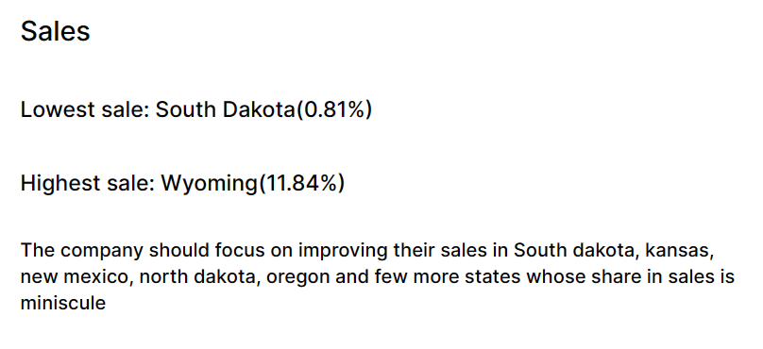
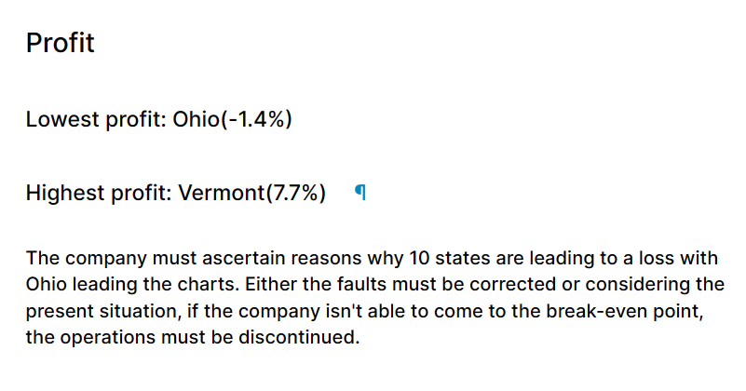
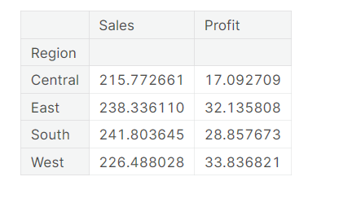
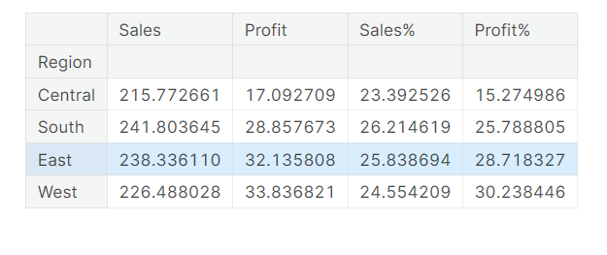
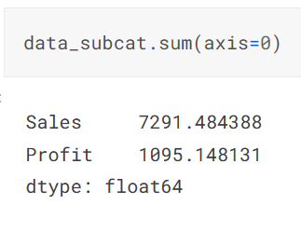
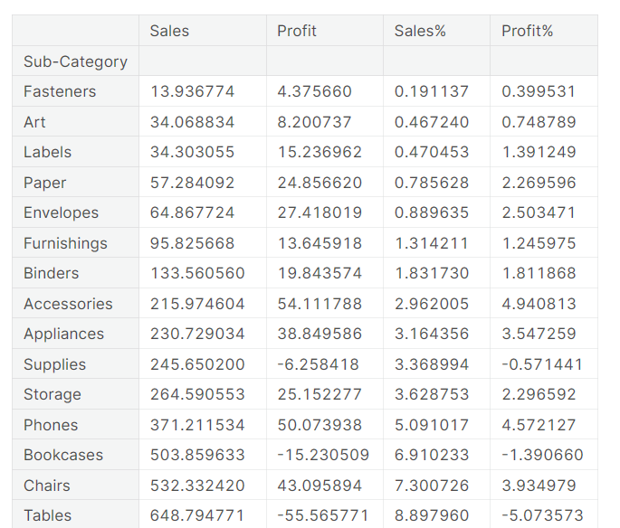
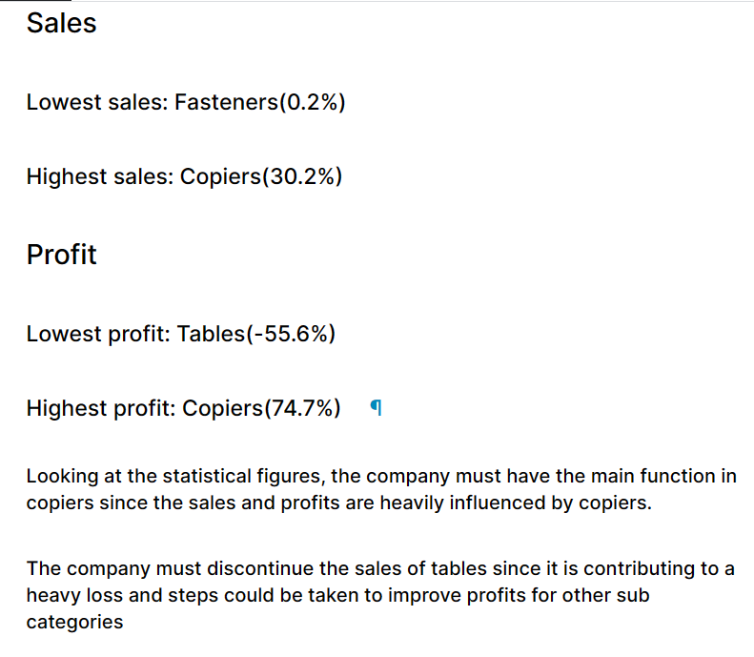
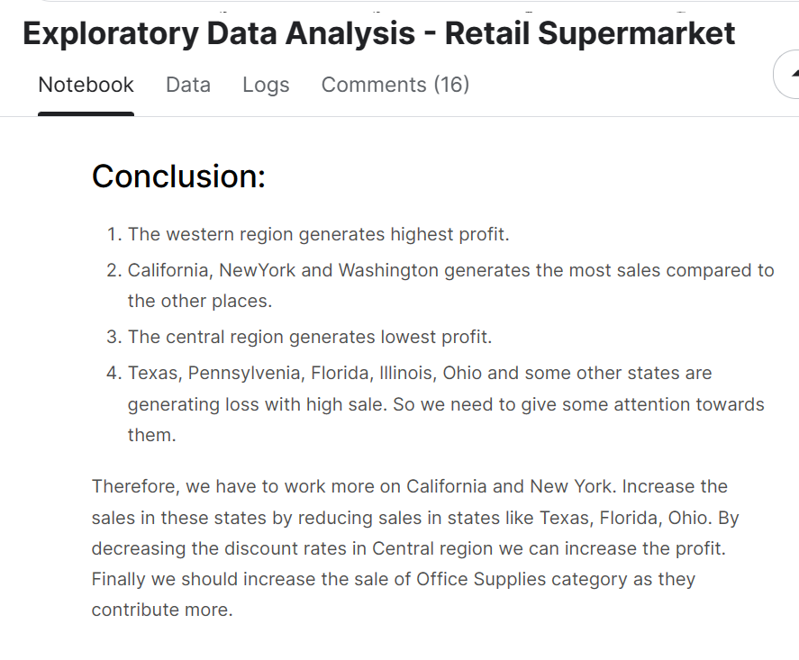
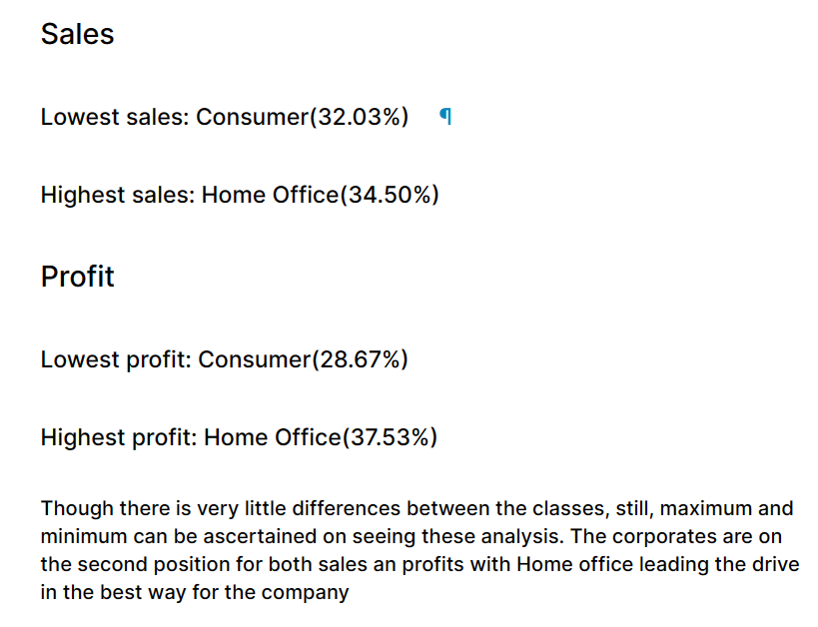
Original data | 9995 | records

Sheet2
