Specs
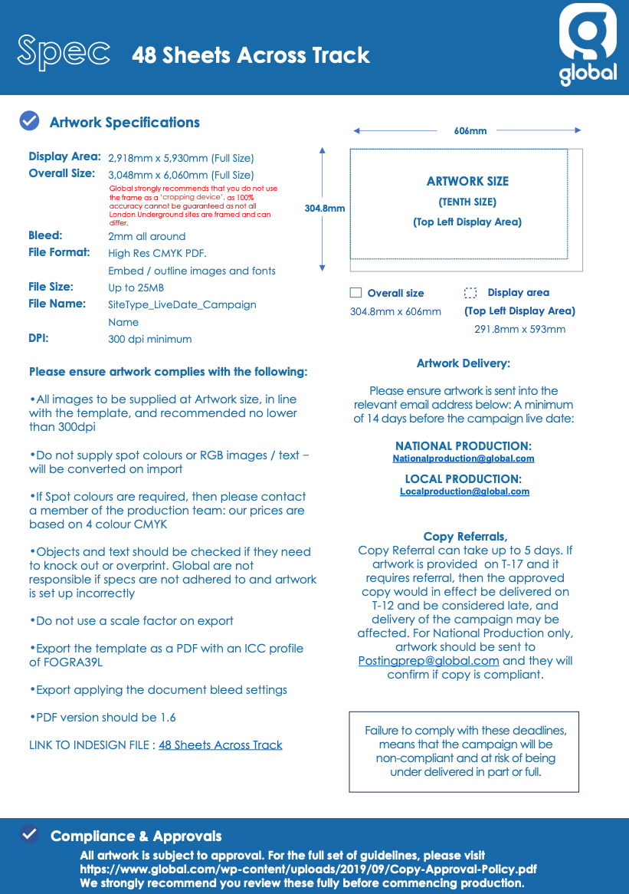

Artwork Delivery Deadline | Artwork Delivery | Specs

25th May | Robbie.Gardner@smpgroup.co.uk | https://global.com/wp-content/uploads/2020/10/48-Sheets-Across-Track.pdf

