Sheet1
9th February 2026

Sprint Health |  |  | Daily Velocity (Story Points planned vs done)

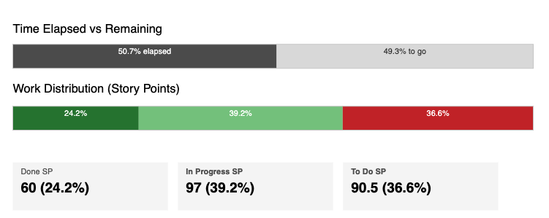
Sprint Story Points Planned | 248 | (Note this is planned Stories only and does not include defects) | Team | Stories Planned (SP_ | Stories Done (SP) | Number of Bugs Done | RAG
 |  |  | 1 | 5 | 4 | 0
 |  |  | 2 | 5 | 3 | 1
 |  |  | 3 | 5 | 0 | 0
 |  |  | 4 | 5 | 3 | 3
 |  |  | 5 | 5 | 2 | 0
 |  |  | TOTAL | 25 | 12 | 4

 |  |  | Flow Metrics (Story Point count flowing into each status)

 |  |  |  | Status | SP Flow Into Status | Target Flow | RAG
 |  |  |  | In Dev | 10 | 25
 |  |  |  | Ready for Review | 13 | 25
 |  |  |  | Ready for QA | 10 | 25
 |  |  |  | Ready for Release | 12 | 25

 |  |  | Defects (Created today vs closed)

 |  |  | Team | Bugs Created Today | Bugs Closed Today | Still Open
 |  |  | 1 | 0 | 0 | 3
 |  |  | 2 | 0 | 1 | 3
 |  |  | 3 | 0 | 0 | 2
 |  |  | 4 | 0 | 3 | 8
 |  |  | 5 | 0 | 0 | 5
 |  |  | Unassigned |  |  | 75
 |  |  | Total | 0 | 4 | 96

