histogram of emloyment_length
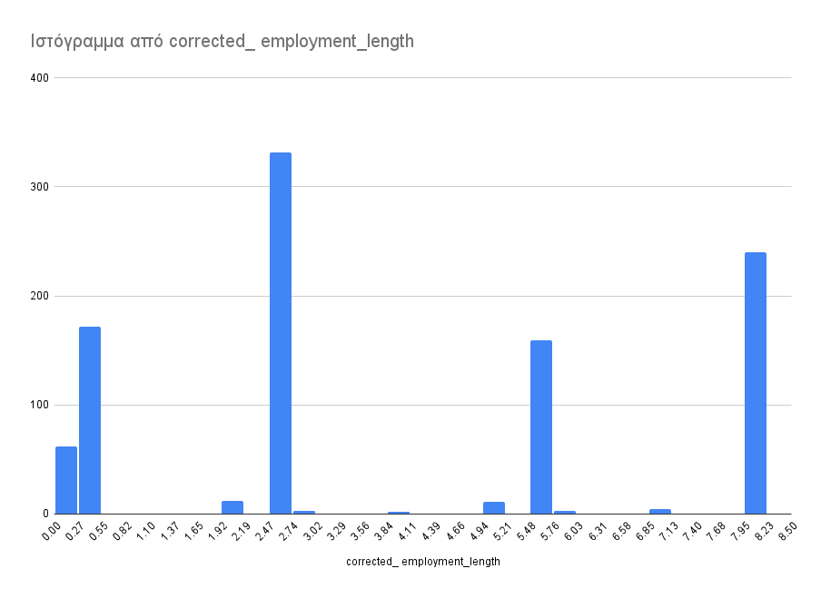

dashboard
Total Default rates (%)
 | percentage (%)
BAD CREDIT | 30
GOOD CREDIT | 70

Total size per Age Groups and percentages for Bad Credits for each group
 | total_count | percentage_bad_credit (%) | age_group
Middle | 516 | 25.58
senior | 113 | 27.43
Young | 371 | 36.93
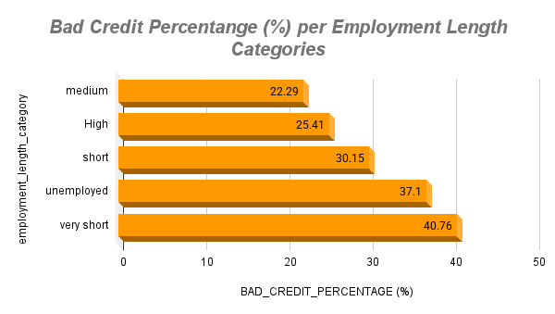

Total size for Installment Rate Categories and Bad Credit Percentage for Each Category
 | total_count | bad_credit_percentage (%)
Low | 136 | 25
Middle | 388 | 27.58
High | 476 | 33.4
Average Loan Amount per Default Category
 | avg_amount
BAD CREDIT | 2012.38
GOOD CREDIT | 1525.57

Chi Square test result
p-value=0.06989890753
significance level=0.05
IF p<significance level reject Ho
Ho: There is no statistically significant difference between the installment rate categories and the default status.
H1: There is a statistically significant difference between the installment rate categories and the default status.
t-test result
p-value=0.00002477691431
significance level=0.05
IF p<significance level reject Ho
Ho: There is no statistically significant difference in the mean loan amount (amount_euro) between applicants considered as good credit and those considered as bad credit.
H1 : There is a statistically significant difference in the mean loan amount (amount_euro) between applicants considered as good credit and those considered as bad credit.
Welch-type standardized difference
d=0.32
d= 0.20 - 0.49: small association between loan amount and default status.
d=0.50 - 0.79: moderate association between loan amount and default status.
d>= 0.80: large association between loan amount and default status.

Conclusions
The risk is considered higher for applicants who are young and also unemployed or have a very short employment history.
Banks should be more careful before approving loans for applicants who belong to these categories. It may be better to ask for loan guarantors, real property, mortgages, etc.
Banks could approve smaller loan amounts or impose higher interest rates for these categories of applicants.

