Sheet1
 |  |  |  |  |  |  | https://en.wikipedia.org/wiki/Axial_tilt | wiki individual
 |  | sidereal period |  |  | y anchor rotation angle |  | x anchor rotation angle | prograde | retrograde
unit | km | earth day | earth day | local day | degree | degree | degree | degree | degree
 | RADIUS | ORBITAL_PERIOD | LENGTH_OF_DAY | SELF_ORBITAL_PERIOD | LONGITUDE_OF_ASCENDING_NODE | ECLIPTIC_INCLINATION | AXIAL_TILT | AXIAL_TILT | AXIAL_TILT
SUN | 696340 | - | - | - | - | - | 7.25 | - | -
MERCURY | 2439.7 | 87.9691 | 58.645833 | 1.5000059766 | 48.331 | 7.005 | 0.01 | 0.034 | -
VENUS | 6051.8 | 224.701 | 116.75 | 1.924633833 | 76.68 | 3.39458 | 2.64 | 177.36 | 2.64
EARTH | 6371 | 365.256363 | 1 | 365.256363 | -11.26064 | 0 | 23.4392811 | 23.4392811 | -
MOON | 1737.4 | 27.321661 | 27.321661 | 1 | Regressing by one revolution in 18.61 years | 5.145 | 1.5424 | 6.687 | -
MARS | 3389.5 | 686.98 | 1.025694 | 669.77090633 | 49.558 | 1.85 | 25.19 | 25.19 | -
JUPITER | 69911 | 4332.59 | 0.413889 | 10467.999874 | 100.464 | 1.303 | 3.12 | 3.13 | -
SATURN | 58232 | 10759.22 | 0.445833 | 24132.84795 | 113.665 | 2.485 | 26.73 | 26.73 | -
URANUS | 25362 | 30688.5 | 0.718056 | 42738.310104 | 74.006 | 0.773 | 82.23 | 97.77 | 82.23
NEPTUNE | 24622 | 60195 | 0.670833 | 89731.721606 | 131.783 | 1.77 | 28.33 | 28.32 | -
PLUTO | 1188.3 | 90560 | 6.4 | 14150 | 110.299 | 17.16 | 60.41 | 122.53 | -

description | radius of the object | Time it takes to the sun once in earth day | day length in earth day | The lcoal day that it takes to orbit the sun once (e.g. martian day plutonian day etc.) | which
 |  |  |  |  |  |  | sun with respect to ecliptic
 |  |  |  |  |  |  | moon with repect to ecliptic
 |  |  |  |  |  |  | others with repect to its orbit

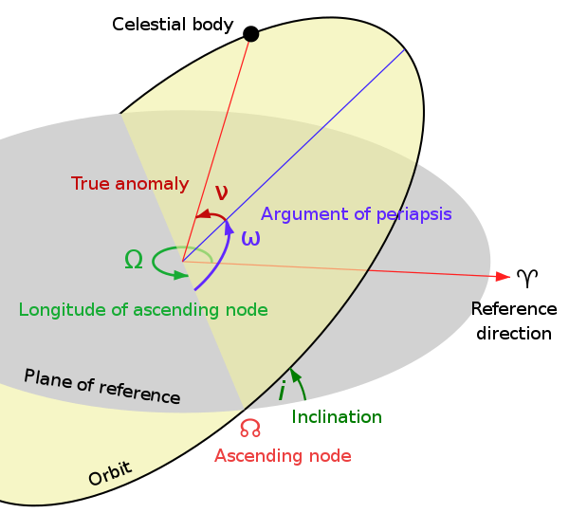

 |  | USED PARAMETER IN THIS DIAGRAM
 |  | longitude of ascending node
 |  | inclination

