Dedication
This was created kasi wala akong magawa during my free time. Hindi naman sa pagyayabang pero mabilis kasi akong magtrabaho. XD
Hindi ko alam kung pag-aaksayahan mo ng oras 'tong dedication page pero wala akong paki. Hindi lang naman siguro ikaw yung gagamit nito and I know, mayroong makaka-appreciate. ;)
Anyway (…and talking for real:), basic encoding tasks lang naman 'tong trabaho na 'to na kapag seseryosohin mo e madali lang…at mas pinadali ko pa. ***insert devil wink***
I created a "How-To" book at template compilation ng mga tinrabaho ko dito sa munisipyo. I'm tEppy and I have this passion of doing things the right-&-easy way kaya may binabasa ka ngayon. (kahit na nahirapan ako dito) ;)
Naisip ko 'tong gawin dahil kulang ang tao sa Accounting Department ng munispyo at hindi ko maintindihan kung bakit ampxxxxxxna hindi nila maisip/mapayagang magdagdag!?
Dahil ba kinakaya namin kaya hayaan na lang? Teh, dumadaan dito lahat ng transaksyon ng munisipyo pero 9-10 people lang kami. Dadalawa pa Accountants…ng ACCOUNTING department (pwera kay boss).
(…OH! THE IRONY! ...and the rants will continue 'pag hindi ko ihininto dito 'to. Haha!)
Naisip ko lang kasi: nahihirapan yung mga nagtuturo sa mga bago while also doing their own (gruesome) tasks. Yung mga pinaka-busy pa kasi yung magtuturo since sila yung nakakaalam ng processes. Kawawa naman sila, 'di ba?


So, ayun. Pwede ko namang pahabain pa 'to since nag-eenjoy kang basahin sya at nakarating ka hanggang sa part na 'to pero tama na, teh.
Apologies for the intro. XD
As much as possible, I'll have the instructions, explanations, comments, links, etc. dito. Let's wish na hindi masira yung server para naman may makinabang.
Mas maganda sana makapag-save sa cloud or sa cloud ko na i-link lahat ng files pero hindi pa ganun ung siste sa munisipyo e. Bahala sila.
Also, I'll assume na novice excel user yung gagamit since data-entry/encoding job lang naman 'to.
So, as long as marunong kang bumasa at sumunod sa instructions (…at magtanong na rin kung may 'di ka naintindihan), goods ka na.

With all that said: Welcome sa Accounting Department ng Bocaue LGU!
Galingan mo. Madali lang 'to, promise. Makakapag selpon ka pa rin ng madalas, pwera yung January to March siguro. Haha!

 | - tEppy, 7/2024

OR-CTC-RPT_how-to's
Click/Select (some colored cells/headers): |  |  | Hover (for comments):
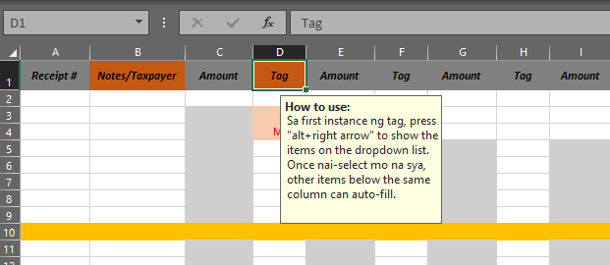
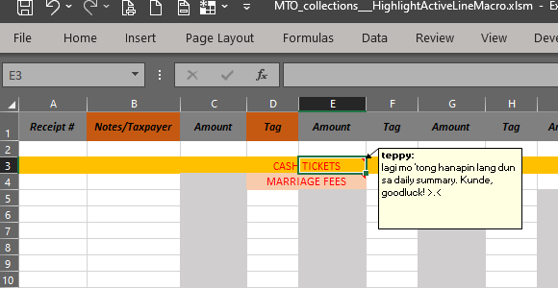
 |  |  |  |  |  | IMPORTANTE 'TO, TEH!

Alt + Right Arrow (sa cells na may dropdown option):
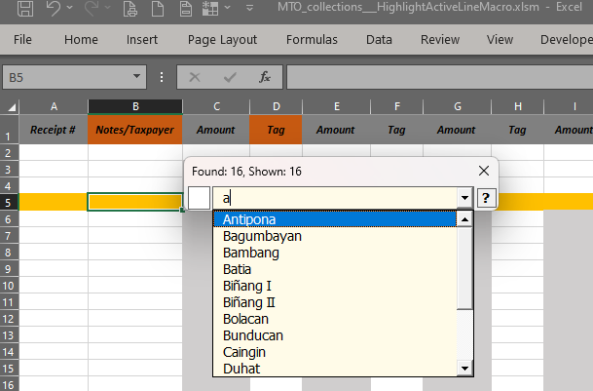
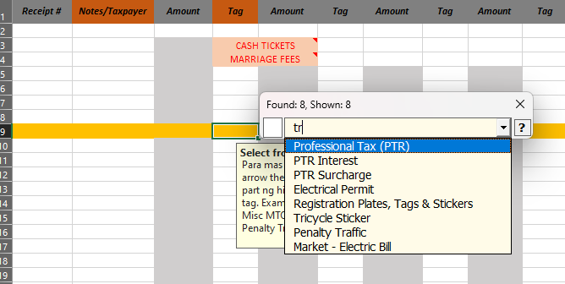
 |  |  |  |  | Take note of the differences:
 |  |  |  |  | tr - shows all options that contain "tr" anywhere

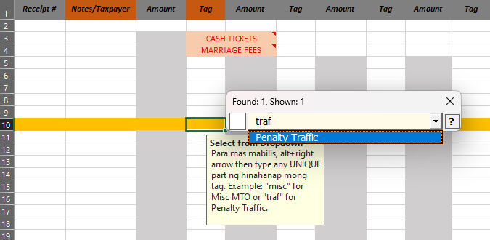
 |  |  |  |  |  | traf - shows only one option: Penalty TRAFfic
 |  |  |  |  |  | Capitalization does NOT matter.

 | After selection (pressing Enter), press Esc key to exit from the search_DeList UI.
 | Kasi mapupunta ka lang sa cell below tas auto-triggered din ung search delist

 | Also, auto-complete is possible after there's already a record of the same tag on the same column:
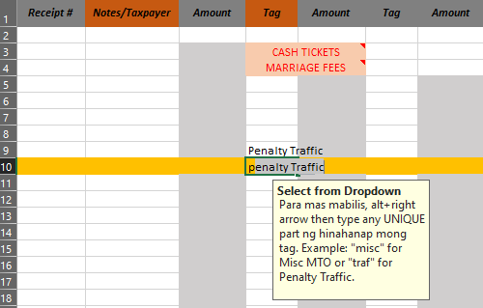

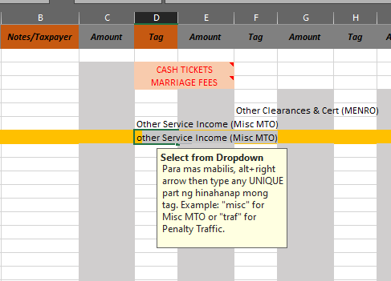
 | So I can refrain from typing a lot before the auto-complete triggers in cases of same first word options, I place them on separate columns:
 |  | This way, typing the letter "O" on column D will trigger "Other Service Income - (Misc MTO)
 |  | on column F, it will trigger "Other Cleances & Cert (MENRO)"

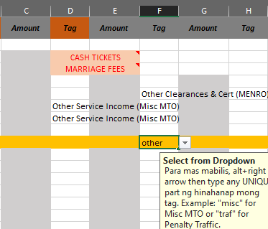
 |  |  |  | Auto-complete will work as long as you do not skip a row.
 |  |  |  | Notice how I already typed-in the word "other" and it's still has not been triggered.
 |  |  |  | Try it yourself kung feeling mo inuuto kita. Hmp!

 | Yun ibang features, ikaw na bahala mag-explore. Malaki ka na. Matanda ka na. May jowa ka na nga e. Kayang-kaya mo na yan.
 | Lahat naman ng sheets halos may explanation ako. Tyaga lang kailangan mo saka comprehension. Hehehe

