filtered_non_synonymous_mutatio
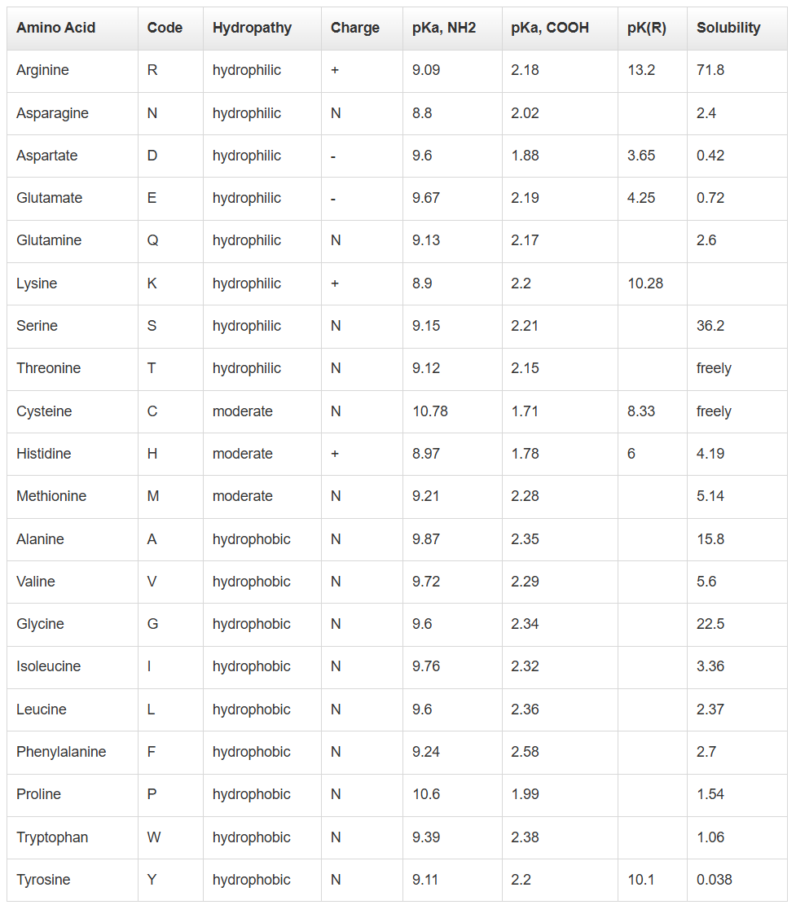
protein | amino_acid_position | aa_most_common | aa_southern | aa_northern | melanoplus | SIFT (S to N) | SIFT (S to N) | SIFT (N to S) | SIFT (N to S) | SIFT DIFF |  | aa_northern | true porportions matching northern | proportion_identical_to_southern | proportion_identical_to_northern | total_species_included | primary protein | function of the specific subunit | referenced species on Uniprot and AlphaFold | source | part of protein that the mutation has occurred in | most common - charge of aa | most common - polarity of aa | southern - charge of aa | southern - polarity of aa | northern - charge of aa | northern - polarity of aa
ND1 | 293 | L | L | M | L | 0.00 (Affect protein function) | 0 | 1.00 (Tolerated) | 1 | -1.000 | 0.017543859649 | M | 0.00 | 55 | 0 | 55 | Complex I |  | Locusta migratoria | https://www.uniprot.org/uniprotkb/P09045/entry | Not in functional region | neutral | hydrophobic | neutral | hydrophobic | neutral | moderate
ND2 | 270 | I | I | T | I | 0.01 (Affects protein function) | 0.01 | 0.51 (Tolerated) | 0.51 | -0.500 | 0.028571428571 | T | 0.00 | 33 | 0 | 55 | Complex I |  | Locusta migratoria | https://www.uniprot.org/uniprotkb/Q36426/entry | Not in functional region | neutral | hydrophobic | neutral | hydrophobic | neutral | hydrophilic
ND2 | 332 | V, T | V | M | V | 0.26 (Tolerated) | 0.26 | 0.64 (Tolerated) | 0.64 | -0.380 | 0.05 | M | 0.00 | 18 | 0 | 55 | Complex I |  | Locusta migratoria | https://www.uniprot.org/uniprotkb/Q36426/entry | Transmembrane 316-336 | neutral | hydrophobic & hydrophilic | neutral | hydrophobic | neutral | moderate
ATP6 | 108 | L | L | M | L | 0.09 (Tolerated) | 0.09 | 1.00 (Tolerated) | 1 | -0.910 | 0.087719298246 | M | 0.07 | 51 | 4 | 55 | Complex V |  | Locusta migratoria | https://www.uniprot.org/uniprotkb/P14569/entry | Transmembrane 100-120 | neutral | hydrophobic | neutral | hydrophobic | neutral | moderate
ND4 | 88 | S | S | P | S | 0.12 (Tolerated) | 0.12 | 0.11 (Tolerated) | 0.11 | 0.010 | 0.09756097561 | P | 0.08 | 36 | 3 | 55 | Complex I |  | Locusta migratoria | https://www.uniprot.org/uniprotkb/Q36424/entry | Not in functional region | neutral | hydrophilic | neutral | hydrophilic | neutral | hydrophobic
ND4L | 101 | H | H | Y | H | 0.75 (Tolerated) | 0.75 | 0.44 (Tolerated) | 0.44 | 0.310 | 0.12 | Y | 0.10 | 43 | 5 | 55 | Complex I |  | Locusta migratoria | https://www.uniprot.org/uniprotkb/Q36423/entry | Not in functional region | positive (+) | moderate | positive (+) | moderate | neutral | hydrophobic
ATP8 | 50 | I | N | S | N | 0.22 (Tolerated) | 0.22 | 1.00 (Tolerated) | 1 | -0.780 | 0.16666666667 | S | 0.00 | 4 | 0 | 18 | Complex V |  | Locusta migratoria | https://www.uniprot.org/uniprotkb/P14570/entry | Not in functional region | neutral | hydrophobic | neutral | hydrophilic | neutral | hydrophilic
ND5 | 138 | N | S | G | S | 0.09 (Tolerated) | 0.09 | 0.19 (Tolerated) | 0.19 | -0.100 | 0.1875 | G | 0.14 | 12 | 2 | 55 | Complex I |  | Locusta migratoria | https://www.uniprot.org/uniprotkb/Q36428/entry | Not in functional region | neutral | hydrophilic | neutral | hydrophilic | neutral | hydrophobic
ND4L | 29 | I | I | M | I | 0.45 (Tolerated) | 0.45 | 0.09 (Tolerated) | 0.09 | 0.360 | 0.20454545455 | M | 0.19 | 34 | 8 | 55 | Complex I |  | Locusta migratoria | https://www.uniprot.org/uniprotkb/Q36423/entry | Transmembrane 1-21 | neutral | hydrophobic | neutral | hydrophobic | neutral | moderate
COX3 | 10 | L | L | M | L | 0.28 (Tolerated) | 0.28 | 0.47 (Tolerated) | 0.47 | -0.190 | 0.36538461538 | M | 0.36 | 32 | 18 | 54 | Complex IV |  | Locusta migratoria | https://www.uniprot.org/uniprotkb/P14574/entry | Not in functional region | neutral | hydrophobic | neutral | hydrophobic | neutral | moderate
CYTB | 68 | V, I | V | I | V | 0.01 (Affect protein function - Low Confidence) | 0.01 | 0.13 (Tolerated) | 0.13 | -0.120 | 0.5 | I | 0.50 | 22 | 22 | 55 | Complex III |  | Locusta migratoria | https://www.uniprot.org/uniprotkb/Q36427/entry | Not in functional region | neutral | hydrophobic | neutral | hydrophobic | neutral | hydrophobic
ND2 | 136 | I | T | M | T | 0.46 (Tolerated) | 0.46 | 0.04 (Affect protein function) | 0.04 | 0.420 | 0.54545454545 | M | 0.56 | 4 | 5 | 55 | Complex I |  | Locusta migratoria | https://www.uniprot.org/uniprotkb/Q36426/entry | Not in functional region | neutral | hydrophobic | neutral | hydrophilic | neutral | moderate
CYTB | 365 | I | I | M | V | 0.01 (Affect protein function - Low Confidence) | 0.01 | 1.00 (Tolerated) | 1 | -0.990 | 0.21739130435 | M | 0.20 | 35 | 9 | 55 | Complex III |  | Locusta migratoria | https://www.uniprot.org/uniprotkb/Q36427/entry | Transmembrane 348-368 | neutral | hydrophobic | neutral | hydrophobic | neutral | moderate
ND3 | 14 | L | I | M | L | 0.03 (Affect protein function) | 0.03 | 0.66 (Tolerated) | 0.66 | -0.630 | 0.33333333333 | M | 0.32 | 17 | 8 | 55 | Complex I |  | Locusta migratoria | https://www.uniprot.org/uniprotkb/Q36422/entry | Transmembrane 1-21 | neutral | hydrophobic | neutral | hydrophobic | neutral | moderate
ND1 | 251 | T | V | I | T | 0.10 (Tolerated) | 0.1 | 0.40 (Tolerated) | 0.4 | -0.300 | 0.2 | I | 0.13 | 7 | 1 | 55 | Complex I |  | Locusta migratoria | https://www.uniprot.org/uniprotkb/P09045/entry | Transmembrane 227-247 | neutral | hydrophilic | neutral | hydrophobic | neutral | hydrophobic
ND6 | 33 | I | I | M | F | 0.07 (Tolerated) | 0.07 | 1.00 (Tolerated) | 1 | -0.930 | 0.18604651163 | M | 0.17 | 34 | 7 | 55 | Complex I |  | Locusta migratoria | https://www.uniprot.org/uniprotkb/Q36425/entry | Not in functional region | neutral | hydrophobic | neutral | hydrophobic | neutral | moderate
ND5 | 491 | S | F | V | S | 0.54 (Tolerated) | 0.54 | 0.20 (Tolerated) | 0.2 | 0.340 | 0.083333333333 | V | 0.00 | 10 | 0 | 54 | Complex I |  | Locusta migratoria | https://www.uniprot.org/uniprotkb/Q36428/entry | Transmembrane 479-499 | neutral | hydrophilic | neutral | hydrophobic | neutral | hydrophobic
ND4L | 68 | E | E | K | G | 0.30 (Tolerated) | 0.3 | 0.23 (Tolerated) | 0.23 | 0.070 | 0.045454545455 | K | 0.00 | 20 | 0 | 55 | Complex I |  | Locusta migratoria | https://www.uniprot.org/uniprotkb/Q36423/entry | Not in functional region | negative (-) | hydrophilic | negative (-) | hydrophilic | positive (+) | hydrophilic
ATP8 | 37 | K | N | S | T | 0.71 (Tolerated) | 0.71 | 0.40 (Tolerated) | 0.4 | 0.310 | 0.6 | S | 0.63 | 3 | 5 | 55 | Complex V |  | Locusta migratoria | https://www.uniprot.org/uniprotkb/P14570/entry | Not in functional region | positive (+) | hydrophilic | neutral | hydrophilic | neutral | hydrophilic
ND2 | 251 | L | T | M | L | 0.22 (Tolerated) | 0.22 | 0.17 (Tolerated) | 0.17 | 0.050 | 0.64285714286 | M | 0.67 | 4 | 8 | 55 | Complex I |  | Locusta migratoria | https://www.uniprot.org/uniprotkb/Q36426/entry | Transmembrane 238-258 | neutral | hydrophobic | neutral | hydrophilic | neutral | moderate
ND6 | 135 | M | V | I | I | 0.19 (Tolerated) | 0.19 | 0.34 (Tolerated) | 0.34 | -0.150 | 0.75 | I | 0.83 | 1 | 5 | 54 | Complex I |  | Locusta migratoria | https://www.uniprot.org/uniprotkb/Q36425/entry | Not in functional region | neutral | moderate | neutral | hydrophobic | neutral | hydrophobic
ND6 | 28 | S | L | S | S | 0.50 (Tolerated) | 0.5 | 0.20 (Tolerated) | 0.2 | 0.300 | 0.88372093023 | S | 0.90 | 4 | 37 | 54 | Complex I |  | Locusta migratoria | https://www.uniprot.org/uniprotkb/Q36425/entry | Not in functional region | neutral | hydrophilic | neutral | hydrophobic | neutral | hydrophilic
ND4 | 158 | L | F | L | L | 0.14 (Tolerated) | 0.14 | 0.00 (Affect protein function) | 0 | 0.140 | 0.94871794872 | L | 0.97 | 1 | 36 | 55 | Complex I |  | Locusta migratoria | https://www.uniprot.org/uniprotkb/Q36424/entry | Transmembrane 141-161 | neutral | hydrophobic | neutral | hydrophobic | neutral | hydrophobic

 |  |  |  |  |  |  |  |  |  | -0.20304347826
 |  |  |  |  | S = 12 |  |  |  |  |  |  |  | 0.30
 |  |  |  |  | Not S or N = 8 |  |  |  |  |  |  | less than 0.05 is red |  |  |  |  |  |  |  |  |  | bad stat evidence + no aa property change |  | 4
 |  |  |  |  | N = 3 |  |  |  |  | less than -0.9 is red |  | anything less than 0.2 is orange |  |  |  |  |  |  |  |  |  | good stat evidence ONLY |  | 3
 |  |  |  |  |  |  |  |  |  |  |  | more than 0.95 is dark green |  |  |  |  |  |  |  |  |  | aa properties change ONLY |  | 4
 |  |  |  |  |  |  |  |  |  | between -0.89 to -0.5 is light red |  | more than 0.8 is lime green |  |  |  |  |  |  |  |  |  | good stat evidence + aa property change |  | 8
 |  |  |  |  |  |  |  |  |  |  |  | everything else is yellow |  |  |  |  |  |  |  |  |  | strong stat evidence +aa property change |  | 4

