READ ME
FamInsureCo Data Analysis



Now it's time for us to get started on our Data Analysis for FamInsureCo!
As we've mentioned previously, there are a number of questions Management have expressed an interest in answering.

• Do individuals who tend to have a higher Body Mass Index (BMI), have higher insurance costs? • Does region (geography) appear to have any impact on insurance costs? • Does the biological marker have any bearing with insurance costs? • Does the biological marker have any impact regarding insurance costs? (i.e. Do Men have higher insurance costs than women?) • Does smoking have any impact regarding insurance costs? • Do any correlations exist between medical charges and lifestyle?

We'll seek to tackle this assignment in three parts.

Firstly, you'll work on the Basic Desc. Statistics Tab where you'll make use of your knowledge of descriptive stats, to visualise the Medical Charges data. You'll be using the data in the FamInsureCo. Desc Stats Data Tab.
Secondly, you'll work on the Intermediate Desc. Statistics Tab where you'll make use of your intermediate statistics knowledge, where you'll apply box and whisker plots and correlation analyses to identify the variables that have a linear relationship with medical charges. You'll be using the data in the FamInsureCo Int. Stats Data Tab.
Thirdly, you'll then build out your presentation where you'll synthesize your insights for the FamInsureCo team!

With this in mind, let's get started!

Definitions
We've included a high-level breakdown that explains the different columns you'll deal with in the FamInsureCo Desc. Stats Data Tab

Age | This column provides information on how old the individual is.
Biological Marker | This is a column filled with the individuals biological marker (i.e. Are they male or female).
BMI | This is a column that represents the Body Mass Index (BMI) of the respective individual. This is a commonly used metric to assess overhealth.
Smoker | This is a column that indicates whether the individual is a smoker or not.
Region | This is a column that indicates the geographical location of where the individual resides (i.e. Northwest, Northeast etc.)
Medical_Insurance_Charges | This is a column that represents the medical insurance charges incurred by that individual.

Basic Desc. Statistics
Descriptive Statistics Analysis - Part I
We've introduced you now to a number of basic statistical concepts.
Whilst statistics might seem scary, it's critical in enabling us to identify trends that we can then drill down and ask 'why' with some of our more seasoned colleagues.

An example of this might be with Walmart; Walmart may have seen a customer trend that shoppers most frequently enter the store on the Saturday Morning. As such, they may include more promotional specials over the weekend period and ask the respective analytics team to run some more advanced statistics (i.e. correlation) to assess whether there is a trend between promotional specials shown on the Saturday Morning and sales over that period.

With what you've learned, let's take a look at FamInsureCo's Data and see what trends we can identify using the tools of Descriptive Statistics!

Let's get started!

As with all data analysis exercises, looking at the numbers in a stationary way (i.e. table form as opposed to graphical) can make trend realisation difficult.
This is especially the case where we have large volumes of data points to visualise.
This is why we turn towards a graphical view of our data - viewing the data in this manner enables us to more accurately pick out abnormal periods which we can then hone in on.
Q1. Interpret the scatter plot visualization we've created for you here. Using your knowledge of Scatter Plots - what do you observe in terms of the relationship between BMI and Medical Insurance Charges? Put your answer in the box to the right of the image.
Note: We've included an example for you so you'll know what to expect when you create your visualisation!
Place your Scatter Plot Below
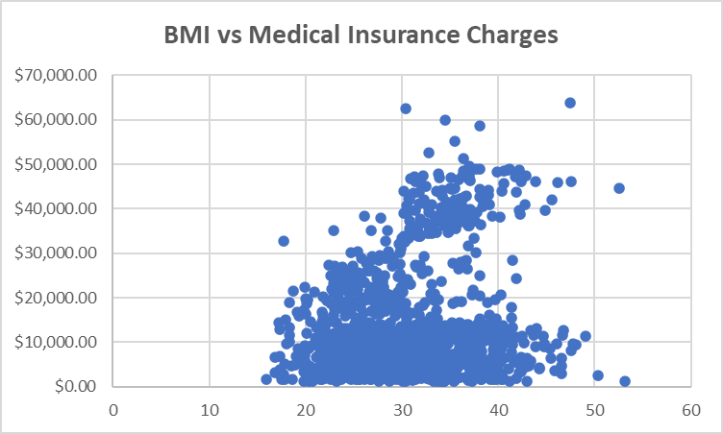
 | medical_insurance_charges
20.79 | $1,607.51
24.09 | $2,201.10
24.7 | $1,737.38
24.51 | $2,709.11
22.515 | $2,117.34
23.4 | $2,913.57
24.605 | $2,709.24
18.6 | $1,728.90
20.6 | $1,731.68
21.89 | $3,180.51
22.135 | $2,585.85
24.3 | $2,150.47
23.18 | $2,731.91
20.235 | $2,527.82
21.28 | $4,296.27
23.18 | $14,426.07
24.225 | $22,395.74
23.21 | $25,081.77
22.6 | $2,457.50
24.225 | $2,842.76
23.465 | $3,206.49
24.3 | $4,391.65
22.515 | $3,594.17
20.8 | $3,208.79
22.61 | $3,176.82
19.8 | $3,378.91
22.23 | $3,176.29
23.21 | $3,561.89
24.1 | $2,974.13
21.47 | $3,353.47
24.32 | $23,288.93
23.845 | $4,719.74
20.235 | $4,906.41
24.6 | $4,529.48
22.895 | $4,719.52
19.95 | $5,693.43
21.945 | $4,718.20
23.6 | $4,931.65
21.755 | $4,134.08
23.65 | $17,626.24
20.52 | $4,544.23
22.135 | $5,354.07
24.31 | $4,185.10
18.5 | $4,766.02
19 | $6,753.04
23.56 | $4,992.38
23.465 | $6,402.29
19.855 | $5,458.05
22.135 | $7,228.22
23.37 | $6,686.43
...
 |  |  |  | What do you observe about the Scatter Plot to the left?
 |  |  |  | 1 | Represented QUANTATIVE data has normal assymetry (very closer).
 |  |  |  | 2 | Data shows depending between BMI and MIC
 |  |  |  | 3 | There are no statistical outlets
 |  |  |  | 4 | More than 60% of patients pay less than 20K MIC (average near 10-12K)
 |  |  |  | 5 | Higest MIC has people with BMI betwee 30 and 50 (less than 0.3%)
 |  |  |  | 6 | People with BMI less 30 have MIC less than 30K (outlets less 0.3%)
 |  |  |  | 7 | Average MIC is 12K
 |  |  |  | 8 | Range = 40 point of BMI, Median in 30(32), IRQ = 9(10)
 |  |  |  | 9 | Data is multiMODA
 |  |  |  | 10 | Linear regression is abcence (almost) no connection between BMI and MIC
 |  |  |  | 11 | There is a point to use WIGHTED average
 |  |  |  | 12 | Standart deviation is near 7(8)
 |  |  |  | 13 | Dispersion is lower
 |  |  |  | 14 | "Three kinds of deseption…. Little lie, Big lie and Statistic… " AI-Kindi 801-873 years
 |  |  |  | 15
 |  |  |  | 16

Now you might conclude drawing any strong conclusions is challenging due to the granularity of the data.
Let's introduce some additional categories to make visualizing these trends a bit easier.
Let's break this down by reclassifying the BMI data into different categories.

The CDC provides the following BMI breakdowns:
BMI <= 18.5: Underweight
BMI greater than 18.5 and less than or equal to 24.9: Healthy
BMI greater 24.9 and less than or equal to 29.9: Slightly Overweight
BMI greater than 29.9 or higher: Overweight

Q2A. Create a new column titled BMI_Categorisation in the FamInsureCo dataset that categories the BMI Column using the criteria listed above.
Hint: You'll have to use the IFS Clause to help you with creating this new column e.g. = IFS(Some_Criteria,"Outcome A", Some_Other_Criteria, "Outcome_B"…)

Q2B. Using the BMI_Categorization column you've made, complete the table below. Upon completion of this table, create a Scatter Plot showcasing the total # of individuals per BMI_Categorization versus the Average Medical Insurance Charges. Please ensure you have the Y-Axis set to medical_insurance_charges and the X-Axis set to the total # of individuals per BMI_Categorization.
Hint: Think about how you can use COUNTIFS to get the Total # of Individuals per weight classification in your BMI_Categorization column!
Note: We've included an example for you so you'll know what to expect when you create your visualisation!
Place your chart below here!

 |  | Underweight | Healthy | Slightly Overweight | Overweight
 | Total # of Individuals | 21.00 | 221.00 | 380.00 | 716.00 | 1,338.00 | 1338 | TRUE
 | Average Medical Insurance Charges | $8,657.62 | $10,404.90 | $11,006.81 | $15,491.54 | $11,390.22 | 13270.422265 | Looks like the tru

Total # Individuals per BMI categorization versus Avg. Medical charges
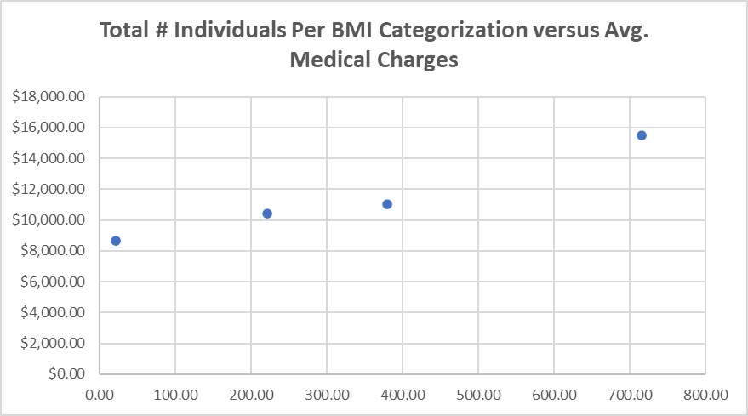

What if we were to dive one level deeper as part of our Micro Analysis and include Smoking Status into the mix? Do we see any observable shift in the relationship between Medical Charges, Smoking Status and BMI? Let's take a look!
Q3. Create a scatter plot highlighting the Medical Insurance Charge and BMI, when Smoking Status = Yes.
What do you observe?
Note: We've created the Scatter Plot for you when Smoking = No, to help you get started!
BMI vs Medical Insurance Charge (Smoking Status = No ) |  |  |  | BMI vs Medical Insurance Charge (Smoking Status = Yes )
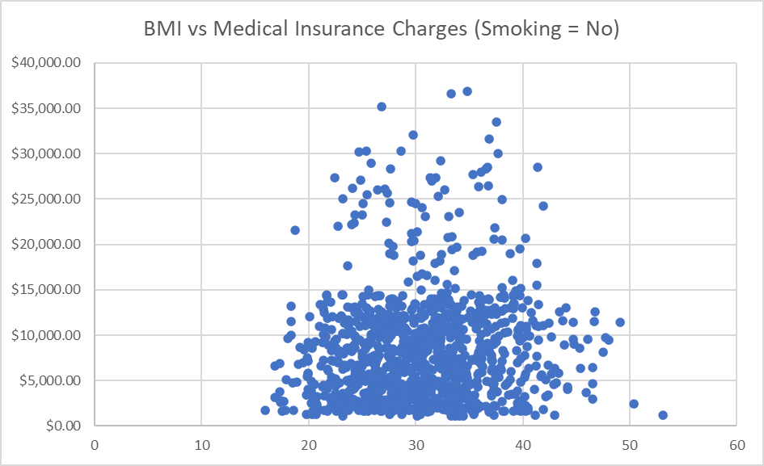
BMI vs MIC (Smoking = Yes)
 | medical_insurance_charges
21.7 | $13,844.51
22.6 | $18,608.26
24.6 | $17,496.31
21.8 | $20,167.34
19.3 | $15,820.70
24.4 | $18,259.22
34.8 | $39,836.52
31.3 | $47,291.06
37.7 | $48,824.45
32.2 | $47,305.31
31.4 | $34,838.87
33.8 | $47,928.03
33.5 | $37,079.37
47.6 | $46,113.51
31.4 | $34,166.27
34.6 | $41,661.60
30.2 | $33,900.65
34.7 | $36,397.58
35.3 | $36,837.47
36.3 | $38,711.00
35.6 | $35,585.58
36.4 | $51,194.56
39.9 | $48,173.36
34.8 | $34,779.62
34.2 | $42,856.84
30.8 | $35,491.64
32.9 | $36,085.22
30 | $22,144.03
34.4 | $36,197.70
37.8 | $39,241.44
34.1 | $40,182.25
35.3 | $40,103.89
35.5 | $44,585.46
30.2 | $38,998.55
32.7 | $34,472.84
30.9 | $39,727.61
32.8 | $52,590.83
33.4 | $38,415.47
36.3 | $47,403.88
39.4 | $38,344.57
34.9 | $34,828.65
27.9 | $16,884.92
28.3 | $17,081.08
27.6 | $24,520.26
26.7 | $22,478.60
28 | $23,568.27
27.7 | $16,297.85
25.1 | $25,382.30
25.7 | $17,942.11
28.3 | $21,082.16
...
Smokers age vs MIC (Smoking = Yes)
 | medical_insurance_charges
19 | $13,844.51
36 | $18,608.26
32 | $17,496.31
20 | $20,167.34
38 | $15,820.70
30 | $18,259.22
37 | $39,836.52
64 | $47,291.06
63 | $48,824.45
63 | $47,305.31
27 | $34,838.87
64 | $47,928.03
33 | $37,079.37
37 | $46,113.51
23 | $34,166.27
46 | $41,661.60
25 | $33,900.65
19 | $36,397.58
30 | $36,837.47
31 | $38,711.00
22 | $35,585.58
28 | $51,194.56
60 | $48,173.36
19 | $34,779.62
50 | $42,856.84
34 | $35,491.64
26 | $36,085.22
42 | $22,144.03
29 | $36,197.70
30 | $39,241.44
37 | $40,182.25
39 | $40,103.89
29 | $44,585.46
44 | $38,998.55
24 | $34,472.84
49 | $39,727.61
60 | $52,590.83
36 | $38,415.47
61 | $47,403.88
20 | $38,344.57
19 | $34,828.65
19 | $16,884.92
19 | $17,081.08
50 | $24,520.26
43 | $22,478.60
48 | $23,568.27
19 | $16,297.85
54 | $25,382.30
21 | $17,942.11
39 | $21,082.16
...
 |  |  |  |  |  |  |  |  | smoking | Yes | 1

Q4. Create two histogram distributions using the Medical Insurance Data, filtered on Smoker = Yes and Smoker = No. Ensure you set the Bin Width to $5,000 for both Histograms.
Comparing the two histogram distributions - what do you observe in relation to medical charges?
Note: Don't forget that you'll need to filter the data in the FamInsureCo Dataset before creating your Histogram. Once you've filtered the data, don't forget to paste your Histogram as an image so your chart won't change when you modify your filter.
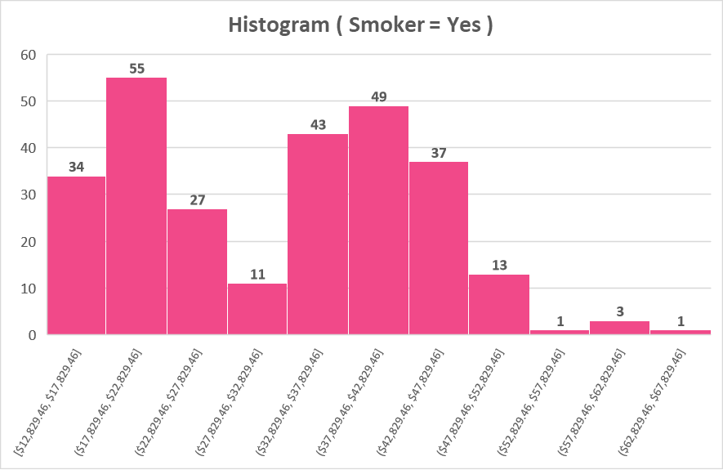

Now it appears that there is a clear pricing difference between individuals who smoke and invididuals who don't.
Could it be that the older we get, the higher our insurance charges? This could make sense, but let's verify this with our data to confirm whether or not this is valid!
Q5A. Create a new column called Age_Classification which classifies the Age Column based off the following criteria
18 - 25 = Young Adult
26 - 35 = Adult
36 - 59 = Mature Age Adult
>=60 | Senior

Q5B. Complete the table below and create a Stacked Column Chart showing the Average Medical Insurance Charges per Age Group. What do you observe?
Note: We've included an example for you so you'll know what to expect when you create your visualisation!

 | Age Grouping | Young Adult | Adult | Mature Age Adult | Senior
 | Avg. Medical Insurance Charges | $9,087.02 | $10,495.16 | $14,984.95 | $21,248.02
 | Avg. Medical Insurance Charges (Smoking = Yes ) | $27,933.56 | $28,281.65 | $34,010.17 | $40,630.70
 | Avg. Medical Insurance Charges (Smoking = No) | $4,003.92 | $5,796.84 | $10,410.19 | $15,232.71
Age profile vs Smoking vs MIC
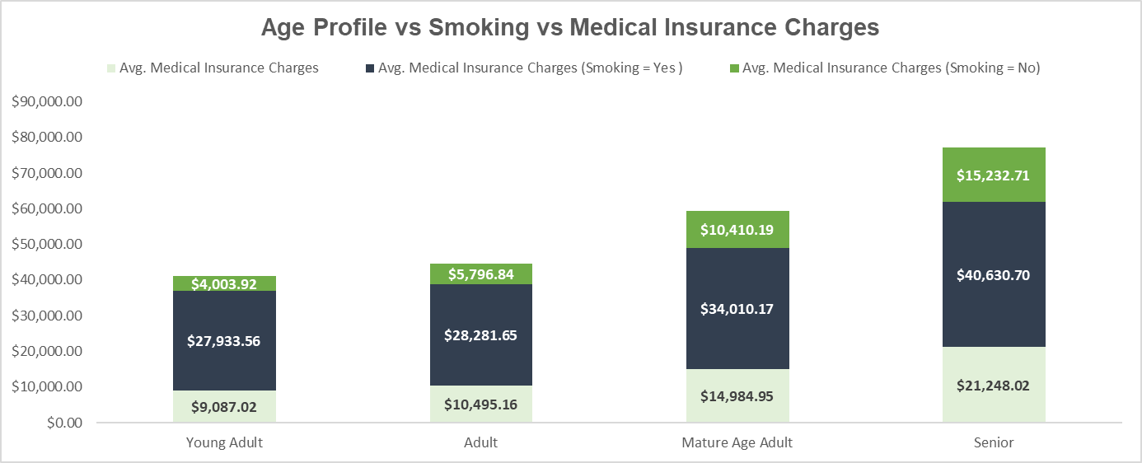

Now we can clearly see there appears to be some very apparent visual trends regarding expenditures, smoking status and age.
However, what about the individuals biological marker? Does there appear to be any noticeable differences between Male and Female medical expenditures?

Q6. Complete the table below showcasing the Average Medical Insurance Charges for Males and Females, inclusive of their Smoker Status.

 | Biological Marker | Smoker Status = Yes | Smoker Status = No
 | Male Medical Insurance Charges | $30,679.00 | $8,762.30
 | Female Medical Insurance Charges | $33,042.01 | $8,087.20 | We will drink, but do not quit smoking!

And that's a wrap! Well done on getting through the Basics of descriptive statistics! Now back to the course and onto Intermediate Statistics!

Intermediate Desc. Statistics
Descriptive Statistics Analysis - Part II
We've introduced you now to the concepts of intermediate statistics.
Often in our data analysis, we need to move beyond simple statistics covering mean, mode, median and histograms and dive a bit deeper in our analysis.

Using our previous Walmart example, say we've identified the average sales on the weekends versus weekdays and we've created a histogram showing the overall distribution of sales.
What if we want to understand just how distributed the data is via the quartiles, or to view how much variability in sales exist for a specific day?
Lastly, what about if we want to examine the relationship between sales and the discounts provided?

Well, to answer those questions we'd seek to use quartiles, box plots and correlation analyses to better understand how we could answer these questions!
With that in mind, let's get started!

Previously we observed the overall distribution of medical insurance charges via a Histogram.
While this helped us understand how medical charges were distributed - we don't have a hard metric regarding just how dispersed the medical insurance charges are.
Wouldn't it be nice if we had a method to split our medical insurance into 4 neat quartiles, to help us better understand just how distributed our data is?
That's exactly what we'll do in this question!
Q7. Using the quartile function you've learned about previously, calculate the 25th, 50th, 75th and 100th percentile for medical insurance charges.
After completing the quartile calculations, calculate the Interquartile Range (3rd Quartile - 1st Quartile).
Note: We use the phrase quartile and percentile interchangeably. Use the Quartile() function to answer this question.
 | Percentile | 25 | 50 | 75 | 100
 |  | $4,740.29 | $9,382.03 | $16,639.91 | $63,770.43 | $1,121.87 | min
 |  |  |  |  |  | $63,770.43 | max
 | Interquantile Range | $11,899.63 |  |  |  | $13,270.42 | average

Having now calculated the Interquartile Range, we have a better idea regarding how distributed the values are in our Medical Insurance Charges dataset.
You might have recalled that we previously covered Box and Whisker Plots that enable us to see how the data is distributed based off quartiles.
We've identified that smoking status, age and gender all seem to impact medical insurance charges to an extent.
We haven't yet explored regions - so we'll look at this next with a box plot.
Q8. Create a box plot using the Medical Insurance Charges and the Regions column, showing how costs are distributed across different living regions.
Note: We've included an example of what your box and whisker plot should look like below!
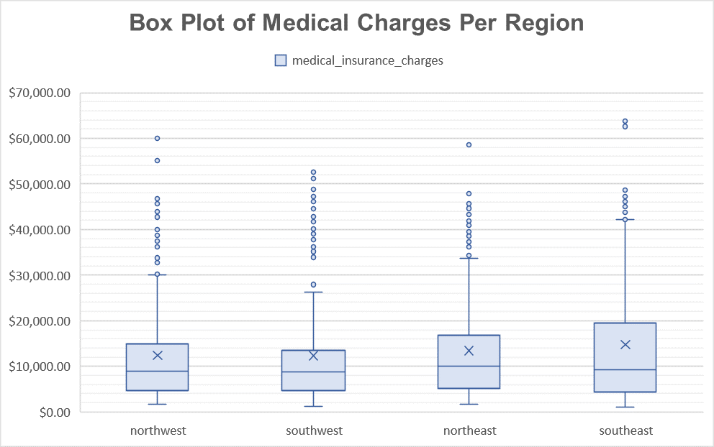

Observing our Box Plots, we don't see any particular changes with respect to Median Medical Charges.
How about if we filter on Smoking Status? Do we see any substantial changes here?
Q9. Create 2 Box Plots where Smoking Status = Yes and Smoking Status = No, using the Region and Medical Insurance Charges Columns. Does there appear to be a difference in costs regarding geography?
Note: We've included an example for you so you'll know what to expect when you create your visualisation!
 | Place your chart below here (Smoking = No ) |  |  |  | Place your chart below here (Smoking = Yes )

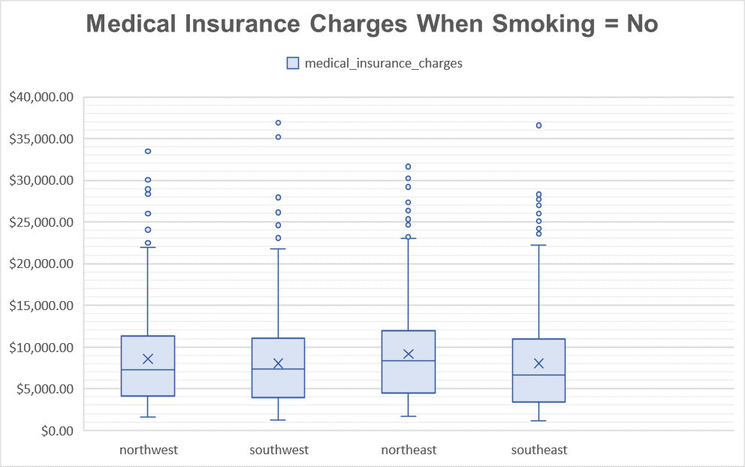

It seems that the prevalence of smoking seems to be quite a substantial factor when taking into lifestyle factors.
Whilst we might be tempted to discount looking at gender, we haven't looked at the medical insurance charges of males/females who smoke. Let's investigate!
Q10. Create two box plots using the Medical Insurance Column and the Sex Column. Please filter your Box Plots to account for the periods where the Smoking Status = Yes or the Smoking Status = No. From your box plots, what do you observe?
Note: We've included an example for you so you'll know what to expect when you create your visualisation!
 | Place your chart below here (Smoking = No ) |  |  |  | Place your chart below here (Smoking = Yes )

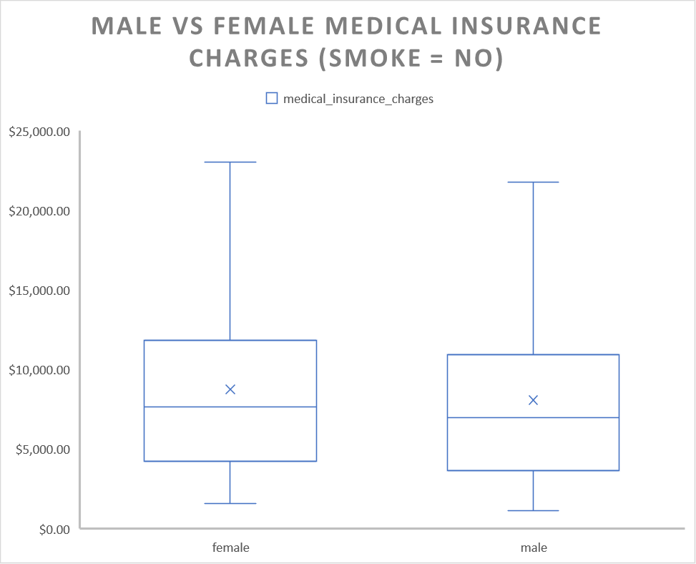

Great job so far! We're now ready to move onto the last part of our assignment - correlations!
We know that correlation helps us understand the relationship between two variables and whether they share a linear relationship or not.
Here we've noted age, BMI classification and regions - all might be related to our medical insurance charges.
Q11. Using the CORREL() function, calculate the Correlation Value using the BMI and Medical Insurance Columns.
Note: If you're stuck, please reference this link: https://support.microsoft.com/en-us/office/correl-function-995dcef7-0c0a-4bed-a3fb-239d7b68ca92
What do you observe from the Correlation Value?
Fill in the Correlation ( R ) value below
 |  | BMI
 | Medical Insurance Charges | 0.20 | correlation is positive, but closer to no-correlation data

Now you might be surprised. Previously we thought we saw some clear relationships between BMI and Medical Insurance Charges.
Again, our R Value is a reflection of the linear relationship between medical charges and BMI. We have lots of noise in our data.
We've already prepared the data for you in the FamInsureCo Int Stats Data Tab, so there's no conversions you need to do.
Q12. Using the CORREL() function, fill out the Corrrelation Table below.
Fill in the Correlation ( R ) value below

 |  | BMI | BMI_Healthy | BMI_Overweight | BMI_Slightly_Overweight | BMI_Underweight
 | Medical Insurance Charges | 0.20 | -0.11 | 0.20 | -0.12 | -0.04

Now you've probably observed that since we've converted some of our textual categories, to numerical columns, we can now calculate some additional correlations.
This is what we've done for our remaining textual columns where we've done all the categorical conversions for you!
Q13. Using the CORREL() function, fill out the Correlation Table below.
Fill in the Correlation ( R ) value below

 |  | age | bmi | BMI_Healthy | BMI_Overweight | BMI_Slightly_Overweight | BMI_Underweight | Biological Marker | Smoker | southeast | southwest | northwest | northeast | Young Adult | Adult | Mature Age Adult | Senior
 | Medical Insurance Charges | 0.30 | 0.20 | -0.11 | 0.20 | -0.12 | -0.04 | 0.06 | 0.79 | 0.07 | -0.04 | -0.04 | 0.01 | -0.19 | -0.11 | 0.14 | 0.20

Now that we've got our correlation values calculated against our Medical Insurance Variable. Let's visualise this in an organised manner with a Bar Chart sorting the correlation values in descending order!
Q14. Using the Correlation Table you created in Q14, create a Correlated Bar Plot, with the Correlation Values organised in descending order.
 | R value | Correlation R value to MCI | type of correlation
 |  |  |  | correlation | strong positive | 0.75
Correlation between many parameters and MCI
 | Smoker | 0.79 | strong positive |  | medium positive | 0.5
 | age | 0.30 | weak positive |  | weak positive | 0.1
 | Senior | 0.20 | weak positive |  | absence | 0.01
 | bmi | 0.20 | weak positive |  | strong negative | -0.75
 | BMI_Overweight | 0.20 | weak positive |  | medium negative | -0.5
 | Mature Age Adult | 0.14 | weak positive |  | weak negative | -0.1
 | southeast | 0.07 | absence |  | absence | -0.01
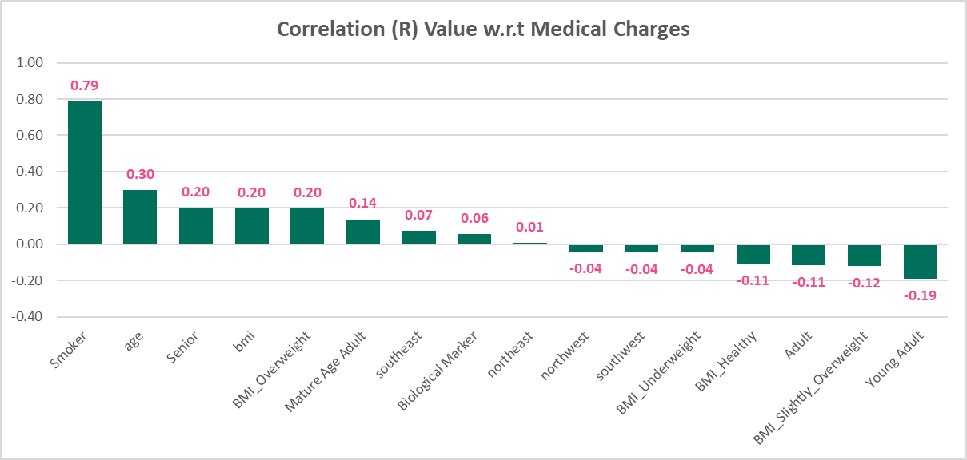
 | Gender | 0.06 | absence
 | northeast | 0.01 | absence
 | northwest | -0.04 | weak negative
 | southwest | -0.04 | weak negative
 | BMI_Underweight | -0.04 | weak negative
 | BMI_Healthy | -0.11 | medium negative
 | Adult | -0.11 | medium negative
 | BMI_Slightly_Overweight | -0.12 | medium negative
 | Young Adult | -0.19 | medium negative

And that's a wrap! We've now covered both basic and intermediate statistics! Let's pull together the visualizations you've created into the presentation template and close out this analysis! Well done!

