Services
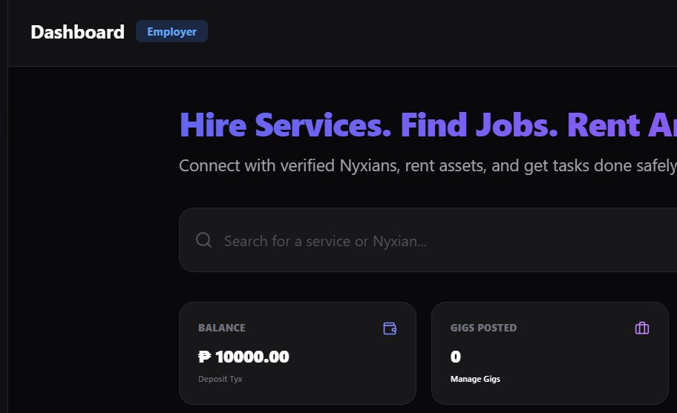

Funds | Employer | Should be |  | Nyxian | Nyxian Paid Fees to platform only 1% | Should be 3%
Beg. Balance | 10,000.00 | 10,000.00 |  | 10,000.00
Transaction 1: Service Posting | -1,000.00 | -1,100.00 | Credited to Nyxian | 990.00 | 10 | 30.00
Transaction 2: Service Posting | -2,000.00 | -2,200.00 | Credited to Nyxian | 1,980.00 | 20 | 60.00
Transaction 3: Service Posting | -5,000.00 | -5,500.00 | Credited to Nyxian | 4,950.00 | 50 | 150.00
Transaction 4: Service Posting | -1,000.00 | -1,100.00 | Credited to Nyxian | 990.00 | 10 | 30.00
Total Remaining Balance | 1,000.00 | 100.00 | Current Wallet Balance | 18,910.00 | 90 | 270.00
Current Wallet Balance |  | 1,180.00 | Reflected total earned | 8,730.00
Difference (Unknown amount added) |  | 1,080.00 | Should be reflected | 18,730.00
 |  |  | Difference | -180.00

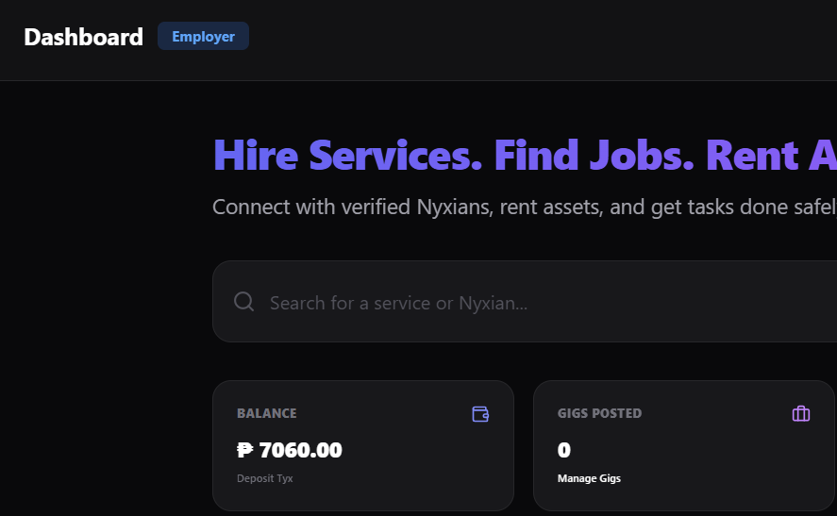
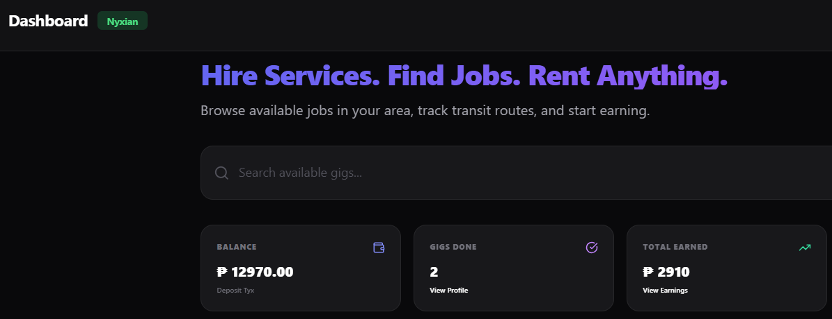
Income Stream | Rate |  | Base Amount
Transaction Fees | 7% |  | Agreed Job Rate | Deducted only when job is successfully completed |  |  | 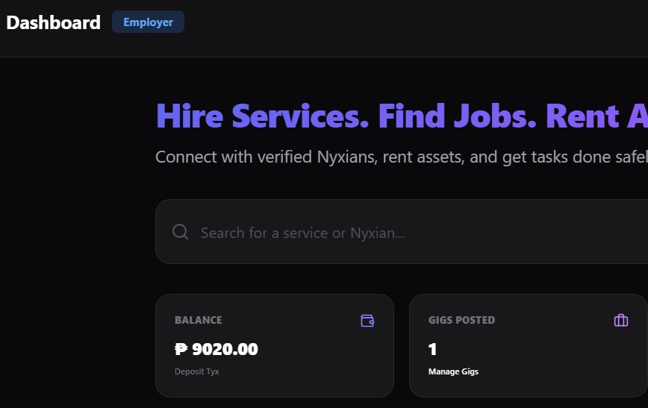 | 
Convenience Fees | 3% |  | Agreed Job Rate | Deducted only when job is successfully completed
Commission Fees | 3% |  | Amount paid to worker
Subscription Fees

Should be Breakdown Sample when transaction details is viewed:
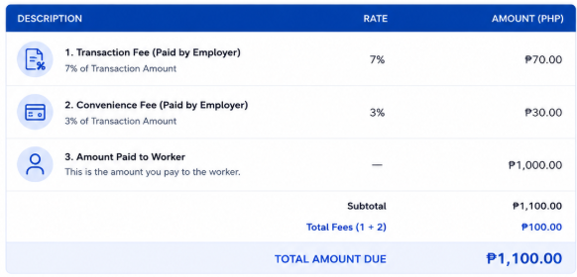

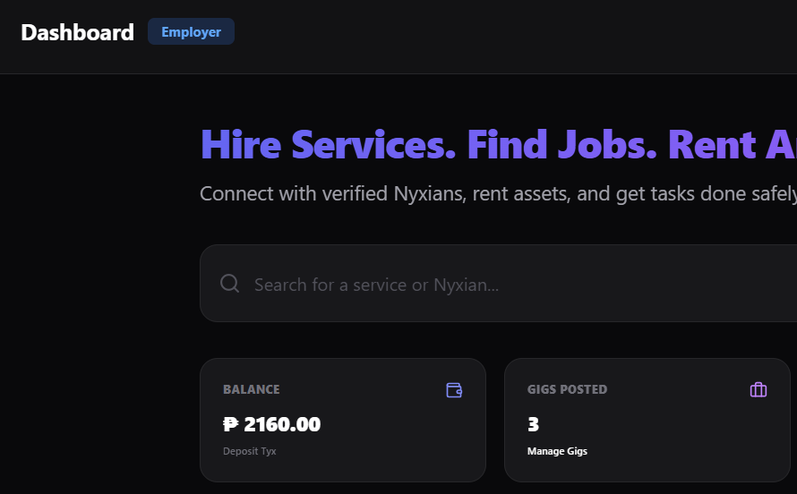
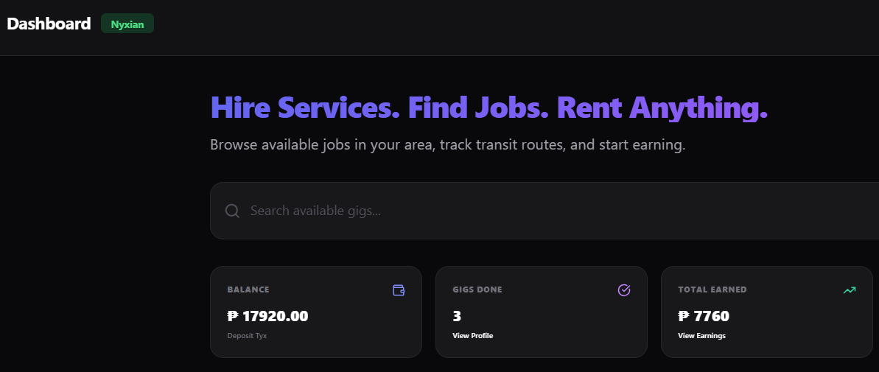



Notes:

In the Employer wallet, the amount for transaction and convenience fees are not deducted and there is an unknown amount that keeps adding to the wallet balance.
We need to modify the Employer Transaction fees to 7% plus Convenience fees of 3%, and both should only be deducted for successful transactions.
After the above two updates are made, the wallet balance should now reflect the correct balance.
In the Nyxian wallet,1% is immediately deducted to the wallet balance, this should not be the case. We should deduct 3% commission fees and reflect it as well in the details breakdown
The commission fees we need to impose is 3%,e.g for a 2000 transaction to be paid to worker, the Nyxian will receive 1940, while the 60 should go to the company funds

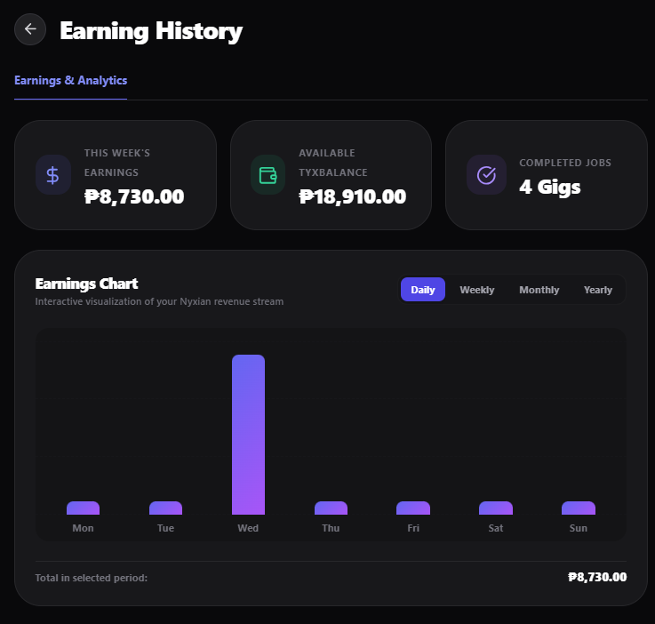
Additional notes:
When payment is made, suddenly session expires twice before your successful payment. After 2nd login in, that's rating window pop out.
Employer to Nyxian rating not working immediately, only when closed then opened again
We should be able to monitor all fees coming from Employer and Nyxian to the company funds ( example: for the 4 transactions made above, the total fees paid by employer was 900 while the jobseeker paid 270, total company income we should be able to see in the admin side should be 1,170

