1. Title Page
[Grocery Basket Analysis]

Project Name: Career Foundry Achievement 4
Date: July 20 2023
Analyst Name: Terrence Martin

Contents:
Population Flow
Consistency checks
Wrangling steps
Column derivations
Visualizations
Recommendations

Data:
“The Instacart Online Grocery Shopping Dataset 2017”, Accessed from www.instacart.com/datasets/grocery-shopping-2017 via Kaggle on June 15, 2023.

2. Population Flow
Title page

Population flow

Exclusion flag
Condition: max_order < 5
Obervations to be removed: 2,233,024
Final total count of order_products_all: 30,166,708

Orders_products_combined
Orders_products_merged
Orders_products_all

Total: 32,404,859
Total: 32,434,489
Total: 32,399,732

1.) The grey boxes in the first row of the population flow represent the original data sets as they were when you downloaded them. In the Total fields you need to add the count of the rows when you imported the data set into Jupyter.
2.) The second row of boxes (coloured) represents the data sets after you manipulated them, e.g., removed missing values and duplicates. In the Total fields you need to add the count of the rows after conducting these operations. This offers a visual oveview of how the data flows throughout the data consistency checks.
3.) The third row, where also the arrows are coloured, represents the merges you performed between the datasets. In the Total fields you need to add the count of the rows in the merged datasets, so that you end up with the final dataset (in the red box). Keep in mind the final dataset should be without exclusions (based on the exclusion flag).

3. Consistency checks
 |  |  |  | Title page
Consistency checks

Dataset | Missing values | Missing values treatment | Duplicates
orders | 206,209 from D.S.P.O. | Ignored | N/A
products | 16 from product name | Filtered | 5
orders_products_prior | N/A | N/A | N/A
customers | 11,259 from First Name | Ignored | N/A

4. Wrangling steps
 |  |  |  | Title page
Wrangling steps

Columns dropped | Columns renamed | Columns' type changed | Comment/Reason
eval_set |  |  | Irrelevant
_merge |  |  | Merging
 | order_dow to Weekday |  | Readability
 | Surname to Last Name |  | Readability
 | STATE to State |  | Readability
 | n_dependants to Dependants |  | Readability

5. Column derivations
 |  |  |  | Title page

Column derivations and aggregations

this tab you should add tables below that the frequences of flags/label variables that you produced after deriving them. NB: don't do this for continuous variables, only for flags.
Dataset | New column | Column/s it was derived from | Conditions
cst_ord_prd | max_order | order_number | Largest order number
cst_ord_prd | loyalty_flag | max_order | max_order < 10 = new
 |  |  | max_order > 10 but < 40 = regular
 |  |  | max_order > 40 = loyal
cst_ord_prd | region |  | List of regions of the United States - Simple English Wikipedia, the free encyclopedia
cst_ord_prd | profile | Age, Income, Dependants | Age < 35 = young
 |  |  | Age > 35 but < 63 = middle age
 |  |  | Age > 63 = old
 |  |  | Income < 65,000 if young = low income
 |  |  | Income <100,000 if old or middle age = low income
 |  |  | Income > 65,000 if young = high income
 |  |  | Income > 100,000 if old or middle age = high income
 |  |  | Dependants = 0 = no dependants
 |  |  | Dependants > 0 dependants
cst_ord_prd | cfo_interest | max_order | max_order < 5 = False

6. Visualizations
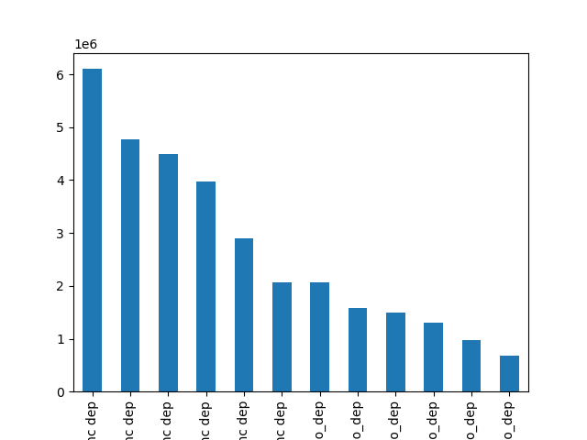
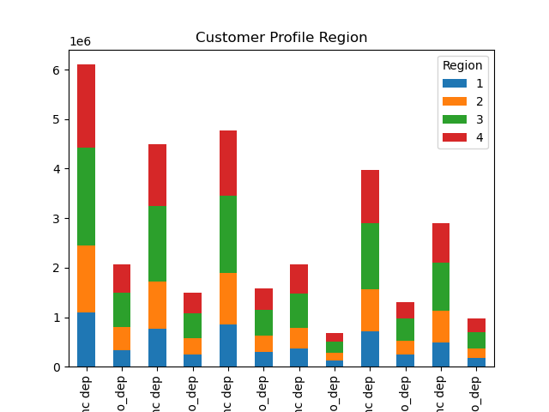
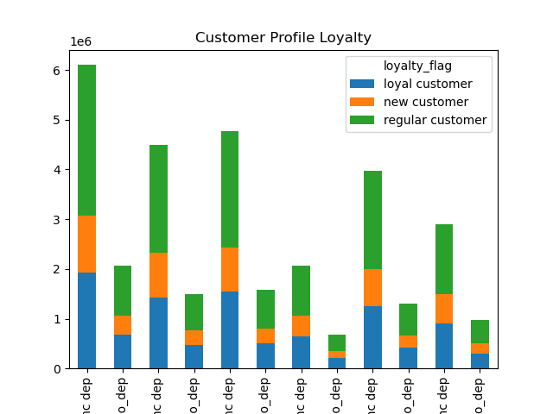
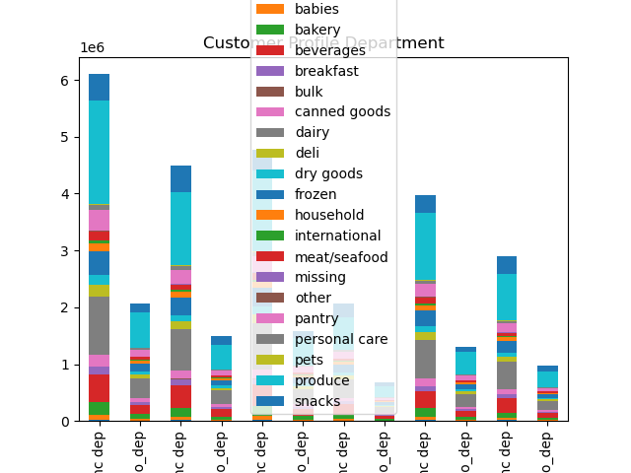
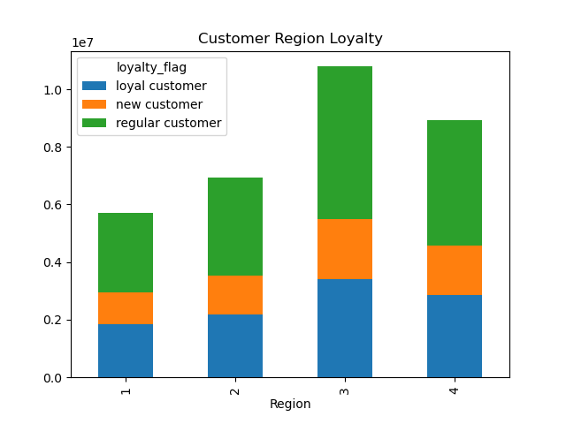
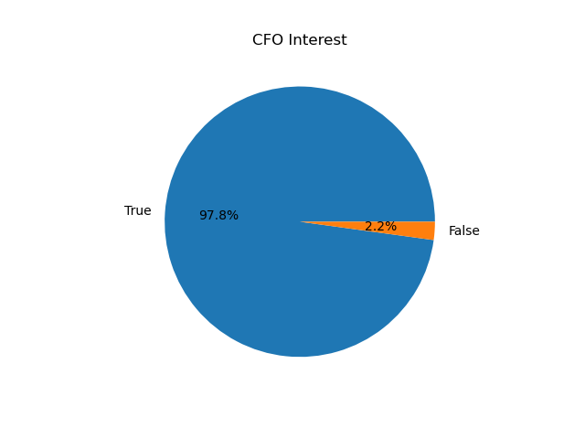
Title page

Visualisations

7. Recommendations
 |  | Title page

Recommendations

Question | Answer
Did any region(s) stand out? | Region 3 was the strongest followed by region 4. The smallest region is half the size of the largest but has as many new customers as any other.
What are the top customer profiles? | Middle aged high income with dependants, old high income with dependants, and middle aged low income with dependents.
Did the profiles show a unique trend. | The largest 6 of 12 profile groups all had dependants.
What percentage of profiles are of CFO interest? | 97.8% of profiles had a max order of 5 or more.
Which customer profiles are most loyal? | Profiles with dependants are the most loyal.
Do department trends alter with profile types? | Dairy products sell more in dependant filled households. Produce sells the best throughout.
Are the regions diverse in customer profiles? | Regions are slightly diverse but with a good mix of all profiles in each.

