Category Statistics
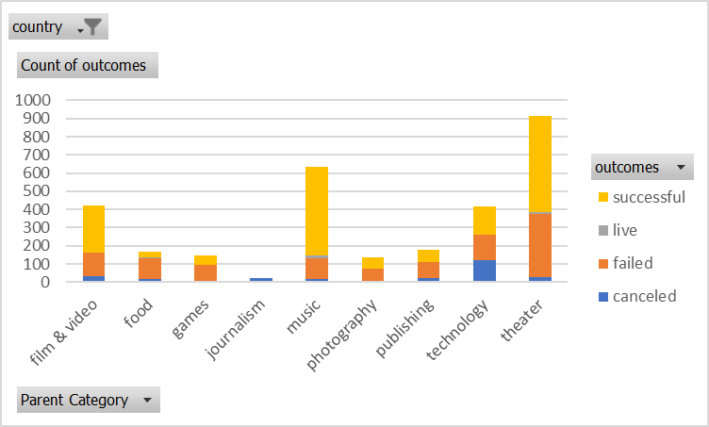
country | US

Count of outcomes | Column Labels
Row Labels | canceled | failed | live | successful | Grand Total
theater | 26 | 349 | 12 | 525 | 912
Grand Total | 26 | 349 | 12 | 525 | 912

Outcomes Bases on Launch Date
Parent Category | technology

Count of outcomes | Column Labels
Row Labels | canceled | failed | successful | Grand Total
Jan | 17 | 23 | 9 | 49
Feb | 13 | 14 | 20 | 47
Mar | 12 | 13 | 17 | 42
Apr | 11 | 7 | 26 | 44
May | 11 | 11 | 14 | 36
Jun | 17 | 22 | 17 | 56
Jul | 18 | 17 | 18 | 53
Aug | 12 | 14 | 18 | 44
Sep | 13 | 24 | 15 | 52
Oct | 12 | 23 | 20 | 55
Nov | 26 | 23 | 24 | 73
Dec | 16 | 22 | 11 | 49
Grand Total | 178 | 213 | 209 | 600

Subcategory Statistics
country | GB
Parent Category | (All)

Count of outcomes | Column Labels
Row Labels | failed | live | successful | Grand Total
plays | 70 | 6 | 238 | 314
Grand Total | 70 | 6 | 238 | 314

