General
Version 0.1.0 / 10.06.2021 / XC-CI1/ECA3-Queckenstedt
Version 0.2.0 / 16.08.2021 / TAG : Selection of rules discussed and confirmed
Version 0.3.0 / 17.08.2021 / XC-CI1/ECA3-Queckenstedt / Maintenance (e.g. considering renamed rules); "Eclipse Integration" sheets recovered
Rules taken by: robocop.exe --list
Legend:
rule proposed to be taken over in ROBFW AIO
rule in opposite to company internal conventions
helpfulness of rule to be clarified
not yet evaluated

Eclipse Integration 1
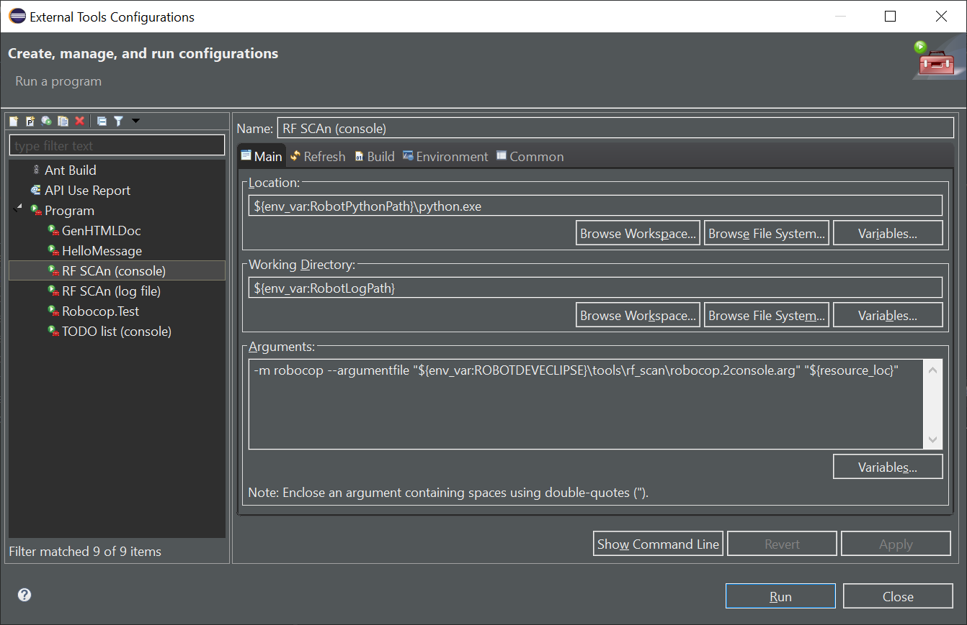
Robocop as External Tool (1/3):
All settings taken from Robocop arg file.
Considered: a subset of useful rules (some rules excluded).
Output written to Eclipse console (but not to any file).
The Robocop input ${resource_loc} can be both: a file and a folder.
(Command line: Windows version)

Eclipse Integration 2
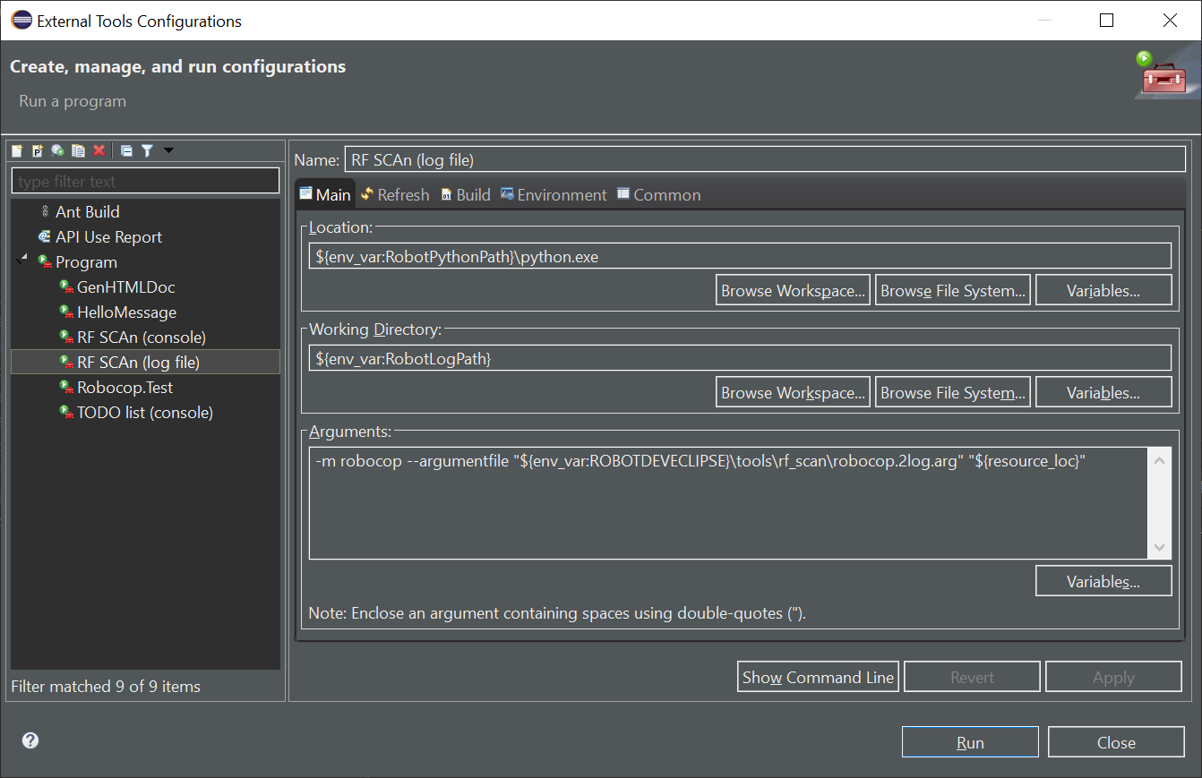
Robocop as External Tool (2/3):
All settings taken from Robocop arg file.
Considered: a subset of useful rules (some rules excluded).
Output written to log file within %RobotLogPath% (but not visible in Eclipse console any more).
The Robocop input ${resource_loc} can be both: a file and a folder.
(Command line: Windows version)
(Windows specific)

Eclipse Integration 3
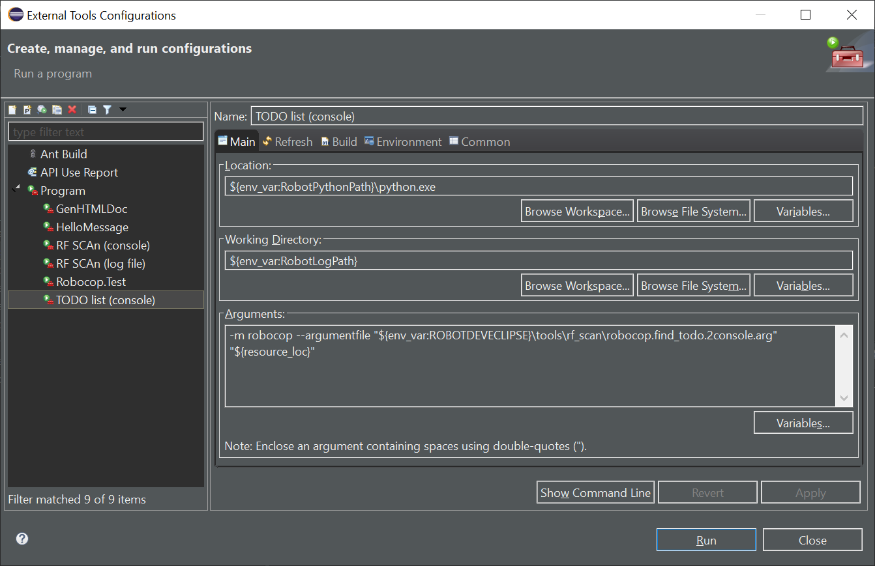
Robocop as External Tool (3/3):
All settings taken from Robocop arg file.
Considered: only rule "todo-in-comment".
Output written to Eclipse console (but not to any file).
The Robocop input ${resource_loc} can be both: a file and a folder.
(Command line: Windows version)
(Windows specific)

