Sheet 1
Table 1
UC# | Description | Is file owned by a Codeowner Group? | Is changes relevant to the Codeowner Group? | Is file included in ignore-files? | no-owner action | force-push-action | ignore-files | Expected Result | Actual Result | Evidence to Actual Result | Link to Workflow Run | PR Link | Notes
1 | Approved reviews are dismissed when changes don’t have a code owner and the no-owner-action setting is set to dismiss-all | No | N/A | No | dismiss-all(default) | dismiss-all(default) | None | Reviews should be dismissed. | 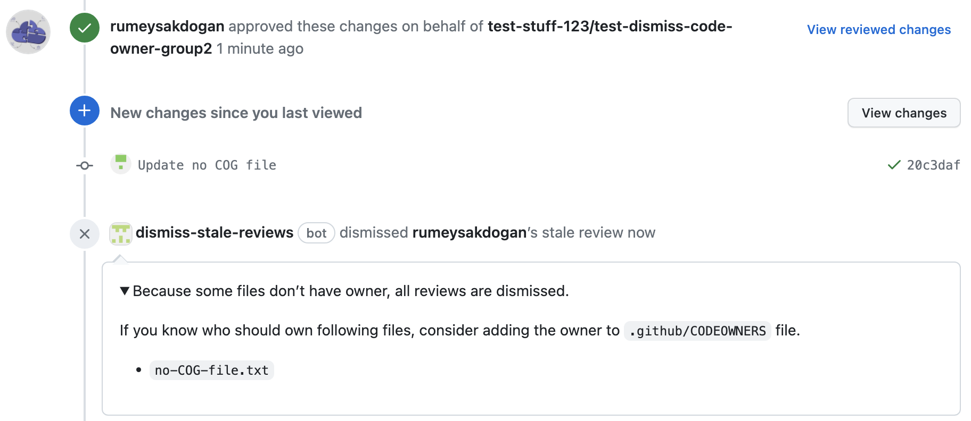 Reviews should be dismissed. |  | https://github.com/test-stuff-123/test-stale-review-action/actions/runs/6352041723/job/17254229039 | https://github.com/test-stuff-123/test-stale-review-action/pull/3
2 | Approved reviews are NOT dismissed when force-pushed changes don’t have a codeowner and the no-owner-action setting is set to dismiss-all | No | N/A | No | dismiss-all(default) | dismiss-none | None | Reviews should NOT be dismissed. | Reviews should NOT be dismissed. |  | https://github.com/test-stuff-123/test-stale-review-action/actions/runs/6352240352/job/17254747625 | https://github.com/test-stuff-123/test-stale-review-action/pull/4 | Force-push-action has higher priority than no-owner-action Log improvement needed!
3 | Approved reviews are NOT dismissed when changes don’t have a code owner and no-owner-action setting is set to dismiss-none | No | N/A | No | dismiss-none | dismiss-all(default) | None | Reviews should NOT be dismissed. | Reviews should NOT be dismissed. |  | https://github.com/test-stuff-123/test-stale-review-action/actions/runs/6352564532/job/17255628402 | https://github.com/test-stuff-123/test-stale-review-action/pull/5
4 | Approved reviews are dismissed when changes don’t have a code owner and no-owner-action setting is set to dismiss-none, changes are force-pushed. | No | N/A | No | dismiss-none | dismiss-all(default) | None | Reviews should be dismissed. | Reviews NOT dismissed. |  | https://github.com/test-stuff-123/test-stale-review-action/actions/runs/6352644266/job/17255903108 | https://github.com/test-stuff-123/test-stale-review-action/pull/6 | Inconsistent behavior we have seen in another test with same steps it dismissed reviews due to force push action set to dismiss-all.
5 | Approved reviews are NOT dismissed when changes don’t have a code owner are force-pushed, both no-owner-action and force-push-action set to dismiss-none | No | N/A | No | dismiss-none | dismiss-none | None | Reviews should NOT be dismissed. | Reviews should NOT be dismissed. |  | https://github.com/test-stuff-123/test-stale-review-action/actions/runs/6352917619/job/17256633112 | https://github.com/test-stuff-123/test-stale-review-action/pull/8 | Log improvement needed!
6 | Approved reviews are dismissed when new changes are relevant to the codeowner that already approved. | Yes | Yes | No | dismiss-all(default) | dismiss-all(default) | None | Reviews should be dismissed. | Reviews should be dismissed. | 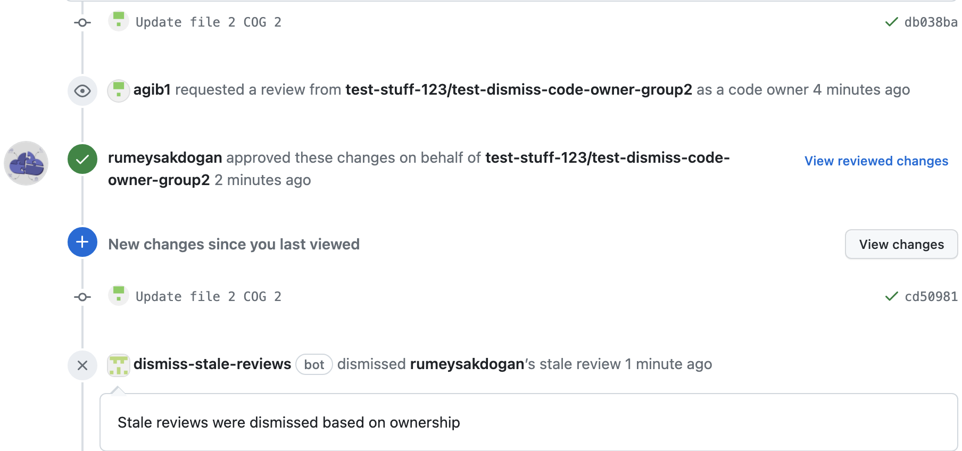 | https://github.com/test-stuff-123/test-stale-review-action/actions/runs/6353188276/job/17257364825 | https://github.com/test-stuff-123/test-stale-review-action/pull/9
7 | Approved reviews are NOT dismissed when new changes are relevant to the codeowner that already approved are force-pushed, force-push-action is set to dismiss-none. | Yes | Yes | No | dismiss-all(default) | dismiss-none | None | Reviews should NOT be dismissed. | Reviews should NOT be dismissed. |  | https://github.com/test-stuff-123/test-stale-review-action/actions/runs/6353279879/job/17257657632 | https://github.com/test-stuff-123/test-stale-review-action/pull/10
8 | Approved reviews are NOT dismissed when new changes have a codeowner but are not relevant to the code owner that already approved. | Yes | No | No | dismiss-all(default) | dismiss-all(default) | None | Reviews should NOT be dismissed. | Reviews should NOT be dismissed. | 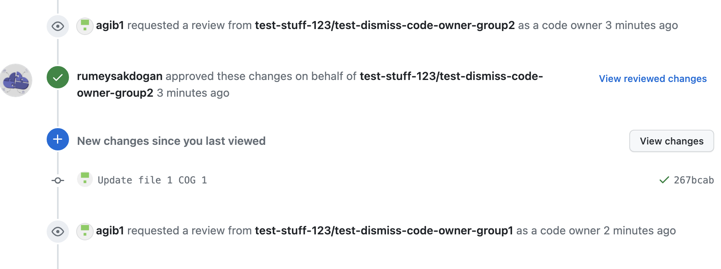 | https://github.com/test-stuff-123/test-stale-review-action/actions/runs/6353327676/job/17257823655 | https://github.com/test-stuff-123/test-stale-review-action/pull/11
9 | All reviews are dismissed when force-push occurs with setting force-push-action=dismiss-all. | Yes | No | No | dismiss-all(default) | dismiss-all(default) | None | Reviews should be dismissed.
10 | Rebasing locally + additional commit should cause dismissal of reviews due-to force-push, force-push-action is set to dismiss-all. | Yes | Yes | N/A | dismiss-all(default) | dismiss-all(default) | None | Reviews should be dismissed. | Reviews should be dismissed. | 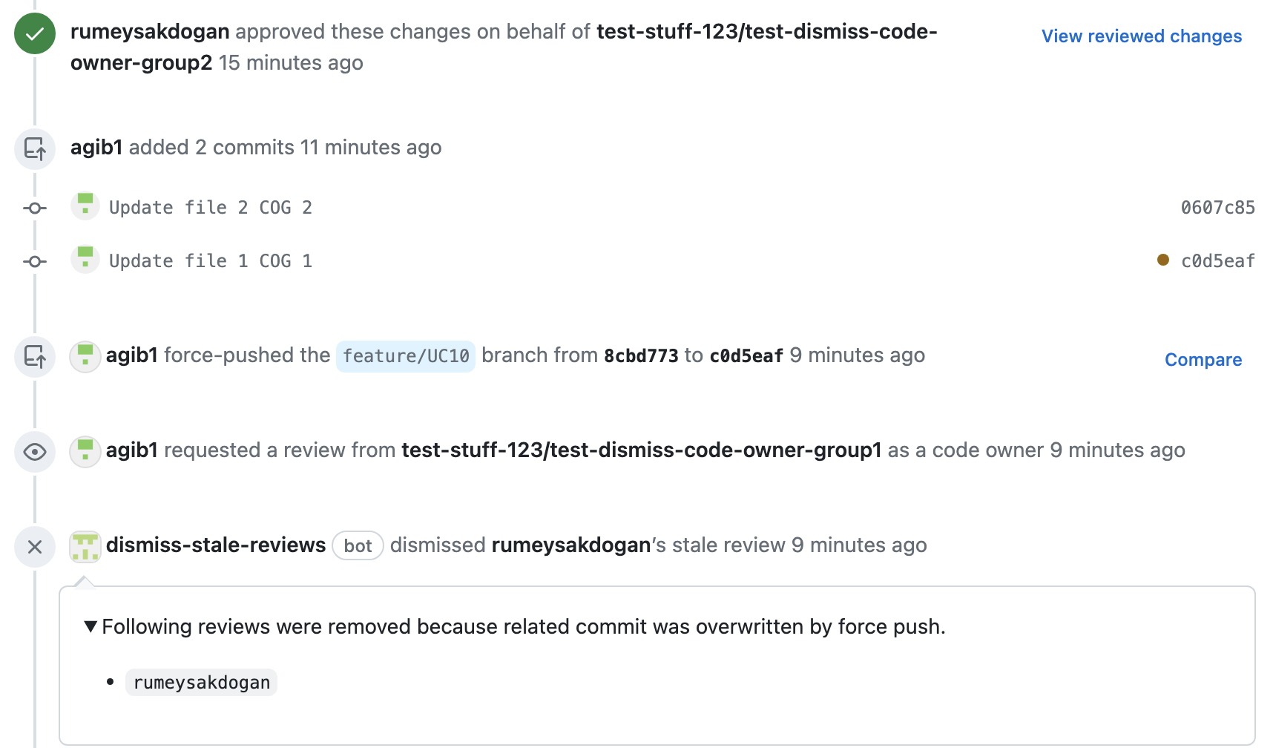 | https://github.com/test-stuff-123/test-stale-review-action/actions/runs/6353992406/job/17259689706 | https://github.com/test-stuff-123/test-stale-review-action/pull/21 | Inconsistency is detected about this behavior.
11 | Updating branch with rebasing option from GitHub GUI should trigger dismissal of reviews. |  |  |  | dismiss-all(default) | dismiss-all(default) | None | Reviews should be dismissed.

