Summary Attributes
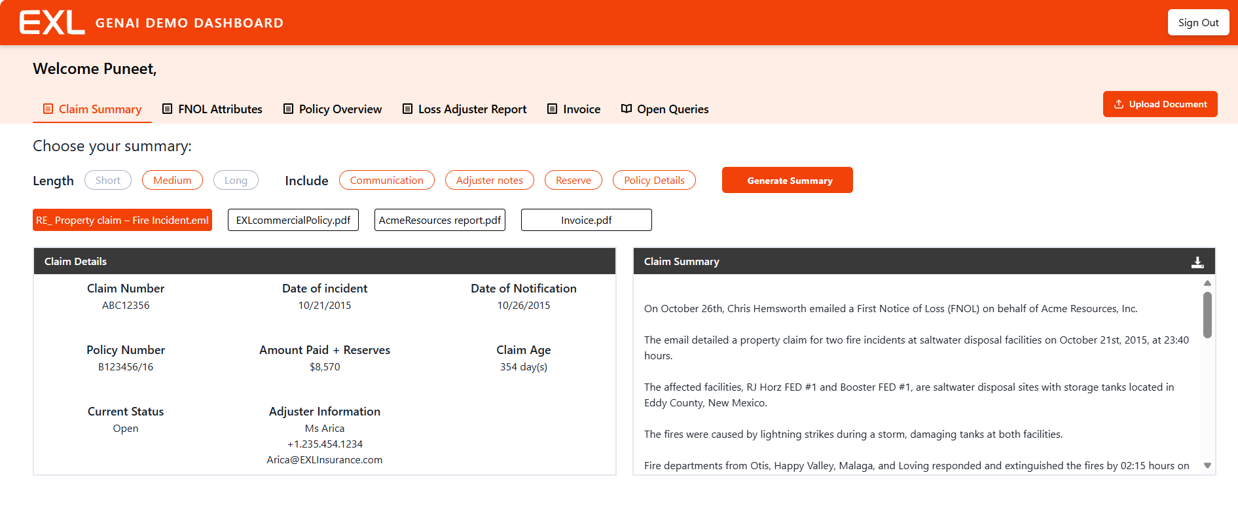
Include | Communication | Adjuster Note | Reserve | Policy Details

Claim Details
Claim Number | ABC12356
Date of Incident | 2015-10-21
Date of Notification | 2015-10-26
Policy Number | B123456/16
Amount Paid + Reserve | $8,570
Claim Age | 354 days
Current State | Open
Adjuster Information | MS Arica +1.235.454.1234 Arica@EXLInsurance.com

On October 26th, Chris Hemsworth emailed a First Notice of Loss (FNOL) on behalf of Acme Resources, Inc. The email detailed a property claim for two fire incidents at saltwater disposal facilities on October 21st, 2015, at 23:40 hours. The affected facilities, RJ Horz FED #1 and Booster FED #1, are saltwater disposal sites with storage tanks located in Eddy County, New Mexico. The fires were caused by lightning strikes during a storm, damaging tanks at both facilities. Fire departments from Otis, Happy Valley, Malaga, and Loving responded and extinguished the fires by 02:15 hours on October 22nd, 2015, approximately 4.5 hours after they started. The policy under review is Policy Number B123456/16 issued by EXL Insurance Company, covering Acme Resources, Inc. from May 2nd, 2015, to May 2nd, 2016, which includes the date of the incident. The property schedule lists insured values of $650,000 each for the RJ Horz FED #1 and Booster FED #1 tank batteries at the time of the loss. Endorsement No. 8 to Section 2 covers extra expenses to continue normal operations for up to 24 months, not exceeding $1,000,000 per occurrence. Endorsement No. 10 to Section 2 covers pollution clean-up, removal, and disposal with a sub-limit of $150,000 per occurrence and annually. The Section 2 deductible is $25,000 per occurrence, not applicable to claims for total loss of a scheduled item. Senter Associates LLC submitted the first investigation report on March 11th, 2016, confirming the extensive damage caused by lightning and fires, as shown in the included photos. The final report, submitted on October 13th, 2016, confirms that repairs at RJ Horz FED #1 were completed and the facility was back online in the first week of June 2016, while the other facility was not repaired for economic reasons. The report details a total claim amount of $2,156,592.91 for both locations, including repair costs, debris removal, and pollution remediation. It re

Invoice
Claim Details |  |  | Assignment Details |  |  | Suppliar Details |  |  | Reserves and Participents |  |  | Invoice Details
Field Name | Field type | Field Value | Field Name | Field type | Field Value | Field Name | Field type | Field Value | Field Name | Field type | Field Value | Field Name | Field type | Field Value
Claimant Name on Invoice | Text | Acme Resources, Inc | Assignment Date | Text | 2016-03-11 | Name | Text | SENTER ASSOCIATES, LLC | Reserve On File | Text | $8,570 | Invoice Number | Text | 1012121
Claim Number on Invoice | Text | B123456/16 | Assignment City | Text | Eddy County | Address | Text | One Corporate Place, 249, Glenridge Park Lane, Albuquerque, NM 87110 | Participant On File | Drop Down | Yes / No | Invoice Date | Text | 2016-10-13
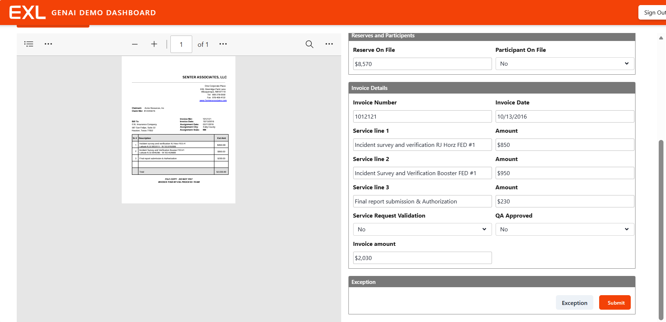
 |  |  |  |  |  |  |  |  |  |  |  | Service line 1 | Text | Incident survey and verification RJ Horz FED #1
 |  |  |  |  |  |  |  |  |  |  |  | Amount | Text | $850
 |  |  |  |  |  |  |  |  |  |  |  | Service line 2 | Text | Incident Survey and Verification Booster FED #1
 |  |  |  |  |  |  |  |  |  |  |  | Amount | Text | $950
 |  |  |  |  |  |  |  |  |  |  |  | Service line 3 | Text | Final report submission & Authorization
 |  |  |  |  |  |  |  |  |  |  |  | Amount | Text | $230
 |  |  |  |  |  |  |  |  |  |  |  | Service Request Validation | Drop Down | Yes / No
 |  |  |  |  |  |  |  |  |  |  |  | QA Approved | Drop Down | Yes / No
 |  |  |  |  |  |  |  |  |  |  |  | Invoice amount | Text | $2,030

