Sheet1
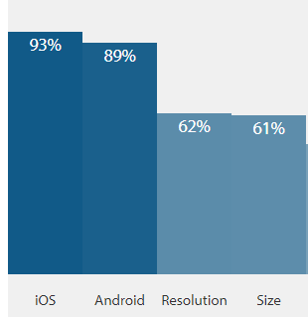
Coverage distribution
Device name | Device Type | OS | OS version | Test Priority | Testing Level | Coverage Matrix
Apple iPhone 8 | Mobile | iOS | 13 | 1 | Functional + Regression
Apple iPhone XR | Mobile | iOS | 12 | 2 | Functional + Regression
Google Pixel 3 | Mobile | Android | 9 | 3 | Functional + Regression
Samsung Galaxy S9 Plus | Mobile | Android | 8 | 4 | Functional + Regression
Samsung Galaxy S8 | Mobile | Android | 7 | 5 | Regression
Apple iPad 6th | Tablet | iOS | 11 | 6 | Regression
Apple iPhone 8 Plus | Mobile | iOS | 12 | 7 | Regression
Apple iPhone 6S | Mobile | iOS | 12 | 8 | Regression
Google Pixel 4 | Mobile | Android | 10 | 9 | Smoke
Huawei P20 Lite | Mobile | Android | 9 | 10 | Smoke
Samsung Galaxy J7 Prime | Mobile | Android | 7 | 11 | Smoke
Samsung Galaxy A8 | Mobile | Android | 7 | 12 | Smoke
Samsung Galaxy J5 Prime | Mobile | Android | 6 | 13 | Smoke
Samsung Galaxy Tab S4 | Tablet | Android | 8 | 14 | Smoke

About the coverage
- Above table gives coverage to: + 93% of iOS devices + 89% of android devices + 62% coverage interms of device resolutions + 61% coverage interms of screen sizes

Notes:
1) Above data collection is from the internet
2) Devices are selected based on parameters such as: - Market share and popularity - OS and OS versions - Screen sizes - Resolutions and Viewports - Manufacturers

3) The number of devices listed here are minimum number of devices where tests should be run for a growing business. These can be varied based on the geographic market presence and need

Inference
Test priority 1 to 4 can be used for functional and regression testing
Test priority 5 to 8 could be the candidates for regression testing
Test priority 8 to 14 could be potential smoke test candidates
The level of testing definition can be reviewed based on organizations goals, release needs (major/minor/enhancements) etc

