Results
ID | Serial | Result | Timestamp | Image 1 | Image 2 | Image 3 | Image 4 | Image 5
2511TL005663ISI | 005663 | fail | 2026-05-25 13:25:51 |  | — | — | — | —
2511TL005663ISI | 005663 | fail | 2026-05-25 13:27:01 |  | — | — | — | —
2511TL000001ISI | 000001 | pass | 2026-05-25 13:27:57 |  | — | — | — | —
2511TL005663ISI | 005663 | pass | 2026-05-25 13:59:01 |  | — | — | — | —
2511TL005663ISI | 005663 | pass | 2026-05-25 14:04:59 |  | — | — | — | —
2511TL000001ISI | 000001 | pass | 2026-05-25 14:07:09 |  | 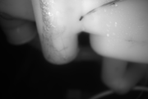 |  |  | —
2511TL005663ISI | 005663 | pass | 2026-05-25 14:10:15 | 
2511TL005663ISI | 005663 | pass | 2026-05-25 14:17:42 | 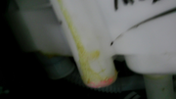
2511TL005663ISI | 005663 | pass | 2026-05-25 14:27:41 | 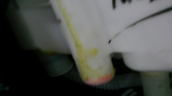 |  |  |  | 
2511TL005663ISI | 005663 | pass | 2026-05-25 14:31:40 |  | 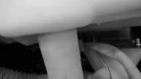 | 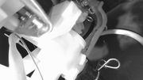 | 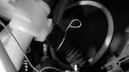 | 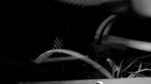
2511TL005663ISI | 005663 | pass | 2026-05-25 15:02:14 |  | 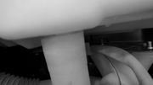 | 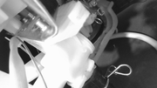 | 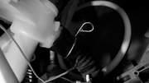
2511TL005663ISI | 005663 | pass | 2026-06-01 10:04:19 |  |  |  | 
2511TL005663ISI | 005663 | pass | 2026-06-01 10:24:16 | 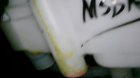 | 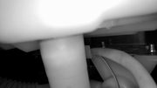 |  | 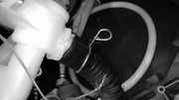 | 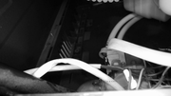
2511TL005663ISI | 005663 | pass | 2026-06-01 10:30:44 | 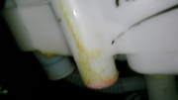 | 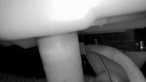 | 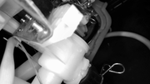 |  | 

