Results
ID | Serial | Result | Timestamp | Image 1 | Image 2 | Image 3
2511TL005663ISI | 005663 | fail | 2026-06-04 09:03:44 | 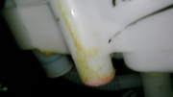 | 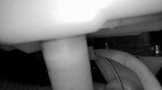 | 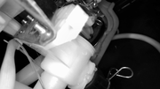
2511TL005663ISI | 005663 | pass | 2026-06-04 09:20:05
2511TL005663ISI | 005663 | pass | 2026-06-04 09:39:57
2511TL005663ISI | 005663 | pass | 2026-06-04 09:41:33
2511TL005663ISI | 005663 | pass | 2026-06-04 11:40:18

