Page1
 | 2023-11-10

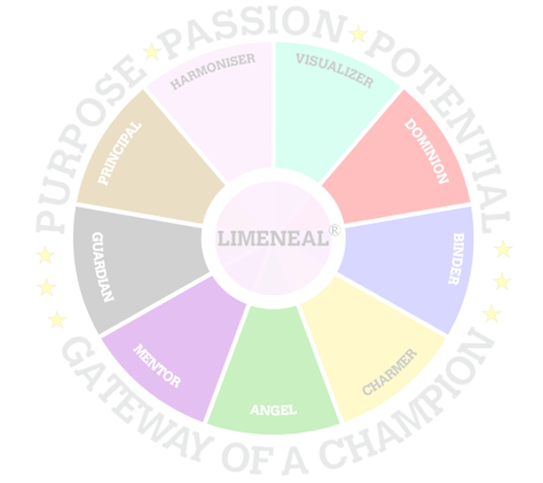



 | Career Fulfilment Report - Level 1 | Purpose




 | Level 1 of the Limeneal Wheel CareerFulfill report provides your Top 3 Limeneal Wheel® Dimensions, driven by your Inclinations and PURPOSE.

 | Level 1 presents 1 career of your preference in alignment to your Purpose.

 | Career Fulfill Wheel Report

Limeneal Wheel Dimensions, Virtues, Traits and the Reports are copyrighted. All Rights Reserved.

