Page1
 | November, 2023

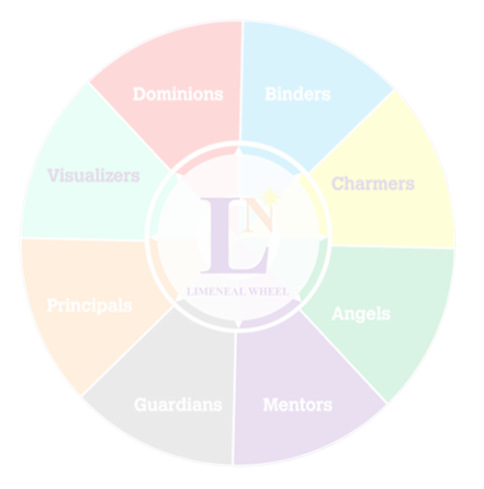


 | Career Fulfilment Report - Level 2 | Purpose + Passion





 | Level 2 of the Limeneal Wheel CareerFulfill report provides your Top 3 Limeneal Wheel® Dimensions, driven by your Inclinations and PASSION.

 | Level 2 presents 1 career of your preference in alignment to your Passion.

 | Career Fulfillment Wheel Report

Limeneal Wheel Dimensions, Virtues, Traits and the Reports are copyrighted. All Rights Reserved.

Page2
 |  |  |  | 0

 | November, 2023

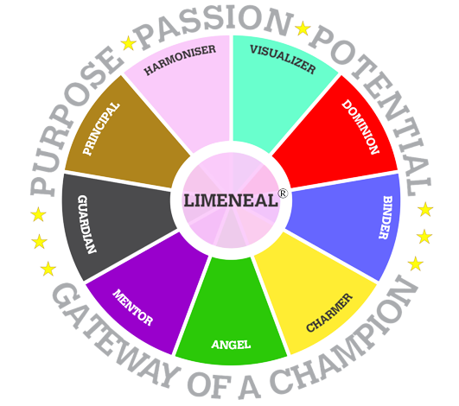
01
 | Limeneal Wheel Model

 |  |  | The Limeneal Wheel tool discovers the intensity of expressions of the 9 dimensions in the wheel in individuals, revealing the individuals’ Purpose, Passion and Potentials, by identifying their Power, Push and Pain Dimensions.

 |  |  |  |  |  |  |  | ®

 | Power Dimensions |  |  |  |  | #REF!
 | Power Dimensions are easily and naturally expressed by the individual and has the highest impact on the outcomes produced.

 |  |  |  |  |  |  | Mentor
 | 1 | 1 | 1 | 1 | 1 | 1 | 4%
 | 1 | 1 | 1 | 1 | 1 | 1 | 96%
 | 1 | 1 | 1 | 1 | 1 | 1
 | 1 | 1 | 1 | 1 | 1 | 1
 | 1 | 1 | 1 | 1 | 1 | 1
 | 1 | 1 | 1 | 1 | 1 | 1
 | 1 | 1 | 1 | 1 | 1 | 1
 | 1 | 1 | 1 | 1 | 1 | 1
 | 1 | 1 | 1 | 1 | 1 | 1
 | 1 | 1 | 1 | 1 | 1 | 1
 | 1 | 1 | 1 | 1 | 1 | 1
 | 1 | 1 | 1 | 1 | 1 | 1
 | 1 | 1 | 1 | 1 | 1 | 1
 | 1 | 1 | 1 | 1 | 1 | 1
 | 1 | 1 | 1 | 1 | 1 | 1
 | 1 | 1 | 1 | 1 | 1 | 1
 | 1 | 1 | 1 | 1 | 1 | 1
 | 1 | 1 | 1 | 1 | 1 | 1
 | 1 | 1 | 1 | 1 | 1 | 1
 | 1 | 1 | 1 | 1 | 1 | 1
 |  |  |  |  |  |  | Guardian
 | 1 | 1 | 1 | 1 | 1 | 1 | 45%
 | 1 | 1 | 1 | 1 | 1 | 1 | 55%
 | 1 | 1 | 1 | 1 | 1 | 1
 | 1 | 1 | 1 | 1 | 1 | 1
 | 1 | 1 | 1 | 1 | 1 | 1
 | 1 | 1 | 1 | 1 | 1 | 1
 | 1 | 1 | 1 | 1 | 1 | 1
 | 1 | 1 | 1 | 1 | 1 | 1
 | 1 | 1 | 1 | 1 | 1 | 1
 | 1 | 1 | 1 | 1 | 1 | 1
 | 1 | 1 | 1 | 1 | 1 | 1
 | 1 | 1 | 1 | 1 | 1 | 1
 | 1 | 1 | 1 | 1 | 1 | 1
 | 1 | 1 | 1 | 1 | 1 | 1
 | 1 | 1 | 1 | 1 | 1 | 1
 | 1 | 1 | 1 | 1 | 1 | 1
 | 1 | 1 | 1 | 1 | 1 | 1
 | 1 | 1 | 1 | 1 | 1 | 1
 | 1 | 1 | 1 | 1 | 1 | 1
 | 1 | 1 | 1 | 1 | 1 | 1
 |  |  |  |  |  |  | Principal
 | 1 | 1 | 1 | 1 | 1 | 1 | 59%
 | 1 | 1 | 1 | 1 | 1 | 1 | 41%
 | 1 | 1 | 1 | 1 | 1 | 1
 | 1 | 1 | 1 | 1 | 1 | 1
 | 1 | 1 | 1 | 1 | 1 | 1
 | 1 | 1 | 1 | 1 | 1 | 1
 | 1 | 1 | 1 | 1 | 1 | 1
 | 1 | 1 | 1 | 1 | 1 | 1
 | 1 | 1 | 1 | 1 | 1 | 1
 | 1 | 1 | 1 | 1 | 1 | 1
 | 1 | 1 | 1 | 1 | 1 | 1
 | 1 | 1 | 1 | 1 | 1 | 1
 | 1 | 1 | 1 | 1 | 1 | 1
 | 1 | 1 | 1 | 1 | 1 | 1
 | 1 | 1 | 1 | 1 | 1 | 1
 | 1 | 1 | 1 | 1 | 1 | 1
 | 1 | 1 | 1 | 1 | 1 | 1
 | 1 | 1 | 1 | 1 | 1 | 1
 | 1 | 1 | 1 | 1 | 1 | 1
 | 1 | 1 | 1 | 1 | 1 | 1
 | Mentor |  | Guardian | Principal

59%
 |  |  |  |  |  | Dimension Name | Value
 |  |  |  |  |  | Mentor | 4% | 96%
 |  |  |  |  |  | Guardian | 45% | 55%
 | 4% |  | 45% | 59% |  | Principal | 59% | 41%
 |  |  |  |  |  | Mentor | 59% | 41%
 |  |  |  |  |  | Principal | 59% | 41%
 | Achieving Despite Challenges | Achieving Despite Challenges |  | Achieving Despite Challenges |  | Mentor | 59% | 41%
 |  |  |  |  |  | Mentor | 59% | 41%
 | Your TOP 3 LW Dimensions Based on Purpose + Passion |  |  |  |  | Guardian | 78% | 22%
 |  |  |  |  |  | Principal | 59% | 41%
 | Push Dimensions
 | Push dimensions are referred as those which expressed with a bit of difficulty and a deliberate push by the individual with a moderate impact on the outcomes produced. |  |  |  | x
 |  |  |  | Mentor
 | 1 | 1 | 1 | 59%
 | 1 | 1 | 1 | 41%
 | 1 | 1 | 1
 | 1 | 1 | 1
 | 1 | 1 | 1
 | 1 | 1 | 1
 | 1 | 1 | 1
 | 1 | 1 | 1
 | 1 | 1 | 1
 | 1 | 1 | 1
 | 1 | 1 | 1
 | 1 | 1 | 1
 | 1 | 1 | 1
 | 1 | 1 | 1
 | 1 | 1 | 1
 | 1 | 1 | 1
 | 1 | 1 | 1
 | 1 | 1 | 1
 | 1 | 1 | 1
 | 1 | 1 | 1
 |  |  |  | Mentor
 | 1 | 1 | 1 | 59%
 | 1 | 1 | 1 | 41%
 | 1 | 1 | 1
 | 1 | 1 | 1
 | 1 | 1 | 1
 | 1 | 1 | 1
 | 1 | 1 | 1
 | 1 | 1 | 1
 | 1 | 1 | 1
 | 1 | 1 | 1
 | 1 | 1 | 1
 | 1 | 1 | 1
 | 1 | 1 | 1
 | 1 | 1 | 1
 | 1 | 1 | 1
 | 1 | 1 | 1
 | 1 | 1 | 1
 | 1 | 1 | 1
 | 1 | 1 | 1
 | 1 | 1 | 1
 |  |  |  | Mentor
 | 1 | 1 | 1 | 59%
 | 1 | 1 | 1 | 41%
 | 1 | 1 | 1
 | 1 | 1 | 1
 | 1 | 1 | 1
 | 1 | 1 | 1
 | 1 | 1 | 1
 | 1 | 1 | 1
 | 1 | 1 | 1
 | 1 | 1 | 1
 | 1 | 1 | 1
 | 1 | 1 | 1
 | 1 | 1 | 1
 | 1 | 1 | 1
 | 1 | 1 | 1
 | 1 | 1 | 1
 | 1 | 1 | 1
 | 1 | 1 | 1
 | 1 | 1 | 1
 | 1 | 1 | 1
 | Mentor |  | Principal | Mentor

 | 59% |  | 59% | 59%

 | S

 | Your MIDDLE3 LW Dimensions Based on Purpose + Passion

 |  |  |  |  |  |  | Implement TOP 3 mentor/dominion logic

Limeneal Wheel Dimensions, Virtues, Traits and the Reports are copyrighted. All Rights Reserved.

Page3
 |  |  |  |  | #REF!

 | November, 2023

02

 | Pain Dimensions
 | Push dimensions are referred as those which expressed with a bit of difficulty and a deliberate push by the individual with a moderate impact on the outcomes produced.

 |  | Mentor
 | 1 | 59%
 | 1 | 41%
 | 1
 | 1
 | 1
 | 1
 | 1
 | 1
 | 1
 | 1
 | 1
 | 1
 | 1
 | 1
 | 1
 | 1
 | 1
 | 1
 | 1
 | 1
 |  | Guardian
 | 1 | 78%
 | 1 | 22%
 | 1
 | 1
 | 1
 | 1
 | 1
 | 1
 | 1
 | 1
 | 1
 | 1
 | 1
 | 1
 | 1
 | 1
 | 1
 | 1
 | 1
 | 1
 |  | Principal
 | 1 | 59%
 | 1 | 41%
 | 1
 | 1
 | 1
 | 1
 | 1
 | 1
 | 1
 | 1
 | 1
 | 1
 | 1
 | 1
 | 1
 | 1
 | 1
 | 1
 | 1
 | 1
 | Mentor |  | Guardian |  | Principal

 |  |  |  |  |  |  |  | ®

 | 59% |  |  | 78% | 59%

 | Guiding Others | Guiding Others |  |  | Guiding Others

 | Your Bottom 3 LW Dimensions Based on PURPOSE + PASSION

 | Learning Style based on NLP

 | Your DOMINANT Learning style based on Neuro Linguistic Programming

 | Visual
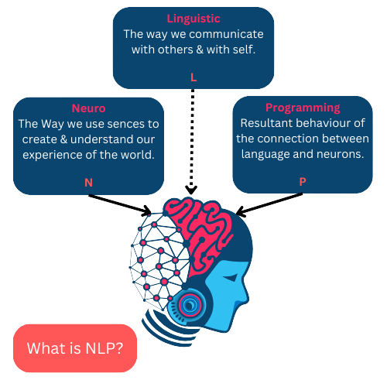
 | Visual learners will typically retain more information when they can see something that graphically depicts what they are trying to learn. Visual learners should study using visual aids whenever possible. Flash cards, pictures, drawings – anything that will give them a visual memory.

 | Visual Learner
 | like drawing diagrams, pictures and charts and watching videos/films. Reads and sees the material for learning.

 | Your SUPPORTING Learning style based on Neuro Linguistic Programming

 | Visual

 | Visual learners will typically retain more information when they can see something that graphically depicts what they are trying to learn. Visual learners should study using visual aids whenever possible. Flash cards, pictures, drawings – anything that will give them a visual memory.

 |  |  |  |  |  | Visual == Auditory for visual text check whatsapp

 | Visual Learner
 | like drawing diagrams, pictures and charts and watching videos/films. Reads and sees the material for learning. |  |  |  |  |  | Implement TOP 3 mentor/dominion logic

Limeneal Wheel Dimensions, Virtues, Traits and the Reports are copyrighted. All Rights Reserved.

Page4
 |  |  |  | #REF!

 | November, 2023

03

 | Power Dimensions
 | The Power dimensions represent the High impact, most preferred and frequently used, naturally expressed dimension by the individual.

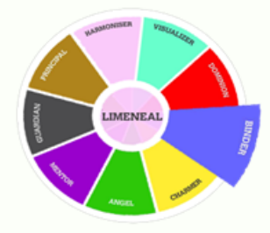
 |  |  |  | You are conscious of others pains and bring the desire to mitigate it. You will take all efforts to offer the required help to others.
 | Power Dimension - I
 | Binder
 |  |  |  |  |  |  | ®

 | Purpose Statements |  | Passion Statements
 | Bringing an environment of Happiness. |  |  | Bringing an environment of Happiness.
 | Establishing Peaceful relationships |  |  | Establishing Peaceful relationships
 | Enabling sustainability |  |  | Enabling sustainability
 | Establishing a sense of appreciation and gratitude. |  |  | Establishing a sense of appreciation and gratitude.
 | Creating a stress-free environment |  |  | Creating a stress-free environment

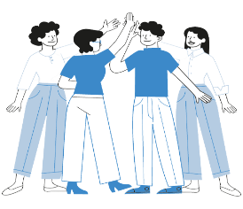
 | Activities/tasks aligned to your Passion
 | 1
 | 2

 | What motivates you :
 | You are Motivated to Help & Care for others.


 | This denotes your interests based on the EMOTION and COLOR of input_dimmension.
 | Emotion Expressed by input_dimmension & Colour of input_dimmension
 | Emotion is Altruism & input_color

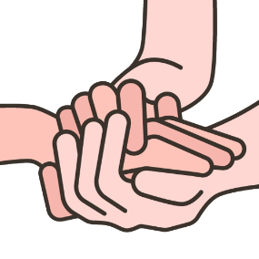
 |  |  |  |  | pic in right side
 |  | Virtue Expressed by input_dimmension
 |  | is centred towards helping and serving others without any self-expectations.

 |  |  |  |  |  | Implement TOP 3 mentor/dominion logic

Limeneal Wheel Dimensions, Virtues, Traits and the Reports are copyrighted. All Rights Reserved.

Page5
 |  |  |  | #REF!

 | November, 2023

04

 | Power Dimension - II |  |  | You are conscious of others pains and bring the desire to mitigate it. You will take all efforts to offer the required help to others.
 | Binder

 | Purpose Statements |  | Passion Statements
 | Bringing an environment of Happiness. |  |  | Bringing an environment of Happiness. |  |  |  | ®
 | Establishing Peaceful relationships |  |  | Establishing Peaceful relationships
 | Enabling sustainability |  |  | Enabling sustainability | ® | ®
 | Establishing a sense of appreciation and gratitude. |  |  | Establishing a sense of appreciation and gratitude.
 | Creating a stress-free environment |  |  | Creating a stress-free environment

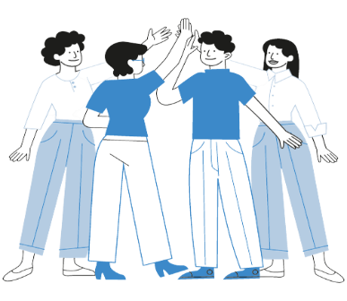
 | Activities/tasks aligned to your Passion
 | 1
 | 2
 | 3

 | What MOTIVATES you :
 | You are Motivated to Help & Care for others


 | This denotes your interests based on the EMOTION and COLOR of input_dimmension.
 | Emotion Expressed by input_dimmension & Colour of input_dimmension
 | Emotion is Altruism & input_Colour


 |  | input_Virtue Expressed by input_dimmension
 |  | is centred towards helping and serving others without any self-expectations.

 |  |  |  |  |  |  | Implement TOP 3 mentor/dominion logic

Limeneal Wheel Dimensions, Virtues, Traits and the Reports are copyrighted. All Rights Reserved.

Page7
 |  |  | #REF!

 | November, 2023

06

 | Push Dimensions ( Lesser Preferred ) |  |  |  |  | PUSH |  | PAIN
 | The Push Dimensions represent the medium impact, sometimes preferred dimensions which comes with an extra or deliberate effort by the individual.
 |  |  |  |  |  | Lesser Preference |  | Least Preference
 |  |  | You sometimes make an attempt to serve others, though this calls for a deliberate effort from you. You may not be able to sense the exact needs or concerns of others most times. |  |  | Purpose | Passion
 | Push Dimension - I
 | Binder

 |  |  |  |  |  | Lesser Preferred Activities |  | Least Preferred Activitties

 | Lesser Preferred Purpose |  | Lesser Preferred Passion
 | Bringing an environment of Happiness. |  | Bringing an environment of Happiness. |  |  | Lesser Expressed Virtue |  | Least Expressed Virtue
 | Establishing Peaceful relationships |  | Establishing Peaceful relationships
 | Enabling sustainability |  | Enabling sustainability
 | Establishing a sense of appreciation and gratitude. |  | Establishing a sense of appreciation and gratitude.
 | Creating a stress-free environment |  | Creating a stress-free environment


 | Lesser Preffered Activities/tasks aligned with your Passion
 | 1
 | 2
 | 3


 |  | Lesser Expressed Virtue by input_dimmension
 |  | is centred towards helping and serving others without any self-expectations.

 |  |  |  | pic in right side

 |  |  |  |  | Implement TOP 3 mentor/dominion logic

Limeneal Wheel Dimensions, Virtues, Traits and the Reports are copyrighted. All Rights Reserved.

Page8
 |  |  | #REF!

 | November, 2023

07

 | Push Dimensions ( Lesser Preferred ) |  |  |  |  | PUSH |  | PAIN
 | The Push Dimensions represent the medium impact, sometimes preferred dimensions which comes with an extra or deliberate effort by the individual.
 |  |  |  |  |  | Lesser Preference |  | Least Preference
 |  |  | You sometimes make an attempt to serve others, though this calls for a deliberate effort from you. You may not be able to sense the exact needs or concerns of others most times. |  |  | Purpose | Passion
 | Push Dimension - Il
 | Binder

 |  |  |  |  |  | Lesser Preferred Activities |  | Least Preferred Activitties

 | Lesser Preferred Purpose |  | Lesser Preferred Passion
 | Bringing an environment of Happiness. |  | Bringing an environment of Happiness. |  |  | Lesser Expressed Virtue |  | Least Expressed Virtue
 | Establishing Peaceful relationships |  | Establishing Peaceful relationships
 | Enabling sustainability |  | Enabling sustainability
 | Establishing a sense of appreciation and gratitude. |  | Establishing a sense of appreciation and gratitude.
 | Creating a stress-free environment |  | Creating a stress-free environment


 | Lesser Preffered Activities/tasks aligned with your Passion
 | 1
 | 2
 | 3


 |  | Lesser Expressed Virtue by input_dimmension
 |  | is centred towards helping and serving others without any self-expectations.

 |  |  |  | pic in right side

 |  |  |  |  | Implement TOP 3 mentor/dominion logic

Limeneal Wheel Dimensions, Virtues, Traits and the Reports are copyrighted. All Rights Reserved.

Page9
 |  |  | #REF!

 | November, 2023

08

 | Push Dimensions ( Lesser Preferred ) |  |  |  |  | PUSH |  | PAIN
 | The Push Dimensions represent the medium impact, sometimes preferred dimensions which comes with an extra or deliberate effort by the individual.
 |  |  |  |  |  | Lesser Preference |  | Least Preference
 |  |  | You sometimes make an attempt to serve others, though this calls for a deliberate effort from you. You may not be able to sense the exact needs or concerns of others most times. |  |  | Purpose | Passion
 | Push Dimension - lll
 | Binder

 |  |  |  |  |  | Lesser Preferred Activities |  | Least Preferred Activitties

 | Lesser Preferred Purpose |  | Lesser Preferred Passion
 | Bringing an environment of Happiness. |  | Bringing an environment of Happiness. |  |  | Lesser Expressed Virtue |  | Least Expressed Virtue
 | Establishing Peaceful relationships |  | Establishing Peaceful relationships
 | Enabling sustainability |  | Enabling sustainability
 | Establishing a sense of appreciation and gratitude. |  | Establishing a sense of appreciation and gratitude.
 | Creating a stress-free environment |  | Creating a stress-free environment


 | Lesser Preffered Activities/tasks aligned with your Passion
 | 1
 | 2
 | 3


 |  | Lesser Expressed Vitue by input_dimmension
 |  | is centred towards helping and serving others without any self-expectations.

 |  |  |  | pic in right side

 |  |  |  |  | Implement TOP 3 mentor/dominion logic

Limeneal Wheel Dimensions, Virtues, Traits and the Reports are copyrighted. All Rights Reserved.

Page15
 | November, 2023

12

 | SALEM Discovery for Tweens

 | The Limeneal Wheel for Kids represents the inclinations of children, across the domains of Emotional Connectedness, Achievement Drive, Logical and Critical Thinking, Mindfulness with the objective of flourishing in tune
 |  |  |  |  | Dimension Name | Value
 |  |  |  |  | Mentor | 4% | 96%
 | Abbrevation | Trait | input_Power/Push/Pain | Score | Dominion | 45% | 55%
 | Guardian
 | 78%
 |  |  |  |  | Principal | 59% | 41%
 | S | Strategizing and Guiding | Input_Power/push/pain |  | Mentor | 59% | 41%
 |  |  |  |  | Principal | 59% | 41%
 |  |  |  |  | Mentor | 59% | 41%
 | Guardian
 | 78%
 |  |  |  |  | Mentor | 59% | 41%
 | A | Achievement Drive | Input_Power/push/pain |  | Guardian | 78% | 22%
 |  |  |  |  | Principal | 59% | 41%
 | Guardian
 | 78%
 | L | Logical & Critical Thinking | Input_Power/push/pain

 | Guardian
 | 78%
 | E | Emotional Connectedness | Input_Power/push/pain

 | Guardian
 | 78%
 | M | Mindfulness | Input_Power/push/pain

 | Strategizing and Guiding

 | The inclination to explore and create opportunities and guide towards the set vision or goals.

 |  | Mentor
 | 1 | 59%
 | 1 | 41%
 | 1
 | 1
 | 1
 | 1
 | 1
 | 1
 | 1
 | 1
 | 1
 | 1
 | 1
 | 1
 | 1
 | 1
 | 1
 | 1
 | 1
 | 1
 |  | Guardian
 | 1 | 78%
 | 1 | 22%
 | 1
 | 1
 | 1
 | 1
 | 1
 | 1
 | 1
 | 1
 | 1
 | 1
 | 1
 | 1
 | 1
 | 1
 | 1
 | 1
 | 1
 | 1

 |  | Visualizer |  | Mentor

Limeneal Wheel Dimensions, Virtues, Traits and the Reports are copyrighted. All Rights Reserved.

Page16
 | November, 2023

12

 | Achievement Drive

 |  | Mentor
 | 1 | 59%
 | 1 | 41%
 | 1
 | 1
 | 1
 | 1
 | 1
 | 1
 | 1
 | 1
 | 1
 | 1
 | 1
 | 1
 | 1
 | 1
 | 1
 | 1
 | 1
 | 1
 |  | Guardian
 | 1 | 78%
 | 1 | 22%
 | 1
 | 1
 | 1
 | 1
 | 1
 | 1
 | 1
 | 1
 | 1
 | 1
 | 1
 | 1
 | 1
 | 1
 | 1
 | 1
 | 1
 | 1
 | The inclination to achieve despite challenges with a sense of self control, courage and enthusaism with an effort to achieve ambitious goals
 |  |  |  | Dimension Name | Value
 |  |  |  | Mentor | 4% | 96%
 |  |  |  | Dominion | 45% | 55%
 |  |  |  | Principal | 59% | 41%
 |  |  |  | Mentor | 59% | 41%
 |  |  |  | Principal | 59% | 41%
 |  |  |  | Mentor | 59% | 41%
 |  | Dominion | Charmer | Mentor | 59% | 41%
 |  |  |  | Guardian | 78% | 22%
 | Logical & Critical Thinking |  |  | Principal | 59% | 41%

 | The inclination to observing and assessing facts and further questioning on the informations and conclusions, by applying logic and critical thinking.

 |  | Mentor
 | 1 | 59%
 | 1 | 41%
 | 1
 | 1
 | 1
 | 1
 | 1
 | 1
 | 1
 | 1
 | 1
 | 1
 | 1
 | 1
 | 1
 | 1
 | 1
 | 1
 | 1
 | 1
 |  | Guardian
 | 1 | 78%
 | 1 | 22%
 | 1
 | 1
 | 1
 | 1
 | 1
 | 1
 | 1
 | 1
 | 1
 | 1
 | 1
 | 1
 | 1
 | 1
 | 1
 | 1
 | 1
 | 1

 |  | Guardian | Principal

 | Emotional Connectedness

 | The desire to stay emotionally connected with others and imbibe emotional bonding with the inclination to help and support others.

 | These Two dimensions from the limenial wheel strongly represent emotional connectedness
 |  | Mentor
 | 1 | 59%
 | 1 | 41%
 | 1
 | 1
 | 1
 | 1
 | 1
 | 1
 | 1
 | 1
 | 1
 | 1
 | 1
 | 1
 | 1
 | 1
 | 1
 | 1
 | 1
 | 1
 |  | Guardian
 | 1 | 78%
 | 1 | 22%
 | 1
 | 1
 | 1
 | 1
 | 1
 | 1
 | 1
 | 1
 | 1
 | 1
 | 1
 | 1
 | 1
 | 1
 | 1
 | 1
 | 1
 | 1

 |  | Angel | Binder

Limeneal Wheel Dimensions, Virtues, Traits and the Reports are copyrighted. All Rights Reserved.

Page17
 | November, 2023

12

 | Mindfulness

 |  | Mentor
 | 1 | 59%
 | 1 | 41%
 | 1
 | 1
 | 1
 | 1
 | 1
 | 1
 | 1
 | 1
 | 1
 | 1
 | 1
 | 1
 | 1
 | 1
 | 1
 | 1
 | 1
 | 1
 |  | Guardian
 | 1 | 78%
 | 1 | 22%
 | 1
 | 1
 | 1
 | 1
 | 1
 | 1
 | 1
 | 1
 | 1
 | 1
 | 1
 | 1
 | 1
 | 1
 | 1
 | 1
 | 1
 | 1
 | The inclination to be in harmony with oneself and the immediate environment
 |  |  |  | Dimension Name | Value
 |  |  |  | Mentor | 4% | 96%
 |  |  |  | Dominion | 45% | 55%
 |  |  |  | Principal | 59% | 41%
 |  |  |  | Mentor | 59% | 41%
 |  |  |  | Principal | 59% | 41%
 |  |  |  | Mentor | 59% | 41%
 |  |  |  | Mentor | 59% | 41%
 |  | Harmoniser | Mentor | Guardian | 78% | 22%
 |  |  |  | Principal | 59% | 41%

 | Career features you possibly are inclined

 | Careers where the ratio of emotional connectedness is high, including empathy and friendliness with the need to serve and help others, show pleasantness and cooperativeness, work in teams, build networks and connections and surround with people to achieve the needs of the role

 | Indicative Careers where you flourish with your PURPOSE + PASSION

 | Example: Nurses, Doctors, team of IT professionals, marketing and communication, public relations, team sports, airhostess, banquet managers, kindergarten and nursery school teacher, special education teacher etc.

 | "Discover your Purpose, follow your Passion and harness your Potentials to achieve fulfilment."

 | Level 2 offers your Career Insight ONLY Considering your PURPOSE + PASSION, which is incomplete without YOUR POTENTIAL alligned to determine Career Paths where you would find Fulfilment.

 | Please advance to Level 3- which gives you the Top 3 Dimensions based on your PURPOSE + PASSION + POTENTIAL aligining you to careers where you would flourish.

Limeneal Wheel Dimensions, Virtues, Traits and the Reports are copyrighted. All Rights Reserved.

